EmployeeData
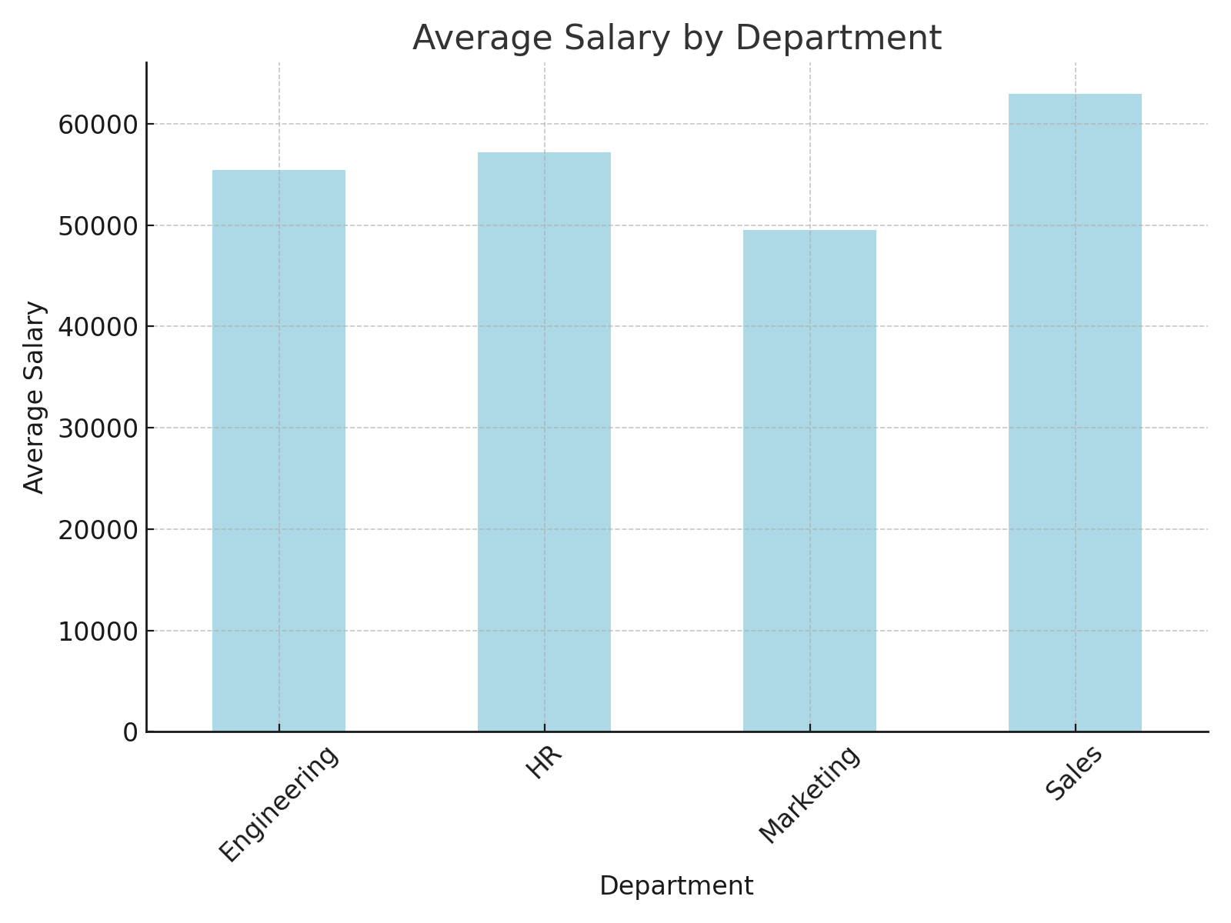
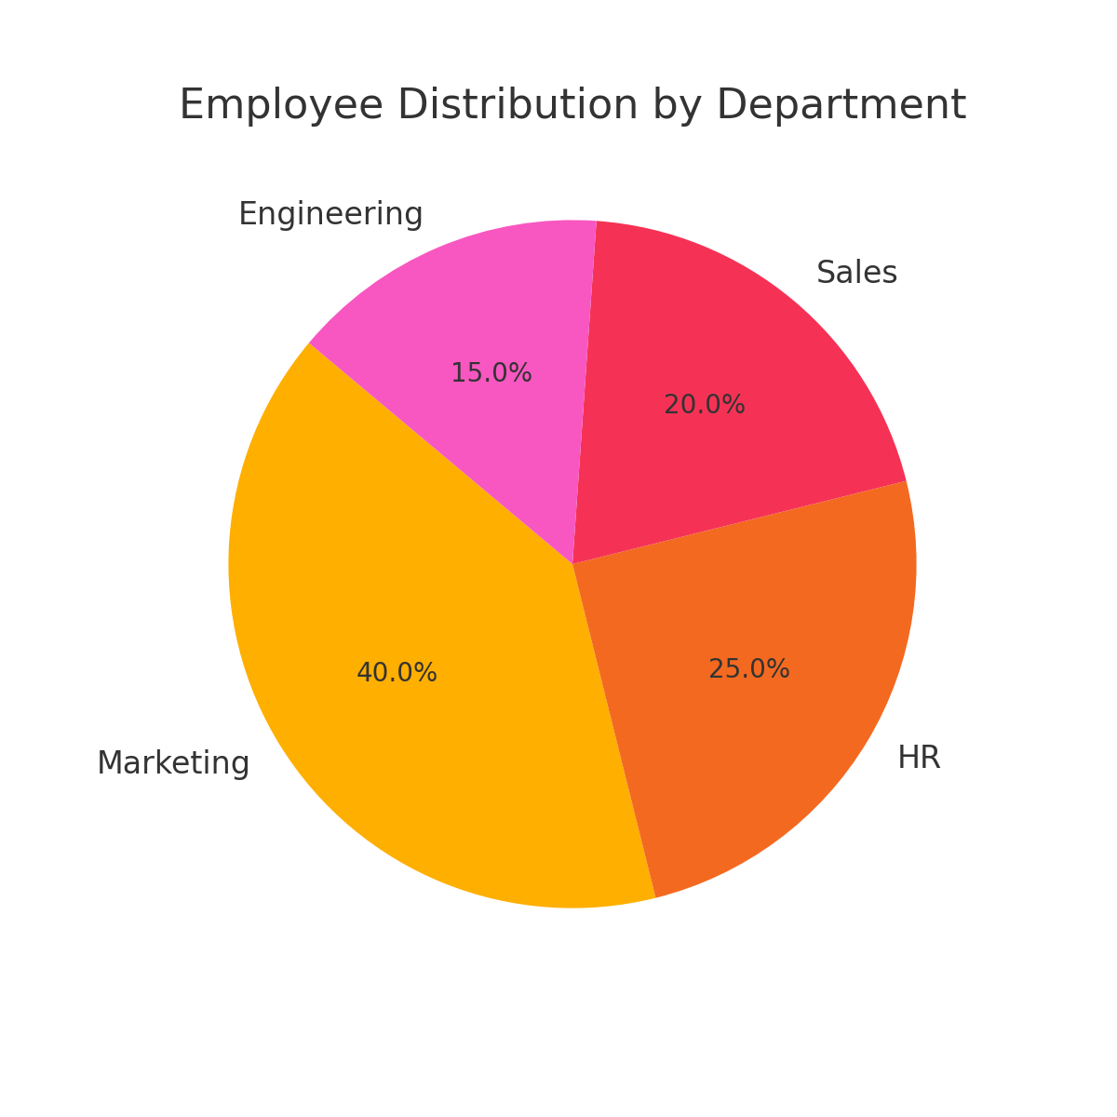
Name | Age | Department | Salary | Bonus % | Performance Score | Bonus Amount | Total Compensation | Is High Performer | Salary Grade | Remark
Alice Wilson | 56 | Sales | 89150 | 10.63 | 4 | 9476.645 | 98626.645 | Yes | A | Promote
Charlie Davis | 46 | Marketing | 30189 | 8.85 | 1 | 2671.7265 | 32860.7265 | No | C | -
Frank Anderson | 32 | Marketing | 49118 | 5.16 | 5 | 2534.4888 | 51652.4888 | Yes | C | -
Deewanshu | 25 | HR | 65773 | 7.31 | 5 | 4808.0063 | 70581.0063 | Yes | B | Promote
Charlie Garcia | 38 | HR | 83810 | 7.41 | 2 | 6210.321 | 90020.321 | No | A | -
Jade Davis | 56 | Marketing | 31899 | 11.83 | 5 | 3773.6517 | 35672.6517 | Yes | C | -
Jade Johnson | 36 | Sales | 86886 | 11.1 | 2 | 9644.346 | 96530.346 | No | A | -
Charlie Williams | 40 | Sales | 31267 | 13.33 | 1 | 4167.8911 | 35434.8911 | No | C | -
Grace Brown | 28 | HR | 61551 | 6.73 | 4 | 4142.3823 | 65693.3823 | Yes | B | Promote
Dhrruv | 28 | Marketing | 80680 | 8.91 | 4 | 7188.588 | 87868.588 | Yes | A | Promote
Eva Jones | 41 | HR | 41394 | 6.82 | 4 | 2823.0708 | 44217.0708 | Yes | C | -
Frank Smith | 53 | HR | 33556 | 12.55 | 5 | 4211.278 | 37767.278 | Yes | C | -
Jade Brown | 57 | Engineering | 33890 | 9.25 | 1 | 3134.825 | 37024.825 | No | C | -
Ian Williams | 41 | Engineering | 71606 | 7.08 | 5 | 5069.7048 | 76675.7048 | Yes | B | Promote
Grace Wilson | 20 | Engineering | 60740 | 10.68 | 5 | 6487.032 | 67227.032 | Yes | B | Promote
Frank Brown | 39 | Sales | 44502 | 5.31 | 1 | 2363.0562 | 46865.0562 | No | C | -
David Williams | 19 | Marketing | 51777 | 13.42 | 1 | 6948.4734 | 58725.4734 | No | C | -
Eva Davis | 41 | Marketing | 40627 | 9.5 | 1 | 3859.565 | 44486.565 | No | C | -
Eva Garcia | 47 | Marketing | 38792 | 8.95 | 1 | 3471.884 | 42263.884 | No | C | -
David Davis | 55 | Marketing | 73323 | 14.27 | 4 | 10463.1921 | 83786.1921 | Yes | B | Promote

