Birth Registrations
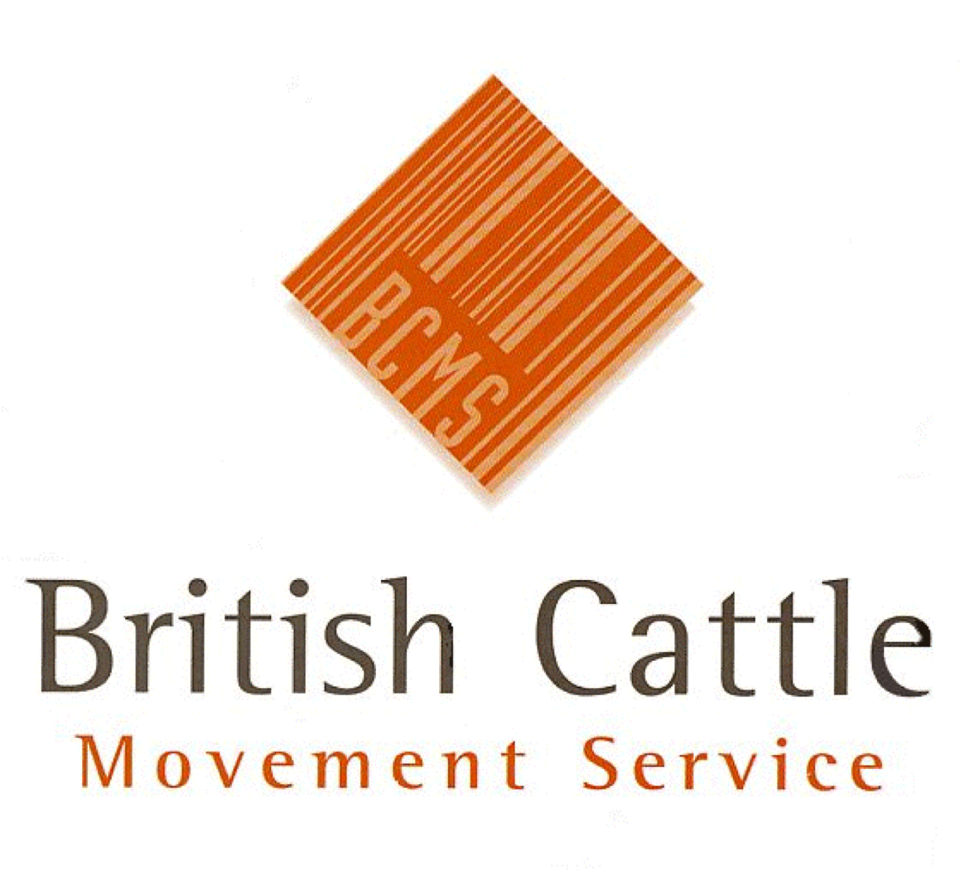 |  |  | British Cattle Movement Service Curwen Road, Workington, CA14 2DD email: PPMITeamReporting@rpa.gov.uk BCMS is part of the Rural Payments Agency

 | Cattle Registrations in June 2024

 | Author: | Adrian Kelham |  |  |  | Data as at: |  | 10-Jul-24
 | Source of Data: | MI0192 |  |  |  | BCMS Ref: |  | WL1131

 | Any Personal Data provided is protected under the Data Protection Act 1998
 | This report must only be used for the purposes it was requested. It must not be distributed onto any other person(s) or organisation(s) without approval from the BCMS Management Information Team.

 | Report Contents and Notes

 | This report includes: |  |  |  |  | This report excludes:
 | ► Cattle born in Great Britain |  |  |  |  | ► Imported Cattle
 | ► Calves Dead on Registration

 | Birth Year | Birth Month | Country | Gov Region | County | Breed Type | Breed | Sex | Application Type | Number Of Births

