BCMS Stats
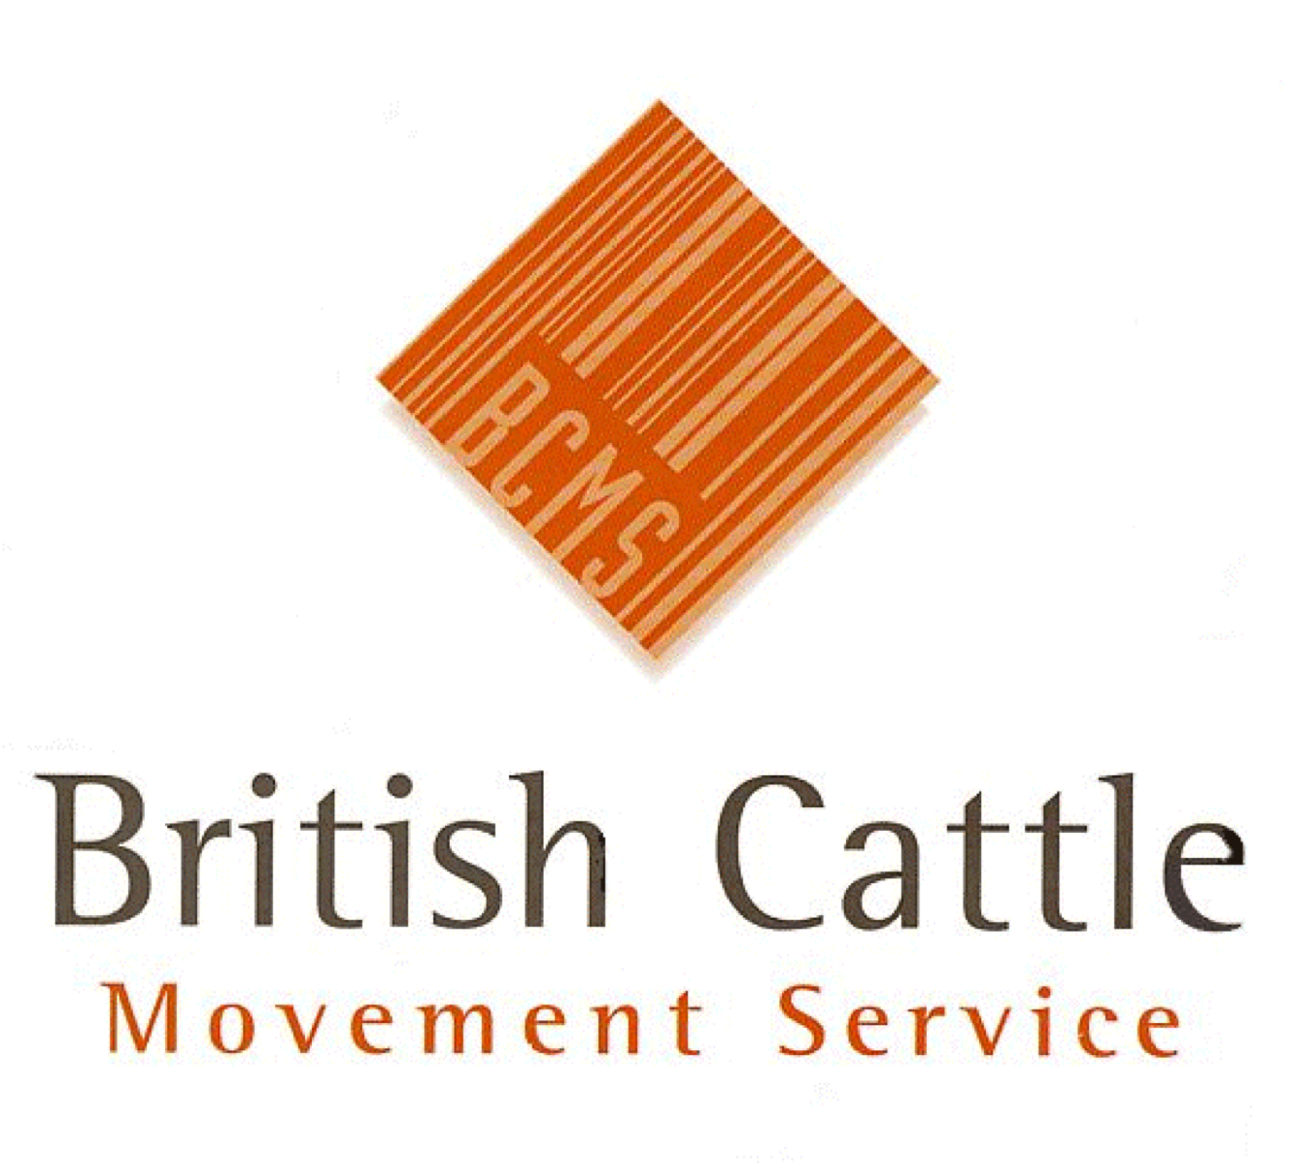 |  | British Cattle Movement Service Curwen Road, Workington, CA14 2DD email: PPMITeamReporting@rpa.gov.uk BCMS is part of the Rural Payments Agency

Cattle Slaughtered by Breed, Breed Code, Breed Type, Sex, Age in Months, Country and Premises Type in YYYY

Author: |  |  |  | Data as at:
Source of Data: | MI0236 |  |  | BCMS Ref: | WL1155

Any Personal Data provided is protected under the Data Protection Act 1998
This report must only be used for the purposes it was requested. It must not be distributed onto any other person(s) or organisation(s) without approval from the BCMS Management Information Team.

Month Name | Breed | Breed Code | Breed Type | Sex | Country | Age at Death in Months | Premise Type Groups | Number of Deaths

