BCMS Import Data
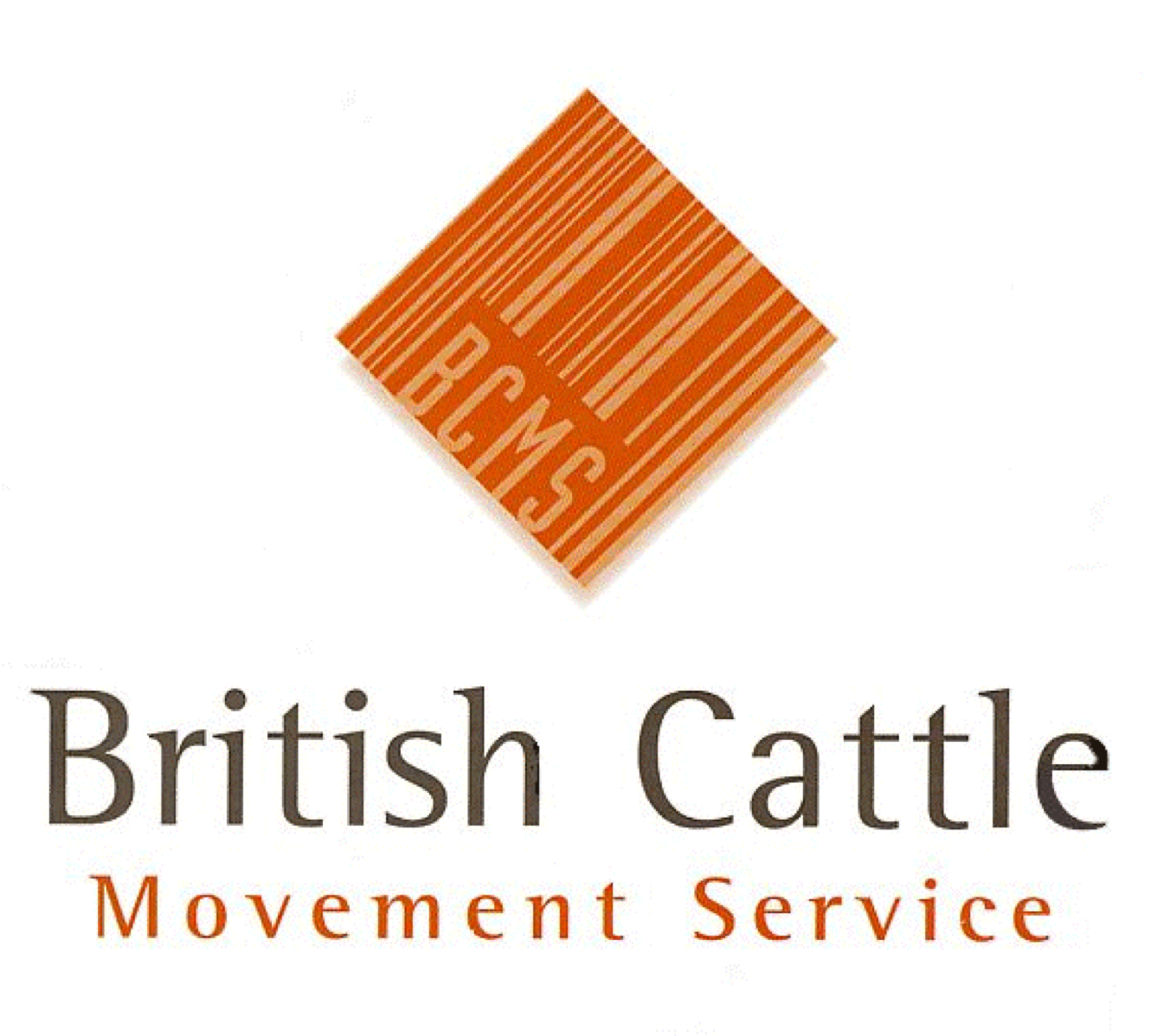 British Cattle Movement Service Curwen Road, Workington, CA14 2DD email: PPMITeamReporting@rpa.gov.uk BCMS is part of the Rural Payments Agency

 | Movements in to Great Britain and Imports from Outside the EU - YYYY

 | Author: |  |  |  |  | Data as at:
 | Source of Data: | MI0266V1 |  |  |  | BCMS Ref: | WL1222

 | Any Personal Data provided is protected under the Data Protection Act 1998
 | This report must only be used for the purposes it was requested. It must not be distributed onto any other person(s) or organisation(s) without approval from the BCMS Management Information Team.

 | Country Moved or Imported From | Month-Year | Age at Movement/Import | Age Band | Breed Type | Sex | Number of Movements/Imports
 | IRELAND | Jan-24 | 44 | 36 to 48 | Dairy | F | 1

