Map of Deprivation
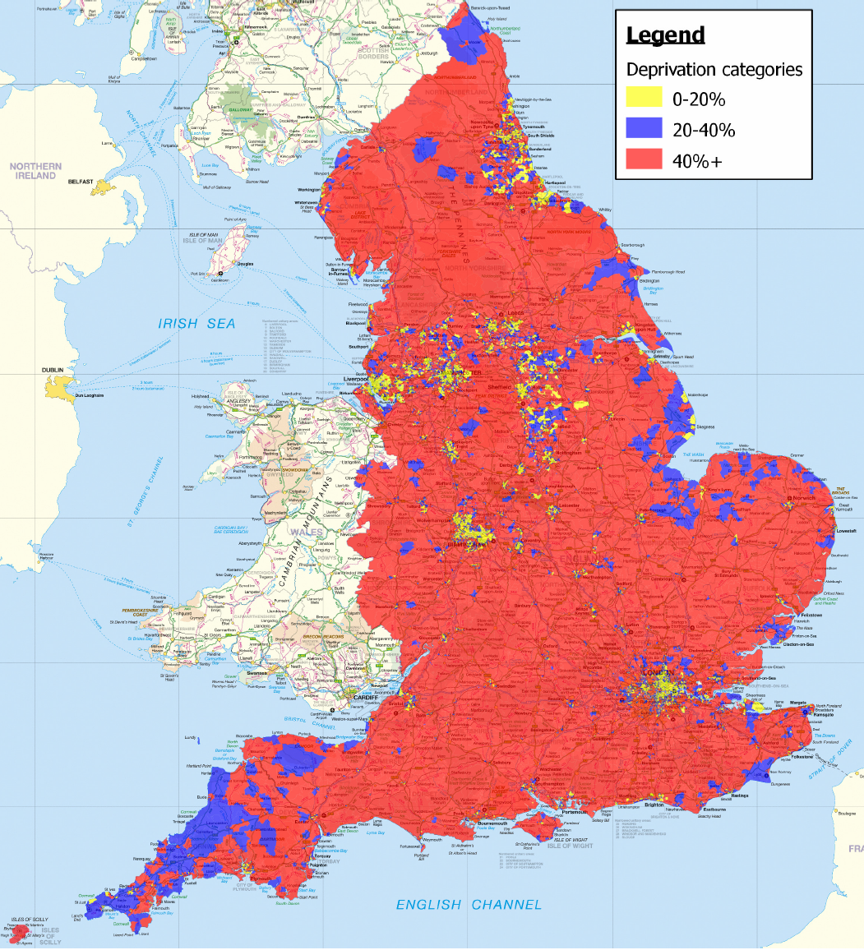
Map showing Areas of Multiple Deprivation
This map indicates the likely category for the Multiple Index of Deprivation for a given location. In some locations, or in more detailed stages of scheme development, it may be necessary to
undertake a formal assessment of deprivation.

