Tabla
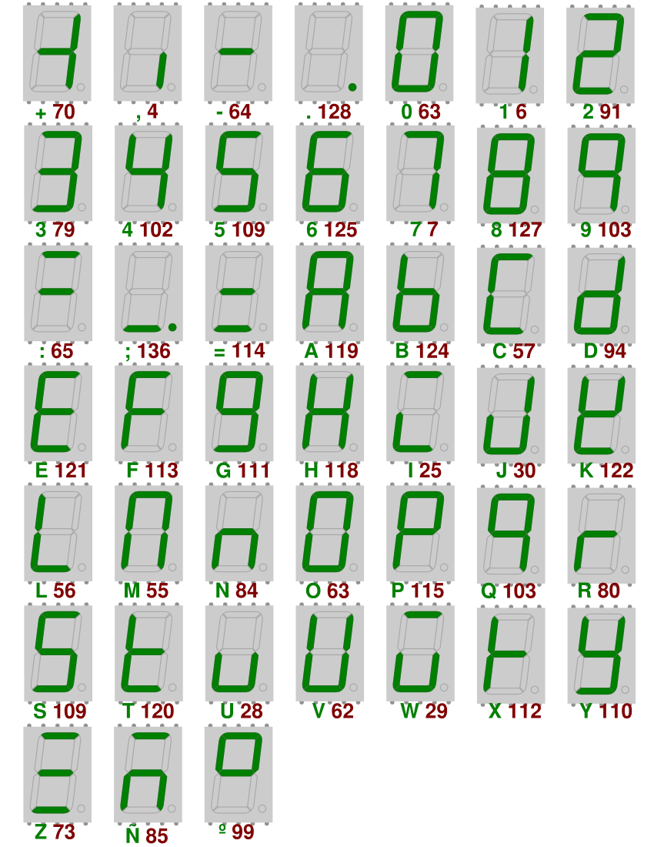
 |  |  | Entredas |  |  | Salidas
 |  |  | X | Y | Z | a | b | c | d | e | f | g

 | a |  | 0 | 0 | 0 | 0 | 0 | 1 | 1 | 1 | 1 | 1

f | g | b

e |  | c

 | d
 | a |  | 0 | 0 | 1 | 1 | 0 | 0 | 1 | 1 | 1 | 0

f | g | b

e |  | c

 | d
 | a |  | 0 | 1 | 0 | 1 | 0 | 1 | 1 | 0 | 1 | 1

f | g | b

e |  | c

 | d
 | a |  | 0 | 1 | 1 | 1 | 1 | 0 | 0 | 1 | 1 | 1

f | g | b

e |  | c

 | d
 | a |  | 1 | 0 | 0 | 0 | 0 | 1 | 0 | 1 | 0 | 1

f | g | b

e |  | c

 | d
 | a |  | 1 | 0 | 1 | 0 | 0 | 0 | 0 | 0 | 0 | 1

f | g | b

e |  | c

 | d
 | a |  | 1 | 1 | 0 | 0 | 0 | 0 | 0 | 1 | 1 | 1

f | g | b

e |  | c

 | d
 | a |  | 1 | 1 | 1 | 0 | 1 | 1 | 1 | 1 | 0 | 1

f | g | b

e |  | c

 | d

Mapas K
Salida: a

$$=\overline{x}⋅y+\overline{x}⋅z$$
XY | 00 | 01 | 11 | 10
Z
0 | 0 | 1 | 0 | 0

1 | 1 | 1 | 0 | 0

Salida: b

$$=y⋅z$$
XY | 00 | 01 | 11 | 10
Z
0 | 0 | 0 | 0 | 0

1 | 0 | 1 | 1 | 0

Salida: c

$$=\overline{x}⋅\overline{z}+x⋅y⋅z+x⋅\overline{y}⋅\overline{z}$$
XY | 00 | 01 | 11 | 10
Z
0 | 1 | 1 | 0 | 1

1 | 0 | 0 | 1 | 0

Salida: d

$$=\overline{x}⋅\overline{y}+ \overline{x}⋅\overline{z}+x⋅y⋅z$$
XY | 00 | 01 | 11 | 10
Z
0 | 1 | 1 | 0 | 0

1 | 1 | 0 | 1 | 0

Salida: e

$=\overline{x}⋅\overline{y}+ \overline{x}⋅z+x⋅$ y + x$⋅\overline{z}$
XY | 00 | 01 | 11 | 10
Z
0 | 1 | 0 | 1 | 1

1 | 1 | 1 | 1 | 0

Salida: f

$$=\overline{x}+\text{y}⋅\overline{z}$$
XY | 00 | 01 | 11 | 10
Z
0 | 1 | 1 | 1 | 0

1 | 1 | 1 | 0 | 0

Salida: g

$=$x + $\overline{x}⋅y$ $+ \overline{x}⋅$ $\overline{z}$
XY | 00 | 01 | 11 | 10
Z
0 | 1 | 1 | 1 | 1

1 | 0 | 1 | 1 | 1

