Table 1
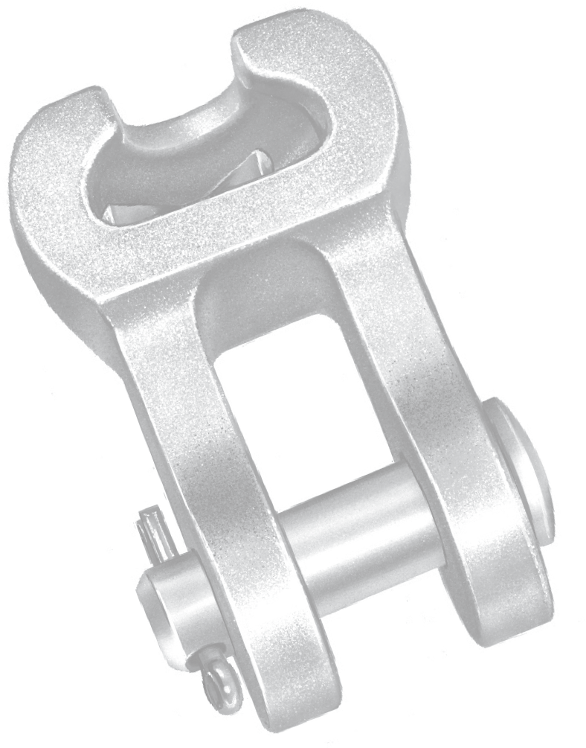
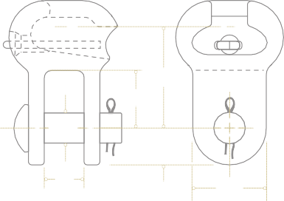
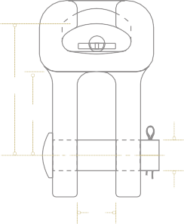
^{C}L Ball
W
Material: Body – galvanized ductile iron Clevis Pin – galvanized steel Cotter Pin – stainless steel
DUCTILE IRON
A 5
Hardware Fittings — Ductile Iron
Socket Clevis
Socket clevises are used primarily for connecting associated hardware to ball and socket type insulators.
L
B
PD
11_{/16”}
11_{/16”}
Dia Hole
B
^{C}L Ball
L
B
PD
³/₄”
W
1¹/ ”
2
SC
Type SC Type SC30AHM Type 115452000 Type 876032000
Product Data
Catalog Number | Ultimate Strength lb (kN) | Dimensions Inches (mm) |  |  |  | Approx Wt Each lb (kg)
 |  | W | L | B | PD
876032000 | 30,000 | 13/16 | 25/8 | 15/8 | 5/8 | 2.7
 | (133) | (20.6) | (66.7) | (41.3) | (15.9) | (1.22)
SC30 | 30,000 | 7/8 | 25/8 | 111/16 | 5/8 | 2.0
 | (133) | (22.2) | (66.7) | (42.9) | (15.9) | (0.91)
SC30AHM | 30,000 | 7/8 | 41/2 | 115/16 | 5/8 | 3.5
 | (133) | (22.2) | (114.3) | (49.2) | (15.9) | (1.58)
SC301 | 30,000 | 1 1/8 | 37/8 | 27/8 | 5/8 | 3.0
 | (133) | (28.6) | (98.4) | (72) | (15.9) | (1.36)
115452000(1) | 18,000 | 13/16 | 21/8 | 13/16 | 5/8 | 1.35
 | (80) | (20.6) | (54) | (30.2) | (15.9) | (0.61)
SC501(2) | 50,000 | 11/8 | 39/32 | 21/16 | 7/8 | 4.6
 | (222) | (28.6) | (85.3) | (52.4) | (22.2) | (2.09)
NOTE: For use with class 52-3 and 52-5 insulators per ANSI Spec. C-29.2-71. Bolt and nut may be substituted for clevis pin by adding suffix “BNK” to catalog number. (1) For use with class 52-3 insulators only per ANSI Spec. C-29.2-71. (2) For use with class 52-8 and 52-11 insulators per ANSI Spec. C-29.2-71
^{C}L Ball
L
B
PD
⁷/₈”
W
1³/₄”
 |  |  |  |  | 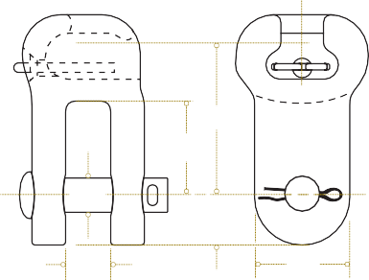

Table 2
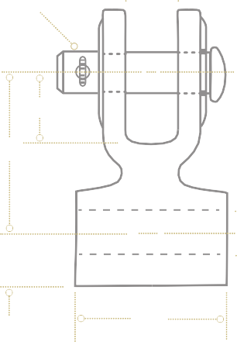
A 6
Hardware Fittings — Ductile Iron
Clevis Eye
Clevis eyes are used to connect conductor
DUCTILE IRON
D
clamping devices to clevis tongue insulators.
⁵/8“ Dia
Material: Body – galvanized ductile iron Clevis Pin – galvanized steel Cotter Pin – stainless steel
B
L
Dia
R
W
CA
Product Data
Catalog Number | Ultimate Strength lb (kN) | Dimensions Inches (mm) |  |  |  |  |  | Approx Wt Each lb (kg)
 |  | R | W | B | D | L | Diameter
CA04 | 18,000 | 13/16 | 1/2 | 11/16 | 7/8 | 21/2 | 11/16 | 1.6
 | (80) | (20.6) | (12.7) | (27.1) | (22.2) | (63.5) | (17.5) | (0.73)
CA05 | 20,000 | 13/16 | 5/8 | 11/16 | 7/8 | 21/2 | 11/16 | 1.6
 | (89) | (20.6) | (15.9) | (27.1) | (22.2) | (63.5) | (17.5) | (0.73)
CA05033 | 30,000 | 15/16 | 5/8 | 13/4 | 7/8 | 33/8 | 11/16 | 2.6
 | (133) | (23.8) | (15.9) | (44.5) | (22.2) | (85.7) | (17.5) | (1.18)
CA06 | 25,000 | 13/16 | 3/4 | 11/16 | 7/8 | 21/2 | 11/16 | 1.7
 | (111) | (20.6) | (19.1) | (27.1) | (22.2) | (63.5) | (17.5) | (0.77)
CA101 | 25,000 | 13/16 | 1 | 11/16 | 7/8 | 21/2 | 11/16 | 1.7
 | (111) | (20.6) | (25.4) | (27.1) | (22.2) | (63.5) | (17.5) | (0.77)
CA11 | 25,000 | 13/16 | 11/8 | 11/16 | 7/8 | 21/2 | 11/16 | 1.7
 | (111) | (20.6) | (28.6) | (27.1) | (22.2) | (63.5) | (17.5) | (0.77)
CA13 | 25,000 | 13/16 | 13/8 | 11/16 | 7/8 | 21/2 | 11/16 | 1.8
 | (111) | (20.6) | (34.9) | (27.1) | (22.2) | (63.5) | (17.5) | (0.82)
CA16 | 25,000 | 13/16 | 13/4 | 11/16 | 7/8 | 21/2 | 11/16 | 2.0
 | (111) | (20.6) | (44.5) | (27.1) | (22.2) | (63.5) | (17.5) | (0.91)
CA22 | 25,000 | 13/16 | 21/4 | 11/16 | 7/8 | 21/2 | 11/16 | 2.3
 | (111) | (20.6) | (57.2) | (27.1) | (22.2) | (63.5) | (17.5) | (1.04)
CA1013 | 25,000 | 13/16 | 1 (25.4) | 11/16 | 7/8 | 21/2 | 13/16 | 2.0
 | (111) | (20.6) |  | (227.1) | (22.2) | (63.5) | (20.6) | (0.91)
CA1313 | 25,000 | 13/16 | 13/8 | 11/16 | 7/8 | 21/2 | 13/16 | 2.0
 | (111) | (20.6) | (34.9) | (227.1) | (22.2) | (63.5) | (20.6) | (0.91)
CA1517033(1) | 30,000 | 11/32 | 15/8 | 13/4 | 13/16 | 33/8 | 11/16 | 2.3
 | (133) | (26.2) | (41.3) | (44.5) | (20.6) | (85.7) | (27.1) | (1.04)
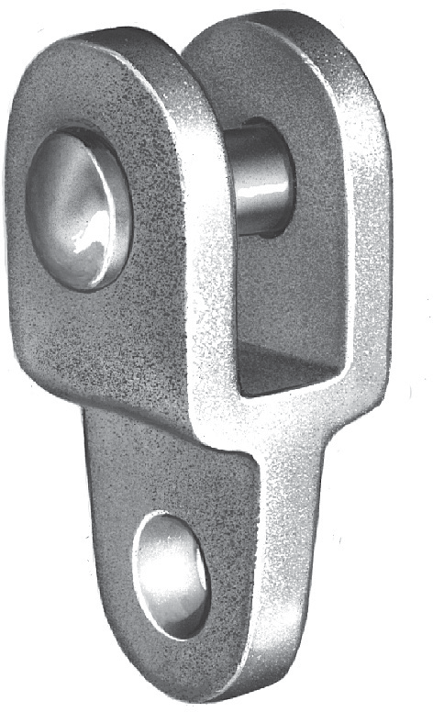
NOTE: Bolt and nut may be substituted for clevis pin by adding suffix “BNK” to catalog number. (1) Furnished with 3/4” diameter clevis pin.

Table 3
Hardware Fittings — Ductile Iron
Clevis Eye
A 7
DUCTILE IRON
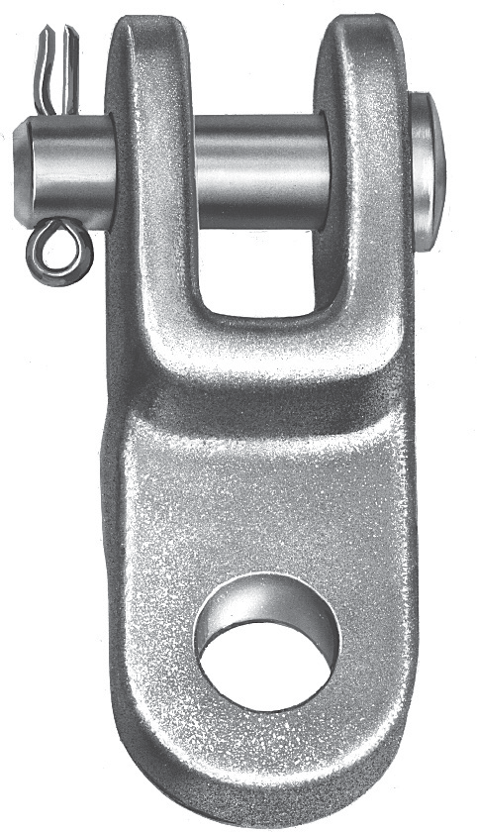
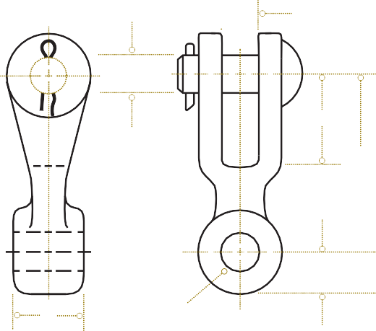
D
PD
B
L
R
W
Dia
CE
Type CE clevis eyes are used to connect quadrant type deadends to clevis tongue insulators or yoke plates. The eye of type CE is 90° from type CA.
Material: Body – galvanized ductile iron Clevis Pin – galvanized steel Cotter Pin – stainless steel
Product Data
Catalog Number | Ultimate Strength lb (kN) | Dimensions Inches (mm) |  |  |  |  |  |  | Approx Weight Each lb (kg)
 |  | D | W | L | B | R | PD | Diameter
CE02504 | 20,000 | 7/8 | 1/2 | 25/8 | 11/4 | 13/16 | 5/8 | 11/16 | 1.7
 | (89) | (22.2) | (12.7) | (66.7) | (31.8) | (20.6) | (15.9) | (17.5) | (0.77)
CE02506 | 25,000 | 7/8 | 3/4 | 25/8 | 11/4 | 13/16 | 5/8 | 11/16 | 1.7
 | (111) | (22.2) | (19.1) | (66.7) | (31.8) | (20.6) | (15.9) | (17.5) | (0.77)
CE02513 | 25,000 | 7/8 | 1 3/8 | 25/8 | 11/4 | 13/16 | 5/8 | 11/16 | 2.2
 | (111) | (22.2) | (34.9) | (66.7) | (31.8) | (20.6) | (15.9) | (17.5) | (1.00)
CE025504 | 18,000 | 13/16 | 1/2 | 2 11/16 | 11/16 | 7/8 | 5/8 | 11/16 | 1.7
 | (80) | (20.6) | (12.7) | (68.3) | (27) | (22.2) | (15.9) | (17.5) | (0.77)
CE03305 | 30,000 | 7/8 | 5/8 | 33/8 | 19/16 | 7/8 | 5/8 | 11/16 | 1.8
 | (133) | (22.2) | (15.9) | (85.7) | (39.7) | (22.2) | (15.9) | (17.5) | (0.82)
CE03404 | 20,000 | 7/8 | 1/2 | 31/2 | 21/2 | 1 | 5/8 | 13/16 | 1.8
 | (89) | (22.2) | (12.7) | (88.9) | (63.5) | (25.4) | (15.9) | (20.6) | (0.82)
CE0340611 | 36,000 | 1 | 3/4 | 31/2 | 11/2 | 1 | 3/4 | 11/16 | 2.2
 | (160) | (25.4) | (19.1) | (88.9) | (38.1) | (25.4) | (19.1) | (17.5) | (1.00)
CE0340615 | 36,000 | 1 | 3/4 | 31/2 | 11/2 | 1 | 3/4 | 15/16 | 2.1
 | (160) | (25.4) | (19.1) | (88.9) | (38.1) | (25.4) | (19.1) | (23.8) | (0.95)
CE03410 | 30,000 | 7/8 | 1 | 31/2 | 21/2 | 1 | 5/8 | 13/16 | 2.0
 | (133) | (22.2) | (25.4) | (88.9) | (63.5) | (25.4) | (15.9) | (20.6) | (0.91)

Table 4
Product Data (continued)
Catalog Number | Ultimate Strength lb (kN) | Dimensions Inches (mm) |  |  |  |  |  |  | Approx Wt Each lb (kg)
 |  | D | W | L | B | R | PD | Diameter
CE03413 | 30,000 | 7/8 | 13/8 | 31/2 | 21/2 | 1 | 5/8 | 13/16 | 2.5
 | (133) | (22.2) | (34.9) | (88.9) | (63.5) | (25.4) | (15.9) | (20.6) | (1.13)
CE03415 | 50,000 | 7/8 | 15/8 | 31/2 | 21/2 | 1 | 3/4 | 11/16 | 2.9
 | (222) | (22.2) | (41.3) | (88.9) | (63.5) | (25.4) | (19.1) | (27) | (1.32)
CE03616 | 25,000 | 7/8 | 13/4 | 33/4 | 23/4 | 1 | 5/8 | 11/16 | 2.7
 | (111) | (22.2) | (44.5) | (95.3) | (69.9) | (25.4) | (15.9) | (17.5) | (1.23)
879002000 | 36,000 | 7/8 | 3/4 | 51/2 | 21/8 | 11/4 | 3/4 | 13/16 | 3.9
 | (160) | (22.2) | (19.1) | (139.7) | (54) | (31.8) | (19.1) | (20.6) | (1.77)
CE054106 | 50,000 | 7/8 | 11/16 | 51/2 | 21/8 | 1 | 3/4 | 13/16 | 3.0
 | (222) | (22.2) | (27) | (139.7) | (54) | (25.4) | (19.1) | (20.6) | (1.36)
CE05410 | 40,000 | 1 | 1 | 51/2 | 21/2 | 1 | 3/4 | 13/16 | 3.2
 | (178) | (25.4) | (25.4) | (139.7) | (63.5) | (25.4) | (19.1) | (20.6) | (1.45)
CE0541160 | 60,000 | 7/8 | 11/8 | 51/2 | 21/8 | 11/8 | 3/4 | 13/16 | 3.7
 | (267) | (22.2) | (28.6) | (139.7) | (54) | (28.6) | (19.1) | (20.6) | (1.68)
CE054125 | 30,000 | 7/8 | 15/16 | 51/2 | 21/8 | 1 | 5/8 | 13/16 | 3.5
 | (133) | (22.2) | (33.3) | (139.7) | (54) | (25.4) | (15.9) | (20.6) | (1.59)
CE05414 | 50,000 | 7/8 | 11/2 | 51/2 | 21/8 | 1 | 3/4 | 13/16 | 3.5
 | (222) | (22.2) | (38.1) | (139.7) | (54) | (25.4) | (19.1) | (30.2) | (1.59)
CE05415 | 50,000 | 7/8 | 15/8 | 51/2 | 21/8 | 1 | 3/4 | 11/16 | 3.5
 | (222) | (22.2) | (41.3) | (139.7) | (54) | (25.4) | (19.1) | (27) | (1.59)
CE0541660 | 60,000 | 7/8 | 13/4 | 51/2 | 21/8 | 1 | 7/8 | 13/16 | 3.7
 | (267) | (22.2) | (44.5) | (139.7) | (54) | (25.4) | (22.2) | (20.6) | (1.68)
CE05420 | 50,000 | 7/8 | 2 | 51/2 | 21/8 | 1 | 3/4 | 13/16 | 3.7
 | (222) | (22.2) | (50.8) | (139.7) | (54) | (25.4) | (19.1) | (20.6) | (1.68)
A 8
Hardware Fittings — Ductile Iron
Clevis Eye
NOTE: Bolt and nut may be substituted for clevis pin by adding suffix “BNK” to catalog number.

Table 5
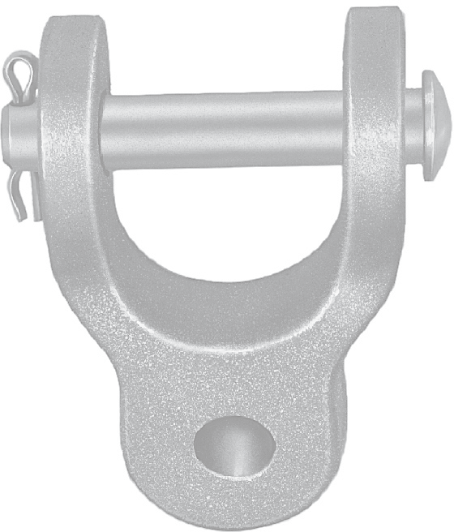
Hardware Fittings — Ductile Iron
Clevis Eye
Wide clevis eyes are used to attach suspension clamps to associated hardware in a single conductor VEE string assembly.
A 9
DUCTILE IRON
Material: Body – galvanized ductile iron
Hardware – galvanized steel
CEW
Figure 1 Figure 2 Figure 3
Product Data
Catalog Number | Figure Number | Ultimate Strength lb (kN) | Dimensions Inches (mm) |  |  |  |  |  | Approx Wt Each lb (kg)
 |  |  | W | D | B | PD | R | Diameter
CEW1030 | 1 | 30,000 | 1 | 21/4 | 115/16 | 5/8 | 1 | 11/16 | 2.6
 |  | (133) | (25.4) | (57.2) | (49.2) | (15.9) | (25.4) | (17.5) | (1.18)
CEW13530 | 1 | 30,000 | 17/16 | 2 | 113/16 | 5/8 | 1 | 11/16 | 2.6
 |  | (133) | (36.5) | (50.8) | (46) | (15.9) | (25.4) | (17.5) | (1.18)
CEW1630 | 1 | 30,000 | 13/4 | 2 | 113/16 | 5/8 | 1 | 11/16 | 2.8
 |  | (133) | (44.5) | (50.8) | (46) | (15.9) | (25.4) | (17.5) | (1.27)
CEW2230 | 1 | 30,000 | 2 1/4 | 2 | 113/16 | 5/8 | 1 | 11/16 | 3.2
 |  | (133) | (57.2) | (50.8) | (46) | (15.9) | (25.4) | (17.5) | (1.45)
CEW223013 | 1 | 30,000 | 21/4 | 2 | 113/16 | 5/8 | 1 | 13/16 | 3.2
 |  | (133) | (57.2) | (50.8) | (46) | (15.9) | (25.4) | (20.6) | (1.45)
CEW2330 | 2 | 30,000 | 23/8 | 21/4 | 17/16 | 5/8 | 13/16 | 11/16 | 3.5
 |  | (133) | (60.3) | (57.2) | (36.5) | (15.9) | (20.6) | (17.5) | (1.59)
NOTE: Bolt and nut may be substituted for clevis pin by adding suffix “BNK” to catalog number.

D
D
B
PD
2⁷/8”
PD
R
Dia
W
Dia
D
B
PD
2⁷/ ”
8
Dia
R
 | 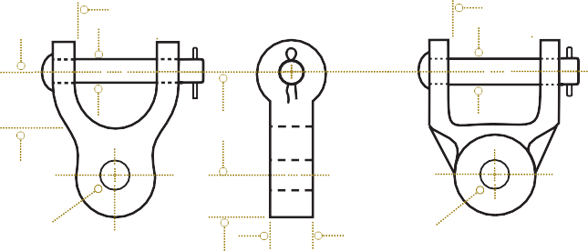
 |  |  |  |  |  | 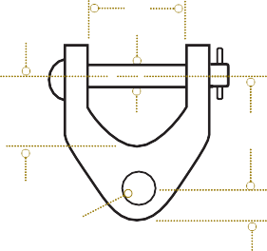

Table 6
A 10
Hardware Fittings — Ductile Iron
Y-Clevis Eye
DUCTILE IRON
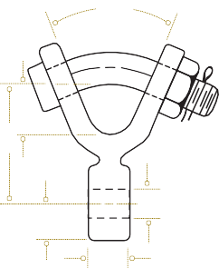
45° PD
B
L
R
Dia
W
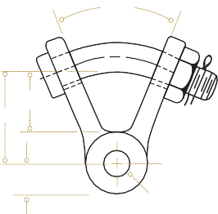
45° PD
L
B
R
Dia
YCS
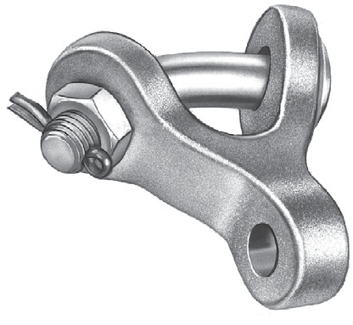 Y-clevis eyes are primarily used to attach clamping devices to yoke plates or other associated hardware in a bundle conductor assembly. The bent bolt in the Y-section provides an additional point of articulation within an assembly. Material: Body – galvanized ductile iron Hardware – galvanized steel Cotter Pin – stainless steel
Figure 1 YCS Figure 2 YCS90
Product Data
Catalog Number | Figure Number | Ultimate Strength lb (kN) | Dimensions Inches (mm) |  |  |  |  |  | Approx Wt Each lb (kg)
 |  |  | B | L | W | R | PD | Diameter
YCS04 | 1 | 19,000 (85) | 13/8 (34.9) | 213/16 (71.4) | 1/2 (12.7) | 13/16 (20.6) | 3/4 (19.1) | 11/16 (17.5) | 1.75 (.79)
YCS0490 | 2 | 19,000 (85) | 15/8 (41.3) | 27/16 (62) | 1/2 (12.7) | 13/16 (20.6) | 3/4 (19.1) | 11/16 (17.5) | 1.75 (.79)
YCS04034 | 1 | 19,000 (85) | 13/4 (44.5) | 31/2 (88.9) | 1/2 (12.7) | 13/16 (20.6) | 3/4 (19.1) | 11/16 (17.5) | 2.7 (1.22)
854502000(1) | 1 | 30,000 (133) | 11/2 (38.1) | 33/4 (95.3) | 5/8 (15.9) | 25/32 (19.8) | 3/4 (19.1) | 11/16 (17.5) | 2.0 (.91)
854512000(1) | 2 | 30,000 (133) | 11/2 (38.1) | 33/4 (95.3) | 5/8 (15.9) | 25/32 (19.8) | 3/4 (19.1) | 11/16 (17.5) | 2.0 (.91)
YCS05 | 1 | 20,000 (89) | 13/8 (34.9) | 213/16 (71.4) | 5/8 (15.9) | 13/16 (20.6) | 3/4 (19.1) | 11/16 (17.5) | 1.85 (.84)
YCS0590 | 2 | 20,000 (89) | 15/8 (41.3) | 27/16 (62) | 5/8 (15.9) | 13/16 (20.6) | 3/4 (19.1) | 11/16 (17.5) | 1.85 (.84)
YCS059030 | 2 | 30,000 (133) | 15/8 (41.3) | 27/16 (62) | 5/8 (15.9) | 7/8 (22.2) | 3/4 (19.1) | 11/16 (17.5) | 1.85 (.84)
YCS06 | 1 | 25,000 (111) | 13/8 (34.9) | 213/16 (71.4) | 3/4 (19.1) | 13/16 (20.6) | 3/4 (19.1) | 11/16 (17.5) | 1.90 (.86)
YCS0690 | 2 | 25,000 (111) | 15/8 (41.3) | 27/16 (62) | 3/4 (19.1) | 13/16 (20.6) | 3/4 (19.1) | 11/16 (17.5) | 1.90 (.86)
YCS069040 | 2 | 40,000 (178) | 2 (50.8) | 35/16 (84.1) | 3/4 (19.1) | 1 (25.4) | 7/8 (22.2) | 13/16 (20.6) | 3.4 (1.54)
YCS07 | 1 | 30,000 (133) | 13/8 (34.9) | 213/16 (71.4) | 7/8 (22.2) | 13/16 (20.6) | 3/4 (19.1) | 11/16 (17.5) | 1.90 (.86)
YCS10 | 1 | 30,000 (133) | 13/8 (34.9) | 213/16 (71.4) | 1 (25.4) | 13/16 (20.6) | 3/4 (19.1) | 11/16 (17.5) | 1.95 (.88)
YCS1090 | 2 | 30,000 (133) | 15/8 (41.3) | 27/16 (62) | 1 (25.4) | 13/16 (20.6) | 3/4 (19.1) | 11/16 (17.5) | 1.95 (.88)
YCS10590 | 2 | 30,000 (133) | 15/8 (41.3) | 27/16 (62) | 11/16 (27.1) | 13/16 (20.6) | 3/4 (19.1) | 11/16 (17.5) | 2.00 (.91)
(1) Forged Steel Body

Table 7
Hardware Fittings — Ductile Iron
Y-Clevis Eye
A 11
Product Data (continued)
Catalog Number | Figure Number | Ultimate Strength lb (kN) | Dimensions Inches (mm) |  |  |  |  |  | Approx Wt Each lb (kg)
 |  |  | B | L | W | R | PD | Diameter
YCS1059013 | 2 | 30,000 (133) | 15/8 (41.3) | 27/16 (62) | 11/16 (27.1) | 13/16 (20.6) | 3/4 (19.1) | 13/16 (20.6) | 2.00 (.91)
YCS11 | 1 | 30,000 (133) | 13/8 (34.9) | 213/16 (71.4) | 11/8 (28.6) | 13/16 (20.6) | 3/4 (19.1) | 11/16 (17.5) | 2.00 (.91)
YCS119045 | 2 | 45,000 (200) | 11/16 (27) | 29/16 (65.1) | 11/8 (28.6) | 29/32 (23) | 7/8 (22.2) | 13/16 (20.6) | 2.50 (1.13)
YCS1290 | 2 | 30,000 (133) | 15/8 (41.3) | 27/16 (62) | 11/4 (31.8) | 13/16 (20.6) | 3/4 (19.1) | 11/16 (17.5) | 2.50 (1.13)
YCS129040 | 2 | 40,000 (178) | 19/16 (39.7) | 23/8 (60.3) | 11/4 (31.8) | 13/16 (20.6) | 7/8 (22.2) | 13/16 (20.6) | 2.50 (1.13)
YCS1390 | 2 | 30,000 (133) | 15/8 (41.3) | 27/16 (62) | 13/8 (34.9) | 13/16 (20.6) | 3/4 (19.1) | 11/16 (17.5) | 2.25 (1.02)
YCS1690 | 2 | 30,000 (133) | 15/8 (41.3) | 27/16 (62) | 13/4 (44.5) | 13/16 (20.6) | 3/4 (19.1) | 11/16 (17.5) | 2.30 (1.04)
YCS169040 | 2 | 40,000 (178) | 19/16 (39.7) | 23/8 (60.3) | 13/4 (44.5) | 13/16 (20.6) | 7/8 (22.2) | 13/16 (20.6) | 2.50 (1.13)
YCS2090 | 2 | 30,000 (133) | 15/8 (41.3) | 27/16 (62) | 2 (50.8) | 13/16 (20.6) | 3/4 (19.1) | 11/16 (17.5) | 2.75 (1.25)
YCS209040 | 2 | 40,000 (178) | 19/16 (39.7) | 23/8 (60.3) | 2 (50.8) | 13/16 (20.6) | 7/8 (22.2) | 13/16 (20.6) | 3.00 (1.36)
YCS219013 | 2 | 30,000 (133) | 15/8 (41.3) | 27/16 (62) | 21/8 (54) | 13/16 (20.6) | 3/4 (19.1) | 13/16 (20.6) | 3.00 (1.36)
YCS2290 | 2 | 30,000 (133) | 15/8 (41.3) | 27/16 (62) | 21/4 (57.2) | 13/16 (20.6) | 3/4 (19.1) | 11/16 (17.5) | 2.75 (1.25)
YCS2490 | 2 | 30,000 (133) | 15/8 (41.3) | 27/16 (62) | 21/2 (63.5) | 13/16 (20.6) | 3/4 (19.1) | 11/16 (17.5 | 3.00 (1.36)
YCS269040 | 2 | 40,000 (178) | 19/16 (39.7) | 23/8 (60.3) | 23/4 (69.9) | 13/16 (20.6) | 7/8 (22.2) | 13/16 (20.6) | 3.45 (1.47)
YCS269050 | 2 | 50,000 (222) | 15/8 (41.3) | 29/16 (65) | 23/4 (69.9) | 1 (25.4) | 7/8 (22.2) | 11/16 (27.0) | 4.10 (1.79)

Table 8
A 12
Hardware Fittings — Ductile Iron
Clevis Clevis
DUCTILE IRON
CCC
Clevis clevises are used to attach clevis tongue insulators to various associated hardware within an insulator string.
Material: Body – galvanized ductile iron Clevis Pin – galvanized steel Cotter Pin – stainless steel

Type CCC Type CCC90
Product Data
Catalog Number | Ultimate Strength lb (kN) | Dimensions Inches (mm) |  |  |  |  |  | Approx Weight Each lb (kg)
 |  | L | B | C | W | D | PD
CCC25 | 25,000 | 3 | 11/16 | 11/2 | 11/16 | 13/16 | 5/8 | 2.5
 | (111) | (76.2) | (27) | (38.1) | (17.5) | (30.2) | (15.9) | (1.13)
CCC30 | 30,000 | 4 | 13/4 | 13/4 | 7/8 | 7/8 | 5/8 | 2.5
 | (133) | (101.6) | (44.5) | (44.5) | (22.2) | (22.2) | (15.9) | (1.13)
CCC30115 | 30,000 | 4 | 2 | 11/2 | 13/16 | 7/8 | 5/8 | 3.0
 | (133) | (101.6) | (50.8) | (38.1) | (30.2) | (22.2) | (15.9) | (1.36)
CCC3090 | 30,000 | 3 | 13/8 | 13/8 | 7/8 | 7/8 | 5/8 | 2.5
 | (133) | (76.2) | (34.9) | (34.9) | (22.2) | (22.2) | (15.9) | (1.13)
CCC309055 | 30,000 | 51/2 | 13/4 | 13/4 | 15/16 | 15/16 | 5/8 | 5.7
 | (133) | (139.7) | (44.5) | (44.5) | (23.8) | (23.8) | (15.9) | (2.59)
CCC40 | 40,000 | 4 | 13/4 | 13/4 | 7/8 | 7/8 | 3/4 | 3.2
 | (178) | (101.6) | (44.5) | (44.5) | (22.2) | (22.2) | (19.1) | (1.45)
CCC4090 | 40,000 | 31/2 | 11/2 | 11/2 | 7/8 | 7/8 | 3/4 | 3.2
 | (178) | (88.9) | (38.1) | (38.1) | (22.2) | (22.2) | (19.1) | (1.45)
CCC50 | 50,000 | 41/2 | 2 | 2 | 1 | 1 | 3/4 | 4.0
 | (222) | (114.3) | (50.8) | (50.8) | (25.4) | (25.4) | (19.1) | (1.81)
CCC5090 | 50,000 | 41/2 | 2 | 2 | 1 | 1 | 3/4 | 4.0
 | (222) | (114.3) | (50.8) | (50.8) | (25.4) | (25.4) | (19.1) | (1.81)
CCC80BNK | 80,000 (356) | 51/8 (130.2) | 21/4 (57.2) | 21/4 (57.2) | 15/8 (41.3) | 11/4 (31.8) | (1) | 6.0 (2.72)
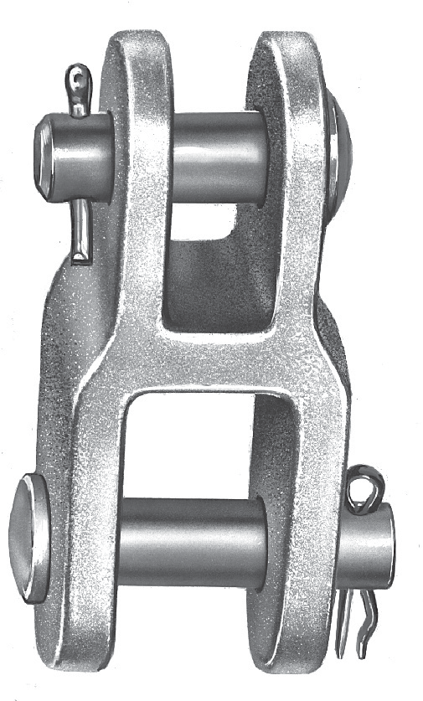
NOTE: Bolt and nut may be substituted for clevis pin by adding suffix “BNK” to catalog number. (1) Furnished with bolt, nut and cotter pin; 1.0 in diameter bolt at “D” opening, 11/8 in diameter bolt at “W” opening.

D
PD
C
L
B
W
 |  |  |  |  |  | 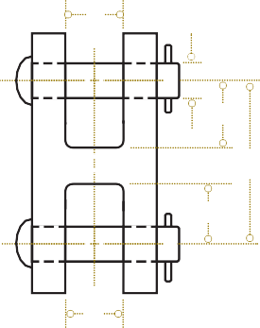

Table 9
Hardware Fittings — Ductile Iron
A 13
Y-Clevis Clevis
Y-clevis clevises are used to attach clevis tongue insulators to various associated hardware within an insulator string. The bent bolt in the Y-clevis section provides an additional point of articulation within an assembly.
45° BD
DUCTILE IRON
C
L
B
PD
Material: Body – galvanized ductile iron
Hardware – galvanized steel
D
YCC
Type YCC90 Type YCC
Product Data
Catalog Number | Ultimate Strength lb (kN) |  | Dimensions Inches (mm) |  |  |  |  |  | Approx Wt Each lb (kg)
 |  |  | D | L | B | C | PD | BD
YCC30 | 30,000 |  | 7/8 | 31/4 | 13/8 | 13/8 | 5/8 | 3/4 | 2.5
 | (133) |  | (22.2) | (82.6) | (34.9) | (34.9) | (15.9) | (19.1) | (1.13)
YCC3090 | 30,000 |  | 7/8 | 31/4 | 13/8 | 11/2 | 5/8 | 3/4 | 2.5
 | (133) |  | (22.2) | (82.6) | (34.9) | (38.1) | (15.9) | (19.1) | (1.13)
Corona Free Clevis Corona free clevis clevises are used at EHV levels to attach clevis tongue insulators to various associated hardware within an insulator string. Material: Body – galvanized ductile iron Clevis Pin – galvanized steel Cotter Pin – stainless steel |  |  |  |  |  |  |  |  |  | DUCTILE IRON
CFCC

Type CFCC Type CFCC90
Product Data

D
PD
C
L
B
PD
W
D
PD
C
L
B
PD
W
 |  |  |  |  | 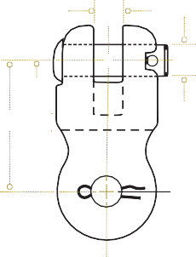
 |  |  |  |  |  |  | 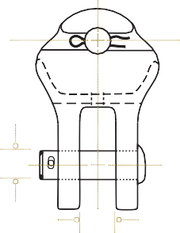
 | 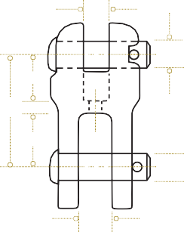

Catalog Number | Ultimate Strength lb (kN) | Dimensions Inches (mm) |  |  |  |  |  |  | Approx Wt Each lb (kg)
 |  | L |  | B | C | W | D | PD
CFCC30 | 30,000 | 31/8 |  | 119/32 | 17/32 | 7/8 | 11/16 | 5/8 | 3.00
 | (133) | (79.4) |  | (40.5) | (31) | (22.2) | (17.5) | (15.9) | (1.36)
CFCC3090 | 30,000 | 31/8 |  | 119/32 | 17/32 | 7/8 | 11/16 | 5/8 | 3.00
 | (133) | (79.4) |  | (40.5) | (31) | (22.2) | (17.5) | (15.9) | (1.36)
CFCC40 | 40,000 | 31/4 |  | 13/4 | 13/16 | 7/8 | 15/16 | 3/4 | 4.75
 | (178) | (82.6) |  | (44.5) | (30.2) | (22.2) | (23.8) | (19.1) | (2.15)
CFCC4090 | 40,000 | 31/4 |  | 13/4 | 13/16 | 7/8 | 15/16 | 3/4 | 4.75
 | (178) | (82.6) |  | (44.5) | (30.2) | (22.2) | (23.8) | (19.1) | (2.15)

Table 10
A 14
Hardware Fittings — Forged Steel
Ball Clevis
FORGED STEEL
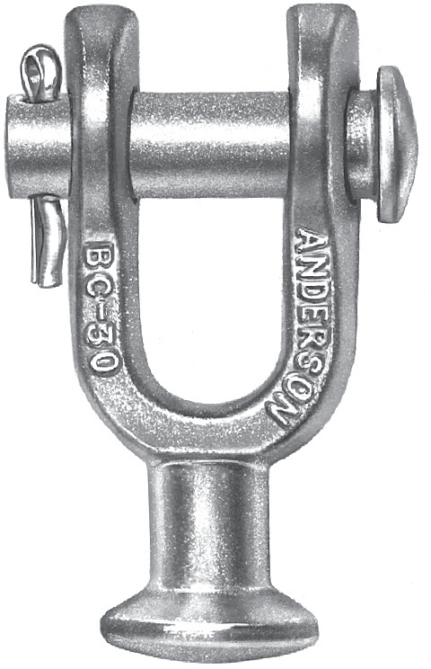
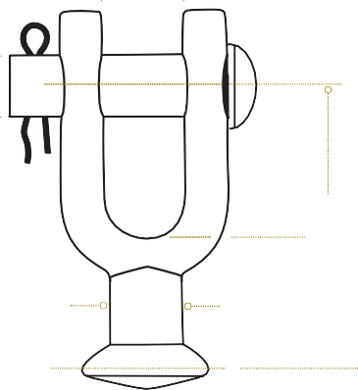
W
PD
B
L
T Dia
BC
Ball clevises are used to attach ball and socket insulators to other associated tower hardware. Material: Body – galvanized steel Clevis Pin – galvanized steel Cotter Pin – stainless steel
Product Data
Catalog Number | Ultimate Strength lb (kN) | Dimensions Inches (mm) |  |  |  |  | Approx Wt Each lb (kg)
 |  | L | B | W | PD | T Diameter
BC30 | 30,000 | 27/8 | 19/16 | 15/16 | 5/8 | 23/32 | 0.95
 | (133) | (73) | (39.7) | (23.8) | (15.9) | (18.3) | (0.43)
BC50(1) | 50,000 | 45/16 | 115/16 | 15/16 | 7/8 | 57/64 | 2.3
 | (222) | (109.5) | (49.2) | (23.8) | (22.2) | (22.6) | (1.04)
704882000 | 30,000 | 315/16 | 21/2 | 13/16 | 5/8 | 23/32 | 1.24
 | (133) | (100) | (63.5) | (20.6) | (15.9) | (18.3) | (0.56)
704883003(2) | 30,000 | 315/16 | 21/2 | 13/16 | 5/8 | 23/32 | 1.34
 | (133) | (100) | (63.5) | (20.6) | (15.9) | (18.3) | (0.61)
NOTE: For use with class 52-3 and 52-5 insulators per ANSI Spec. C-29.2-71. Bolt and nut may be substituted for clevis pin by adding suffix “BNK” to catalog number. (1) For use with class 52-8 and 52-11 insulators per ANSI Spec. C-29.2-71. (2) This item furnished with bolt, nut and cotter key.

Table 11
Hardware Fittings — Forged Steel
Ball Y-Clevis
A 15
FORGED STEEL
YBC
Ball Y-clevises are used to attach ball and socket insulators to other associated hardware. The bent bolt in the Y-clevis section provides an additional point of articulation. Material: Body – galvanized steel Clevis Pin – galvanized steel Cotter Pin – stainless steel B L |  |  |  |  | 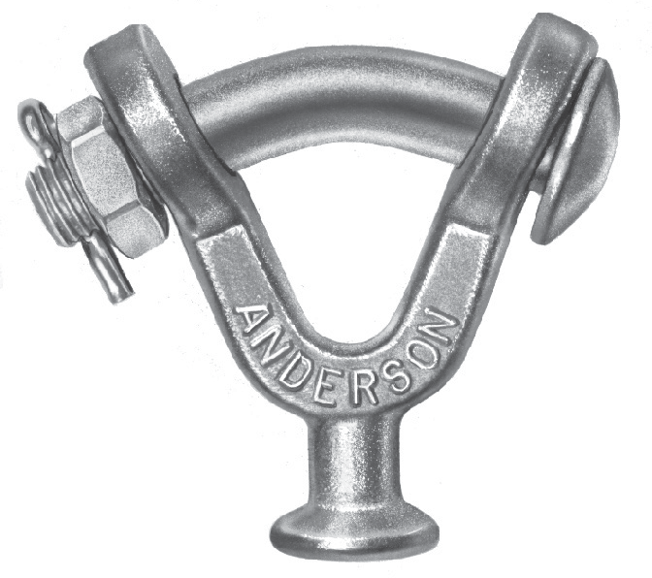 45° PD R T Dia
Product Data
Catalog Number | Ultimate Strength lb (kN) | Dimensions Inches (mm) |  |  |  |  | Approx Wt Each lb (kg)
 |  | L | B | R | PD | T Diameter
YBC30 | 30,000 | 33/32 | 11/2 | 0.406 | 3/4 | 23/32 | 1.90
 | (133) | (78.5) | (35.1) | (13.5) | (19.1) | (18.3) | (0.86)
YBC50(1) | 50,000 | 315/16 | 113/16 | 0.531 | 7/8 | 57/64 | 2.80
 | (222) | (100.2) | (46) | (10.3) | (22.2) | (22.6) | (1.27)
NOTE: For use with class 52-3 and 52-5 insulators per ANSI Spec. C-29.2-71. (1) For use with class 52-8 and 52-11 insulators per ANSI Spec. C-29.2-71.

Table 12
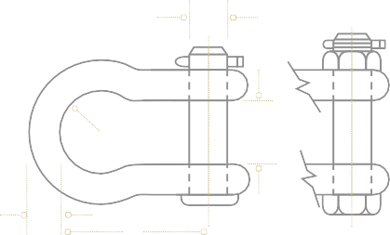
A 16
Hardware Fittings — Forged Steel
Anchor Shackle
Anchor shackles are used to attach hardware to the tower pad. Back to back anchor shackles are commonly used at the tower attachment point to orient the plane of
FORGED STEEL
PD
the tower plate and the balance of the insulator hardware.
R
W
B
Material: Body – galvanized steel
Hardware – galvanized steel
Cotter Pin – stainless steel
L
* Type BNK
T
C
AS
Product Data

Catalog Number | Ultimate Strength lb (kN) | Dimensions Inches (mm) |  |  |  |  |  |  | Approx Wt Each lb (kg)
 |  | L | B | W | C | T | R | PD
AS25 | 30,000 | 23/8 | 5/8 | 7/8 | 13/8 | 1/2 | 11/16 | 5/8 | 0.74
 | (133) | (60.3) | (15.9) | (22.2) | (34.9) | (12.7) | (17.56) | (15.9) | (0.34)
AS25BNK | 30,000 | 23/8 | 5/8 | 7/8 | 13/8 | 1/2 | 11/16 | 5/8 | 0.86
 | (133) | (60.3) | (15.9) | (22.2) | (34.9) | (12.7) | (17.5) | (15.9) | (0.39)
AS25L | 30,000 | 225/32 | 5/8 | 7/8 | 13/8 | 1/2 | 21/32 | 5/8 | 1.00
 | (133) | (70.6) | (15.9) | (22.2) | (34.9) | (12.7) | (16.7) | (15.9) | (0.45)
AS25LBNK | 30,000 | 225/32 | 5/8 | 7/8 | 13/8 | 1/2 | 21/32 | 5/8 | 1.12
 | (133) | (70.6) | (15.9) | (22.2) | (34.9) | (12.7) | (16.7) | (15.9) | (0.51)
AS25WBNK | 30,000 | 3 | 5/8 | 13/4 | 111/16 | 5/8 | 1 | 5/8 | 1.65
 | (133) | (76.2) | (15.9) | (44.5) | (42.9) | (15.9) | (25.4) | (15.9) | (0.75)
AS35 | 35,000 | 225/32 | 11/16 | 11/16 | 111/16 | 5/8 | 3/4 | 3/4 | 1.47
 | (156) | (70.6) | (17.5) | (27) | (42.9) | (15.9) | (19.1) | (19.1) | (0.67)
AS35BNK | 40,000 | 225/32 | 11/16 | 11/16 | 111/16 | 5/8 | 3/4 | 3/4 | 1.66
 | (178) | (70.6) | (17.5) | (27) | (42.9) | (15.9) | (19.1) | (19.1) | (0.75)
AS50 | 50,000 | 31/2 | 7/8 | 7/8 | 17/8 | 3/4 | 3/4 | 3/4 | 2.25
 | (222) | (88.9) | (22.2) | (22.2) | (47.6) | (19.1) | (19.1) | (19.1) | (1.02)
AS50BNK | 60,000 | 31/2 | 7/8 | 7/8 | 17/8 | 3/4 | 3/4 | 3/4 | 2.44
 | (267) | (88.9) | (22.2) | (22.2) | (47.6) | (19.1) | 19.1 | (19.1) | (1.11)
970303001 | 60,000 | 5 | 5/8 | 11/8 | 17/8 | 3/4 | 9/16 | 3/4 | 2.4
 | (267) | (127) | (15.9) | (28.6) | (47.6) | (19.1) | (14.3) | (19.1) | (1.10)
970303002(1) | 60,000 | 5 | 5/8 | 11/8 | 17/8 | 3/4 | 9/16 | 3/4 | 2.5
 | (267) | (127) | (15.9) | (28.6) | (47.6) | (19.1) | (14.3) | (19.1) | (1.13)
AS50W | 50,000 | 31/2 | 7/8 | 11/4 | 115/16 | 3/4 | 1 | 7/8 | 2.25
 | (222) | (88.9) | (22.2) | (31.8) | (49.2) | (19.1) | (25.4) | (22.2) | (1.02)
AS50WBNK | 60,000 | 31/2 | 7/8 | 11/4 | 115/16 | 3/4 | 1 | 7/8 | 2.75
 | (267) | (88.9) | (22.2) | (31.8) | (49.2) | (19.1) | (25.4) | (22.2) | (1.25)
AS50WLBNK | 60,000 (267) | 5 (127) | ¾ (19.1) | 1.31 (33.3) | 1.87 (47.5) | ¾ (19.1) | 1 (25.4) | 7/8 (22.2) | 3.0 (1.36)
AS60BNK | 80,000 | 33/4 | 7/8 | 17/16 | 21/8 | 7/8 | 11/8 | 1 | 4.31
 | (356) | (95.3) | (22.2) | (36.5) | (54) | (22.2) | (28.6) | (25.4) | (1.96)
AS60875BNK | 80,000 | 33/4 | 7/8 | 17/16 | 21/8 | 7/8 | 11/8 | 7/8 | 4.10
 | (356) | (95.3) | (22.2) | (36.5) | (54) | (22.2) | (28.6) | (22.2) | (1.86)
974153001(1) | 120,000 | 6 | 1 | 11/2 | 23/8 | 1 | 11/16 | 11/8 | 6.20
 | (534) | (152.4) | (25.4) | (38.1) | (60.3) | (25.4) | (27) | (28.6) | (2.81)

