Sheet1
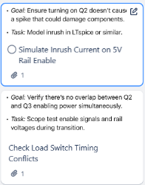
1. Hardware/ Simulation required.

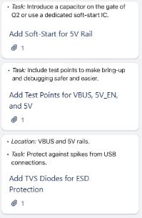
1. Soft-Start IC(TPS22976) 2. TP can be implemented in Design. 3. TVS Diode-PESD5V0S1UL

1. TPS2115A( To handle switching sand preventing reverse current) Schotky diode in series with VBUS.

Series resistor(100-330) to gate for inrush protect and zener(10-15V) between gate and source Gate driver IC-UCC21520

