3.Create IAM Users
Let’s start with creation of the users in Amazon IAM.

1. Login to AWS Console. Select an AWS Region where AWS Lake Formation is available. The workshop is using the Paris region.
2. Goto IAM Management Console. Click on the Users menu in the left and then click on the Add user button.

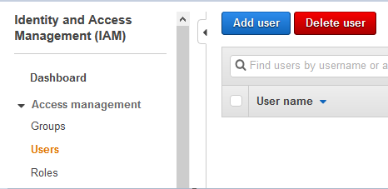

3. On the next screen, click on Add another user link to add another User name field. Type in user names as salesuser and customersuser. Select AWS Management Console access as the Access type. Select Custom password option for the Console password. Type in the password you want for both users. Make sure you uncheck the Users must create a new password at next sign-in option. Finally click on the Next: Permission button.

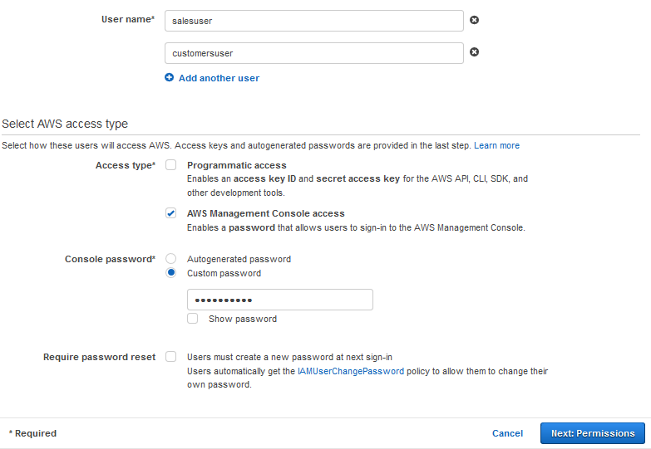

Important Note: Please make sure you remember the user password because you will need that to login later in the workshop.

4. On the next screen, you select Attach existing policies directly for the Set permissions. The select AmazonS3FullAccess, AmazonAthenaFullAccess, CloudWatchLogsReadOnlyAccess, AWSCloudFormationReadOnlyAccess and AWSGlueConsoleFullAccess as the policies. Then click on the Next: Tags button.

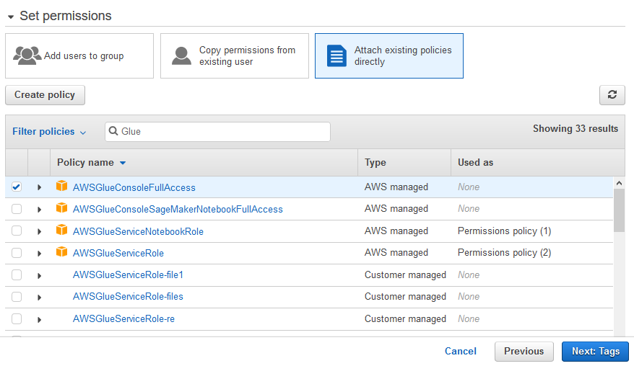

Click on the Next: Review button on the next screen.

Click on the Create users button on the next screen.

The users are created in no time. Please make note of the console sign-in URL. You need this URL to login as the salesuser and customersuser users later. The URL is in the format - https://<AWS-ACCOUNT_NUMBER>.signin.aws.amazon.com/console.

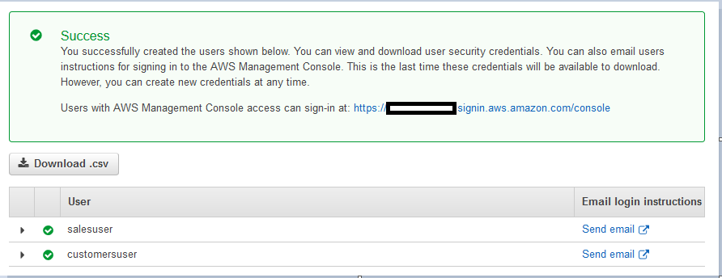

Next we create an IAM role which is used by the AWS Glue Crawler.

4. Create IAM Role
You now create IAM Role which is used by the AWS Glue crawler to catalog data for the data lake which will be stored in Amazon S3.

1. Go to IAM Management Console. Click on the Roles menu in the left side and then click on the Create role button.

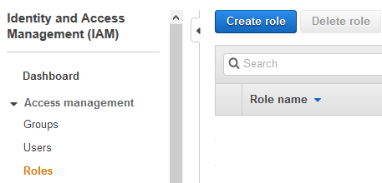

2. On the next screen, select Glue as the AWS Service. Click on the Next: Permission button.
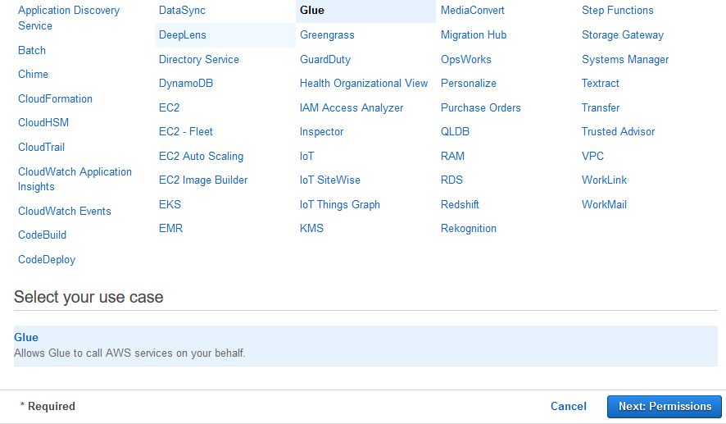

3. On the next screen, Select PowerUserAccess as the policies. The workshop is using this policy to simplify the authorization. However, in the production implementation, you select minimum required permission to the AWS Services to be used by the crawler. Click on the Next: Tags button.

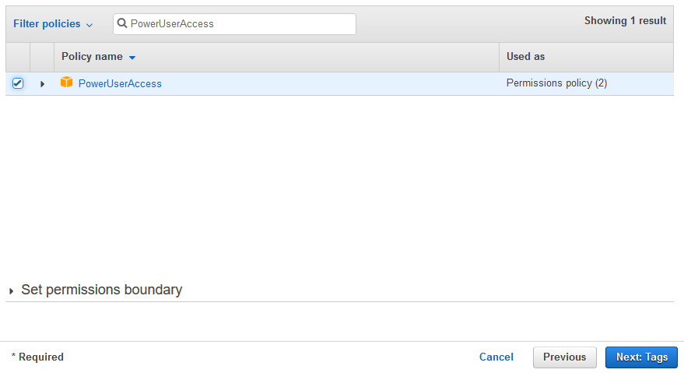

4.Click on the Next: Review button on the next screen.

5.On the next screen, enter the Role name as dojocrawlerrole and click on the Create role button.
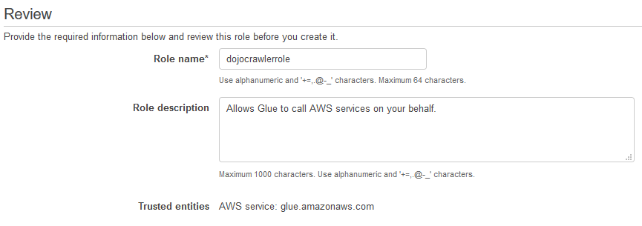

6.The role is created in no time.

5.Create S3 Bucket
You can create Amazon S3 bucket and upload data for the data lake. For this workshop, you are uploading data manually but in actual production usage the data is uploaded using data ingestion services / pipeline such as AWS Glue, Amazon Kinesis etc. Since the focus of the workshop is building the data lake, it keeps the data ingestion out of scope.

1. Goto S3 Management console, use + Create bucket button to create a new bucket with name dojo-datalake. If the bucket name is not available, then use a different name which is available. Please make sure the bucket is created in the same region which you choose to work on for this workshop.

2.Click on the dojo-datalake bucket to open it. Within the dojo-datalake, create two folders data and script using the + Create folder button. The data folder is used to keep the data lake data while the script folder is used by Amazon Athena which will be explained later.

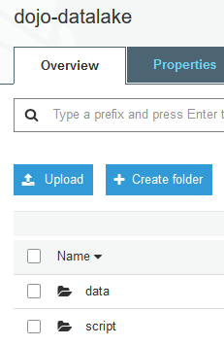

3.Click on the data folder to open it. Within the data folder, create two folders customers and sales using the + Create folder button.
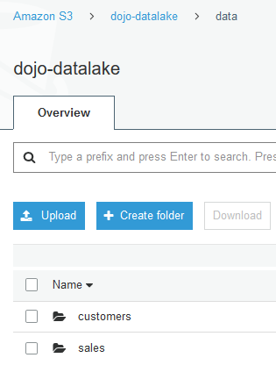

Click to open customers and sales folders one by one and upload customers.csv and sales.csv files in the customers and sales folders respectively. Use Upload button to upload the files. The customers.csv and sales.csv files are available for download using the following links -

sales.csv

customers.csv

The data is ready. Let’s start with the data lake configuration.

6.Configure Data Lake
The data is ready in Amazon S3 bucket. Let’s start configuration of the data lake. In data lake, you create a database and configure it with Amazon S3 bucket location. A database is used to organize data catalog tables in the data lake. You will later configure crawler to automatically create the data catalog tables in the data lake.

1. Open the AWS Lake Formation console. If you are using Lake Formation for the first time in the region, it will ask you to create a data lake administrator. A data lake administrator is an IAM user or IAM role that performs administrative tasks on the data lake. For the first time user, it will popup a message to add administrators. Click on the Add administrators button to create administrators for your Data Lake.

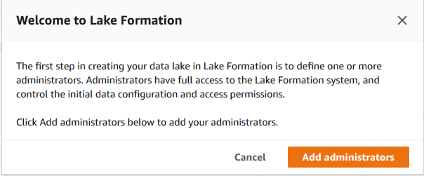

2.Select your AWS logged-in IAM user from the drop down list. For the rest of workshop, the user will be considered as a data lake administrator and will have full access to the data lake. Click on the Save button.
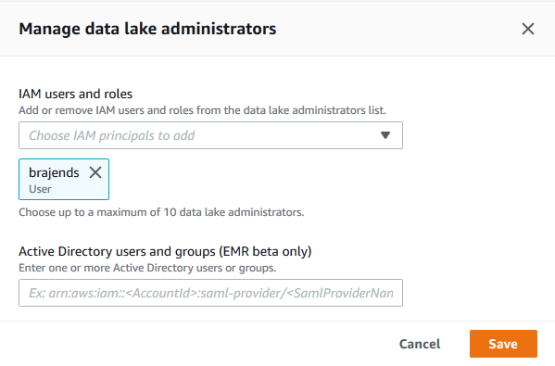

Note: if you did not get the popup then that means the data lake already has an administrator. You can check that by clicking on the “Admins and database creators” menu in the left. If you see that your logged-in IAM username is listed as the “Data lake Adminstrator” then you are ok to move to the next step. Otherwise, click on the “Grant” button to add “your AWS logged-in IAM user” as the administrator of the data lake.

3.After adding the administrator, you will create the database. On the AWS Lake Formation console, click on the Databases option on the left menu and then click on Create database button.

4.On the next screen, enter dojodb as the Name. On the Location box, select the S3 data lake path as s3://dojo-datalake/data. If you created the bucket with different name, then you replace dojo-datalake part with that name. Make sure you Uncheck the option - Use only IAM access control for new tables in this database. Leave rest of the options as default and click on Create database button.

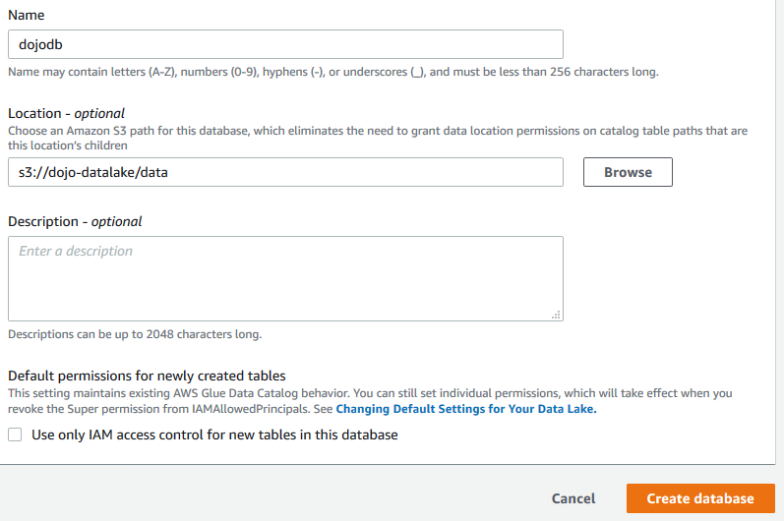

5.The database is added in no time. Now register the Amazon S3 bucket as your data lake storage. In the navigation pane, choose Data lake locations, and then choose Register location.

6.Enter a path to the existing S3 bucket s3://dojo-datalake/data. If you created the bucket with a different name, then you replace dojo-datalake part with that name. For the IAM role, select the AWSServiceRoleForLakeFormationDataAccess role. Click Register location to save it.

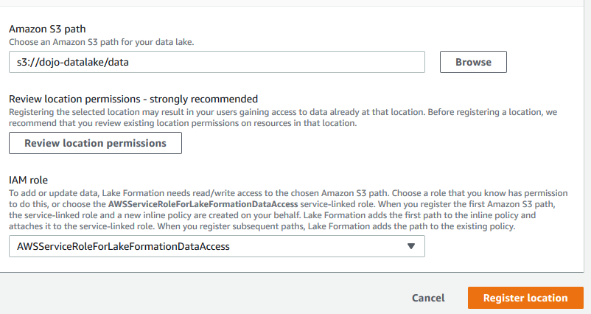

7.It is time to use crawler to catalog the data in the database.

7.Configure and Run Crawler
One of the fundamental principle of building the data lake is that every data in the data lake should be catalogued. The catalog is automated using crawlers in AWS Glue. The crawler uses role based authorization to create catalog in the data lake database. You created an IAM Role dojocrawlerrole in the earlier task which the crawler will use to create data catalog in the database. You need to assign database permission for this role. After the permission configuration, you will create and run crawler to catalog the data.

1.Open the AWS Lake Formation console, click on the Databases option on the left. You will see dojodb database listed.

2.Select the dojodb database and click on the Grant menu option under the Action dropdown menu.
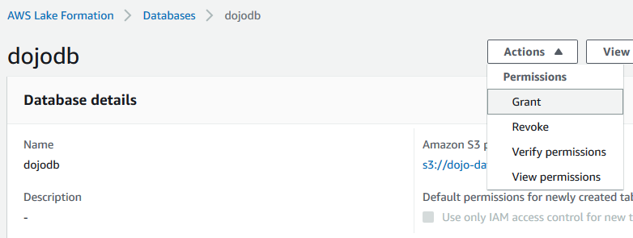

3.On Grant permissions screen, select dojocrawlerrole for the IAM users and roles field. Select only Create table and Alter permissions for the Database permissions. Then click on the Grant button. It means you are authorizing crawler role to be able to create and alter table in the database.

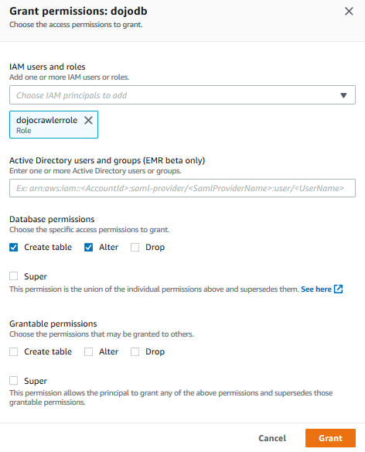

4.After assigning permission, time to configure and run crawler. Open the AWS Glue console. Click on the Crawlers menu on the left and then click on the Add crawler button.
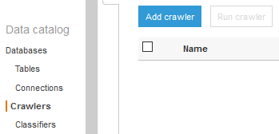

5.On the next screen, enter dojocrawler as the Crawler name and click Next.
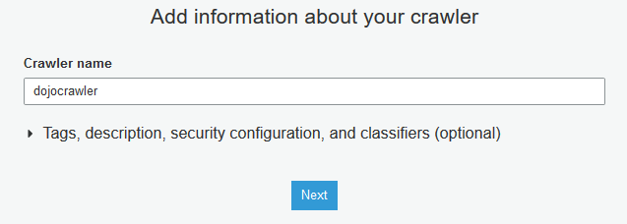

6.On the next screen, select Data stores as the Crawler source type and click Next.
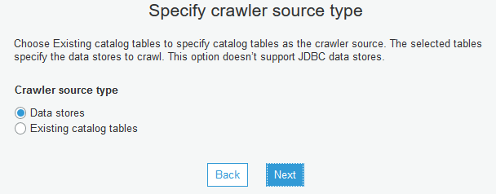

7.On the next screen, select S3 as a data store and provide the include path for the S3 bucket as s3://dojo-datalake/data. If you created the bucket with a different name, then replace dojo-datalake part with that name. Click Next.
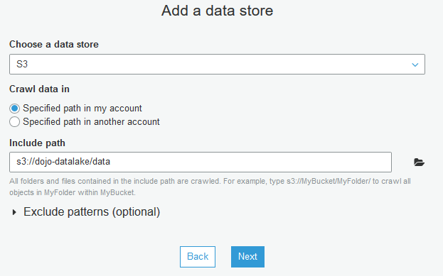

8.On the next screen, you are going to crawl only one data store, so select No from the option and click Next.
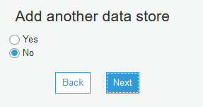

9.On the next screen, select IAM role dojocrawlerrole from the dropdown list. Click Next.
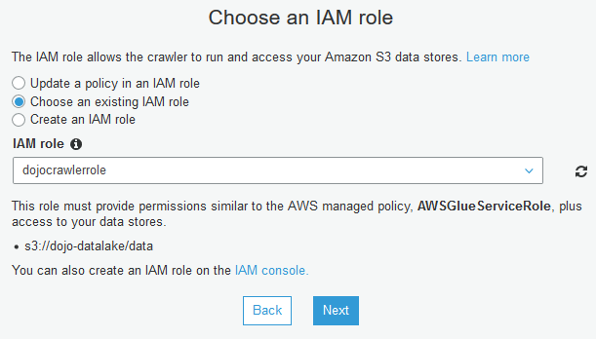

10.On the next screen, select Run on demand as the frequency and click Next. In actual production use, you generally schedule crawler run so that it automatically updates the catalog.

11.On the next screen, select dojodb as the database. Click Next.
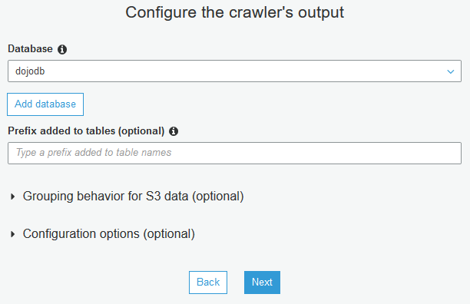

12.On the next screen, verify all crawler information on the screen and click Finish to create the crawler.
13.The crawler is created in no time. Click on Run it now? link. Alternatively, you can select the crawler and run the crawler from the Action menu.
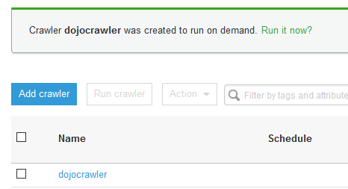

14.It may take up to a couple of minutes for the crawler to finish crawling the bucket. You should be able to see a success message that there are two tables created by the crawler in dojodb database. These are two tables for the sales and customers data in Amazon S3.

15.Go back to the AWS Lake Formation console, click on the Tables menu in the left. You can see two tables sales and customers created.
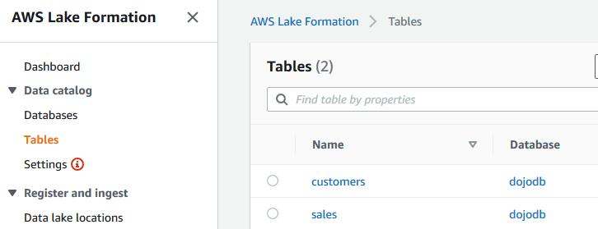

16.You can click on the tables to check the schema definition created by the crawler for the data sets. As a next step, you will provide the salesuser and customersuser users access to the tables.

8.User Permission to Catalog
The data lake is ready with the data catalog which gives access to the data stored in Amazon S3 bucket. It is time to configure access for the salesuser and customersuser users which you created in the earlier tasks. You will configure the permissions as following -

salesuser can query all the fields of the sales table only.

customersuser can query only CUSTOMERNAME, EMAIL fields of the customers table.

You do have opportunity to play more with the user permissions which is left to you.

1. On the AWS Lake Formation console, click on the Tables option on the left menu. Select the Sales table and click on the Grant menu option under the Action dropdown menu.

2. On Grant permissions screen, select salesuser for the IAM users and roles field. Choose only Select permissions from the Table permissions. Leave rest of the fields as default and then click on the Grant button. The permission for the salesuser is configured.
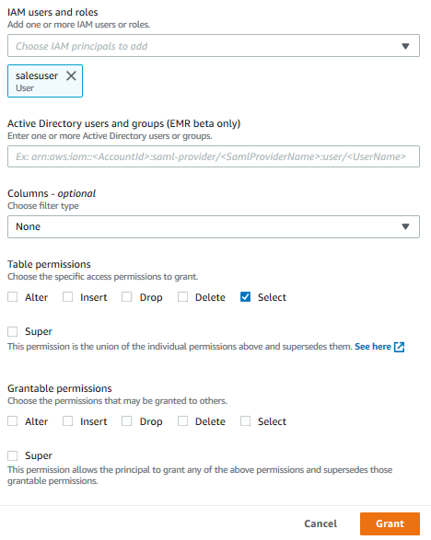

3.Next, select the customers table and click on the Grant menu option under the Action dropdown menu.

4.On Grant permissions screen, select customersuser for the IAM users and roles field. Choose Include columns for the Columns - optional field. In Include columns field, select customername and email fields. Choose only Select permissions from the Table permissions. Leave rest of the fields as default and then click on the Grant button. The permission for the customersuser is configured.

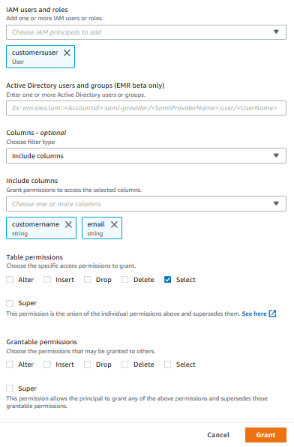

5.The user permissions are configured for both the users. You can now login as both users one by one and check their permission on the tables in the data lake.

9.Query Data
The data lake and user permissions are configured now. Let’s test it. When you created the users salesuser and customersuser, it provided a console sign-in URL https://<AWS-ACCOUNT_NUMBER>.signin.aws.amazon.com/console to login using these usernames and the password.

1. Login to AWS using the URL for the user salesuser. The username is salesuser and the password is the password you entered at the time of creating the user account.

2. Once logged in, make sure you choose the same region you used to setup the data lake. Then, go to Athena Service console. Under Query editor tab, on the left side, you can see the database dojodb and the table sales. Remember this user has permission to query this table only that is why the user can see only one table.

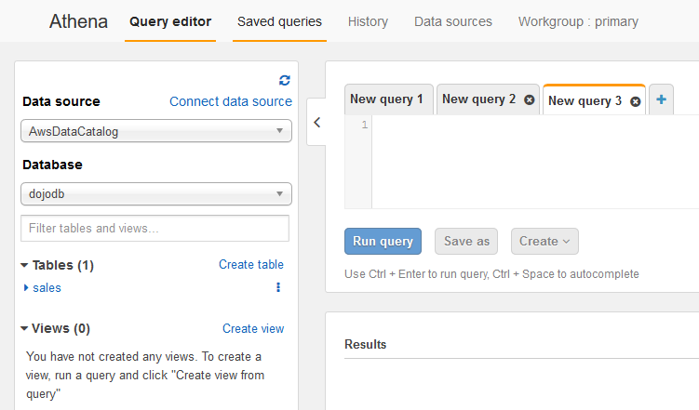

3.You can click on the table to see the schema of the table. Again the user can see all the columns.
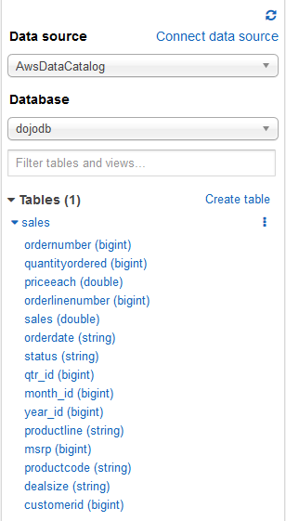

4.Before you run query, you need to configure Query result location for AWS Athena. It is an Amazon S3 bucket which Athena uses in order to execute the queries. It is configured once per user. Click on the Settings link, it will open a popup. In the popup, enter s3://dojo-datalake/script/ for the Query result location. If you created the bucket with a different name in the earlier tasks, then replace dojo-datalake name with that. Click on the Save button.

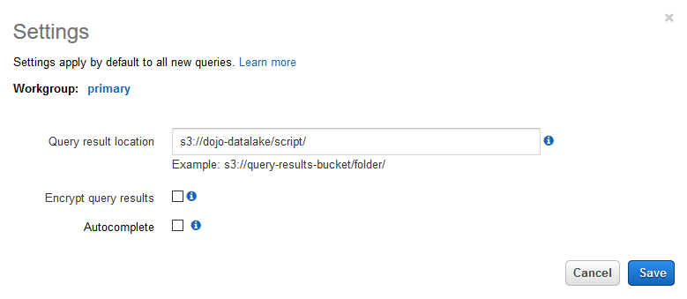

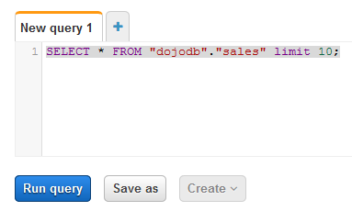
5.Run the following query in the query editor. Copy-Paste the query and click on the Run query button.

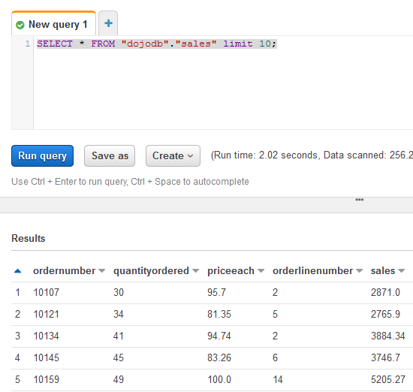
6.You can see the result in the Results panel.

7.You are free to write more queries with column selection and filter conditions.

8.Time to test the other user. Logout from the AWS console for this user. Login back to AWS using the URL for the user customersuser. The username is customersuser and the password is the password you entered at the time of creating the user account.

9.Once logged in, make sure you choose the same region you used to setup the data lake. Then go to Athena Service console. Under Query editor tab, in the left side, you can see the database dojodb and the table customers. Remember this user has permission to query this table only.

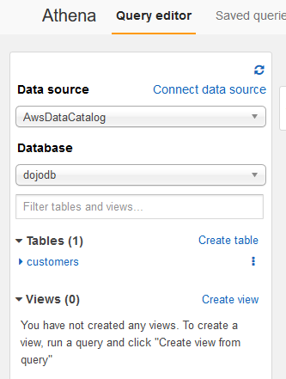

10.You can click on the table to see the schema of the table. Again the user can see only two columns for this table as per permission defined in the earlier tasks.
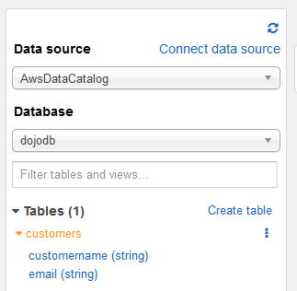

11.Before you run query, configure Query result location for AWS Athena for the customersuser also. Click on the Settings link, it will open a popup. In the popup, enter s3://dojo-datalake/script/ for the Query result location. If you created the bucket with a different name in the earlier tasks, then replace dojo-datalake name with that. Click on the Save button.

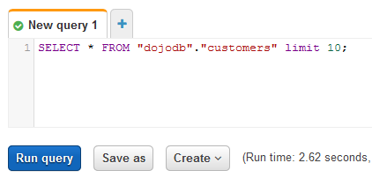
12.Run the following query in the query editor. Copy-Paste the query and click on the Run query button.

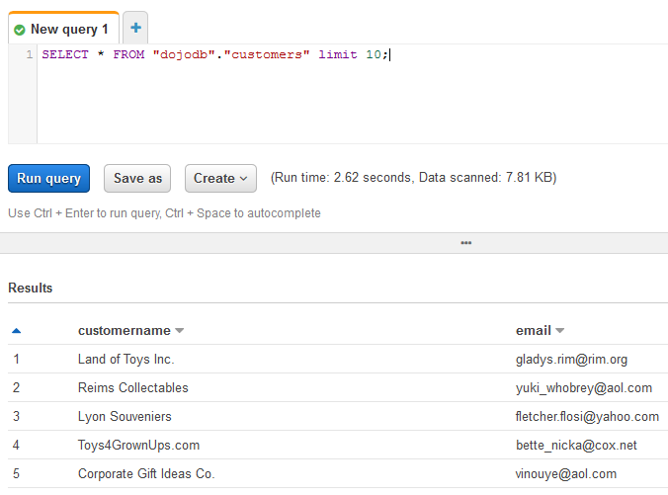
13.You can see the result in the Results panel.

14.You can try more queries. In fact, you should go back to the AWS Lake Formation to provide access to more than one table and then try to make join queries between the tables. customers and sales tables have customerid as the common key.
15.Great and congratulations for finishing the workshop. Please go to the next task to clean the AWS account so that you don’t incur any further cost.

