E01
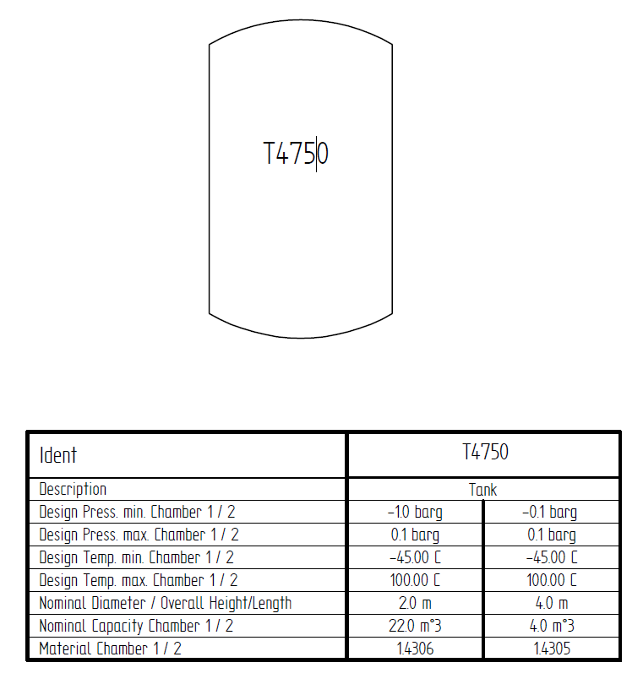
Tank T100
E01
 |  | FROM
 |  | AUD | AVV | ING | SAG | VTT | XVT
TO | AUD
 | AVV
 | ING
 | SAG
 | VTT
 | XVT
 | DXI/HUV/EVO

E01V01
 |  | FROM
 |  | AUD | AVV | ING | SAG | VTT | XVT
TO | AUD
 | AVV
 | ING
 | SAG
 | VTT
 | XVT
 | DXI/HUV/EVO

