Flow Diagram
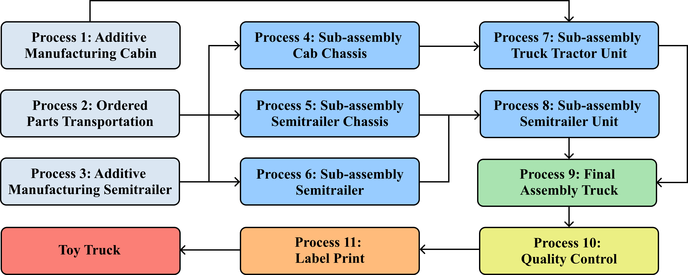

Normalised Results
Environmental Footprint Category | Total impact | DE: Diesel mix at refinery | DE: Electricity Additive Manufacturing Cabin | DE: Electricity Additive Manufacturing Semitrailer | DE: Electricity Sub-assembly Truck Tractor Unit | DE: Electricity Final Assembly Truck | DE: Electricity Sub-assembly Semitrailer Unit | GLO: Truck, Euro 0 - 6 mix, up to 7.5t gross weight | GLO: polylactic acid production, granulate | GLO: polylactic acid production, granulate
EF 3.0 Acidification terrestrial and freshwater | 0.00276744997 | 2.35E-09 | 1.28E-05 | 5.04E-05 | 0.0010060336569 | 0.00081053806226 | 0.00081053806226 | 1.17E-08 | 3.8563542605E-05 | 3.8563542605E-05
EF 3.0 Cancer human health effects | 0.0010462818715 | 3.42E-09 | 4.94E-06 | 1.95E-05 | 3.89E-04 | 3.13E-04 | 3.13E-04 | 5.32E-12 | 3.59E-06 | 3.59E-06
EF 3.0 Cancer human health effects (Inorganic) | 0.0007297892926 | 6.17E-21 | 3.45E-06 | 1.36E-05 | 2.71E-04 | 2.18E-04 | 2.18E-04 | 0 | 2.53E-06 | 2.53E-06
EF 3.0 Cancer human health effects (Metal) | 0.0003164920136 | 2.86E-09 | 1.49E-06 | 5.89E-06 | 1.18E-04 | 9.47E-05 | 9.47E-05 | 0 | 1.07E-06 | 1.07E-06
EF 3.0 Climate Change | 0.0065797495082 | 4.34E-09 | 3.12E-05 | 1.23E-04 | 0.002449750534 | 0.0019737073777 | 0.0019737073777 | 2.59E-08 | 1.4330324205E-05 | 1.4330324205E-05
EF 3.0 Climate Change (biogenic) | 4.0398609914E-05 | 1.20E-10 | 1.92E-07 | 7.56E-07 | 1.51E-05 | 1.22E-05 | 1.22E-05 | 0 | 1.57E-08 | 1.57E-08
EF 3.0 Climate Change (fossil) | 0.0065251236754 | 4.10E-09 | 3.09E-05 | 1.22E-04 | 0.0024297998937 | 0.001957633608 | 0.001957633608 | 2.59E-08 | 1.3693267217E-05 | 1.3693267217E-05
EF 3.0 Climate Change (land use change) | 1.4227228903E-05 | 1.26E-10 | 6.17E-08 | 2.43E-07 | 4.86E-06 | 3.91E-06 | 3.91E-06 | 0 | 6.21E-07 | 6.21E-07
EF 3.0 Ecotoxicity freshwater | 0.046275067223 | 6.27E-08 | 2.19E-04 | 8.63E-04 | 0.01722235492 | 0.013875653253 | 0.013875653253 | 1.03E-11 | 0.00010971740819 | 0.00010971740819
EF 3.0 Ecotoxicity freshwater (Inorganic) | 0.0018811177012 | 6.11E-08 | 8.89E-06 | 3.50E-05 | 0.00069947054606 | 0.00056354725026 | 0.00056354725026 | 5.83E-12 | 5.275405909E-06 | 5.275405909E-06
EF 3.0 Ecotoxicity freshwater (Metals) | 0.043917705725 | 1.10E-09 | 2.08E-04 | 8.20E-04 | 0.016369151586 | 0.01318824705 | 0.01318824705 | 0 | 7.1874450247E-05 | 7.1874450247E-05
EF 3.0 Ecotoxicity freshwater (Organic) | 0.00047624376356 | 4.67E-10 | 1.95E-06 | 7.70E-06 | 1.54E-04 | 1.24E-04 | 1.24E-04 | 4.49E-12 | 3.2567552033E-05 | 3.2567552033E-05
EF 3.0 Eutrophication freshwater | 0.04402039825 | 3.27E-10 | 2.09E-04 | 8.24E-04 | 1.64E-02 | 1.32E-02 | 1.32E-02 | 0 | 2.7385536494E-05 | 2.7385536494E-05
EF 3.0 Eutrophication marine | 0.0020205217593 | 1.15E-09 | 9.45E-06 | 3.72E-05 | 0.00074338371561 | 0.00059892707589 | 0.00059892707589 | 1.74E-08 | 1.6283005286E-05 | 1.6283005286E-05
EF 3.0 Eutrophication terrestrial | 0.0016598748493 | 1.80E-09 | 7.65E-06 | 3.02E-05 | 0.00060177059448 | 0.00048483265767 | 0.00048483265767 | 2.11E-08 | 2.5306407243E-05 | 2.5306407243E-05
EF 3.0 Ionising radiation - human health | 0.0028908022919 | 2.37E-09 | 1.37E-05 | 5.41E-05 | 0.0010796749955 | 0.00086986918653 | 0.00086986918653 | 0 | 1.78E-06 | 1.78E-06
EF 3.0 Land Use | 0.00029500705902 | 4.51E-10 | 1.36E-06 | 5.36E-06 | 1.07E-04 | 8.62E-05 | 8.62E-05 | 0 | 4.4681672185E-06 | 4.4681672185E-06
EF 3.0 Non-cancer human health effects | 0.0039840696402 | 1.21E-08 | 1.89E-05 | 7.45E-05 | 0.001486223527 | 0.0011974159407 | 0.0011974159407 | 8.09E-10 | 4.8183607353E-06 | 4.8183607353E-06
EF 3.0 Non-cancer human health effects (Inorganic) | 0.00051068513987 | 2.05E-09 | 2.42E-06 | 9.54E-06 | 1.90E-04 | 1.53E-04 | 1.53E-04 | 8.02E-10 | 7.76E-07 | 7.76E-07
EF 3.0 Non-cancer human health effects (Metals) | 0.0033285008333 | 1.01E-08 | 1.58E-05 | 6.22E-05 | 0.0012422574746 | 1.00E-03 | 1.00E-03 | 0 | 3.24E-06 | 3.24E-06
EF 3.0 Non-cancer human health effects (Organic) | 0.00016515822657 | 6.42E-11 | 7.77E-07 | 3.06E-06 | 6.11E-05 | 4.92E-05 | 4.92E-05 | 6.93E-12 | 8.76E-07 | 8.76E-07
EF 3.0 Ozone depletion | 1.2451637211E-05 | 1.23E-18 | 5.89E-08 | 2.32E-07 | 4.63E-06 | 3.73E-06 | 3.73E-06 | 0 | 2.95E-08 | 2.95E-08
EF 3.0 Photochemical ozone formation - human health | 0.0011576952127 | 2.18E-09 | 5.42E-06 | 2.13E-05 | 0.00042598469562 | 0.00034320602236 | 0.00034320602236 | 1.52E-08 | 9.260369337E-06 | 9.260369337E-06
EF 3.0 Resource use, energy carriers | 0.0022817591581 | 4.95E-08 | 1.07E-05 | 4.23E-05 | 0.00084501473077 | 0.00068080883553 | 0.00068080883553 | 0 | 1.0996736798E-05 | 1.0996736798E-05
EF 3.0 Resource use, mineral and metals | 0.014306741417 | 3.17E-10 | 6.78E-05 | 2.67E-04 | 5.33E-03 | 4.30E-03 | 4.30E-03 | 0 | 2.3214182173E-05 | 2.3214182173E-05
EF 3.0 Respiratory inorganics | 0.010351802296 | 3.28E-09 | 4.91E-05 | 1.94E-04 | 0.003862045539 | 3.11E-03 | 3.11E-03 | 6.27E-09 | 1.2005939545E-05 | 1.2005939545E-05
EF 3.0 Water scarcity | 0.00163308657 | 9.07E-11 | 7.60E-06 | 3.00E-05 | 5.98E-04 | 4.82E-04 | 4.82E-04 | 0 | 1.7271392924E-05 | 1.7271392924E-05

Ecotoxicity Freshwater Contribution Analysis
Normalised Results

Eutrophication Freshwater Contribution Analysis

Climate Change Contribution Analysis

Sensitivity Analysis
One-at-a-time Sensitivity Analysis of the Toy Truck Manufacturing
Sensitivity Analysis |  |  |  | Baseline
index | amount | unit |  | EF v3.0 | climate change | global warming potential (GWP100) | EF v3.0 | climate change | global warming potential (GWP100) | EF v3.0 | climate change | global warming potential (GWP100) | EF v3.0 | climate change | global warming potential (GWP100) | EF v3.0 | climate change | global warming potential (GWP100) | EF v3.0 | climate change | global warming potential (GWP100) | EF v3.0 | climate change | global warming potential (GWP100) | EF v3.0 | climate change | global warming potential (GWP100) | EF v3.0 | climate change | global warming potential (GWP100) | EF v3.0 | climate change | global warming potential (GWP100)
PLA | 1 | kilogram |  | 1.07E-06 | 0.000001177 | 1.07E-06 | 1.07E-06 | 1.07E-06 | 1.07E-06 | 1.07E-06 | 1.07E-06 | 1.07E-06 | 1.07E-06
Additive Manufacturing Semitrailer Energy | 0.4 | kilogram |  | 1.23E-04 | 1.23E-04 | 0.00013501609363 | 1.23E-04 | 1.23E-04 | 1.23E-04 | 1.23E-04 | 1.23E-04 | 1.23E-04 | 1.23E-04
Sub-assembly Truck Tractor Unit Energy | 0.0512 | kilogram |  | 0.002449751 | 0.002449751 | 0.002449751 | 0.0026947261 | 0.002449751 | 0.002449751 | 0.002449751 | 0.002449751 | 0.002449751 | 0.002449751
Sub-assembly Semitrailer Unit Energy | 0.0512 | kilogram |  | 0.001973707 | 0.001973707 | 0.001973707 | 0.001973707 | 0.0021710777 | 0.001973707 | 0.001973707 | 0.001973707 | 0.001973707 | 0.001973707
Final Assembly Energy |  |  |  | 0.001973707 | 0.001973707 | 0.001973707 | 0.001973707 | 0.001973707 | 0.0021710777 | 0.001973707 | 0.001973707 | 0.001973707 | 0.001973707
Additive Manufacturing Cabin |  |  |  | 0.0000312 | 0.0000312 | 0.0000312 | 0.0000312 | 0.0000312 | 0.0000312 | 0.00003432 | 0.0000312 | 0.0000312 | 0.0000312
Diesel |  |  |  | 4.34E-09 | 4.34E-09 | 4.34E-09 | 4.34E-09 | 4.34E-09 | 4.34E-09 | 4.34E-09 | 4.77E-09 | 4.34E-09 | 4.34E-09
Truck, trailer transport | 0.017778 | kilowatt hour |  | 2.59E-08 | 2.59E-08 | 2.59E-08 | 2.59E-08 | 2.59E-08 | 2.59E-08 | 2.59E-08 | 2.59E-08 | 2.849E-08 | 2.59E-08
1.1 | 10% |  | Total | 0.0065522071433 | 0.0065523141433 | 0.0065644813336 | 0.0067971822433 | 0.0067495778433 | 0.0067495778433 | 0.0065553271433 | 0.0065522075773 | 0.0065522097333 | 0.0065522071433
 |  |  | Δ % |  | 0.00 | -0.19 | 3.74 | 3.01 | 3.01 | 0.05 | 0.00 | 0.00 | 0.00
 |  |  |  |  | 0.0016330375041 | 0.18732909479 | -3.7388179989 | -3.0122780871 | -3.0122780871 | -0.047617542177 | -6.6237222131E-06 | 3.9528664821E-05 | 0

 |  |  |  | Legend
 |  |  |  | 10%
 |  |  |  | –10%

 |  |  |  |  |  |  | x

