Sheet 1 - SP 01 - Sheet1
SP 01

*There may be homes in the Physical Territory that are not on either the DNC list or the Letter Writing List, please feel free to work these and add notes to this sheet.
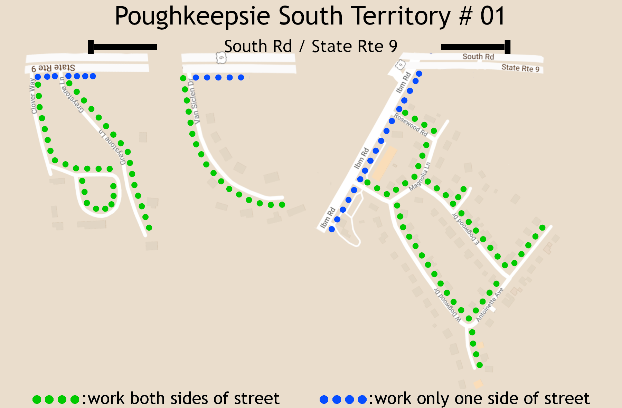
Territory #01 Do-Not-Calls
Address: | Date
29/35 Greystone Ln | 2023-05-01
5 Cypress Ln | 2023-06-01
Address |  |  | Name | Phone Numbers | Notes
12 Clover Way Unit #1 | Poughkeepsie | 12601 | ?
12 Clover Way Unit #2 | Poughkeepsie | 12601 | ?
16 Clover Way Unit #1 | Poughkeepsie | 12601 | ?
16 Clover Way Unit #2 | Poughkeepsie | 12601 | ?
20 Clover Way Unit #1 | Poughkeepsie | 12601 | ?
20 Clover Way Unit #2 | Poughkeepsie | 12601 | ?
20 Clover Way Unit #3 | Poughkeepsie | 12601 | ?
20 Clover Way Unit #4 | Poughkeepsie | 12601 | ?

21 Greystone Ln | Poughkeepsie | 12601 | ?

5 Van Siclen Dr | Poughkeepsie | 12601 | Anderson, Eric
7 Van Siclen Dr | Poughkeepsie | 12601 | Delmoral, Alan
8 Van Siclen Dr | Poughkeepsie | 12601 | Smith, Michael T.
9 Van Siclen Dr | Poughkeepsie | 12601 | Broccone, William
10 Van Siclen Dr | Poughkeepsie | 12601 | ?
11 Van Siclen Dr | Poughkeepsie | 12601 | Kitcher, James R
12 Van Siclen Dr | Poughkeepsie | 12601 | Harnett, Timothy
15 Van Siclen Dr | Poughkeepsie | 12601 | Bajkai, Henrieta M.
16 Van Siclen Dr | Poughkeepsie | 12601 | Johnson, Lori G.
18 Van Siclen Dr | Poughkeepsie | 12601 | Fainguersch, David

19 Antoinette Dr | Poughkeepsie | 12601 | D'Orsi, Michael & Deanna
20 Antoinette Dr | Poughkeepsie | 12601 | Ader, Erik James
21 Antoinette Dr | Poughkeepsie | 12601 | Scorza, Jennifer
22 Antoinette Dr | Poughkeepsie | 12601 | Etts, Kevin
23 Antoinette Dr | Poughkeepsie | 12601 | Wright, Amber Elicia & Katrin
24 Antoinette Dr | Poughkeepsie | 12601 | Letterii, Dom V. & Madeline M.
26 Antoinette Dr | Poughkeepsie | 12601 | Valdez, Jose B.
27 Antoinette Dr | Poughkeepsie | 12601 | Markett, Kevin
28 Antoinette Dr | Poughkeepsie | 12601 | Twyman, Paul S. & Cynthia L.
29 Antoinette Dr | Poughkeepsie | 12601 | Green, James D. & Carrie A.
30 Antoinette Dr | Poughkeepsie | 12601 | Heraghty, Christopher
31 Antoinette Dr | Poughkeepsie | 12601 | Ciccone, Frank N. & Rose
32 Antoinette Dr | Poughkeepsie | 12601 | Hooper, Brian C.
33 Antoinette Dr | Poughkeepsie | 12601 | Sorbo, Maureen

3 W Dogwood Dr | Poughkeepsie | 12601 | Whitesell, Patricia A.
5 W Dogwood Dr | Poughkeepsie | 12601 | Allen, Bruce Jr
6 W Dogwood Dr | Poughkeepsie | 12601 | Nyakoojo, Wilfred
7 W Dogwood Dr | Poughkeepsie | 12601 | Miller, Leslie Ann
8 W Dogwood Dr | Poughkeepsie | 12601 | Marcojohn, Michael & Karen
9 W Dogwood Dr | Poughkeepsie | 12601 | Rivera, Richard
10 W Dogwood Dr | Poughkeepsie | 12601 | Grewal, Hitkaron Singh & Rajinder K.
11 W Dogwood Dr | Poughkeepsie | 12601 | Stuart, Kenneth & Maxine
12 W Dogwood Dr | Poughkeepsie | 12601 | Nelson, Charles & Lisa
13 W Dogwood Dr | Poughkeepsie | 12601 | Ramos, Yvelise B.
14 W Dogwood Dr | Poughkeepsie | 12601 | Roberts, Mellisa
15 W Dogwood Dr | Poughkeepsie | 12601 | Turner, Richard C & Sharon A.
16 W Dogwood Dr | Poughkeepsie | 12601 | Salierno, Jessica
17 W Dogwood Dr | Poughkeepsie | 12601 | Guerrero, John
18 W Dogwood Dr | Poughkeepsie | 12601 | Palermo, Candido & Patricia
19 W Dogwood Dr | Poughkeepsie | 12601 | Dennis, Karen L. & Hassan J.
23 W Dogwood Dr | Poughkeepsie | 12601 | Godfrey, Regina
24 W Dogwood Dr | Poughkeepsie | 12601 | Ndoye, Mariama
26 W Dogwood Dr | Poughkeepsie | 12601 | Hayden, Stephanie I.
27 W Dogwood Dr | Poughkeepsie | 12601 | Li, Zhaoting
28 W Dogwood Dr | Poughkeepsie | 12601 | Collazo, Tyson Herzog
29 W Dogwood Dr | Poughkeepsie | 12601 | Sheehan, Francis & Marie
30 W Dogwood Dr | Poughkeepsie | 12601 | Sheehan, Francis J. & Cortney M.
31 W Dogwood Dr | Poughkeepsie | 12601 | Jaycox, Ralph

3 E Dogwood Dr | Poughkeepsie | 12601 | Felix, Patricia
5 E Dogwood Dr | Poughkeepsie | 12601 | Byrne, Linda Joyce
6 E Dogwood Dr | Poughkeepsie | 12601 | Nolen, George P. & Merrill A.
7 E Dogwood Dr | Poughkeepsie | 12601 | Dewitt, Daniel F. & Lee Ann
8 E Dogwood Dr | Poughkeepsie | 12601 | Trivigno, Jeanette
9 E Dogwood Dr | Poughkeepsie | 12601 | Minunni, James P. & Isabel
10 E Dogwood Dr | Poughkeepsie | 12601 | Giguere, Nicholas & Erin
11 E Dogwood Dr | Poughkeepsie | 12601 | Polakowski, Thomas E. & Mandy A.
12 E Dogwood Dr | Poughkeepsie | 12601 | Lecker, Samantha
13 E Dogwood Dr | Poughkeepsie | 12601 | Altro, Ronald C. Jr
14 E Dogwood Dr | Poughkeepsie | 12601 | Ponte, Suzanne
15 E Dogwood Dr | Poughkeepsie | 12601 | Soto, Alejandro & Lisa
16 E Dogwood Dr | Poughkeepsie | 12601 | Devizio, Richard & Corinne

1 Magnolia Ln | Poughkeepsie | 12601 | Luciano, Nicholas D. & Karen I.
3 Magnolia Ln | Poughkeepsie | 12601 | Zengen, Darby
4 Magnolia Ln | Poughkeepsie | 12601 | Daramola, Olanipekun O. & Christianah
5 Magnolia Ln | Poughkeepsie | 12601 | Beahan, Shawn & Lesli
6 Magnolia Ln | Poughkeepsie | 12601 | Howell, Nakia
7 Magnolia Ln | Poughkeepsie | 12601 | Nolan, Lauri
8 Magnolia Ln | Poughkeepsie | 12601 | Zaman, Farah C.

3 Cypress Ln | Poughkeepsie | 12601 | Doyle, David S.
4 Cypress Ln | Poughkeepsie | 12601 | Smith, Chester F. & Yvonne W.
5 Cypress Ln | Poughkeepsie | 12601 | Reckess, Jacob Z.
6 Cypress Ln | Poughkeepsie | 12601 | Tuthill, Christopher J.
8 Cypress Ln | Poughkeepsie | 12601 | Liguori, Michelle R.

2 Rosewood Rd | Poughkeepsie | 12601 | ?
2 Rosewood Rd | Poughkeepsie | 12601 | LaTempa, Lisa

