enquêtes M1
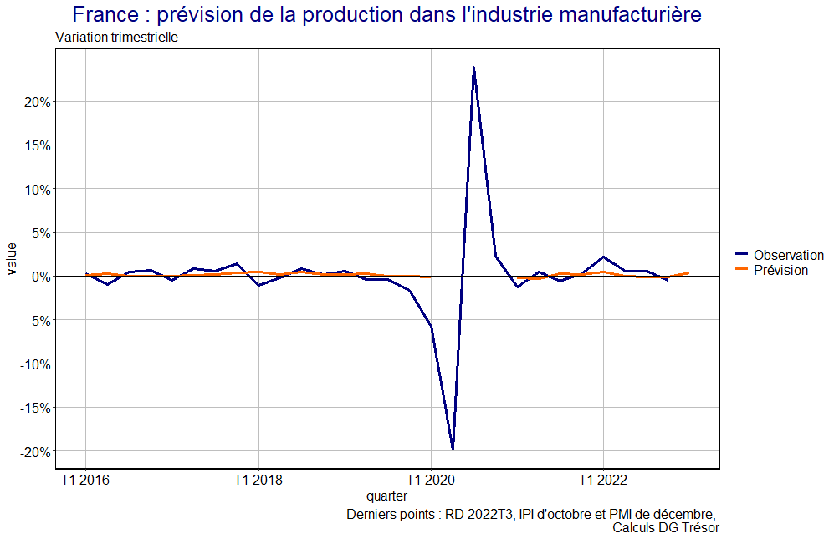
nom_model | rmse | mae | nom_variable | coef_variable | prevision
model_insee_1 | 0.01443739 | 0.009314825 | Intercept | -0.0035665
 |  |  | insee_production_prevue | 0.0003442
model_insee_2 | 0.01399626 | 0.009001977 | Intercept | -0.0051765 | 0.3%
 |  |  | insee_production_prevue_m3_t_1 | 0.0005219
model_insee_3 | 0.01454438 | 0.009520522 | Intercept | -0.0003050
 |  |  | var1_insee_production_prevue | 0.0004976
model_insee_4 | 0.01438556 | 0.009450254 | Intercept | -0.0020161
 |  |  | insee_production_passee | 0.0002684
model_insee_5 | 0.01447984 | 0.009376519 | Intercept | -0.0316234
 |  |  | insee_climat | 0.0003045
model_insee_6 | 0.01435274 | 0.009150581 | Intercept | -0.0056477
 |  |  | insee_production_prevue_m3_t_1 | 0.0006425
 |  |  | insee_production_passee | -0.0001139

model_pmi_1 | 0.01458892 | 0.009483817 | Intercept | -0.0173213 | -0.1%
 |  |  | pmi_climat | 0.0003279
model_pmi_2 | 0.01464281 | 0.009434282 | Intercept | -0.0058053
 |  |  | pmi_new_commandes | 0.0001043
model_pmi_3 | 0.01468828 | 0.009637214 | Intercept | -2.384e-04
 |  |  | pmi_production_passee | -8.752e-06

T2 2023 - enquêtes M2
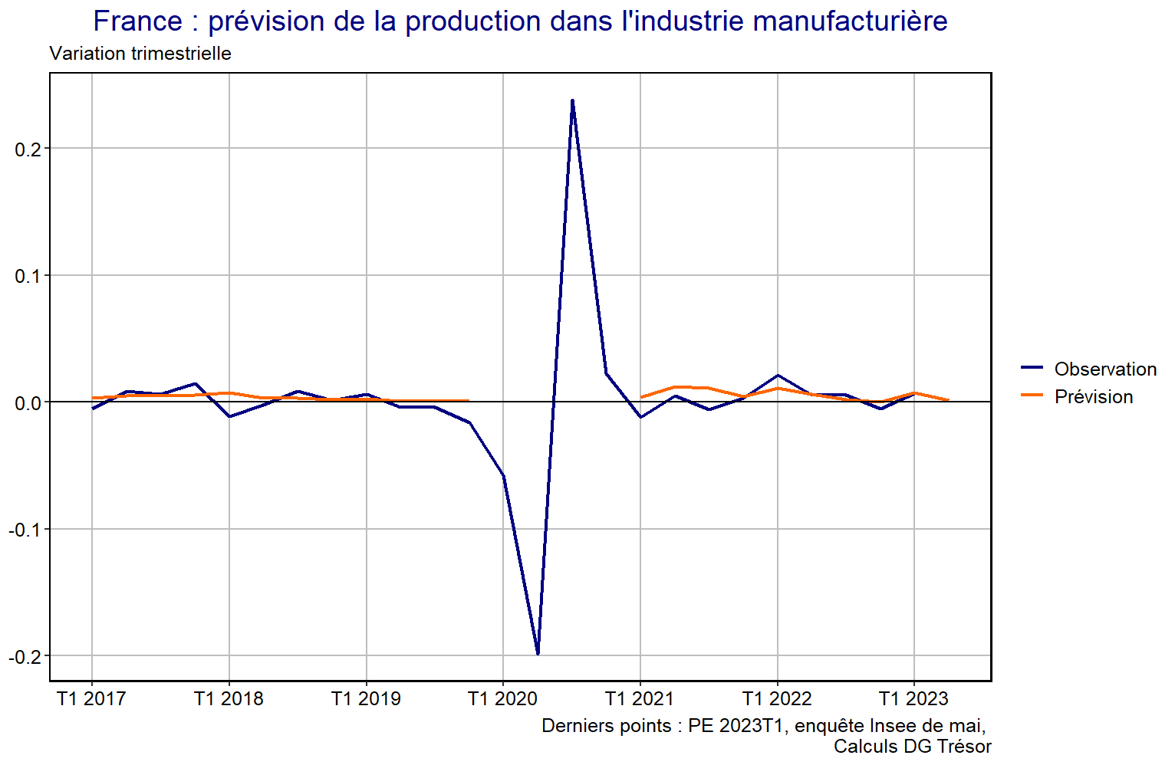
nom_model | in_sample_period | out_of_sample_rmse | out_of_sample_mae | nom_variable | coef_variable (dernière estimation modèle) | prevision
second_best_model | 24 | 0.00879 | 0.00691 | Intercept | -0.000819753 | 0.1%
 |  |  |  | qt_insee_production_passee | 0.000313646

