Explanation
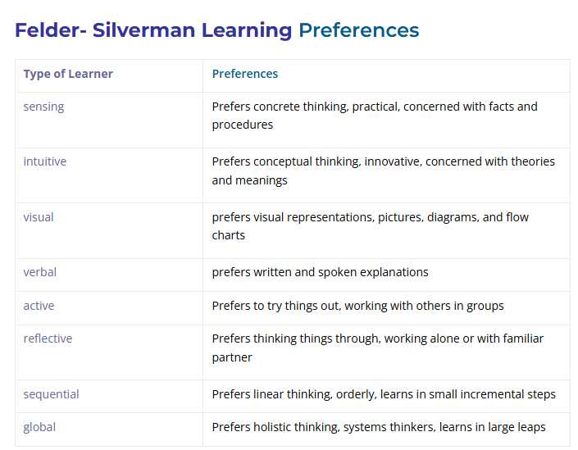
1Sensing | 2Intuitive | 3Visual | 4Verbal | 5Active | 6Reflective | 7Sequential | 8Global
Quiz_revisions | Ques_concepts | Video, pictures | Forum_post | Forum_visit | Feedback_no | Navigation_deep | Navigation_skip_overview
Ques_detail |  |  | Content_text_stay | Forum_post | NO_connections_links |  | Ques_concepts
Ques_facts |  |  | Ques_detail

1. Navigation_deep++ count sequential
2. Navigation_skip_overview++ count global
3. Forum_visit ++ count active
4. Forum_post ++ count active, verbal
5. Video, pictures ++ count visual
6. Content_text_stay (jei> 3 min)++ count verbal
7. Feedback_no count++ reflective
8. NO_connections_links++ Count reflective
9. Quiz_revisions++ Count sensing
10.Ques_detail++ time sensing
11.Ques_facts++ time sensing
12.Ques_concepts++ time intuitive, global

