Amazon Chocolates
Product Name | Product Price | Product Rating | Product Reviews | Product Availability | Product Image
Cadbury Dairy Milk Silk Chocolate Home Treats, 153 G (Pack Of 3), 459 Gram | 600 | 4.2 | 477 | Check each product page for other buying options. | 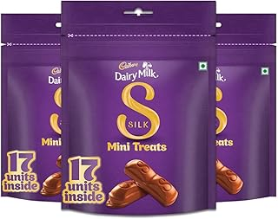
Cadbury Dairy Milk Chocolate Bar Family Pack, (Pack of 5) -134 Gm | 378 | 4.3 | 280 | Chocolate | 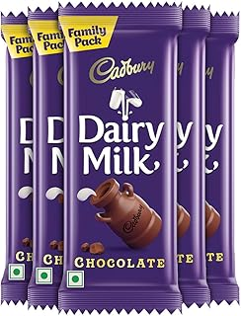
Cadbury Dairy Milk Chocolate Home Treats, 119 Gram (Pack Of 4), 476 Gram | 552 | 4.2 | 1,013 | 500+ bought in past month | 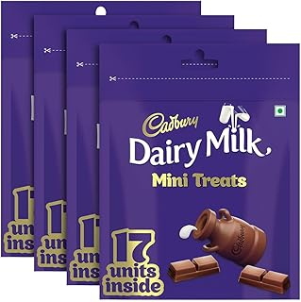
Cadbury Fuse Peanut & Caramel filled Chocolate Home Treats, 108.5 g | 462 | 4.2 | 1,182 | ( ₹95.06/100 g) | 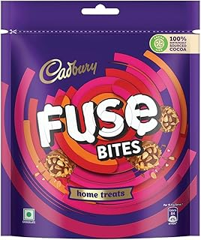
KIT KAT Minis, Chocolate Coated Wafer Bar, Share Bag, Miniature Pouch, 18X7 Gram | 126 Gram | 552 | 4.5 | 1,910 | M.R.P: | 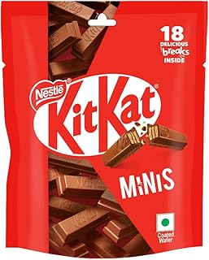
Cadbury Dairy Milk Chocolate Bar, 52 Gram Maha Pack (Pack Of 15) | 476 | 4.2 | 17,882 | Get it by Tuesday 8 October FREE Delivery by Amazon | 

