Figure FGC.1
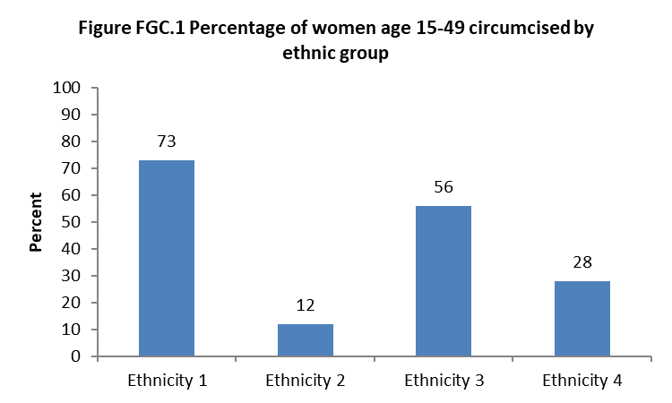
Back to the Table of Contents

Fig2 & working table
Back to the Table of Contents

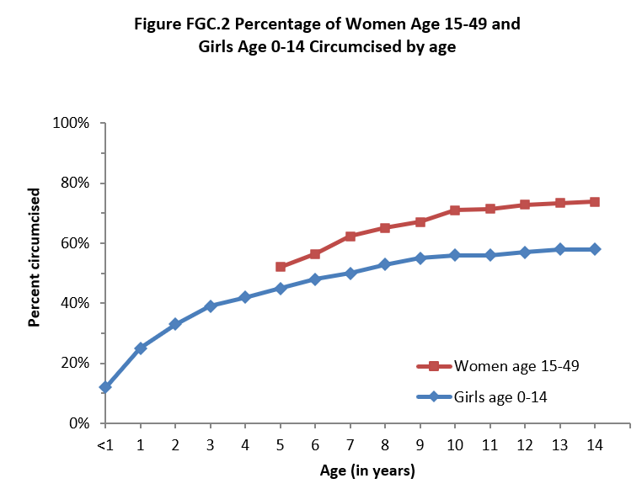
 | Working Table for Figure FGC.2 Circumcision by age: Girls and women
 | Percentage of girls who have been circumcised by current age, and percentage of women age 15-49 who were circumcised by specific exact ages, [Country Survey Year]

 |  | Girls age 0-14 |  | Women age 15-49 circumcised by exact age
 |  | Percentage circumcised | Number

 | Age (in years)

 | <1 |  |  | na
 | 1 |  |  | na
 | 2 |  |  | na
 | 3 |  |  | na
 | 4 |  |  | na
 | 5
 | 6
 | 7
 | 8
 | 9 |  |  |  | Data on age at circumcision for women who were circumcised before age 5 is not available in single years of age. Data for girls is based on current status. The figure shows the percentage of girls currently in each age group who have been circumcised (according to mother's report). Data for women age 15-49 is based on recall and shows the percentage who were circumcised by specific exact ages.
 | 10
 | 11
 | 12
 | 13
 | 14

 | >141 | na | na

 | Total number of women | na | na

 | Note: Exact age at circumcision for years of age less than 5 not available for women due to recall issues.

 | na = Not applicable
 | 1 Percentage of women circumcised after exact age 14

 | Denominator for girls for the row showing age 5 (for example) includes those girls who are currently five years old (60-71 months old at the time of the interview).

 | Numerator for girls for the row showing age 5 includes girls age 60-71 months who have been circumcised (GC12 = yes).

 | Denominator for all rows for women is all women age 15-49.

 | Numerator for row showing age 5 for women is women who were circumcised before their 5th birthday (at age 0-4 years, OR code 95 is recorded (as a baby/in infancy).

 | Numerator for women for row “>14” is all women circumcised at age 14 or older (after their 14th birthday).

