Sheet1
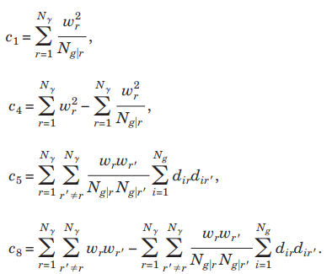
 |  | N_R | N_C | N_c_r | N_c_r_overlap | N_g | w_r | c1 | c4 | c5 | c8 | M1 | M4 | M5 | M8 | c1M1 | c4M4 | C5M5 | c8M8 | var_dlmo | var_ho | SE
SP-no-overlap | DP-1 | 4 | 640 | 160 | 0 |  | 0.25 | 0.0015625 | 0.2484375 | 0 | -0.25 | 0.9333333 | 0.8712 | 0.9066667 | 0.8711111 | 0.0014583332813 | 0.21643875 | 0 | -0.217777775 | 0.00011930828125 | 0.0001188201 | 0.01543140892
 | DP-2 | 4 | 640 | 160 | 0 |  | 0.25 | 0.0015625 | 0.2484375 | 0 | -0.25 | 0.9333333 | 0.8712 | 0.9066667 | 0.8711111 | 0.0014583332813 | 0.21643875 | 0 | -0.217777775 | 0.00011930828125 |  | 0.01543140892
 | DP-gen | 4 | 640 | 160 | 0 |  | 0.25 | 0.0015625 | 0.2484375 | 0 | -0.25 | 0.9333333 | 0.8712 | 0.9066667 | 0.8711111 | 0.0014583332813 | 0.21643875 | 0 | -0.217777775 | 0.00011930828125 |  | 0.01543140892
FC | FC | 4 | 640 | 640 | 640 |  | 0.25 | 0.000390625 | 0.249609375 | 0.001171875 | -0.251171875 | 0.9333333 | 0.8712 | 0.9066667 | 0.8711111 | 0.00036458332031 | 0.2174596875 | 0.0010625000391 | -0.21879860832 | 8.8162539062E-05 |  | 0.014386891223
SP-overlap | DP-hybird | 4 | 640 | 640 | 640 | 1 | 0.25 | 0.000390625 | 0.249609375 | 0.001171875 | -0.251171875 | 0.9333333 | 0.8712 | 0.9066667 | 0.8711111 | 0.00036458332031 | 0.2174596875 | 0.0010625000391 | -0.21879860832 | 8.8162539062E-05 |  | 0.014386891223

