General Information
CONTROLLED MODULUS COLUMNS (CMC) — DESIGN PARAMETERS
Project name:
Document ID:
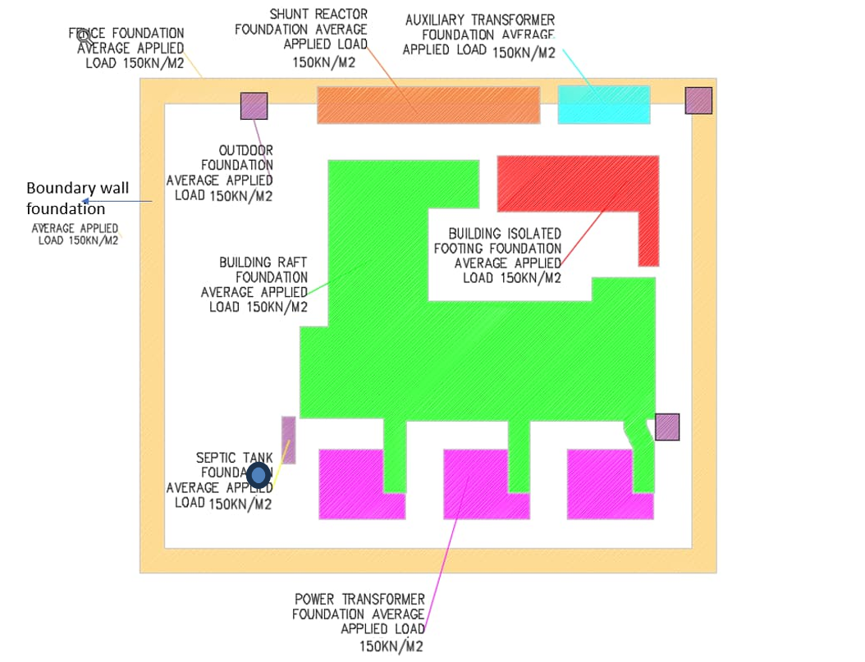
Report title: | Soil Improvement CMC — Final Technical Report
Date:
Prepared by:
Prepared for:

1. Design Parameters
Parameter | Value | Unit
Total site area | 70x60 =4200 | m2
Expected applied load | 150 | kPa
Bearing Capacity | 150 | KN/m2
Allowable Settlement for raft | 50 | mm
Allowable Settlement for isolated foundation | 25 | mm
Working platform level | "+6.25" | m
Average Existing Ground Level | "+5.90" | m
Average Water Table Level | "+5.25" | m

2. CMC Geometry by Zone
Zone / Foundation | Final level of bottom (m) | Working platform level (m) | Diameter (m) | Total Length (m) | Center-to-Centre Grid Spacing (m)
Building raft & TR Tunnels | 6.85 | 6.25 | 0.60 | 18.5 | 2.00
Building isolated footing | 6.85 | 6.25 | 0.60 | 17.0 | 2.00
Septic tank |  | 6.25 | 0.60 | 10.0 | 2.00
Power transformer | 7.25 | 6.25 | 0.60 | 18.5 | 1.80
Remaining area |  | 6.25 | 0.60 | 10.0 | 2.00
Outdoor equipment | 7.75 | 6.25 | 0.60 | 12.0 | 2.00
Boundary wall | 6.55 | 6.25 | 0.60 | 16.0 | 2.00
Auxiliary transformer | 8 | 6.25 | 0.60 | 14.0 | 2.00
Shunt reactor |  | 6.25 | 0.60 | 14.5 | 2.00

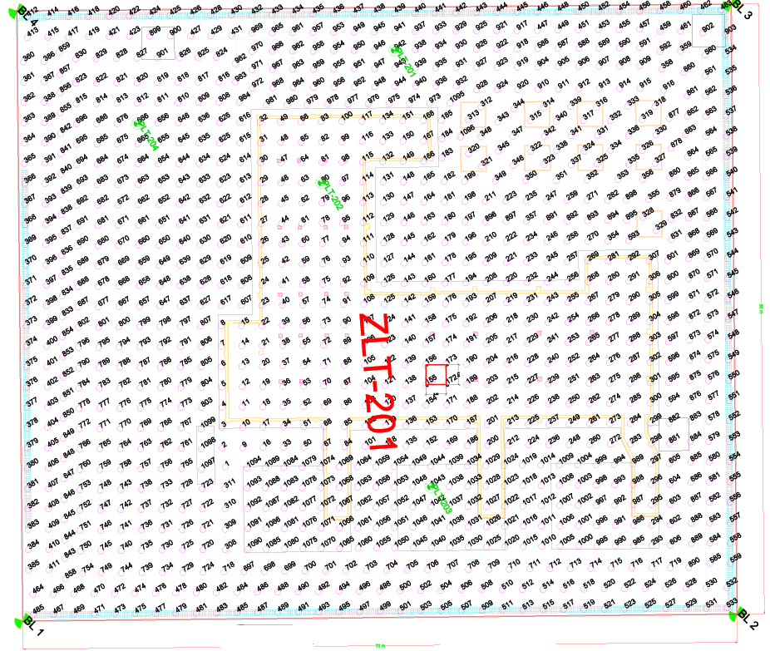
3. Boundary Line
Boundary line | Easting | Northing
BL 1 | 502963.754 | 2443886.413
BL 2 | 503024.4991 | 2443921.223
BL 3 | 502994.6552 | 2443973.28
BL 4 | 502933.9196 | 2443938.474

4. Plate load test (PLT) locations
PLT Location | Easting | Northing
PLT-201 | 502968.101 | 2443953.218
PLT-202 | 502968.229 | 2443938.343
PLT-203 | 502992.168 | 2443917.485
PLT-204 | 502951.320 | 2443934.315

5. Zone load test (ZLT) location
Plate corner | Easting | Northing
corner 1 | 502985.855 | 2443927.698
corner 2 | 502986.849 | 2443925.962
corner 3 | 502988.585 | 2443926.957
corner 4 | 502987.590 | 2443928.692

6. Maximum Allowable Settlements
Plate load tests:
PLT-201 | CMC-1043 | 0.45 mm
PLT-202 | CMC -80 | 0.61 mm
PLT-203 | CMC -666 | 0.36 mm
PLT-204 | CMC -942 | 0.25 mm
Zone load tests:
ZLT-201 | CMCs (155,156,172 & 173) | 6.290 mm

7. Pile Integrity Test (PIT) Locations
PIT locations | Easting | Northing
PIT-201 01 | 502949.3748 | 2443939.064
PIT-201 02 | 502959.4247 | 2443348.246
PIT-201-03 | 502987.6223 | 2443956.228
PIT-201-04 | 502367.4881 | 2443915.314
PIT-201-05 | 502931.5807 | 2443912.364
PIT-201-06 | 502973.7080 | 2443970.737
PIT-201-07 | 502998.4897 | 2443941.353
PIT-201-08 | 503007.2185 | 2443923.304
PIT-201-09 | 502905.7189 | 2443914.909
PIT-201-10 | 502930.6087 | 2440908.590

CMC installation example
Example of a CMC pile in the building foundation zone
Pile no: | 80
Coordinates: | Easting: | 502968.2290 | m
 | Northing: | 2443938.343 | m
Start time:
End time:
Operator name:
Center-to-center grid spacing |  | 2x2 m

 | LTP thickness |  |  | LTP | and geosynthetic if used. type (geogrid or geotextile) , no of layers, overlap
 |  |  |  | ltp material properties: Gradation fines content moisture content range source and quality tickets Compaction results: target relative compaction (%MDD) or density index in-place density tests (locations and results) |  |  | Working platform level: | 6.25m

 |  |  |  | CMC
 |  | Length: | 18.5m
 | Target depth:
 | Achieved depth:

 | Toe level:
 |  |  |  | Diameter: | 600mm

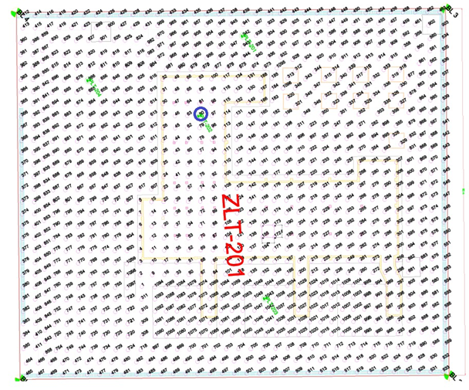
2. Soil parameters for the building foundation zone
Layer Description | Young's modulus (kPa) | Unit weight (kN/m3) | Cohesion of the layer (kPa) | Angle of internal friction of the layer ( °) | Poisson's ratio
LTP | 60000 | 16 | 0 | 38° | 0.3
Fill material (working platform) | 30000 | 16 | 0 | 28° | 0.3
Fill material | 3000 | 16 | 0 | 29° | 0.3
Sabkha (Drained) | 1320 | 17 | 0 | 27° | 0.3
Clean sand to silty sand | 24000 | 17 | 0 | 27° | 0.3
Clayey silt to silty clay | 18000 | 17 | 20 | 0° | 0.3
Silty sand to sandy silt | 36000 | 17 | 0 | 27° | 0.3
Clayey silt to silty clay | 24000 | 17 | 20 | 0° | 0.3

3. CMC location on grid

4. Material Properties
Parameter |  | Value | Unit
CMC material |  | Concrete
CMC modulus of elasticity: |  | 3700·fck^(1/3) where fck = compressive strength of concrete at 28 days
Minimum compressive strength (fck) |  | 25 | MPa
maximum working stress
Inclusion stiffness
Other RI and LTP Material properties (minimum soundness, la abrasion, specific gravity, absorption, compressive strength, young’s modulus, poisson’s ratio, deformability, friction angle, eventual cohesion)

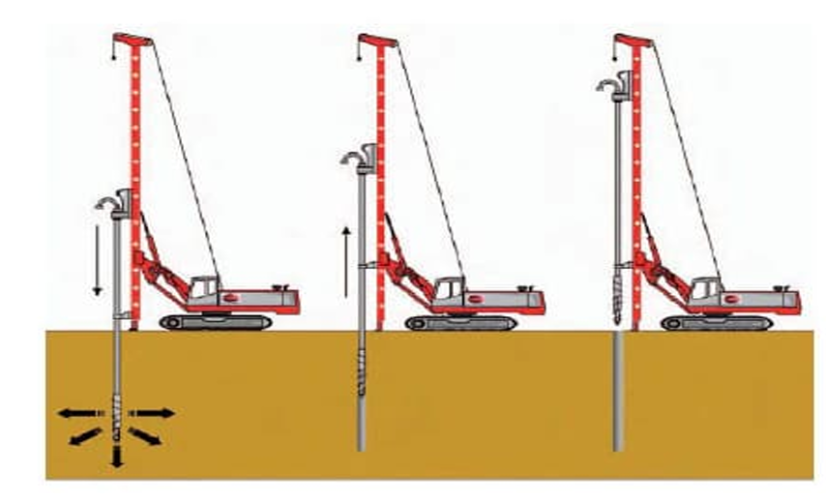
5. Installation parameters
Parameter |  | Value | Unit
Column type |  |  |  | installation/cmcArray | Diff bet. Column and installation type?
Installation type (displacement vs partial displacement; Bored (with soil extraction - simple bored, bored with casing or slurry, continuous flight hollow auger, micropile -or displacement), cast-in-place (vibro-driven or driven), prefabricated (vibro-driven or driven), treated soil column (soil mixing, jet grouting) |  | Displacement |  | installation/cmcArray
Equipment: |  | Special auger |  | installation/CMCArray/constructionActivity
Torque |  |  |  | constructionActivity
Rate of penetration per revolution of the auger |  |  |  | constructionActivity
Withdrawal rate |  |  |  | constructionActivity
Drilling speed |  |  |  | constructionActivity
Rotation speed |  |  |  | constructionActivity
Grout pressure |  |  |  | constructionActivity
Grout flow rate |  |  |  | constructionActivity
Grout volume - theoretical |  |  |  | installation
Grout volume - actual volume placed |  |  |  | installation/CMCArray/constructionActivity (time-series)
Verticality tolerance |  |  |  | installation - tolerance specs in RIDesignSpec
Refusal criteria |  | 5cm penetration for 2 consecutive min |  | installation specification?
Observations along the length (deviations/non conformances) |  |  |  | Observations/Borehole or Installation Event/
Observed issues/incidents (obstructions,grout losses, refusal, groundwater effects) |  |  |  | installationEvent | RI Property
Thickness between working platform and inclusion head |  |  |  | ?? Property of what? | RI Property
working platform bearing capacity |  |  |  | LTPZone/LTP?
Head cutoff level |  |  |  | installation - column top? | RI Property
Column cap/head (if present) |  |  |  | installation/cmcArray | RI Property
Cutoff method |  |  |  | installation/cmcArray | RI Property
Cutting equipment ((jackhammer, performance saw, concrete spreaders,chemical cutting system) |  |  |  | installation
trial column (optional) |  |  |  | ?? | Standalone RI - test or production
Initial verification results (e.g., early-age strength tests if applicable) |  |  |  | Test
Lab tests (oedometer, consolidated drained and undrained triaxial, direct sheared, unconfined compression) |  |  |  | Test
field tests (spt, pressuremeter) |  |  |  | Test
Add - grout ref in activity |  |  |  |  |  | Drilling Sequence - Borehole |  | Installation sequence (constructionActivity) | Rigid-inclusion (installation)
 |  |  |  |  |  | MWD measurements for time-series data

Post-installation tests example
Example of Post-installation Test Results on Pile 80

1. Plate Load Test Results - Pile 80
ASTM D 1194 |  | Plate diameter | 45.72 cm
Pile no: | 80 | Plate weight | 36.68 kg
Test no: | plt-02 | Jack capacity | 50 ton
Date: | 17/12/2024 | jack weight | 25 kg
Prepared by: |  | Ref | 2024-6508
Prepared for:

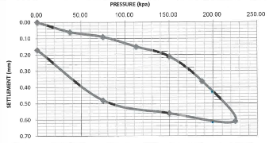
Jack reading (bar) | Temp (°C) | Stress (kpa) | Settlement (mm)
0 | 36 | 0 | 0
31.4 | 36 | 37.5 | 0.06
62.67 | 37 | 75 | 0.09
94 | 36 | 112.5 | 0.15
125.3 | 35 | 150 | 0.21
156.7 | 35 | 187.5 | 0.36
188 | 35 | 225 | 0.61
125.3 | 34 | 150 | 0.56
62.7 | 37 | 75 | 0.48
0 | 37 | 0 | 0.17

Conclusion: | Acceptable

2. Zone Load Test Results - Single test performed on site
Steel test plate | 2.0m x 2.0m | Job no. | 1783-24
Design pressure (kN/m2) | 150 | Date: | 22/12/2024
Max test pressure (KN/m2) | 225 | Weather conditions | Fair
Soil description | CMC#155,156,172,173 | Test no. | -
Prepared by:
Prepared for:

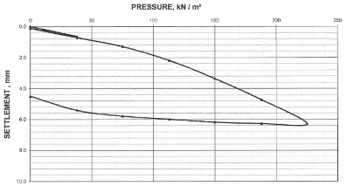
Percentage of proposed load (%) | Applied pressure (kN/m2) | Applied Load (kN) | Average total settlement (mm) | Actual holding time (min) | Remarks
0 | 0 | 0 | 0 | 15 | loading stage
25 | 38 | 150 | 0.642 | 60
0 | 0 | 0 | 0.117
25 | 38 | 150 | 0.717
50 | 75 | 300 | 1.295
75 | 113 | 450 | 2.2
100 | 150 | 600 | 3.36
125 | 188 | 750 | 4.732
150 | 225 | 900 | 6.29 | 120
125 | 188 | 750 | 6.272 | 30 | unloading stage
100 | 150 | 600 | 6.177
75 | 113 | 450 | 5.99
50 | 75 | 300 | 5.797
25 | 38 | 150 | 5.415
0 | 0 | 0 | 4.51

Summary:
Settlement (mm) under 150kN/m2 - design bearing pressure | Settlement (mm) under max applied pressure of 225kN/m2 - 150% of safe bearing pressure | Residual settlement (mm)
3.36 | 6.29 | 4.5

Conclusion: | Acceptable

3. Pile integrity test results - closest pile to pile 80
ASTM D5882 |  | C (m/s) | 4000
Date | 21/12/2024 | Amp | 100
Pile no. | 48 | F | 0
Prepared by |  | Planned length (m) | 18
Prepared for |  | Avg: | 15

Reflectogram:
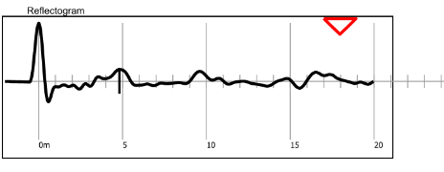

Conclusion: | Acceptable

4. Cylinder test results - pile 80

Pile |  | 80
RFI number |  | 41
Date of casting |  | 24/11/24

 | 7 days | 28 days
Date of testing | 2024-01-12 | 22/12/24
Strength - avg (N/mm2) | 36.1 | 45.7

Conclusion: | Acceptable

