Plots
log(n) vs 1000/T
100 | 42479.132159
50 | 33395724444
33.333333333 | 3.5068637166E+12
25 | 3.7670957117E+13
20 | 1.5405436607E+14
16.666666667 | 3.6530432866E+14
14.285714286 | 6.0351161105E+14
12.5 | 7.8429812221E+14
11.111111111 | 8.8783840978E+14
10 | 9.3992004954E+14
9.0909090909 | 9.657969908E+14
8.3333333333 | 9.7922419808E+14
7.6923076923 | 9.8661626344E+14
7.1428571429 | 9.9093291842E+14
6.6666666667 | 9.9358993724E+14
6.25 | 995302727354644
5.8823529412 | 9.9645225147E+14
5.5555555556 | 9.9725050224E+14
5.2631578947 | 9.9782084261E+14
5 | 9.9824014846E+14
4.7619047619 | 9.9855437467E+14
4.5454545455 | 9.9879552581E+14
4.347826087 | 9.9898306354E+14
4.1666666667 | 9.9913191357E+14
4 | 9.9925131376E+14
3.8461538462 | 999348685162907
3.7037037037 | 999428427899380
3.5714285714 | 9.99494954E+14
3.4482758621 | 9.995504602E+14
3.3333333333 | 9.9959778758E+14
3.2258064516 | 9.9963775431E+14
3.125 | 9.996725144E+14
3.0303030303 | 999702164268967
2.9411764706 | 999728255399118
2.8571428571 | 9.9975092468E+14
2.7777777778 | 9.9977108784E+14
2.7027027027 | 999789167667343
2.6315789474 | 9.9980556098E+14
2.5641025641 | 9.9982225992E+14
2.5 | 9.9984113424E+14
2.4390243902 | 9.9986849453E+14
2.380952381 | 999916469237395
2.3255813953 | 1.0000122588E+15
2.2727272727 | 1.0002113103E+15
2.2222222222 | 1.0006245507E+15
2.1739130435 | 1.0014667396E+15
2.1276595745 | 1.0031408129E+15
2.0833333333 | 1.0063765756E+15
2.0408163265 | 1.012450854E+15
2 | 1.0234976509E+15
...
log(p) vs 1000/T
100 | 0
50 | 4.51734118E-271
33.333333333 | 2.9669145114E-174
25 | 9.7173058622E-126
20 | 1.5205624011E-96
16.666666667 | 5.388351848E-77
14.285714286 | 6.0883820149E-63
12.5 | 2.5363618176E-52
11.111111111 | 5.2798524177E-44
10 | 2.6014924164E-37
9.0909090909 | 8.2358796694E-32
8.3333333333 | 3.2888038188E-27
7.6923076923 | 2.6550479185E-23
7.1428571429 | 6.0826614766E-20
6.6666666667 | 5.0763740694E-17
6.25 | 1.8621553606E-14
5.8823529412 | 3.4671941703E-12
5.5555555556 | 3.6654469361E-10
5.2631578947 | 2.4040870283E-08
5 | 1.0502038037E-06
4.7619047619 | 3.2365287237E-05
4.5454545455 | 0.00073761174536
4.347826087 | 0.012925223523
4.1666666667 | 0.17989644887
4 | 2.0438441238
3.8461538462 | 19.398294441
3.7037037037 | 156.86988805
3.5714285714 | 1099.3292498
3.4482758621 | 6774.426908
3.3333333333 | 37177.242834
3.2258064516 | 183713.07449
3.125 | 825397.70195
3.0303030303 | 3400508.0454
2.9411764706 | 12943340.868
2.8571428571 | 45821147.923
2.7777777778 | 151767249.46
2.7027027027 | 472805220.54
2.6315789474 | 1391996583.2
2.5641025641 | 3889513927.3
2.5 | 10354283051
2.4390243902 | 26352119859
2.380952381 | 64319203948
2.3255813953 | 1.5098088985E+11
2.2727272727 | 3.417137943E+11
2.2222222222 | 7.4738110341E+11
2.1739130435 | 1.5827319463E+12
2.1276595745 | 3.2504601186E+12
2.0833333333 | 6.4808355691E+12
2.0408163265 | 1.255019126E+13
2 | 2.3593203913E+13
...

Ef vs 1000/T
100 | 1.1449094006
50 | 1.1412808335
33.333333333 | 1.1371740191
25 | 1.1326609162
20 | 1.1276280114
16.666666667 | 1.1218258157
14.285714286 | 1.115001787
12.5 | 1.1070943444
11.111111111 | 1.0983017708
10 | 1.0889016484
9.0909090909 | 1.079091386
8.3333333333 | 1.0689800039
7.6923076923 | 1.0586255763
7.1428571429 | 1.048061368
6.6666666667 | 1.0373085568
6.25 | 1.0263821359
5.8823529412 | 1.01529364
5.5555555556 | 1.0040524793
5.2631578947 | 0.99266666399
5 | 0.98114324875
4.7619047619 | 0.96948849211
4.5454545455 | 0.95770810787
4.347826087 | 0.94580728423
4.1666666667 | 0.93379083855
4 | 0.92166320923
3.8461538462 | 0.90942854893
3.7037037037 | 0.89709071538
3.5714285714 | 0.88465335466
3.4482758621 | 0.87211986565
3.3333333333 | 0.85949348215
3.2258064516 | 0.84677721997
3.125 | 0.83397397464
3.0303030303 | 0.821086443
2.9411764706 | 0.80811722828
2.8571428571 | 0.79506876967
2.7777777778 | 0.78194341327
2.7027027027 | 0.76874338289
2.6315789474 | 0.7554708006
2.5641025641 | 0.74212774775
2.5 | 0.72871621873
2.4390243902 | 0.71523828723
2.380952381 | 0.70169618032
2.3255813953 | 0.68809265101
2.2727272727 | 0.67443154632
2.2222222222 | 0.66071898592
2.1739130435 | 0.6469655079
2.1276595745 | 0.63318988233
2.0833333333 | 0.61942546672
2.0408163265 | 0.60573024959
2 | 0.59220050643
...

Summary
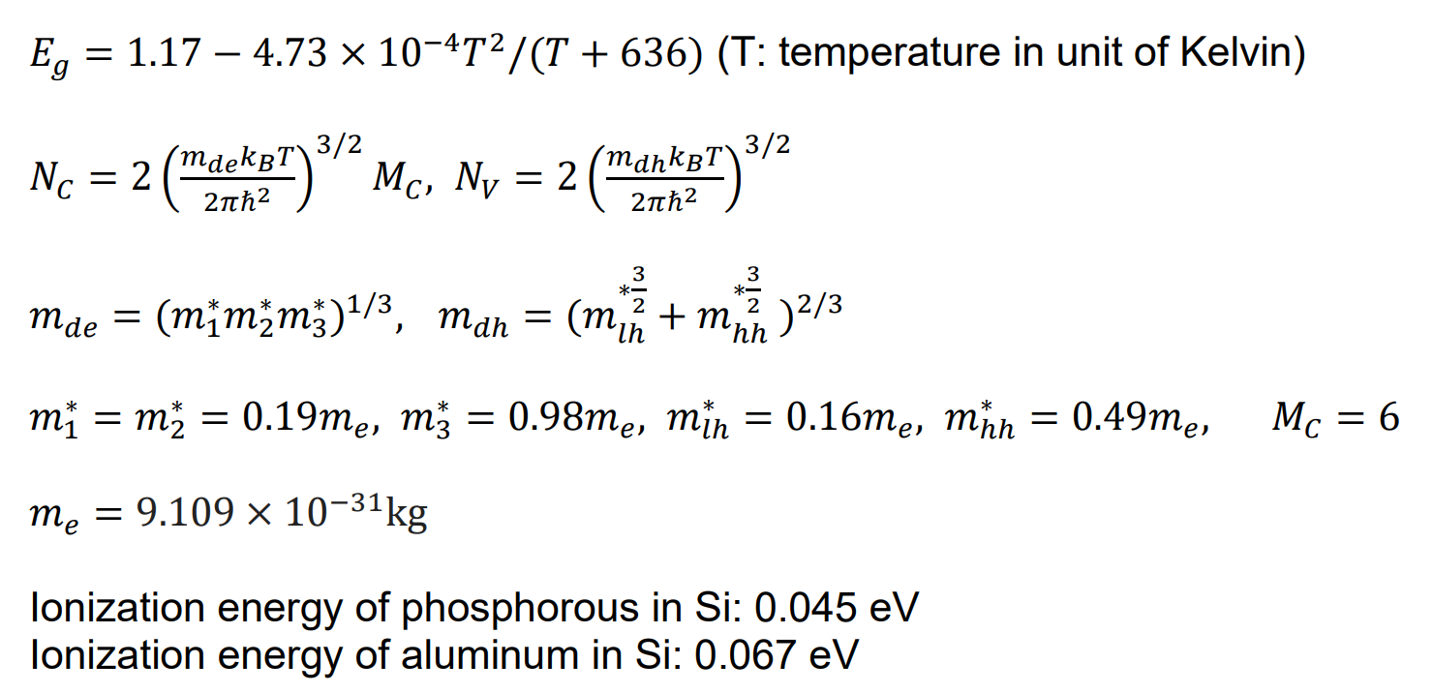 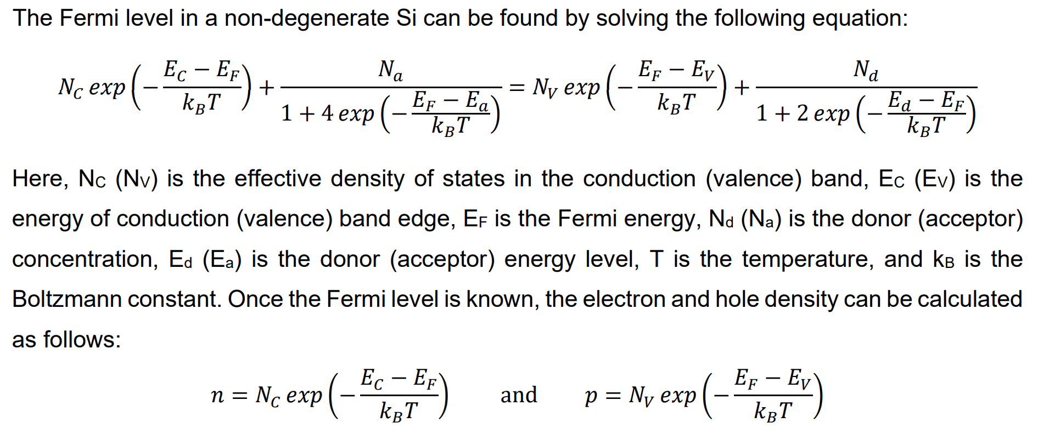 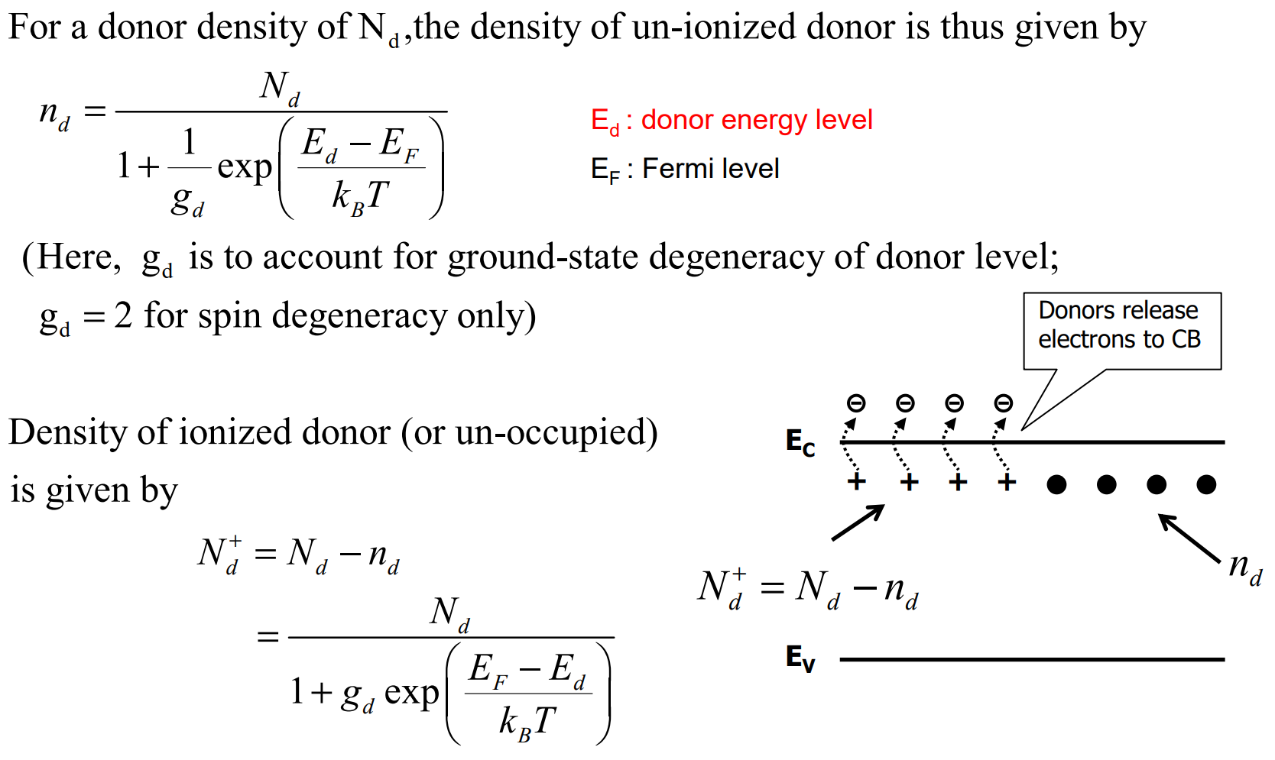 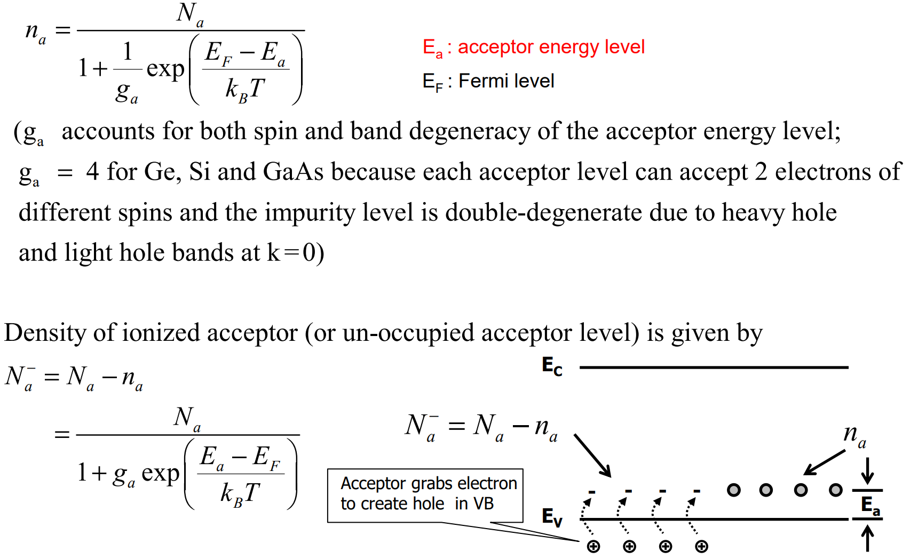 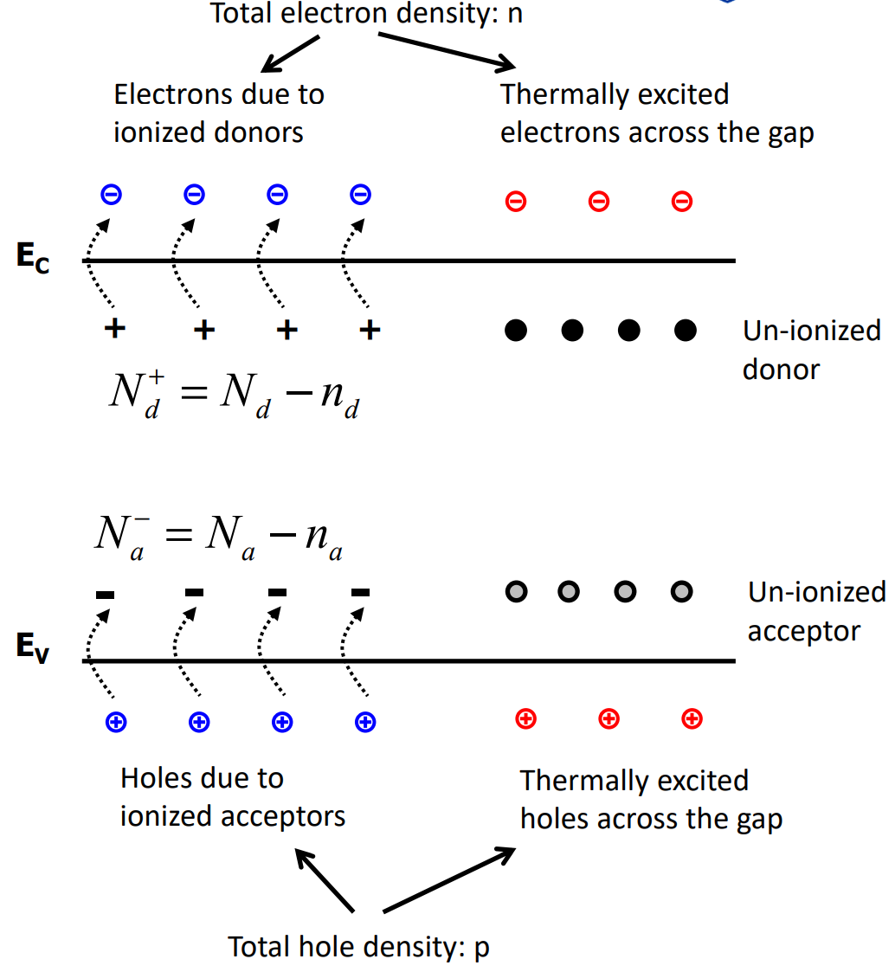
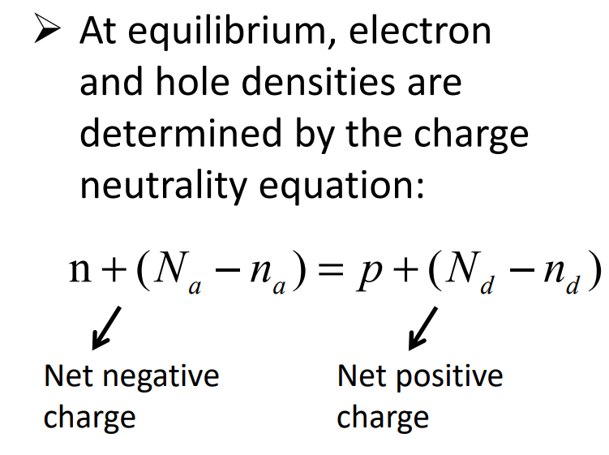
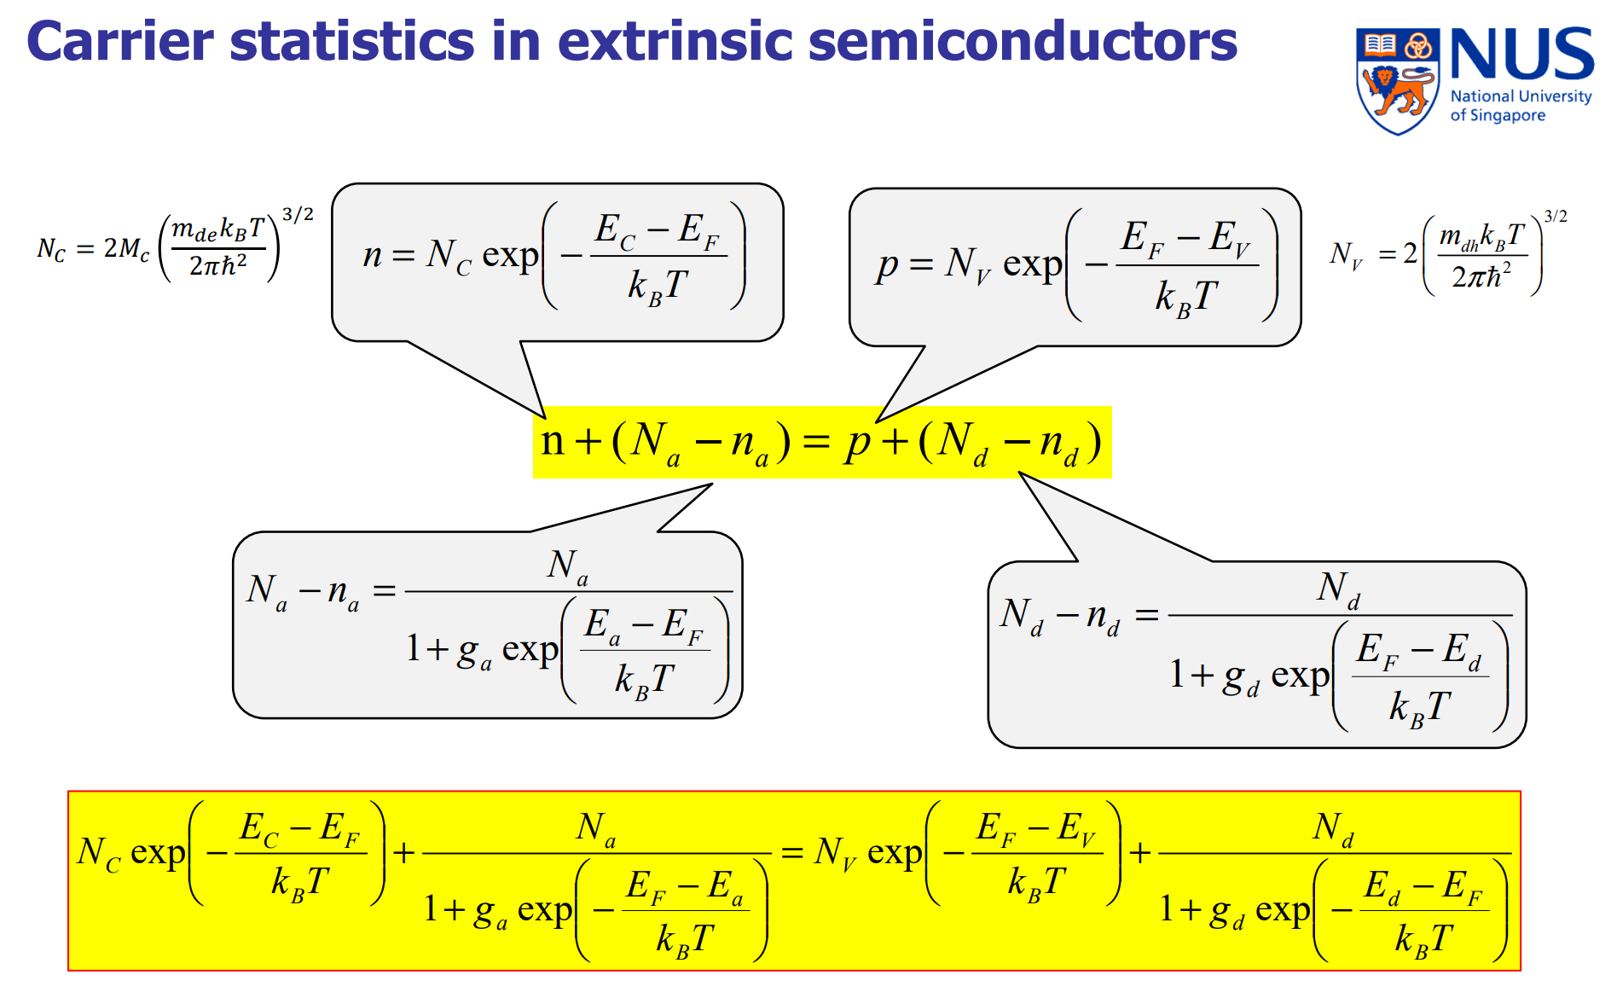
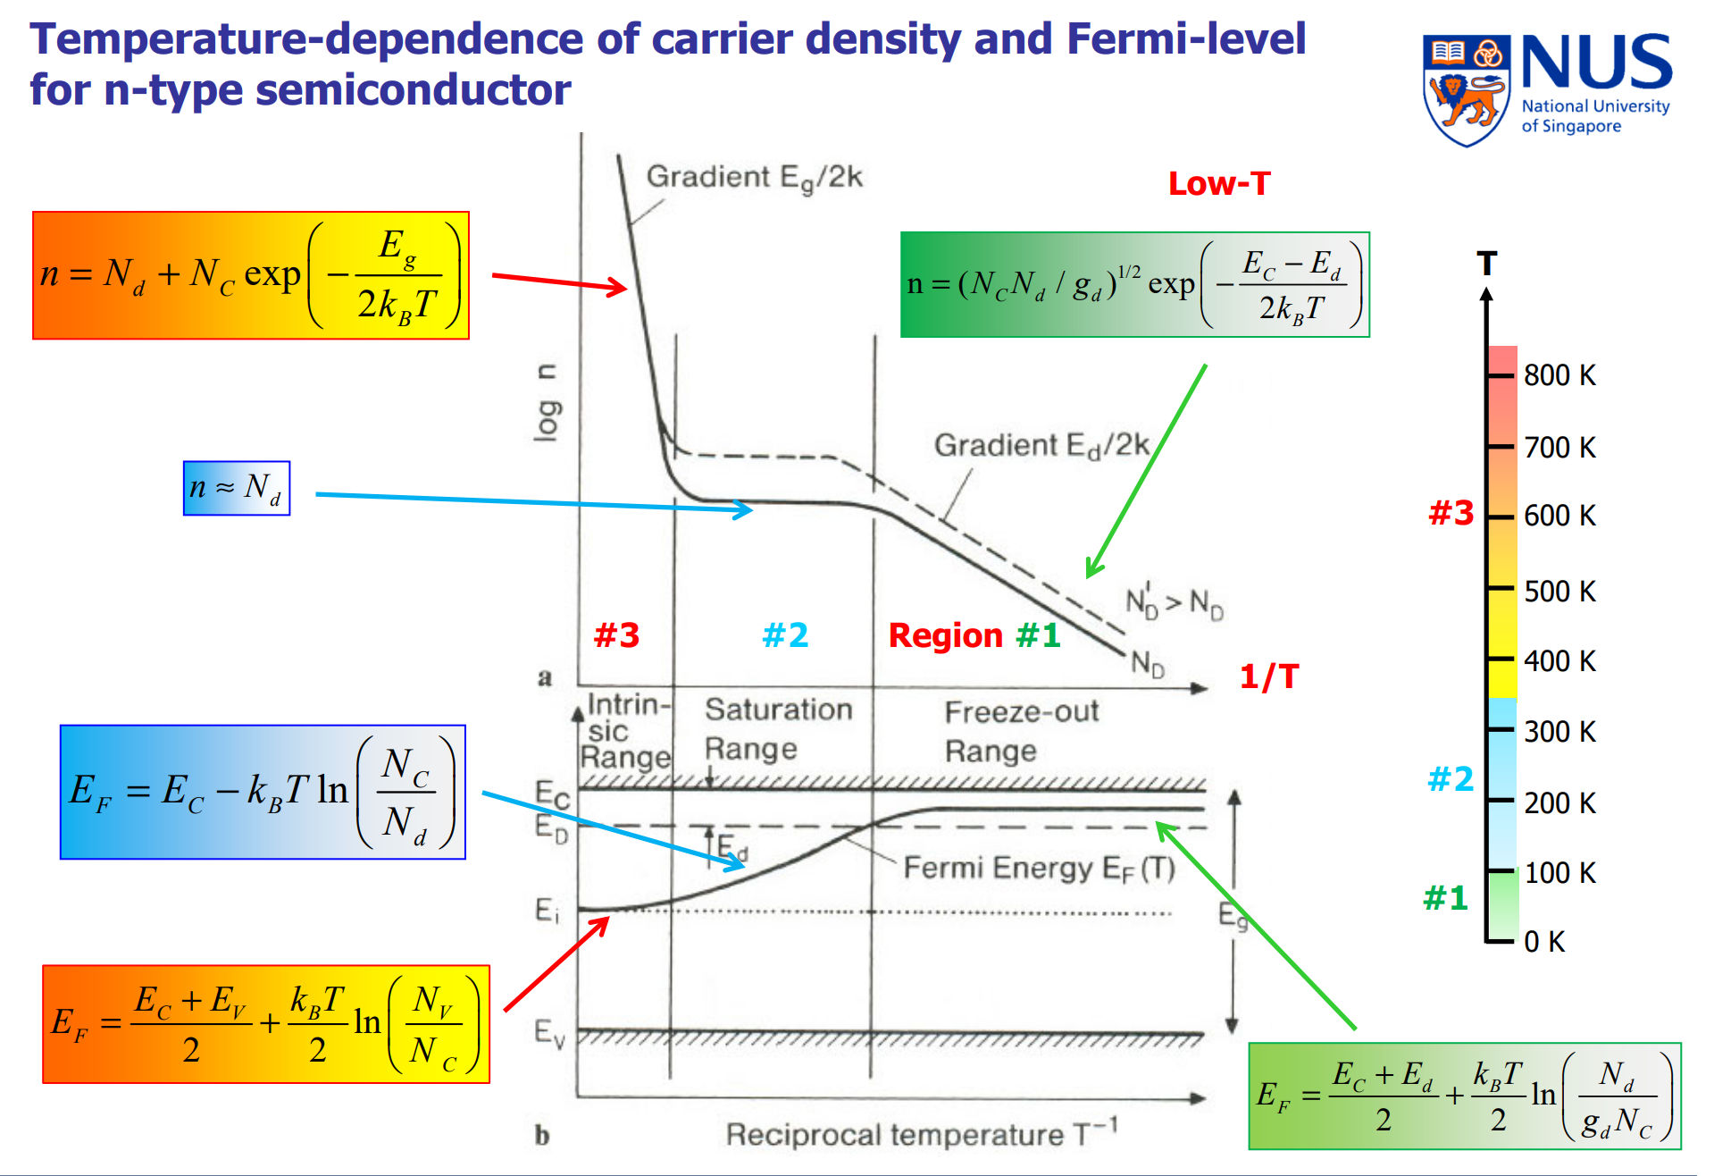
Summary at T = 300 K

Nd (cm^-3) | 1E+15
Na (cm^-3) | 0
Ef (eV) | 8.595E-01
n (cm^-3) | 9.996E+14
p (cm^-3) | 3.718E+04

Sheet Functions

Sheet Name | Function
Inputs | Has all constant values and parameters required for computation of Ef at T=300K using manual Bisection Method User Inputs: Na and Nd displayed
Calc_300K | It shows the manual execution for calculating T=300K using Bisection Method
Sweep_Temp | This sheet has an automated VBA code for automatically calculating Ef, n and p parameters from 10-800K temperature range with step size of 10K User Inputs: Na and Nd displayed
Plots | It displays three plots generated: (i) Ef(eV) Vs 1000/T (ii) n (log scale) Vs 1000/T (iii) p (log scale) Vs 1000/T
Summary | It summarizes the calculated values of Ef, n and p for T=300 K at give doping concentrations (Na and Nd as inputs from user)

References: | Lecture notes, Chatgpt for VBA Code Reference
Important Parameters and Equations

