Message Library
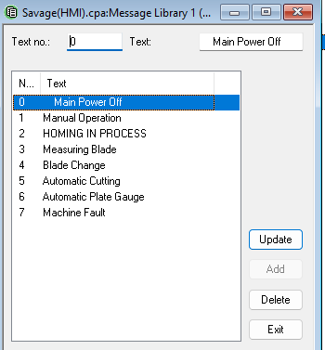
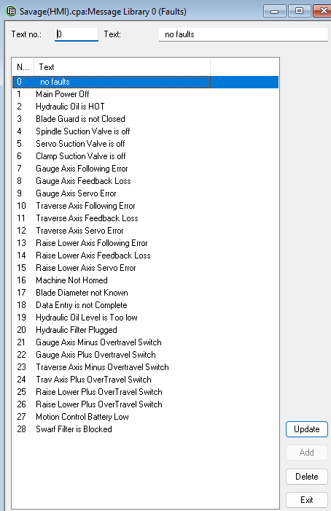

 |  | 0 | no faults
 |  | 1 | Main Power Off
 |  | 2 | Hydraulic Oil Hot - Warning
 |  | 3 | Hydraulic Oil Hot - Shutdown
 |  | 4 | Hydraulic Oil Level Low - Warning
 |  | 5 | Hydraulic Oil Level Low - Shutdown
 |  | 6 | Blade Guard is not Closed
 |  | 7 | Spindle Pump Inlet Valve is OFF
 |  | 8 | Pump1 InletValve is OFF
 |  | 9 | Pump2InletValve is OFF
 |  | 10 | Drain Valve Open
 |  | 11 | Loop Hydraulic Filter Dirty
 |  | 12 | Pressure Line Hydraulic Filer Dirty
 |  | 13 | Spindle Case Line Blocked
 |  | 14 | Swarf Filter is Blocked
 |  | 15 | Gauge Axis Following Error
 |  | 16 | Gauge Axis Feedback Loss
Note: Indicators for: |  | 17 | Gauge Servo Error
 | Auto Gauge | 18 | Gauge Axis Minus Over Travel Switch
 | Auto Cycle | 19 | Gauge Axis Plus Over Travel Switch
 | Blade Change | 20 | Traverse Axis Following Error
Have been removed as LED Indicators at Top of HMI |  | 21 | Traverse Axis Feedback Loss
 |  | 22 | Traverse Axis Servo Error
 |  | 23 | Traverse Axis Minus Over Travel Switch
 |  | 24 | Traverse Axis Plus Over Travel Switch
 |  | 25 | Raise Lower Following Error
 |  | 26 | Raise Lower Feedback Loss
 |  | 27 | Raise Lower Servo Error
 |  | 28 | Raise Lower Axis Minus Over Travel Switch
 |  | 29 | Raise Lower Axis Plus Over Travel Switch
 |  | 30 | Machine is Not Homed
 |  | 31 | Blade Diameter is Not Known
 |  | 32 | Data Entry is Not Complete

 |  |  | Motion Control Battery is Low | Not needed

Fault List
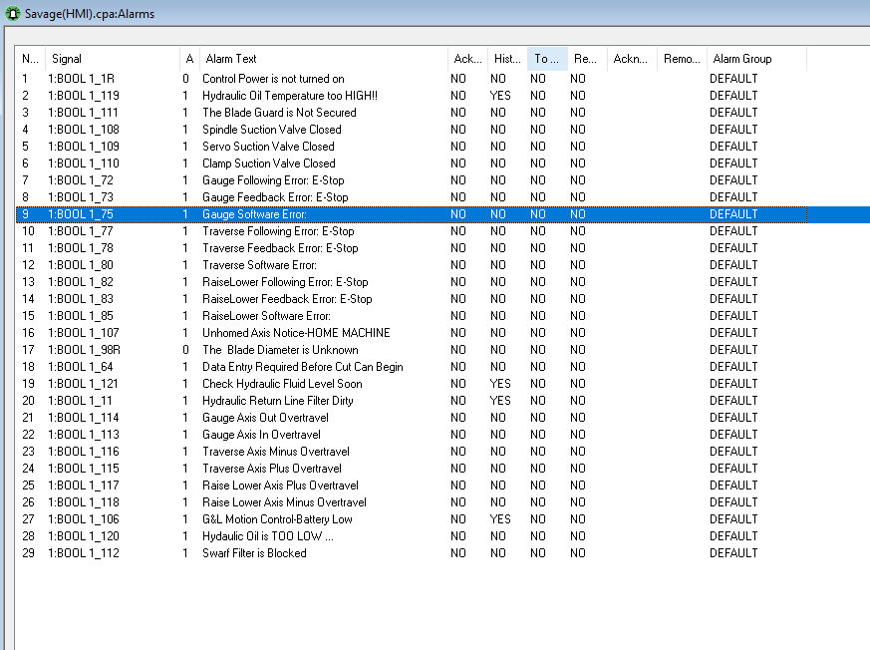

HMI Screen Shots
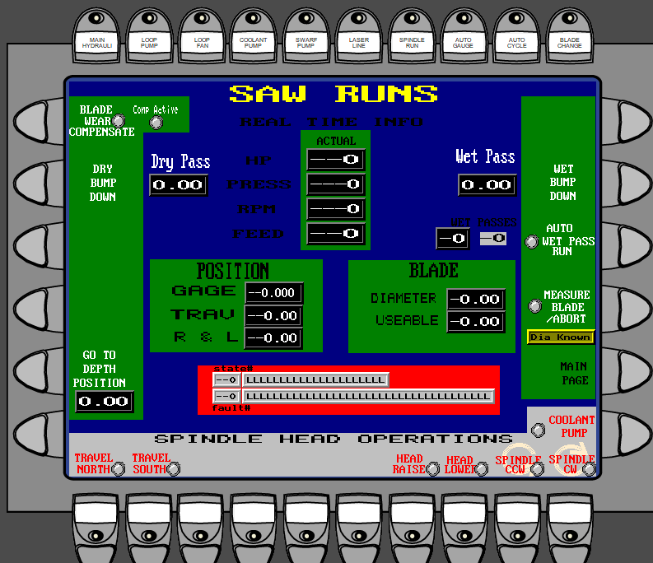
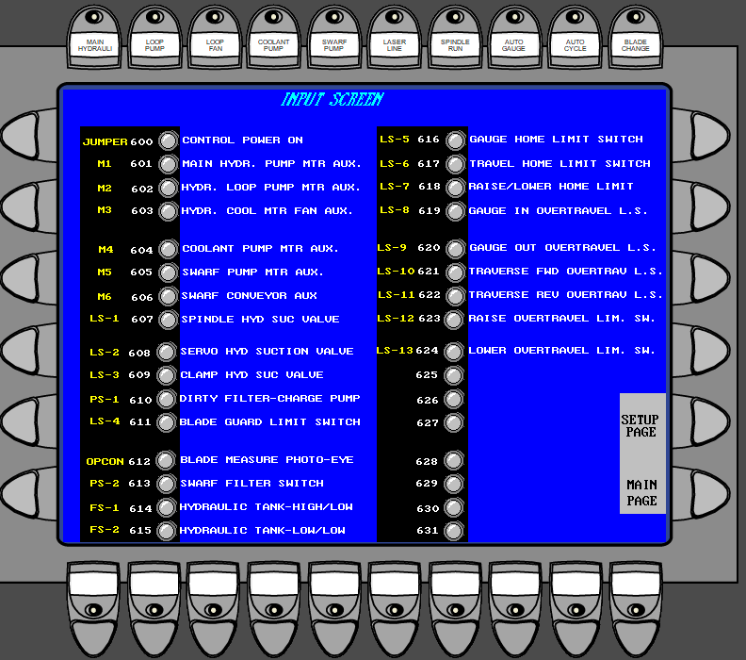
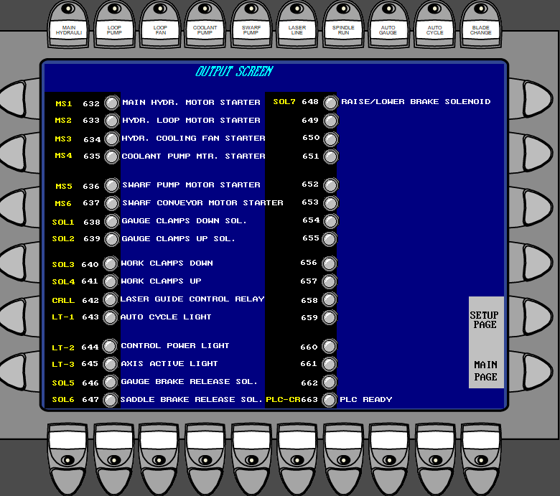
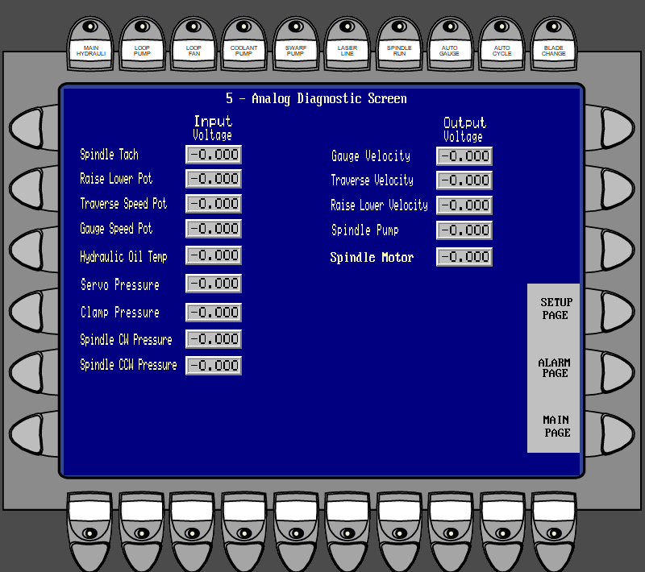
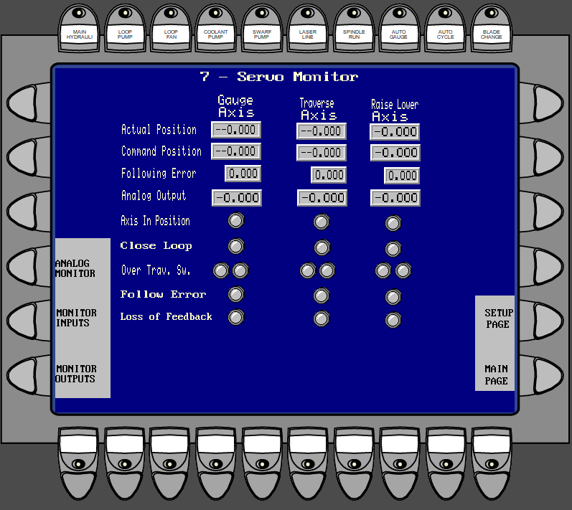
MAIN | SETUP & UTILITY

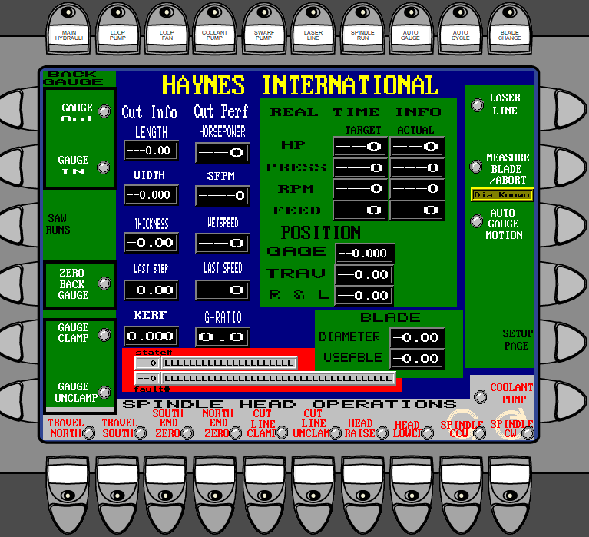
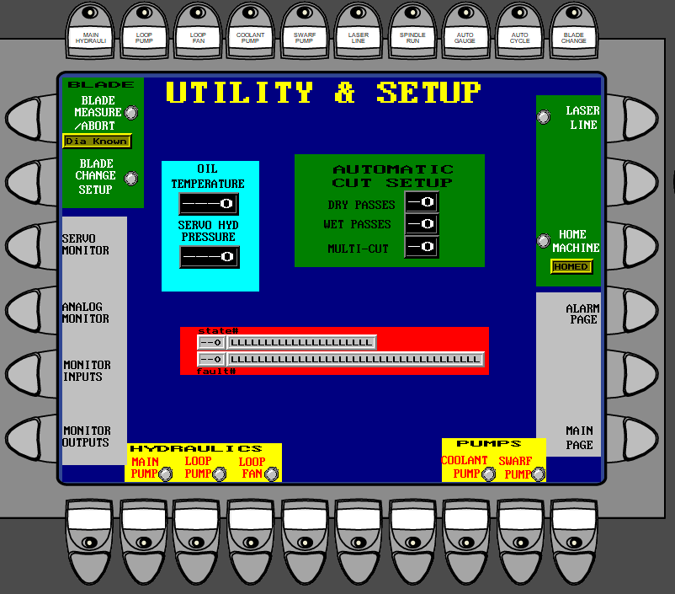

SAW RUNS

