Variable definitions
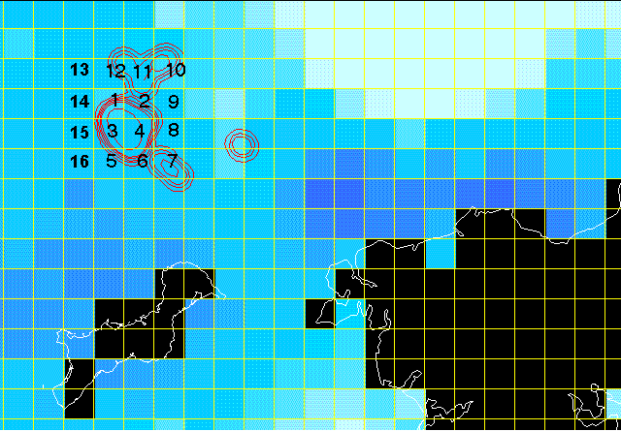
date | MM/DD/YYYY
year
month
day
jday | Julian Day
doy | day of year
min4_bs | Minimum % Ice Concentration Among Core 4 Pixels: Bootstrap Ice Concentration Algorithm

Data Set Source Documentation:

BOOTSTRAP ICE CONCENTRATIONS: |  | http://nsidc.org/data/nsidc-0079.html
NASATEAM ICE CONCENTRATIONS: |  | http://nsidc.org/data/nsidc-0051.html

Notes:

4 | In the Ecology and Evolution paper, we analyzed the "min4_bs" variable

Map of pixel locations (pixel numbers 1 to 16); Numbers 1-4 are the core winter area

