工作表1
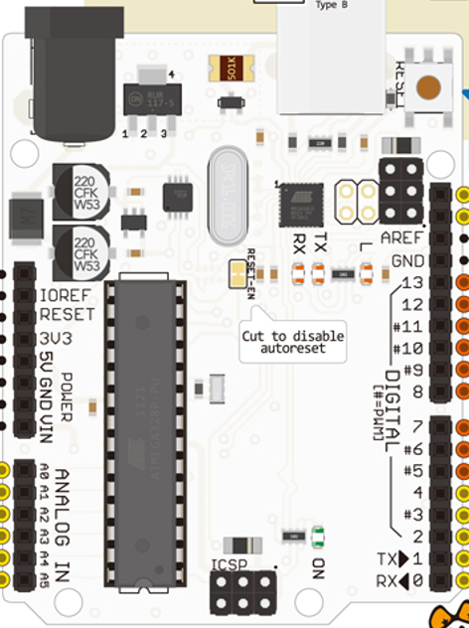
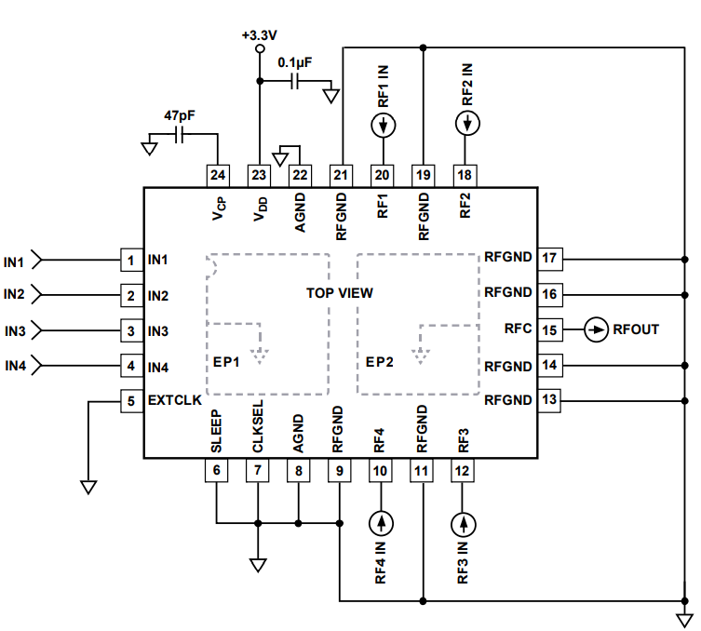
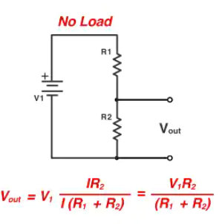

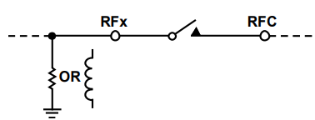

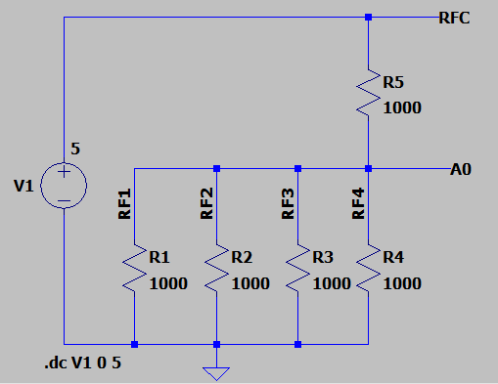
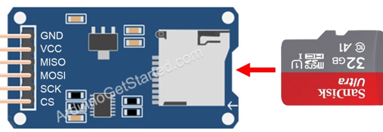

G
5V
12

11
13
10

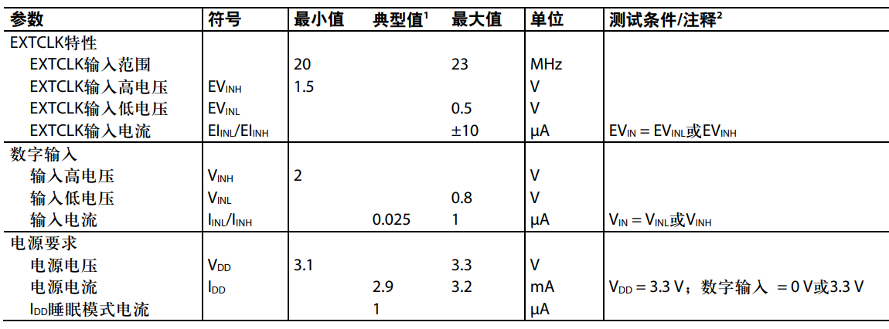


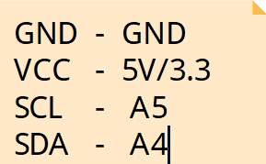
IN1 | IN2 | IN3 | IN4 | RF1 TO RFC | RF2 TO RFC | RF3 TO RFC | RF4 TO RFC | A0 電壓值 | 計算歐姆值
0 | 0 | 0 | 0 | X | X | X | X | 0 | 0
0 | 0 | 0 | 1 | X | X | X | ON | 2.5V | 2000+RoN
0 | 0 | 1 | 0 | X | X | ON | X | 2.5V | 2000+RoN
0 | 0 | 1 | 1 | X | X | ON | ON | 1.67V | 1500+RoN
0 | 1 | 0 | 0 | X | ON | X | X | 2.5V | 2000+RoN
0 | 1 | 0 | 1 | X | ON | X | ON | 1.67V | 1500+RoN
0 | 1 | 1 | 0 | X | ON | ON | X | 1.67V | 1500+RoN
0 | 1 | 1 | 1 | X | ON | ON | ON | 1.25V | 1333.33+RoN
1 | 0 | 0 | 0 | ON | X | X | X | 2.5V | 2000+RoN
1 | 0 | 0 | 1 | ON | X | X | ON | 2.5V | 2000+RoN
1 | 0 | 1 | 0 | ON | X | ON | X | 2.5V | 2000+RoN
1 | 0 | 1 | 1 | ON | X | ON | ON | 1.25V | 1333.33+RoN
1 | 1 | 0 | 0 | ON | ON | X | X | 2.5V | 2000+RoN
1 | 1 | 0 | 1 | ON | ON | X | ON | 1.25V | 1333.33+RoN
1 | 1 | 1 | 0 | ON | ON | ON | X | 1.25V | 1333.33+RoN
1 | 1 | 1 | 1 | ON | ON | ON | ON | 1V | 1250+RoN
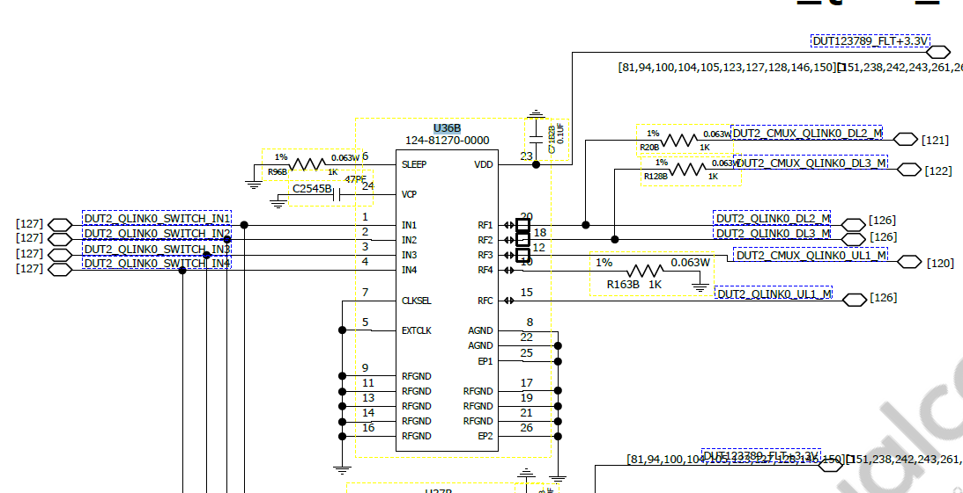

47PF
 |  |  |  |  |  |  |  |  |  |  | 24 | 1
0.1UF

1K

1K

1K
1K
 |  |  |  |  |  |  |  |  |  | A1

1K
5V
GND
 |  |  |  |  |  |  |  |  |  |  | 13 | 12

