Card
David W Knight
503-975-5544
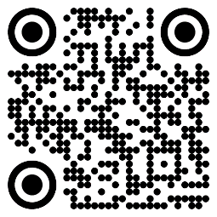

Get Yourself Some Cards!
Make up to $20 each as you use them!
Scan The QR Code

