Card
Your Name
Your Number
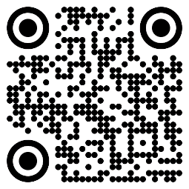

Get Yourself Some Cards!
This card may be worth $25!
Scan The QR Code

