Card
Your Name
Your Number
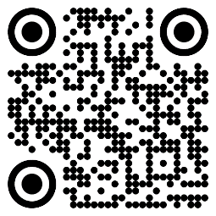

Scan Me
This card may be worth $25!

