Wk02-conditional-flow
# Controlling the flow

We always need to ensure that our scripts are able to handle various scenarios to return error-free and meaningful outputs. We do this by controlling the flow of our code (and not just how fast it runs).

Here are two main reasons we will control the flow:

### 1. Conditional Statements: decision-making based on conditions

> We want our code to flow based on inputs, calculations and other needs. Without flow control, a program would execute linearly without any logical progression.

### 2. Exception Handling: managing unforeseen errors

> Our scripts might need to interact with external web pages (or documents or other data). We can't account for every single variation we might run into and our code will break down when it doesn't know how to proceed.

> Flow control ensures that when errors happen, the program can handle them gracefully instead of crashing.

### 1. Conditional Statements
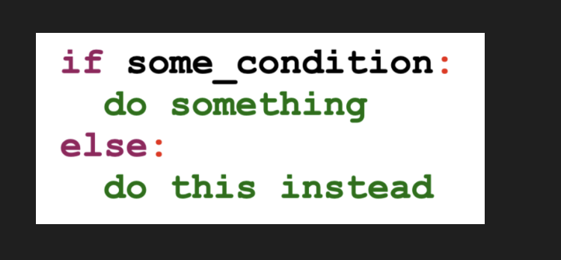

## Write an expression that evaluates someone's age and decides
## whether they can be served alcohol

age = 21
if age < 21:
print("No booze for you!")
else:
print("What will you have?")

What will you have?

### more often than not, there are multiple conditions that have to be tested:

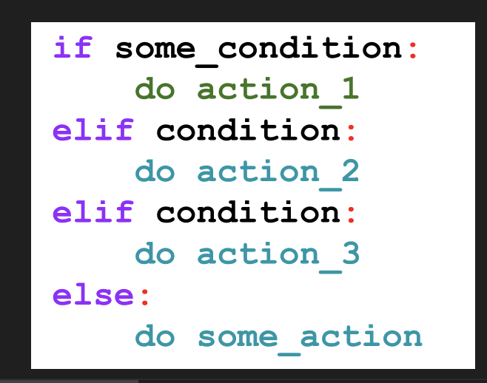

<b>Create a credit rating expression based on the following values</b>

- 300-579: Poor
- 580-669: Fair
- 670-739: Good
- 740-799: Very good
- 800-850: Excellent

Your output should say "Your credit of (whatever) is (rating)!"

## code here
credit = 800

if credit <= 579:
print(f"Your credit of {credit} is poor.")
elif 580 <= credit <= 669:
print(f"Your credit of {credit} is fair.")
elif 670 <= credit <= 739:
print(f"Your credit of {credit} is good.")
elif 740 <= credit <= 799:
print(f"Your credit of {credit} is very good.")
else:
print(f"Your credit of {credit} is excellent.")

Your credit of 800 is excellent.

## Inputs

So far we've been assigning a value to a variable.

But we can ask for inputs.

## ask someone to enter their age
age = input("How old are you? ")
How old are you? 4

## call the age

age
'4'

## what type of data is it?
type(age)
str

## convert to a number
age = int(input("how old are you? "))
how old are you? 4

## what type of data is it?
type(age)
int

## ask for age but convert to float
age = float(input("how old are you? "))
how old are you? 4.5

## what type of data is it?
type(age)
float

## Search & Replace

Sometimes we have to search for a value and remove it.

## find and remove the honorific "Dr."
my_name = "Dr. Sandeep Junnarkar"

## code it here
updated_name = my_name.replace("Dr. ", "")
updated_name
'Sandeep Junnarkar'

## one more
## Find and replace the % symbol with the word "percent"

my_pct = "The price jumped 10%."

## code it here
updated_pct = my_pct.replace("%", " percent")
updated_pct
'The price jumped 10 percent.'

## call this string
mystring = "The cat ran through the house onto the roof!"

## search
dog in mystring
FALSE

## Your Challenge

Update the list below with numbers you can actually run calculations on.

Store the updated values in a list called ```calc_revenues```.

## run this cell
revenues = ["$4.5 million",
"$1.1 billion",
"$2.1 trillion",
"$5.6 million",
"$6.9 billion",
"$100",
"$1,000"]

## CODE IT HERE

calc_revenues = [] ## empty list to hold updated values

## iterate through my list
for revenue in revenues:
# print(revenue)
value = revenue.replace("$", "").replace(",","") ## remove string values
# print(value)
## conditionals
if "million" in value:
calc_revenues.append(float(value.replace("million", "")) * 1_000_000)
elif "billion" in value:
calc_revenues.append(float(value.replace("billion", "")) * 1_000_000_000)
elif "trillion" in value:
calc_revenues.append(float(value.replace("trillion", "")) * 1_000_000_000_000)
else:
calc_revenues.append(float(value))

calc_revenues = [] ## empty list to hold updated values

## iterate through my list
for revenue in revenues:
# print(revenue)
value = revenue.replace("$", "").replace(",","") ## remove string values
# print(value)
## conditionals
if "million" in value:
updated_value = (float(value.replace("million", "")) * 1_000_000)
elif "billion" in value:
updated_value = (float(value.replace("billion", "")) * 1_000_000_000)
elif "trillion" in value:
updated_value = (float(value.replace("trillion", "")) * 1_000_000_000_000)
else:
updated_value = (float(value))

calc_revenues.append(updated_value)

## call our updated calc_revenues

calc_revenues
[4500000.0,
1100000000.0,
2100000000000.0,
5600000.0,
6900000000.0,
100.0,
1000.0]

### 2. Exception Handling: managing unforeseen errors

> Our scripts might need to interact with external web pages (or documents or other data). We can't account for every single variation we might run into and our code will break down when it doesn't know how to proceed.

> Flow control ensures that when errors happen, the program can handle them gracefully instead of crashing.

In Python, an ```exception``` is an error that occurs during the execution of a script.
If not handled, exceptions will stop the program and raise an error message, like below.

We will run into errors when we scrape webpages, read documents and run natural language analysis.

We might have to iterate through 10,000 links to scrape the content of each page. If some of those pages aren't structured as our scraper expects, our script will break. We'll get to those more complex cases in the near future. Today, we'll deal with a simplier ```exception```.

## divide 100 by 10
100 / 10

## divide 100 by 0

100 / 0

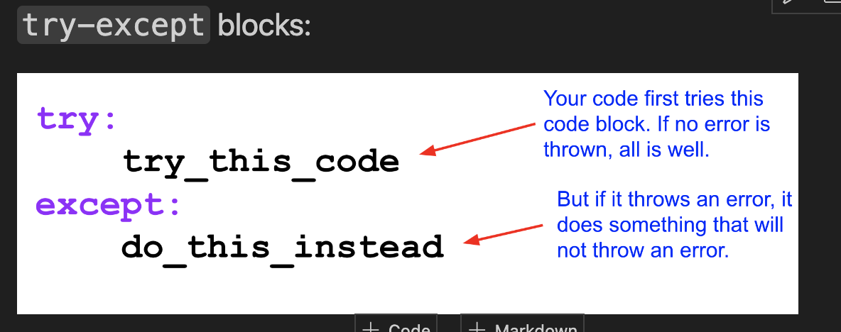

## code try-except block here

try:
num = int(input("Enter a number: "))
result = 100 / num
print(f"100 divided by {num} is {result}")
except ZeroDivisionError:
print("You can't divide by zero!")

Enter a number: 0
You can't divide by zero!

### You can have multiple exceptions

## divide a number by a string
100 / int("dog")
{
 | name: "ValueError",
 | message: "invalid literal for int() with base 10: 'dog'",
 | stack: "---------------------------------------------------------------------------
ValueError Traceback (most recent call last)
Cell In[54], line 2
1 ## divide a number by a string
----> 2 100 / int(\"dog\")

ValueError: invalid literal for int() with base 10: 'dog'"
}

## code try-multiple exceptions here
try:
num = int(input("Enter a number: "))
result = 100 / num
print(f"100 divided by {num} is {result}")
except ZeroDivisionError:
print("You can't divide by zero!")

except ValueError:
print("You had an invalid input. please enter an integer")

Enter a number: 50
100 divided by 50 is 2.0

### ```try-except-finally```

We tack on a ```finally``` block that executes code regardless of whether an exception was raised or not, usually just to show us how far our code has progressed.
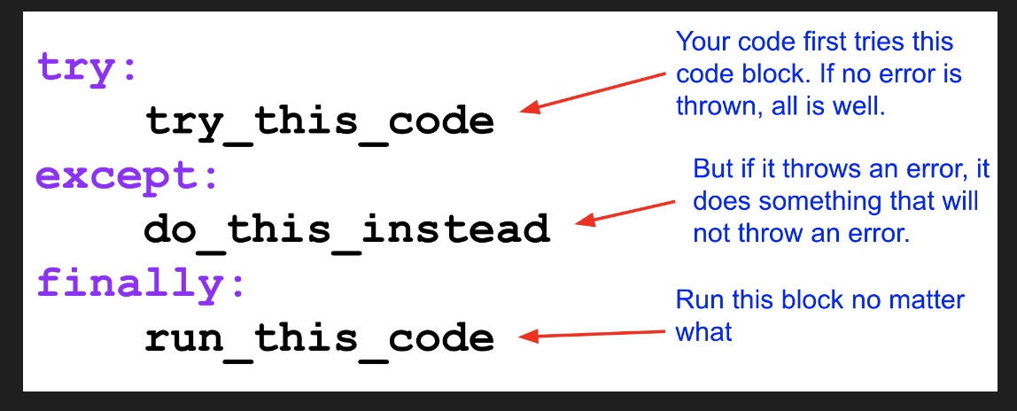
<img src="https://sandeepmj.github.io/image-host/try-except-finally.png" width="550">

## demo here

rent = 1_000
food = 300
income = 1_500
# income = "$1,500"
# food = "300"

try:
remaining_balance = income - food - rent
print(remaining_balance)
except TypeError:
print("You seem to have a string value as a variable")
finally:
print("Things are tough")

200
Things are tough

## Totally Unexpected Errors?

You actually don't even need to know what type of error you might encounter.

Let's say you scraped the following items from a website. Each index position in each list are related items.

## RUN THIS CELL
rents = [1_200, 1_700, " ", 2_100, "%", 1_999]
incomes = [3_000, 3_500, 4_000, 6_000, 3_500, 5_000 ]

**We want to calculate what percent of the income is spent on rent.**

## ```zip()``` allows us to ```for loop``` through multiple items¶

## zip these two lists together
for (rent, income) in zip(rents, incomes):
print(f"The rent is {rent} and income is {income}")
The rent is 1200 and income is 3000
The rent is 1700 and income is 3500
The rent is and income is 4000
The rent is 2100 and income is 6000
The rent is % and income is 3500
The rent is 1999 and income is 5000

## calculate the percent of income spent on rent:
## round to zero decimal places
## print( A person pays XXX in rent while earning xxx. That is xx percent of their income)
## If there's an exception, print "There's some error in this list" and print out the values.

for (rent, income) in zip(rents, incomes):
try:
percent = (rent/income) * 100
print(f"A person pays {rent} in rent while earning {income}.\
That is {percent} percent of their income")
except:
print("There is an error in this list")
print(f"{rent}, {income}")

A person pays 1200 in rent while earning 3000.That is 40.0 percent of their income
A person pays 1700 in rent while earning 3500.That is 48.57142857142857 percent of their income
There is an error in this list
, 4000
A person pays 2100 in rent while earning 6000.That is 35.0 percent of their income
There is an error in this list
%, 3500
A person pays 1999 in rent while earning 5000.That is 39.98 percent of their income

len(rents) == len(incomes)
TRUE

### Tracking Errors

It's critical to **compile** where and what caused the error.

How could we do that?

### create a list of dictionaries for the related errors

errors = []

for (rent, income) in zip(rents, incomes):
try:
percent = (rent/income) * 100
print(f"A person pays {rent} in rent while earning {income}.\
That is {percent} percent of their income")
except:
print("There is an error in this list")
errors.append({"rent": rent, "income": income})

A person pays 1200 in rent while earning 3000.That is 40.0 percent of their income
A person pays 1700 in rent while earning 3500.That is 48.57142857142857 percent of their income
There is an error in this list
A person pays 2100 in rent while earning 6000.That is 35.0 percent of their income
There is an error in this list
A person pays 1999 in rent while earning 5000.That is 39.98 percent of their income

## call errors errors
[{'rent': ' ', 'income': 4000}, {'rent': '%', 'income': 3500}]

## Uses in Data Journalism

When we scrape, analyze data or documents, we need to control the flow of our code.

- ```conditional expressions``` will allow you build logic and control the flow of your code.
- ```error handling``` will allos you to write script that doesn't break down when it encounters its first blip, and will even let you collect info on what exactly went wrong.

# If time :-)

## List Comprehension

## run this list
numbers = [0, 1, 2, 3, 4, 5, 6, 7, 8, 9, 10]
numbers
[0, 1, 2, 3, 4, 5, 6, 7, 8, 9, 10]

## use a FOR LOOP (FL) to create a list that holds the numbers times 10
numbers_fl = []
for number in numbers:
numbers_fl.append(number * 10)

numbers_fl
[0, 10, 20, 30, 40, 50, 60, 70, 80, 90, 100]

## use list comprehension (LC) to create a list that holds the numbers times 10

numbers_lc = [number * 10 for number in numbers]
numbers_lc

[0, 10, 20, 30, 40, 50, 60, 70, 80, 90, 100]

## use LC to create a list that holds only the even numbers
even_lc = [number * 3 for number in numbers if (number * 3) % 2 == 0]
even_lc

### Combine different data points together

#### You scrape some URLs and place them in a list called myURLS (provided below):

## run this cell to activate the list
myURLS = [
'great-unique-data-1.html',
'great-unique-data-2.html',
'great-unique-data-3.html',
'great-unique-data-4.html',
'great-unique-data-5.html',
'great-unique-data-6.html',
'great-unique-data-7.html',
'great-unique-data-8.html',
'great-unique-data-9.html',
'great-unique-data-10.html',
'great-unique-data-11.html',
'great-unique-data-12.html',
'great-unique-data-13.html',
'great-unique-data-14.html',
'great-unique-data-15.html'
]

### * You realize that these URLs are missing the base of "http://www.importantsite.com/"
### * Use a ```for loop``` to join the base URL to every partial URL in your list.
### * Print each FULL URL
It should look like: ```"http://www.importantsite.com/great-unique-data-14.html``` but with unique numbers

## Back to toxins list comprehension

# run this cell
toxins = [
"Recombinant Bovine Growth Hormone",
"Butylated Hydroxyanisole",
"Sodium Aluminum Sulphate",
"Potassium Aluminum Sulphate",
"Sodium Nitrite",
"Polycyclic Aromatic Hydrocarbons",
"Dioxins",
"Heterocyclic Amines",
"Butylated Hydroxytoluene",
"Polyvinyl Chloride",
"PVC",
"Perfluorooctanoic Acid",
"PFOA",
"Triclosan",
"Bisphenol-A",
"BPA",
"Formaldehyde",
"Naphthalene",
"Asbestos"
]

Using a ```list comprehension``` create a list called ```sodium_lc``` that captures only the toxins that have the word ```sodium``` in them.

## build here:
sodium_tox_lc = [toxin for toxin in toxins if "potassium" in toxin.lower()]
sodium_tox_lc
['Potassium Aluminum Sulphate']

toxins_fl = []
for toxin in toxins:
if "sodium" in toxin.lower():
toxins_fl.append(toxin)

toxins_fl
['Sodium Aluminum Sulphate', 'Sodium Nitrite']

lc = [item.upper() for item in items]

Wk03-tabular-scrapes
Wk03-tabular-scrapes

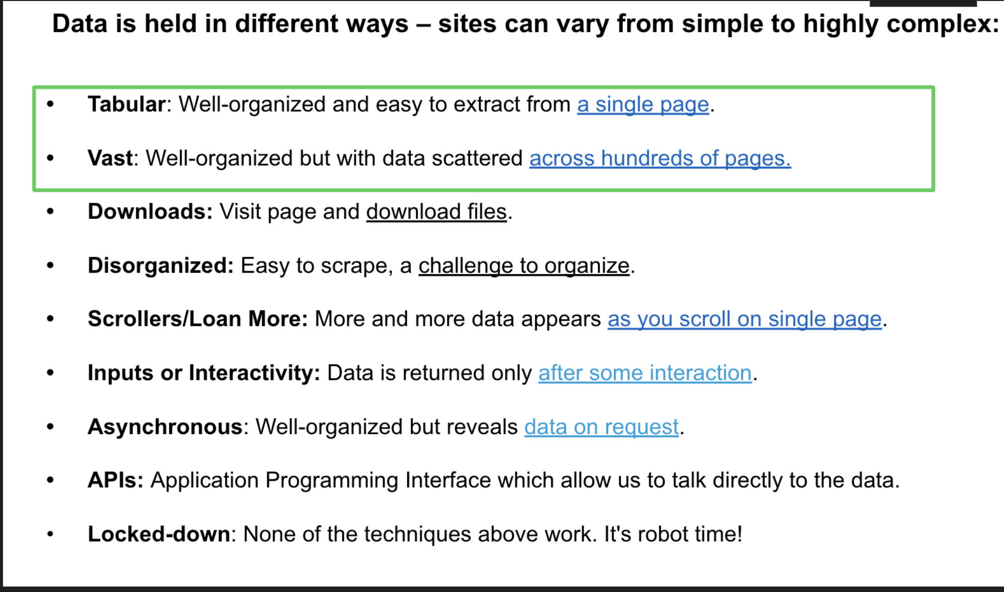

# Single Page, Single Table

### We want to scrape a table that contains favorite morning drinks on this <a href="https://sandeepmj.github.io/scrape-example-page/">demo page</a>.

The webpage is ```https://sandeepmj.github.io/scrape-example-page/```

**Create cells below as necessary**

import pandas as pd

pip install lxml
Requirement already satisfied: lxml in /Users/GSB/anaconda3/lib/python3.11/site-packages (4.9.3)
Note: you may need to restart the kernel to use updated packages.

## code here and create more cells
print(pd.__version__)
2.0.3

url ="https://sandeepmj.github.io/scrape-example-page/"

pd.read_html(url)
[ Drink Serving Size (oz) Caffeine (mg)
0 Coke Zero 16 45
1 Chai Latte 16 95
2 Caffe Latte 16 150,
Player position Played Team salary 2019
0 Kirk Cousins QB MIN $27,500,000
1 Jameis Winston QB TAM $20,922,000
2 Marcus Mariota QB TEN $20,922,000
3 Derek Carr QB OAK $19,900,000
4 Joe Flacco QB DEN $18,500,000
... ... ... ... ...
1909 D'Ernest Johnson RB CLE $495,000
1910 Garrett Bradbury OL MIN $495,000
1911 Alex Redmond G CIN $493,236
1912 Holton Hill CB MIN $435,882
1913 Tyrone Swoopes TE SEA $378,034

[1914 rows x 4 columns]]

## what type of object is it?
type(pd.read_html(url))
list

## store response
response = (pd.read_html(url))
response
[ Drink Serving Size (oz) Caffeine (mg)
0 Coke Zero 16 45
1 Chai Latte 16 95
2 Caffe Latte 16 150,
Player position Played Team salary 2019
0 Kirk Cousins QB MIN $27,500,000
1 Jameis Winston QB TAM $20,922,000
2 Marcus Mariota QB TEN $20,922,000
3 Derek Carr QB OAK $19,900,000
4 Joe Flacco QB DEN $18,500,000
... ... ... ... ...
1909 D'Ernest Johnson RB CLE $495,000
1910 Garrett Bradbury OL MIN $495,000
1911 Alex Redmond G CIN $493,236
1912 Holton Hill CB MIN $435,882
1913 Tyrone Swoopes TE SEA $378,034

[1914 rows x 4 columns]]

## how long is this list?
len(response)
2

df = response[0]
df

type(df)
pandas.core.frame.DataFrame

# Export it as a CSV.

df.to_csv("drinks.csv", index = False, encoding = "UTF-8")

pd.read_csv("drinks.csv")

## Exercise: Scrape NFL salaries

## read and store response
url ="https://sandeepmj.github.io/scrape-example-page/"
pd.read_html(url)
[ Drink Serving Size (oz) Caffeine (mg)
0 Coke Zero 16 45
1 Chai Latte 16 95
2 Caffe Latte 16 150,
Player position Played Team salary 2019
0 Kirk Cousins QB MIN $27,500,000
1 Jameis Winston QB TAM $20,922,000
2 Marcus Mariota QB TEN $20,922,000
3 Derek Carr QB OAK $19,900,000
4 Joe Flacco QB DEN $18,500,000
... ... ... ... ...
1909 D'Ernest Johnson RB CLE $495,000
1910 Garrett Bradbury OL MIN $495,000
1911 Alex Redmond G CIN $493,236
1912 Holton Hill CB MIN $435,882
1913 Tyrone Swoopes TE SEA $378,034

[1914 rows x 4 columns]]

## capture first table
response = (pd.read_html(url))
response
[ Drink Serving Size (oz) Caffeine (mg)
0 Coke Zero 16 45
1 Chai Latte 16 95
2 Caffe Latte 16 150,
Player position Played Team salary 2019
0 Kirk Cousins QB MIN $27,500,000
1 Jameis Winston QB TAM $20,922,000
2 Marcus Mariota QB TEN $20,922,000
3 Derek Carr QB OAK $19,900,000
4 Joe Flacco QB DEN $18,500,000
... ... ... ... ...
1909 D'Ernest Johnson RB CLE $495,000
1910 Garrett Bradbury OL MIN $495,000
1911 Alex Redmond G CIN $493,236
1912 Holton Hill CB MIN $435,882
1913 Tyrone Swoopes TE SEA $378,034

[1914 rows x 4 columns]]

df1 = response[1]
df1

df1.to_csv("nfl-salaries.csv", index = False, encoding = "UTF-8")

## use pandas to write to csv file

# Multi-page Tables Scrape Demo

You're often going to encounter data and tables spread across hundreds if not thousands of pages.

We might want to, for example, compile details about all the doctors <a href="https://apps.health.ny.gov/pubdoh/professionals/doctors/conduct/factions/AllRecordsAction.action">on this site</a> and export to a ```dataframe``` and a ```.csv``` file.

#### Today in class

We're going to scrape as a demo a table that runs across several pages on [this mock website](https://sandeepmj.github.io/scrape-example-page/heaviest-animals-page1.html).

```https://sandeepmj.github.io/scrape-example-page/heaviest-animals-page1.html```

# create cells as necessary
delays
for loops
conditional
f string

url = "https://sandeepmj.github.io/scrape-example-page/heaviest-animals-page1.html"

response = pd.read_html(url)
response[0]

url_list =["https://sandeepmj.github.io/scrape-example-page/heaviest-animals-page1.html"]

# range() and for loop

range(1,10)
range(1, 10)

for number in range(1,11):
print(number)
1
2
3
4
5
6
7
8
9
10

url_list =["https://sandeepmj.github.io/scrape-example-page/heaviest-animals-page"]
base_url = "https://sandeepmj.github.io/scrape-example-page/heaviest-animals-page"
base_url
'https://sandeepmj.github.io/scrape-example-page/heaviest-animals-page'

urls_fl = []
for url_number in range(1,6):
#print(url_number)
#print(f"{base_url}{url_number}.html")
urls_fl.append(f"{base_url}{url_number}.html")

urls_fl
['https://sandeepmj.github.io/scrape-example-page/heaviest-animals-page1.html',
'https://sandeepmj.github.io/scrape-example-page/heaviest-animals-page2.html',
'https://sandeepmj.github.io/scrape-example-page/heaviest-animals-page3.html',
'https://sandeepmj.github.io/scrape-example-page/heaviest-animals-page4.html',
'https://sandeepmj.github.io/scrape-example-page/heaviest-animals-page5.html']

urls_lc = [url_number for url_number in range(1,6)]
urls_lc
[1, 2, 3, 4, 5]

urls_lc = [f"{base_url}{url_number}.html" for url_number in range(1,6)]
urls_lc
['https://sandeepmj.github.io/scrape-example-page/heaviest-animals-page1.html',
'https://sandeepmj.github.io/scrape-example-page/heaviest-animals-page2.html',
'https://sandeepmj.github.io/scrape-example-page/heaviest-animals-page3.html',
'https://sandeepmj.github.io/scrape-example-page/heaviest-animals-page4.html',
'https://sandeepmj.github.io/scrape-example-page/heaviest-animals-page5.html']

# Timer

from random import randrange
import time

for url in urls_lc:
#print(url)
df = pd.read_html(url)
print(df)
snoozer = randrange(5,12)
print(f"Snoozing for {snoozer} secons before next scrape")
time.sleep(snoozer)
[ Animal Weight(kg) Type
0 Blue whale 136000 Marine
1 Bowhead whale 100000 Marine
2 Fin whale 70000 Marine
3 Southern right whale 45000 Marine
4 Humpback whale 30000 Marine]
Snoozing for 11 secons before next scrape
[ Animal Weight(kg) Type
0 Gray whale 28500 Marine
1 Northern right whale 23000 Marine
2 Sei whale 20000 Marine
3 Bryde's whale 16000 Marine
4 Baird's beaked whale 11380 Marine]
Snoozing for 11 secons before next scrape
[ Animal Weight(kg) Type
0 Minke whale 7500 Marine
1 Northern bottlenose whale 6500 Marine
2 Gervais's beaked whale 5600 Marine
3 African elephant 4800 Terrestrial
4 Killer whale 3988 Marine]
Snoozing for 7 secons before next scrape

for url in urls_lc:
try:
df = pd.read_html(url)
print(df)
except:
print(f"Uh oh...problem with {url}")
finally:
snoozer = randrange(5,12)
print(f"snoozing for {snoozer} seconds before next scrape")
time.sleep(snoozer)
[ Animal Weight(kg) Type
0 Blue whale 136000 Marine
1 Bowhead whale 100000 Marine
2 Fin whale 70000 Marine
3 Southern right whale 45000 Marine
4 Humpback whale 30000 Marine]
snoozing for 9 seconds before next scrape
[ Animal Weight(kg) Type
0 Gray whale 28500 Marine
1 Northern right whale 23000 Marine
2 Sei whale 20000 Marine
3 Bryde's whale 16000 Marine
4 Baird's beaked whale 11380 Marine]
snoozing for 6 seconds before next scrape
[ Animal Weight(kg) Type
0 Minke whale 7500 Marine
1 Northern bottlenose whale 6500 Marine
2 Gervais's beaked whale 5600 Marine
3 African elephant 4800 Terrestrial
4 Killer whale 3988 Marine]
snoozing for 10 seconds before next scrape
Uh oh...problem with https://sandeepmj.github.io/scrape-example-page/heaviest-animals-page4.html
snoozing for 11 seconds before next scrape
[ Animal Weight(kg) Type
0 Hippopotamus 3750 Terrestrial
1 Asian elephant 3178 Terrestrial
2 Cuvier's beaked whale 2701 Marine
3 Short-finned pilot whale 2200 Marine
4 White rhinoceros 2175 Terrestrial]
snoozing for 6 seconds before next scrape

total_links = len(urls_lc)
total_links
5

df_all = []
problem_urls = [] ##holds problem urls
counter = 0

for url in urls_lc:
counter = counter + 1
print(f"Scraping link {counter} of {total_links}")
#counter+= 1
try:
df = pd.read_html(url)
print(df[0])
df_all.append(df[0])
except:
print(f"Uh oh...problem with {url}")
problem_urls.append(url)
finally:
snoozer = randrange(5,12)
print(f"snoozing for {snoozer} seconds before next scrape")
time.sleep(snoozer)

print("Done scraping!")

Scraping link 1 of 5
Animal Weight(kg) Type
0 Blue whale 136000 Marine
1 Bowhead whale 100000 Marine
2 Fin whale 70000 Marine
3 Southern right whale 45000 Marine
4 Humpback whale 30000 Marine
snoozing for 8 seconds before next scrape
Scraping link 2 of 5
Animal Weight(kg) Type
0 Gray whale 28500 Marine
1 Northern right whale 23000 Marine
2 Sei whale 20000 Marine
3 Bryde's whale 16000 Marine
4 Baird's beaked whale 11380 Marine
snoozing for 5 seconds before next scrape
Scraping link 3 of 5
Animal Weight(kg) Type
0 Minke whale 7500 Marine
1 Northern bottlenose whale 6500 Marine
2 Gervais's beaked whale 5600 Marine
3 African elephant 4800 Terrestrial
4 Killer whale 3988 Marine
snoozing for 7 seconds before next scrape
Scraping link 4 of 5
Uh oh...problem with https://sandeepmj.github.io/scrape-example-page/heaviest-animals-page4.html
snoozing for 8 seconds before next scrape
Scraping link 5 of 5
Animal Weight(kg) Type
0 Hippopotamus 3750 Terrestrial
1 Asian elephant 3178 Terrestrial
2 Cuvier's beaked whale 2701 Marine
3 Short-finned pilot whale 2200 Marine
4 White rhinoceros 2175 Terrestrial
snoozing for 5 seconds before next scrape
Done scraping!

df_all

[ Animal Weight(kg) Type
0 Blue whale 136000 Marine
1 Bowhead whale 100000 Marine
2 Fin whale 70000 Marine
3 Southern right whale 45000 Marine
4 Humpback whale 30000 Marine,
Animal Weight(kg) Type
0 Gray whale 28500 Marine
1 Northern right whale 23000 Marine
2 Sei whale 20000 Marine
3 Bryde's whale 16000 Marine
4 Baird's beaked whale 11380 Marine,
Animal Weight(kg) Type
0 Minke whale 7500 Marine
1 Northern bottlenose whale 6500 Marine
2 Gervais's beaked whale 5600 Marine
3 African elephant 4800 Terrestrial
4 Killer whale 3988 Marine,
Animal Weight(kg) Type
0 Hippopotamus 3750 Terrestrial
1 Asian elephant 3178 Terrestrial
2 Cuvier's beaked whale 2701 Marine
3 Short-finned pilot whale 2200 Marine
4 White rhinoceros 2175 Terrestrial]

df_all[0]

problem_urls

pd.concat(df_all, ignore_index = True)

Wk04-scraping-nontabular
# Scraping non-tabular content with ```BeautifulSoup```
### We'll learn to some basic scraping techniques using this mock site <a href="https://sandeepmj.github.io/scrape-example-page/demo-text.html">demo page</a>.

### All web scraping requires a little sleuthing:

* Is the content on the page (use ```Reveal Source```)?
* Where and how is the content held on the page?
* How can we access it?
* Is there a pattern?
* Is there anything that breaks the pattern?

## import library
import requests ## what pulls down all the html from the server
import pandas as pd
from bs4 import BeautifulSoup

## Requesting web content

##scrape url website
url = "https://sandeepmj.github.io/scrape-example-page/demo-text.html"
response = requests.get(url)

## did it work?
response.status_code

## what type of object did we capture?
type(response)
requests.models.Response

## Response codes

When you scrape hundreds of pages, there's chance that one of the URLs might be a dud.

We can set up a error control to see what kind of responses we get:

```<Response [200]>``` means website is accessible.

```<Response [300]>``` your request is being re-directed.

```<Response [403]>``` your request was received but declined.

```<Response [404]>``` means broken link or no page on content.

```<Response [500]>``` means your request encountered some generic server error.

## Pull out what we want using

- ```response.text``` for string content like HTML, XML etc.
- ```response.content``` for binary content like PDFs, images, etc.

## see reponse.text object response.text
'<!doctype html>\n<html lang="en">\n<head>\n\t<title>title tag</title>\n\t<style>\nbody {padding: 20px; max-width: 700px; margin: 0 auto;}\n</style>\n</head>\n\n<body>\n\t<h1 class="title"><b>The title headline is Demo for BeautifulSoup</b></p></h1>\n\t<p>Learning to scrape using BeautifulSoup.</p>\n\t<div class="content article">\n\t\t<section>\n\t\t<p>Here\'s some pretty useless info:</p>\n\t</section>\n\t\t<section class="main" id="all_plants">\n\t\t\t<h2 class="subhead" id="vegitation">Plants</h2>\n\t\t\t<p class="article">Three plants that thrive in deep shade:</p>\n\t\t\t<ol>\n\t\t\t\t<li><a href="http://example.com/plant1" class="plants life" id="plant1">Plant 1</a>: <span class="cost">$10</span></li>\n\t\t\t\t<li><a href="http://example.com/plant2" class="plants life" id="plant2">Plant 2</a>: <span class="cost">$20</span></li>\n\t\t\t\t<li><a href="http://example.com/plant3" class="plants life" id="plant3">Plant 3</a> <span class="cost">$30</span></li>\n\t\t\t</ol>\n\t\t</section>\n\n\t\t<section class="main" id="all_animals">\n\t\t\t<h2 class="subhead" id="creatures">Animals</h2>\n\n\t\t\t<p class="article"> Three animals in the barn:</p>\n\t\t\t<ol>\n\t\t\t\t<li><a href="http://example.com/animal1" class="animals life" id="animal1">Animal 1</a>: <span class="cost">$500</span></li>\n\t\t\t\t<li><a href="http://example.com/animal2" class="animals life" id="animal2">Animal 2</a>: <span class="cost">$600</span> </li>\n\t\t\t\t<li><a href="http://example.com/animal3" class="animals life" id="animal3">Animal 3</a>: <span class="cost">$700</span></li>\n\t\t\t</ol>\n\t\t</section>\n\t\t<section>\n\t\t\t<h2 class="subhead" id="objects">Objects</h2>\n\t\t\t<p class="article"> Three shiny rocks:</p>\n\t\t\t<ol>\n\t\t\t\t<li><a href="http://example.com/rock1" class="rock inanimate" id="rock1"><span>Rock 1</span></a></li>\n\t\t\t\t<li><a href="http://example.com/rock2" class="rock inanimate" id="rock2"><span>Rock 2</span></a></li>\n\t\t\t\t<li><a href="http://example.c

## what object does response.text return?
type(response.text)
str

## what object does response.content return?
response.content
b'<!doctype html>\n<html lang="en">\n<head>\n\t<title>title tag</title>\n\t<style>\nbody {padding: 20px; max-width: 700px; margin: 0 auto;}\n</style>\n</head>\n\n<body>\n\t<h1 class="title"><b>The title headline is Demo for BeautifulSoup</b></p></h1>\n\t<p>Learning to scrape using BeautifulSoup.</p>\n\t<div class="content article">\n\t\t<section>\n\t\t<p>Here\'s some pretty useless info:</p>\n\t</section>\n\t\t<section class="main" id="all_plants">\n\t\t\t<h2 class="subhead" id="vegitation">Plants</h2>\n\t\t\t<p class="article">Three plants that thrive in deep shade:</p>\n\t\t\t<ol>\n\t\t\t\t<li><a href="http://example.com/plant1" class="plants life" id="plant1">Plant 1</a>: <span class="cost">$10</span></li>\n\t\t\t\t<li><a href="http://example.com/plant2" class="plants life" id="plant2">Plant 2</a>: <span class="cost">$20</span></li>\n\t\t\t\t<li><a href="http://example.com/plant3" class="plants life" id="plant3">Plant 3</a> <span class="cost">$30</span></li>\n\t\t\t</ol>\n\t\t</section>\n\n\t\t<section class="main" id="all_animals">\n\t\t\t<h2 class="subhead" id="creatures">Animals</h2>\n\n\t\t\t<p class="article"> Three animals in the barn:</p>\n\t\t\t<ol>\n\t\t\t\t<li><a href="http://example.com/animal1" class="animals life" id="animal1">Animal 1</a>: <span class="cost">$500</span></li>\n\t\t\t\t<li><a href="http://example.com/animal2" class="animals life" id="animal2">Animal 2</a>: <span class="cost">$600</span> </li>\n\t\t\t\t<li><a href="http://example.com/animal3" class="animals life" id="animal3">Animal 3</a>: <span class="cost">$700</span></li>\n\t\t\t</ol>\n\t\t</section>\n\t\t<section>\n\t\t\t<h2 class="subhead" id="objects">Objects</h2>\n\t\t\t<p class="article"> Three shiny rocks:</p>\n\t\t\t<ol>\n\t\t\t\t<li><a href="http://example.com/rock1" class="rock inanimate" id="rock1"><span>Rock 1</span></a></li>\n\t\t\t\t<li><a href="http://example.com/rock2" class="rock inanimate" id="rock2"><span>Rock 2</span></a></li>\n\t\t\t\t<li><a href="http://example.

### Introducing ```BeautifulSoup```:

- The structure and organization of HTML & CSS no longer work as they on web page.
- The ```response.text``` object is a string - literally. That would be like our ```Python``` code losing its inherent functionality in Microsoft Word!
- ```BeautifulSoup``` turns that string back into an object that can tap the hierarchical structure of ```HTML``` and ```CSS``` .
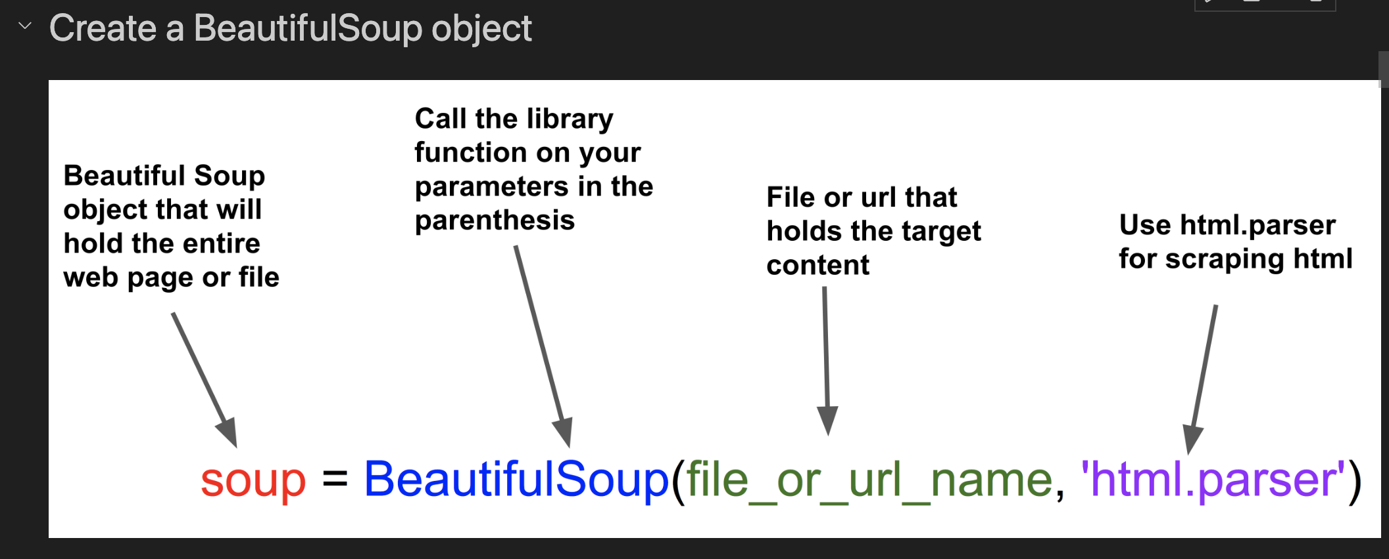

## we add name of our file
soup = BeautifulSoup(response.text, "html.parser")
soup
<!DOCTYPE html> <html lang="en"> <head> <title>title tag</title> <style> body {padding: 20px; max-width: 700px; margin: 0 auto;} </style> </head> <body> <h1 class="title"><b>The title headline is Demo for BeautifulSoup</b></h1> <p>Learning to scrape using BeautifulSoup.</p> <div class="content article"> <section> <p>Here's some pretty useless info:</p> </section> <section class="main" id="all_plants"> <h2 class="subhead" id="vegitation">Plants</h2> <p class="article">Three plants that thrive in deep shade:</p> <ol> <li><a class="plants life" href="http://example.com/plant1" id="plant1">Plant 1</a>: <span class="cost">$10</span></li> <li><a class="plants life" href="http://example.com/plant2" id="plant2">Plant 2</a>: <span class="cost">$20</span></li> <li><a class="plants life" href="http://example.com/plant3" id="plant3">Plant 3</a> <span class="cost">$30</span></li> </ol> </section>
...
</ul> </section> </div> </body> </html>
Output is truncated. View as a scrollable element or open in a text editor. Adjust cell output settings...

## prettify our printout
print(soup.prettify())
Will format the text including indentations.

## What type of file is it?
type(soup)
bs4.BeautifulSoup

# Targeting content

### ```HTML tags```

## get title of page
soup.title
<title>title tag</title>

## What about the h1 tag with the class of title? ## How can we have two titles? soup.h1
<h1 class="title"><b>The title headline is Demo for BeautifulSoup</b></h1>

## Searching for IDs ```soup(id="ID_name")```

## SEARCH BY ID for "animal1"
soup(id="animal1")
[<a class="animals life" href="http://example.com/animal1" id="animal1">Animal 1</a>]

## SEARCH BY ID for "plant1" soup(id="plant1")
[<a class="plants life" href="http://example.com/plant1" id="plant1">Plant 1</a>]

## Finding ```class```

Let's say we want to find the first ```p tag``` content with the ```article class```

```find()``` returns the first occurence of any item you are searching for.

There are three ways to target our content but only Method 3 is the most precise way.

## a wide net is not best
soup.p
<p>Learning to scrape using BeautifulSoup.</p>

### Method 2. Target the class only

- Use ```soup.find(class_="class_name"``` to be clear what class we are looking for.
- ```class_``` is not Python or BeautifulSoup. It is simply there to tell us we are looking for a ```class```. Because ```class``` (a type of data) is a Python reserved word, we add the ```_``` to tell us we are referring to an ```HTML class```.

# find the first p tag with the class "article"
## this is still too wide
soup.find(class_="article")

<div class="content article">
<section>
<p>Here's some pretty useless info:</p>
</section>
<section class="main" id="all_plants">
<h2 class="subhead" id="vegitation">Plants</h2>
<p class="article">Three plants that thrive in deep shade:</p>
<ol>
<li><a class="plants life" href="http://example.com/plant1" id="plant1">Plant 1</a>: <span class="cost">$10</span></li>
<li><a class="plants life" href="http://example.com/plant2" id="plant2">Plant 2</a>: <span class="cost">$20</span></li>
<li><a class="plants life" href="http://example.com/plant3" id="plant3">Plant 3</a> <span class="cost">$30</span></li>
</ol>
</section>
<section class="main" id="all_animals">
<h2 class="subhead" id="creatures">Animals</h2>
<p class="article"> Three animals in the barn:</p>
<ol>
<li><a class="animals life" href="http://example.com/animal1" id="animal1">Animal 1</a>: <span class="cost">$500</span></li>
<li><a class="animals life" href="http://example.com/animal2" id="animal2">Animal 2</a>: <span class="cost">$600</span> </li>
<li><a class="animals life" href="http://example.com/animal3" id="animal3">Animal 3</a>: <span class="cost">$700</span></li>
</ol>
</section>
<section>
<h2 class="subhead" id="objects">Objects</h2>
<p class="article"> Three shiny rocks:</p>
<ol>
<li><a class="rock inanimate" href="http://example.com/rock1" id="rock1"><span>Rock 1</span></a></li>
<li><a class="rock inanimate" href="http://example.com/rock2" id="rock2"><span>Rock 2</span></a></li>
<li><a class="rock inanimate" href="http://example.com/rock2" id="rock3"><span>Rock 3</span></a></li>
</ol>
</section>
<section>
<h2>The seven classifications of animals</h2>
<ul>
<li><a class="animals" href="http://example.com/kingdom">Kingdom</a></li>
<li><a class="animals" href="http://example.com/phylum">Phylum</a></li>
<li><a class="animals" href="http://example.com/class">Class</a></li>
<li><a class="animals" href="http://example.com/order">Order</a></li>
<li><a class="animals" href="http://example.com/family">Family</a></li>
<li><a class="animals" href="http://example.com/genus">Genus</a></li>
<li><a class="animals" href="http://example.com/species">Species</a></li>
</ul>
</section>
</div>

### Method 3. Precision, clarity and simplicity

In the previous example, we could have run into trouble in case the ```class = "article"``` applied to multiple tags.

- Use the ```tag``` and the ```class``` to add precision, clarity and simplicity.

```soup.find("tag_name", class_="class_name")```

# find the first p tag with the class "article"
soup.find("p", class_="article")
<p class="article">Three plants that thrive in deep shade:</p>

## ```find_all``` tags, classes

- ```find_all``` is **the most widely** used BeautifulSoup command.
- Unlike ```find``` it returns **ALL** occurences of a class or tag.
- Remember ```find``` returns just the first occurence.
- ```soup.find_all("tag_name", class_="class_name")```
- It returns all occurences in a **```beautifulSoup object```** that is similiar to a **```list```**.

## Return all p tag content with the class "article"
soup.find_all("p", class_="article")
[<p class="article">Three plants that thrive in deep shade:</p>,
<p class="article"> Three animals in the barn:</p>,
<p class="article"> Three shiny rocks:</p>]

## what type of object is returned
type(soup.find_all("p", class_="article"))
bs4.element.ResultSet

## length
len(soup.find_all("p", class_="article"))
3

my_articles = soup.find_all("p", class_="article")
my_articles
[<p class="article">Three plants that thrive in deep shade:</p>,
<p class="article"> Three animals in the barn:</p>,
<p class="article"> Three shiny rocks:</p>]

## slice first item from this resultSet object
my_articles[0]
<p class="article">Three plants that thrive in deep shade:</p>

## what type of object is this first resultSet object?
type(my_articles[0])
bs4.element.Tag

### Find all life forms on the page

## code it here and store in lifeforms
lifeforms = soup.find_all("a", class_="life")
lifeforms
[<a class="plants life" href="http://example.com/plant1" id="plant1">Plant 1</a>,
<a class="plants life" href="http://example.com/plant2" id="plant2">Plant 2</a>,
<a class="plants life" href="http://example.com/plant3" id="plant3">Plant 3</a>,
<a class="animals life" href="http://example.com/animal1" id="animal1">Animal 1</a>,
<a class="animals life" href="http://example.com/animal2" id="animal2">Animal 2</a>,
<a class="animals life" href="http://example.com/animal3" id="animal3">Animal 3</a>]

## Text only!

We don't need the ```HTML``` or ```CSS``` for our analysis.

## return just a string of the tag:
soup.title.string
'title tag'

### string v. get_text()

In most cases, our final step in a scrape is to convert everything to a string. We don't want all the ```html```.

We can use ```.string``` or ```get_text().```

- ```get_text()``` is far more powerful because you can add parameters to strip, specify separators, etc.

I **only** use ```get_text()```.

## get only title text and not html
soup.title.get_text()
'title tag'

## use string on soup (returns nothing)
soup.string

## get text from soup
soup.get_text()
\n\n\ntitle tag\n\n\n\nThe title headline is Demo for BeautifulSoup\nLearning to scrape using BeautifulSoup.\n\n\nHere's some pretty useless info:\n\n\nPlants\nThree plants that thrive in deep shade:\n\nPlant 1: $10\nPlant 2: $20\nPlant 3 $30\n\n\n\nAnimals\n Three animals in the barn:\n\nAnimal 1: $500\nAnimal 2: $600 \nAnimal 3: $700\n\n\n\nObjects\n Three shiny rocks:\n\nRock 1\nRock 2\nRock 3\n\n\n\nThe seven classifications of animals\n\nKingdom\nPhylum\nClass\nOrder\nFamily\nGenus\nSpecies\n\n\n\n\n\n

## get rid of weird characters
soup.get_text(strip = "True")
'Learning to scrape using BeautifulSoup.'

## recall our lifeforms object
lifeforms
[<a class="plants life" href="http://example.com/plant1" id="plant1">Plant 1</a>,
<a class="plants life" href="http://example.com/plant2" id="plant2">Plant 2</a>,
<a class="plants life" href="http://example.com/plant3" id="plant3">Plant 3</a>,
<a class="animals life" href="http://example.com/animal1" id="animal1">Animal 1</a>,
<a class="animals life" href="http://example.com/animal2" id="animal2">Animal 2</a>,
<a class="animals life" href="http://example.com/animal3" id="animal3">Animal 3</a>]

## get just the text from lifeforms
## this breaks
lifeforms.get_text()
{
 | name: "AttributeError",
 | message: "ResultSet object has no attribute 'get_text'. You're probably treating a list of elements like a single element. Did you call find_all() when you meant to call find()?",
 | stack: "---------------------------------------------------------------------------
AttributeError Traceback (most recent call last)
Cell In[33], line 3
1 ## get just the text from lifeforms
2 ## this breaks
----> 3 lifeforms.get_text()

File ~/opt/anaconda3/lib/python3.9/site-packages/bs4/element.py:2428, in ResultSet.__getattr__(self, key)
2426 def __getattr__(self, key):
2427 \"\"\"Raise a helpful exception to explain a common code fix.\"\"\"
-> 2428 raise AttributeError(
2429 \"ResultSet object has no attribute '%s'. You're probably treating a list of elements like a single element. Did you call find_all() when you meant to call find()?\" % key
2430 )

AttributeError: ResultSet object has no attribute 'get_text'. You're probably treating a list of elements like a single element. Did you call find_all() when you meant to call find()?"
}

### You can't just get the text for the lifeforms.
### Why? You can't call ```.get_text()``` on a ```<class 'bs4.element.ResultSet'>``` object.

## Instead, iterate through and work on each item in the list (same as a ```ResultSet```) which in this case is a ```<class 'bs4.element.Tag'>```

## for for all lifeforms
for life in lifeforms:
print(life.get_text())
print("************")
Plant 1 ************ Plant 2 ************ Plant 3 ************ Animal 1 ************ Animal 2 ************ Animal 3 ************

## Storing values

We haven't been saving in values in memory.

## store text only into a list called lifeforms_fl
lifeforms_fl = []
for life in lifeforms:
# lifeforms_fl = life.get_text()
lifeforms_fl.append(life.get_text())

lifeforms_fl
['Plant 1', 'Plant 2', 'Plant 3', 'Animal 1', 'Animal 2', 'Animal 3']

## just the text, no html
## Using for list comprehension
## store in a list called lifeforms_lc

lifeforms_lc = [life.get_text() for life in lifeforms]
lifeforms_lc
list

## Capturing URLs
```.get('href')```

## recall lifeforms
lifeforms
[<a class="plants life" href="http://example.com/plant1" id="plant1">Plant 1</a>,
<a class="plants life" href="http://example.com/plant2" id="plant2">Plant 2</a>,
<a class="plants life" href="http://example.com/plant3" id="plant3">Plant 3</a>,
<a class="animals life" href="http://example.com/animal1" id="animal1">Animal 1</a>,
<a class="animals life" href="http://example.com/animal2" id="animal2">Animal 2</a>,
<a class="animals life" href="http://example.com/animal3" id="animal3">Animal 3</a>]

## this will break
lifeforms.get("href")
{
 | name: "AttributeError",
 | message: "ResultSet object has no attribute 'get'. You're probably treating a list of elements like a single element. Did you call find_all() when you meant to call find()?",
 | stack: "---------------------------------------------------------------------------
AttributeError Traceback (most recent call last)
Cell In[39], line 2
1 ## this will break
----> 2 lifeforms.get(\"href\")

File ~/opt/anaconda3/lib/python3.9/site-packages/bs4/element.py:2428, in ResultSet.__getattr__(self, key)
2426 def __getattr__(self, key):
2427 \"\"\"Raise a helpful exception to explain a common code fix.\"\"\"
-> 2428 raise AttributeError(
2429 \"ResultSet object has no attribute '%s'. You're probably treating a list of elements like a single element. Did you call find_all() when you meant to call find()?\" % key
2430 )

AttributeError: ResultSet object has no attribute 'get'. You're probably treating a list of elements like a single element. Did you call find_all() when you meant to call find()?"
}

for url in lifeforms:
print(url.get("href"))
http://example.com/plant1
http://example.com/plant2
http://example.com/plant3
http://example.com/animal1
http://example.com/animal2
http://example.com/animal3

Recall that ```lifeforms``` is a ```ResultSet``` object. We have to iterate through to capture the urls using ```.get('href')```.

## use for loop and save into links_fl
links_fl = []
for url in lifeforms:
links_fl.append(url.get("href"))

links_fl
['http://example.com/plant1',
'http://example.com/plant2',
'http://example.com/plant3',
'http://example.com/animal1',
'http://example.com/animal2',
'http://example.com/animal3']

# using list comprehension to save into links_lc
links_lc = [links.get("href") for links in lifeforms]
links_lc
['http://example.com/plant1',
'http://example.com/plant2',
'http://example.com/plant3',
'http://example.com/animal1',
'http://example.com/animal2',
'http://example.com/animal3']

## Cost

Let's grab the cost

How do we target the cost?

## A wide target:
soup.find_all("span")
[<span class="cost">$10</span>,
<span class="cost">$20</span>,
<span class="cost">$30</span>,
<span class="cost">$500</span>,
<span class="cost">$600</span>,
<span class="cost">$700</span>,
<span>Rock 1</span>,
<span>Rock 2</span>,
<span>Rock 3</span>]

lifeforms
[<a class="plants life" href="http://example.com/plant1" id="plant1">Plant 1</a>,
<a class="plants life" href="http://example.com/plant2" id="plant2">Plant 2</a>,
<a class="plants life" href="http://example.com/plant3" id="plant3">Plant 3</a>,
<a class="animals life" href="http://example.com/animal1" id="animal1">Animal 1</a>,
<a class="animals life" href="http://example.com/animal2" id="animal2">Animal 2</a>,
<a class="animals life" href="http://example.com/animal3" id="animal3">Animal 3</a>]

## narrow the target
costs = soup.find_all("span", class_="cost")
costs
[<span class="cost">$10</span>,
<span class="cost">$20</span>,
<span class="cost">$30</span>,
<span class="cost">$500</span>,
<span class="cost">$600</span>,
<span class="cost">$700</span>]

## using for loop
cost_fl = []
for cost in costs:
cost_fl.append(cost.get_text())

cost_fl

['$10', '$20', '$30', '$500', '$600', '$700']

## using list comprehension
cost_lc = [cost.get_text() for cost in costs]
cost_lc
['$10', '$20', '$30', '$500', '$600', '$700']

## Prepare to Export

You now have one list that holds the name of the lifeform and another that holds the related URL.

Let's create a dict call ```life_dict```.

Keys are name and url...values are the related values

## method 1

life_list_1 = []
for (lifeforms, costs, links) in zip(lifeforms_lc, cost_lc, links_lc):
life_list_1.append({"lifeform": lifeforms,
"cost": costs,
"link": links})

life_list_1
[{'lifeform': 'Plant 1', 'cost': '$10', 'link': 'http://example.com/plant1'},
{'lifeform': 'Plant 2', 'cost': '$20', 'link': 'http://example.com/plant2'},
{'lifeform': 'Plant 3', 'cost': '$30', 'link': 'http://example.com/plant3'},
{'lifeform': 'Animal 1',
'cost': '$500',
'link': 'http://example.com/animal1'},
{'lifeform': 'Animal 2',
'cost': '$600',
'link': 'http://example.com/animal2'},
{'lifeform': 'Animal 3',
'cost': '$700',
'link': 'http://example.com/animal3'}]

## create a list that zips all items together
life_list = []
for products in zip(lifeforms_lc, cost_lc, links_lc):
life_list.append(products)
# print(item)

life_list
[('Plant 1', '$10', 'http://example.com/plant1'),
('Plant 2', '$20', 'http://example.com/plant2'),
('Plant 3', '$30', 'http://example.com/plant3'),
('Animal 1', '$500', 'http://example.com/animal1'),
('Animal 2', '$600', 'http://example.com/animal2'),
('Animal 3', '$700', 'http://example.com/animal3')]

## what type
type(life_list[0])
tuple

### One more datatype: ```tuple```:

- Create a ```tuple``` by using parentheses.
- It's just like a list but can not be changed once it is assigned a value(s).
- You can call items in a ```tuple``` using slicing.
df = pd.DataFrame(life_list)
df.columns = ["Product", "Cost", "More_Info"]
df

## Export as CSV

We'll use Pandas to export our data to an external file.

We'll cover this in more detail soon, but for now here it is:

## export to csv
df.to_csv("life_cost.csv", encoding = "UTF-8", index = False)

# BeautifulSoup

We covered some basic BeautifulSoup functionality:

- Remember ```soup``` is just a term we use to store an entire webpage or file. We could call it anything we want.
- Searching by ```tags``` like ```title```, ```h1```, ```span``` etc.
- Searching by ```class``` or ```id```
- Finding all occurences of an item using ```find_all()```
- Finding the first occurence of an item using ```find()```
- Removing the html and returning just the string by using ```.string``` or ```get_text()```
- Grabbing just the URL(s) using ```get("href")```

These are the most frequently used BeautifulSoup functions. You can [find many more](https://www.crummy.com/software/BeautifulSoup/bs4/doc/#) in the documentation.

