Summary
Overall Test Case Status for each Iteration on SoC1
No. of Iterations | Total Time to Startup Last Application from IG ON (sec) | Startup time judgement | Result of the enabled judgement item | Order Mismatch Count | Not Found Count | Not Configured Count
 | 10.13 | FAIL | FAIL | 5 | 21 | 27

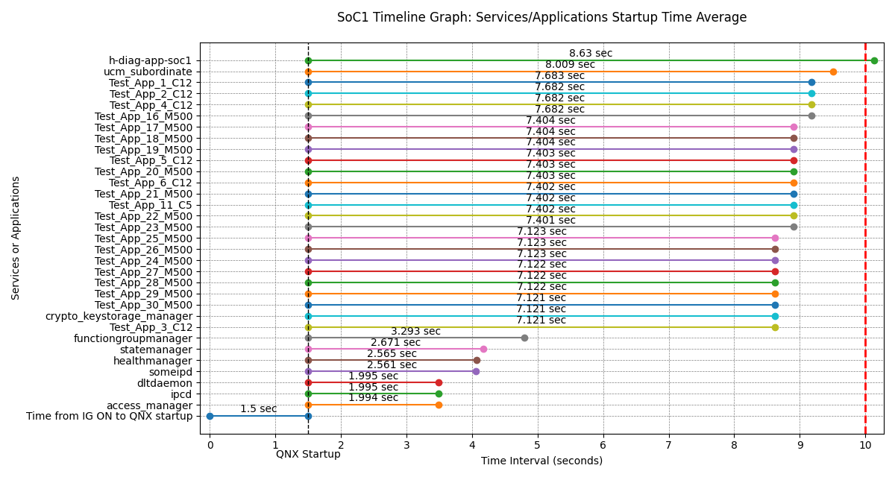
Services/Applications Startup Time from QNX Startup on SoC1 (Min, Max, Avg)
Services/Applications | Minimum (sec) | Maximum (sec) | Average (sec) | Average from IG ON (sec) | Startup Time Threshold (sec)
access_manager | 1.994 | 1.994 | 1.994 | 3.494 | 9
ipcd | 1.995 | 1.995 | 1.995 | 3.495 | 10
dltdaemon | 1.995 | 1.995 | 1.995 | 3.495 | 10
someipd | 2.561 | 2.561 | 2.561 | 4.061 | 10
healthmanager | 2.565 | 2.565 | 2.565 | 4.065 | 9
statemanager | 2.671 | 2.671 | 2.671 | 4.171 | 5
functiongroupmanager | 3.293 | 3.293 | 3.293 | 4.793 | 5
Test_App_3_C12 | 7.121 | 7.121 | 7.121 | 8.621 | 10
crypto_keystorage_manager | 7.121 | 7.121 | 7.121 | 8.621 | 9
Test_App_30_M500 | 7.121 | 7.121 | 7.121 | 8.621 | 10
Test_App_29_M500 | 7.122 | 7.122 | 7.122 | 8.622 | 10
Test_App_28_M500 | 7.122 | 7.122 | 7.122 | 8.622 | 10
Test_App_27_M500 | 7.122 | 7.122 | 7.122 | 8.622 | 10
Test_App_24_M500 | 7.123 | 7.123 | 7.123 | 8.623 | 10
Test_App_26_M500 | 7.123 | 7.123 | 7.123 | 8.623 | 10
Test_App_25_M500 | 7.123 | 7.123 | 7.123 | 8.623 | 10
Test_App_23_M500 | 7.401 | 7.401 | 7.401 | 8.901 | 10
Test_App_22_M500 | 7.402 | 7.402 | 7.402 | 8.902 | 10
Test_App_11_C5 | 7.402 | 7.402 | 7.402 | 8.902 | 10
Test_App_21_M500 | 7.402 | 7.402 | 7.402 | 8.902 | 10
Test_App_6_C12 | 7.403 | 7.403 | 7.403 | 8.903 | 10
Test_App_20_M500 | 7.403 | 7.403 | 7.403 | 8.903 | 10
Test_App_5_C12 | 7.403 | 7.403 | 7.403 | 8.903 | 10
Test_App_19_M500 | 7.404 | 7.404 | 7.404 | 8.904 | 10
Test_App_18_M500 | 7.404 | 7.404 | 7.404 | 8.904 | 10
Test_App_17_M500 | 7.404 | 7.404 | 7.404 | 8.904 | 10
Test_App_16_M500 | 7.682 | 7.682 | 7.682 | 9.182 | 10
Test_App_4_C12 | 7.682 | 7.682 | 7.682 | 9.182 | 10
Test_App_2_C12 | 7.682 | 7.682 | 7.682 | 9.182 | 10
Test_App_1_C12 | 7.683 | 7.683 | 7.683 | 9.183 | 10
ucm_subordinate | 8.009 | 8.009 | 8.009 | 9.509 | 10
h-diag-app-soc1 | 8.63 | 8.63 | 8.63 | 10.13 | 10

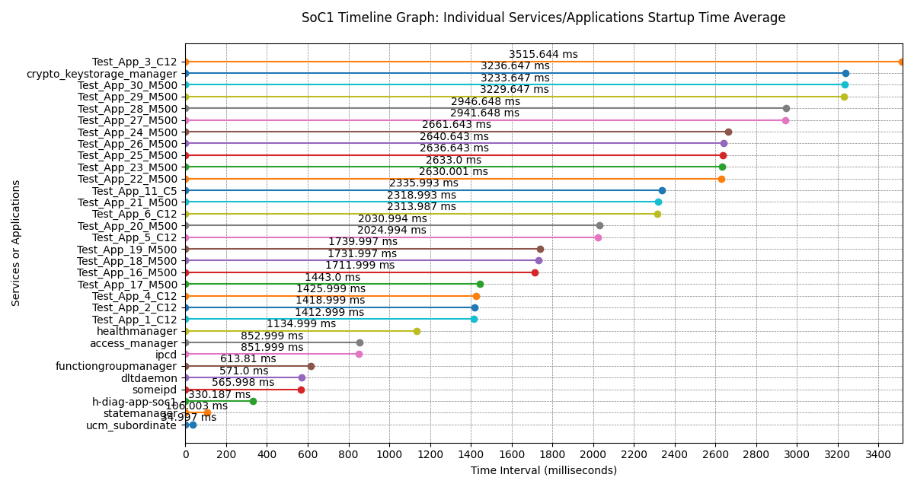
Services/Applications Individual Startup Times on SoC1 (Min, Max, Avg)
Services/Applications | Minimum (ms) | Maximum (ms) | Average (ms)
ucm_subordinate | 34.997 | 34.997 | 34.997
statemanager | 106.003 | 106.003 | 106.003
h-diag-app-soc1 | 330.187 | 330.187 | 330.187
someipd | 565.998 | 565.998 | 565.998
dltdaemon | 571 | 571 | 571
functiongroupmanager | 613.81 | 613.81 | 613.81
ipcd | 851.999 | 851.999 | 851.999
access_manager | 852.999 | 852.999 | 852.999
healthmanager | 1134.999 | 1134.999 | 1134.999
Test_App_1_C12 | 1412.999 | 1412.999 | 1412.999
Test_App_2_C12 | 1418.999 | 1418.999 | 1418.999
Test_App_4_C12 | 1425.999 | 1425.999 | 1425.999
Test_App_17_M500 | 1443 | 1443 | 1443
Test_App_16_M500 | 1711.999 | 1711.999 | 1711.999
Test_App_18_M500 | 1731.997 | 1731.997 | 1731.997
Test_App_19_M500 | 1739.997 | 1739.997 | 1739.997
Test_App_5_C12 | 2024.994 | 2024.994 | 2024.994
Test_App_20_M500 | 2030.994 | 2030.994 | 2030.994
Test_App_6_C12 | 2313.987 | 2313.987 | 2313.987
Test_App_21_M500 | 2318.993 | 2318.993 | 2318.993
Test_App_11_C5 | 2335.993 | 2335.993 | 2335.993
Test_App_22_M500 | 2630.001 | 2630.001 | 2630.001
Test_App_23_M500 | 2633 | 2633 | 2633
Test_App_25_M500 | 2636.643 | 2636.643 | 2636.643
Test_App_26_M500 | 2640.643 | 2640.643 | 2640.643
Test_App_24_M500 | 2661.643 | 2661.643 | 2661.643
Test_App_27_M500 | 2941.648 | 2941.648 | 2941.648
Test_App_28_M500 | 2946.648 | 2946.648 | 2946.648
Test_App_29_M500 | 3229.647 | 3229.647 | 3229.647
Test_App_30_M500 | 3233.647 | 3233.647 | 3233.647
crypto_keystorage_manager | 3236.647 | 3236.647 | 3236.647
Test_App_3_C12 | 3515.644 | 3515.644 | 3515.644

GEN3_StartupTime_01

Services/Applications Startup Time on SoC1
No. | Services/Applications | Application Startup Time (sec) | IG ON to QNX Startup (sec) | Total Time from IG ON (sec) | Startup Time Threshold (sec) | Startup time judgement | Expected Order | Result of the enabled judgement item | Order Mismatch | Not Found | Not Configured
1 | access_manager | 1.994 | 1.5 | 3.494 | 9 | PASS | 4 | FAIL | O
2 | ipcd | 1.995 |  | 3.495 | 10 | PASS | - | FAIL |  |  | O
3 | dltdaemon | 1.995 |  | 3.495 | 10 | PASS | - | FAIL |  |  | O
4 | someipd | 2.561 |  | 4.061 | 10 | PASS | - | FAIL |  |  | O
5 | healthmanager | 2.565 |  | 4.065 | 9 | PASS | 2 | FAIL | O
6 | statemanager | 2.671 |  | 4.171 | 5 | PASS | 8 | FAIL | O
7 | functiongroupmanager | 3.293 |  | 4.793 | 5 | PASS | 9 | FAIL | O
8 | Test_App_3_C12 | 7.121 |  | 8.621 | 10 | PASS | - | FAIL |  |  | O
9 | crypto_keystorage_manager | 7.121 |  | 8.621 | 9 | PASS | 3 | FAIL | O
10 | Test_App_30_M500 | 7.121 |  | 8.621 | 10 | PASS | - | FAIL |  |  | O
11 | Test_App_29_M500 | 7.122 |  | 8.622 | 10 | PASS | - | FAIL |  |  | O
12 | Test_App_28_M500 | 7.122 |  | 8.622 | 10 | PASS | - | FAIL |  |  | O
13 | Test_App_27_M500 | 7.122 |  | 8.622 | 10 | PASS | - | FAIL |  |  | O
14 | Test_App_24_M500 | 7.123 |  | 8.623 | 10 | PASS | - | FAIL |  |  | O
15 | Test_App_26_M500 | 7.123 |  | 8.623 | 10 | PASS | - | FAIL |  |  | O
16 | Test_App_25_M500 | 7.123 |  | 8.623 | 10 | PASS | - | FAIL |  |  | O
17 | Test_App_23_M500 | 7.401 |  | 8.901 | 10 | PASS | - | FAIL |  |  | O
18 | Test_App_22_M500 | 7.402 |  | 8.902 | 10 | PASS | - | FAIL |  |  | O
19 | Test_App_11_C5 | 7.402 |  | 8.902 | 10 | PASS | - | FAIL |  |  | O
20 | Test_App_21_M500 | 7.402 |  | 8.902 | 10 | PASS | - | FAIL |  |  | O
21 | Test_App_6_C12 | 7.403 |  | 8.903 | 10 | PASS | - | FAIL |  |  | O
22 | Test_App_20_M500 | 7.403 |  | 8.903 | 10 | PASS | - | FAIL |  |  | O
23 | Test_App_5_C12 | 7.403 |  | 8.903 | 10 | PASS | - | FAIL |  |  | O
24 | Test_App_19_M500 | 7.404 |  | 8.904 | 10 | PASS | - | FAIL |  |  | O
25 | Test_App_18_M500 | 7.404 |  | 8.904 | 10 | PASS | - | FAIL |  |  | O
26 | Test_App_17_M500 | 7.404 |  | 8.904 | 10 | PASS | - | FAIL |  |  | O
27 | Test_App_16_M500 | 7.682 |  | 9.182 | 10 | PASS | - | FAIL |  |  | O
28 | Test_App_4_C12 | 7.682 |  | 9.182 | 10 | PASS | - | FAIL |  |  | O
29 | Test_App_2_C12 | 7.682 |  | 9.182 | 10 | PASS | - | FAIL |  |  | O
30 | Test_App_1_C12 | 7.683 |  | 9.183 | 10 | PASS | - | FAIL |  |  | O
31 | ucm_subordinate | 8.009 |  | 9.509 | 10 | PASS | - | FAIL |  |  | O
32 | h-diag-app-soc1 | 8.63 |  | 10.13 | 10 | FAIL | - | FAIL |  |  | O
- | aradltdaemon | - | - | - | - | - | 1 | FAIL |  | O
- | arasomeipd | - | - | - | - | - | 5 | FAIL |  | O
- | araipcd | - | - | - | - | - | 6 | FAIL |  | O
- | DiagnosticManager | - | - | - | - | - | 7 | FAIL |  | O
- | internal-com-app | - | - | - | - | - | 10~13 | FAIL |  | O
- | eq-mng-app | - | - | - | - | - | 10~13 | FAIL |  | O
- | bsw-app | - | - | - | - | - | 10~13 | FAIL |  | O
- | AHdf | - | - | - | - | - | 10~13 | FAIL |  | O
- | ADAS_ACore_HADI_RAD_Process | - | - | - | - | - | 14 | FAIL |  | O
- | ADAS_ACore_HADI_VI_T10_Process | - | - | - | - | - | 15 | FAIL |  | O
- | adf-app-tsr | - | - | - | - | - | 16 | FAIL |  | O
- | adf-app-tli | - | - | - | - | - | 17 | FAIL |  | O
- | adf-app-ahbadb | - | - | - | - | - | 18 | FAIL |  | O
- | SDmap | - | - | - | - | - | 19 | FAIL |  | O
- | GNSS | - | - | - | - | - | 20 | FAIL |  | O
- | h-diag-eq-app | - | - | - | - | - | 21 | FAIL |  | O
- | h-diag-app | - | - | - | - | - | 22 | FAIL |  | O
- | diag-master-app | - | - | - | - | - | 23 | FAIL |  | O
- | probe_app | - | - | - | - | - | 24 | FAIL |  | O
- | packagemanager | - | - | - | - | - | 25 | FAIL |  | O
- | diag-default-services-app | - | - | - | - | - | 26 | FAIL |  | O
 |  |  |  |  |  |  |  | Total Count | 5 | 21 | 27

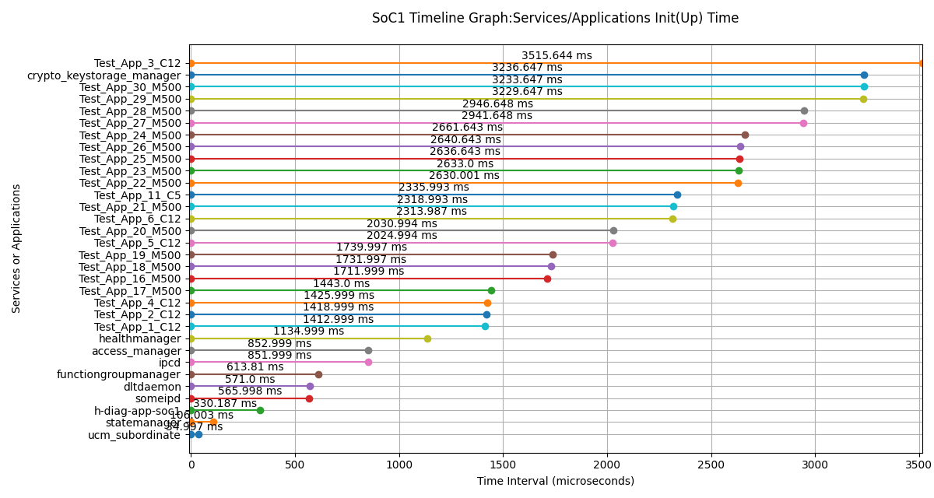
Services/Applications Init(Up) Time on SoC1
Services/Applications | Init(Up) Time (us) | Init(Up) Time (ms)
ucm_subordinate | 34997 | 34.997
statemanager | 106003 | 106.003
h-diag-app-soc1 | 330187 | 330.187
someipd | 565998 | 565.998
dltdaemon | 571000 | 571
functiongroupmanager | 613810 | 613.81
ipcd | 851999 | 851.999
access_manager | 852999 | 852.999
healthmanager | 1134999 | 1134.999
Test_App_1_C12 | 1412999 | 1412.999
Test_App_2_C12 | 1418999 | 1418.999
Test_App_4_C12 | 1425999 | 1425.999
Test_App_17_M500 | 1443000 | 1443
Test_App_16_M500 | 1711999 | 1711.999
Test_App_18_M500 | 1731997 | 1731.997
Test_App_19_M500 | 1739997 | 1739.997
Test_App_5_C12 | 2024994 | 2024.994
Test_App_20_M500 | 2030994 | 2030.994
Test_App_6_C12 | 2313987 | 2313.987
Test_App_21_M500 | 2318993 | 2318.993
Test_App_11_C5 | 2335993 | 2335.993
Test_App_22_M500 | 2630001 | 2630.001
Test_App_23_M500 | 2633000 | 2633
Test_App_25_M500 | 2636643 | 2636.643
Test_App_26_M500 | 2640643 | 2640.643
Test_App_24_M500 | 2661643 | 2661.643
Test_App_27_M500 | 2941648 | 2941.648
Test_App_28_M500 | 2946648 | 2946.648
Test_App_29_M500 | 3229647 | 3229.647
Test_App_30_M500 | 3233647 | 3233.647
crypto_keystorage_manager | 3236647 | 3236.647
Test_App_3_C12 | 3515644 | 3515.644

Log File:

