Summary
Overall Test Case Status for each Iteration on SoC0
No. of Iterations | Total Time to Startup Last Application from IG ON (sec) | Startup time judgement | Result of the enabled judgement item | Order Mismatch Count | Not Found Count | Not Configured Count
 | 9.912 | FAIL | FAIL | 3 | 21 | 27

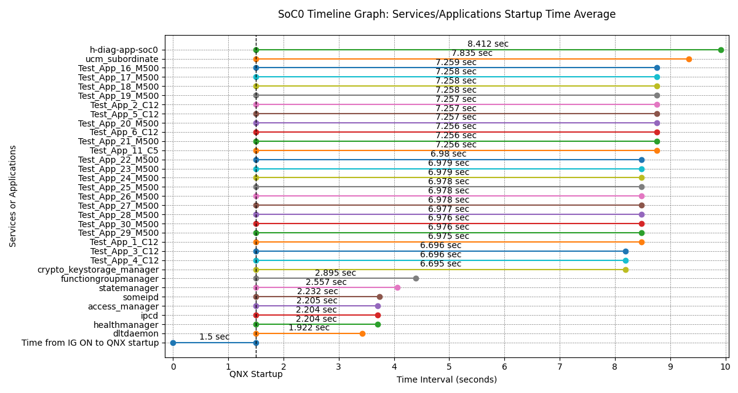
Services/Applications Startup Time from QNX Startup on SoC0 (Min, Max, Avg)
Services/Applications | Minimum (sec) | Maximum (sec) | Average (sec) | Average from IG ON (sec) | Startup Time Threshold (sec)
dltdaemon | 1.922 | 1.922 | 1.922 | 3.422 | 5
healthmanager | 2.204 | 2.204 | 2.204 | 3.704 | 8
ipcd | 2.204 | 2.204 | 2.204 | 3.704 | 5
access_manager | 2.205 | 2.205 | 2.205 | 3.705 | 8
someipd | 2.232 | 2.232 | 2.232 | 3.732 | 5
statemanager | 2.557 | 2.557 | 2.557 | 4.057 | 5
functiongroupmanager | 2.895 | 2.895 | 2.895 | 4.395 | 5
crypto_keystorage_manager | 6.695 | 6.695 | 6.695 | 8.195 | 8
Test_App_4_C12 | 6.696 | 6.696 | 6.696 | 8.196 | 5
Test_App_3_C12 | 6.696 | 6.696 | 6.696 | 8.196 | 5
Test_App_1_C12 | 6.975 | 6.975 | 6.975 | 8.475 | 5
Test_App_29_M500 | 6.976 | 6.976 | 6.976 | 8.476 | 5
Test_App_30_M500 | 6.976 | 6.976 | 6.976 | 8.476 | 5
Test_App_28_M500 | 6.977 | 6.977 | 6.977 | 8.477 | 5
Test_App_27_M500 | 6.978 | 6.978 | 6.978 | 8.478 | 5
Test_App_26_M500 | 6.978 | 6.978 | 6.978 | 8.478 | 5
Test_App_25_M500 | 6.978 | 6.978 | 6.978 | 8.478 | 5
Test_App_24_M500 | 6.979 | 6.979 | 6.979 | 8.479 | 5
Test_App_23_M500 | 6.979 | 6.979 | 6.979 | 8.479 | 5
Test_App_22_M500 | 6.98 | 6.98 | 6.98 | 8.48 | 5
Test_App_11_C5 | 7.256 | 7.256 | 7.256 | 8.756 | 5
Test_App_21_M500 | 7.256 | 7.256 | 7.256 | 8.756 | 5
Test_App_6_C12 | 7.256 | 7.256 | 7.256 | 8.756 | 5
Test_App_20_M500 | 7.257 | 7.257 | 7.257 | 8.757 | 5
Test_App_5_C12 | 7.257 | 7.257 | 7.257 | 8.757 | 5
Test_App_2_C12 | 7.257 | 7.257 | 7.257 | 8.757 | 5
Test_App_19_M500 | 7.258 | 7.258 | 7.258 | 8.758 | 5
Test_App_18_M500 | 7.258 | 7.258 | 7.258 | 8.758 | 5
Test_App_17_M500 | 7.258 | 7.258 | 7.258 | 8.758 | 5
Test_App_16_M500 | 7.259 | 7.259 | 7.259 | 8.759 | 5
ucm_subordinate | 7.835 | 7.835 | 7.835 | 9.335 | 5
h-diag-app-soc0 | 8.412 | 8.412 | 8.412 | 9.912 | 5

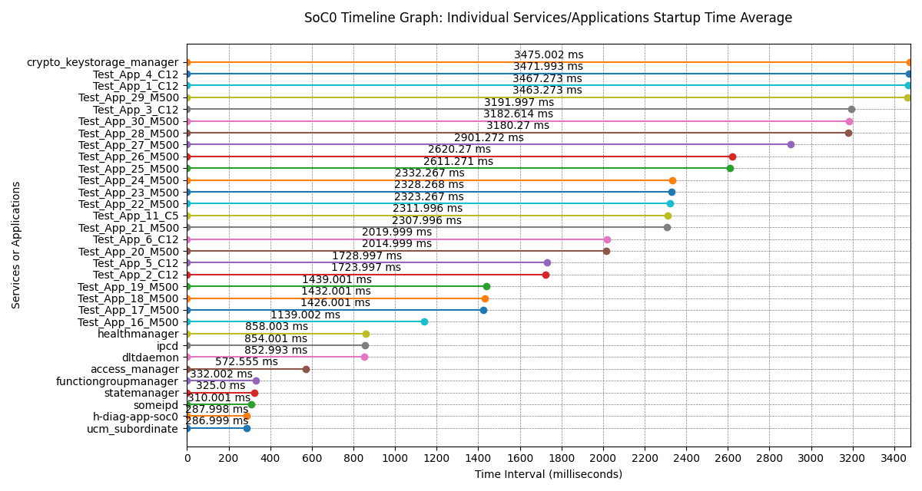
Services/Applications Individual Startup Times on SoC0 (Min, Max, Avg)
Services/Applications | Minimum (ms) | Maximum (ms) | Average (ms)
ucm_subordinate | 286.999 | 286.999 | 286.999
h-diag-app-soc0 | 287.998 | 287.998 | 287.998
someipd | 310.001 | 310.001 | 310.001
statemanager | 325 | 325 | 325
functiongroupmanager | 332.002 | 332.002 | 332.002
access_manager | 572.555 | 572.555 | 572.555
dltdaemon | 852.993 | 852.993 | 852.993
ipcd | 854.001 | 854.001 | 854.001
healthmanager | 858.003 | 858.003 | 858.003
Test_App_16_M500 | 1139.002 | 1139.002 | 1139.002
Test_App_17_M500 | 1426.001 | 1426.001 | 1426.001
Test_App_18_M500 | 1432.001 | 1432.001 | 1432.001
Test_App_19_M500 | 1439.001 | 1439.001 | 1439.001
Test_App_2_C12 | 1723.997 | 1723.997 | 1723.997
Test_App_5_C12 | 1728.997 | 1728.997 | 1728.997
Test_App_20_M500 | 2014.999 | 2014.999 | 2014.999
Test_App_6_C12 | 2019.999 | 2019.999 | 2019.999
Test_App_21_M500 | 2307.996 | 2307.996 | 2307.996
Test_App_11_C5 | 2311.996 | 2311.996 | 2311.996
Test_App_22_M500 | 2323.267 | 2323.267 | 2323.267
Test_App_23_M500 | 2328.268 | 2328.268 | 2328.268
Test_App_24_M500 | 2332.267 | 2332.267 | 2332.267
Test_App_25_M500 | 2611.271 | 2611.271 | 2611.271
Test_App_26_M500 | 2620.27 | 2620.27 | 2620.27
Test_App_27_M500 | 2901.272 | 2901.272 | 2901.272
Test_App_28_M500 | 3180.27 | 3180.27 | 3180.27
Test_App_30_M500 | 3182.614 | 3182.614 | 3182.614
Test_App_3_C12 | 3191.997 | 3191.997 | 3191.997
Test_App_29_M500 | 3463.273 | 3463.273 | 3463.273
Test_App_1_C12 | 3467.273 | 3467.273 | 3467.273
Test_App_4_C12 | 3471.993 | 3471.993 | 3471.993
crypto_keystorage_manager | 3475.002 | 3475.002 | 3475.002

GEN3_StartupTime_01
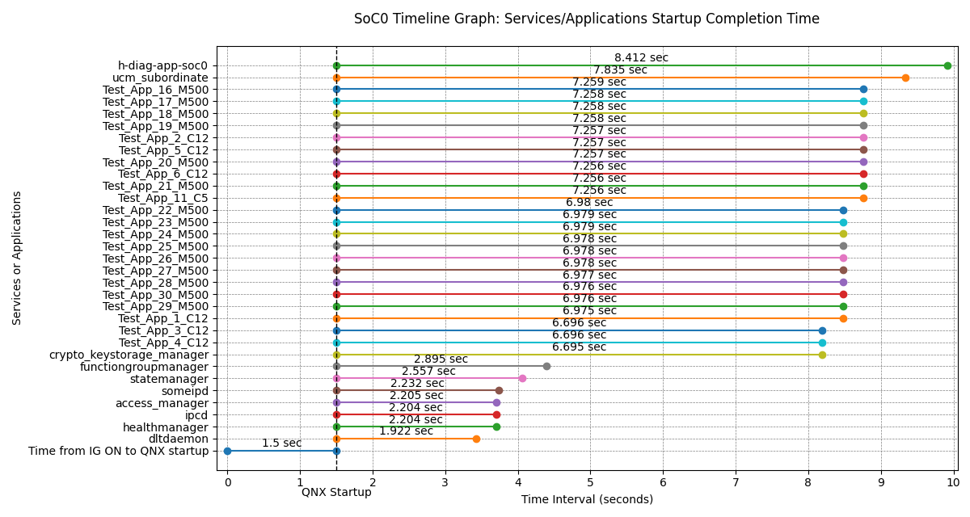
Services/Applications Startup Time on SoC0
No. | Services/Applications | Application Startup Time (sec) | IG ON to QNX Startup (sec) | Total Time from IG ON (sec) | Startup Time Threshold (sec) | Startup time judgement | Expected Order | Result of the enabled judgement item | Order Mismatch | Not Found | Not Configured
 |  |  |  |  |  |  |  |  | 3 | 21 | 27
1 | dltdaemon | 1.922 | 1.5 | 3.422 | 5 | PASS | - | FAIL |  |  | •
2 | healthmanager | 2.204 |  | 3.704 | 8 | PASS | 2 | PASS
3 | ipcd | 2.204 |  | 3.704 | 5 | PASS | - | FAIL |  |  | •
4 | access_manager | 2.205 |  | 3.705 | 8 | PASS | 4 | PASS
5 | someipd | 2.232 |  | 3.732 | 5 | PASS | - | FAIL |  |  | •
6 | statemanager | 2.557 |  | 4.057 | 5 | PASS | 8 | FAIL | •
7 | functiongroupmanager | 2.895 |  | 4.395 | 5 | PASS | 9 | FAIL | •
8 | crypto_keystorage_manager | 6.695 |  | 8.195 | 8 | FAIL | 3 | FAIL | •
9 | Test_App_4_C12 | 6.696 |  | 8.196 | 5 | FAIL | - | FAIL |  |  | •
10 | Test_App_3_C12 | 6.696 |  | 8.196 | 5 | FAIL | - | FAIL |  |  | •
11 | Test_App_1_C12 | 6.975 |  | 8.475 | 5 | FAIL | - | FAIL |  |  | •
12 | Test_App_29_M500 | 6.976 |  | 8.476 | 5 | FAIL | - | FAIL |  |  | •
13 | Test_App_30_M500 | 6.976 |  | 8.476 | 5 | FAIL | - | FAIL |  |  | •
14 | Test_App_28_M500 | 6.977 |  | 8.477 | 5 | FAIL | - | FAIL |  |  | •
15 | Test_App_27_M500 | 6.978 |  | 8.478 | 5 | FAIL | - | FAIL |  |  | •
16 | Test_App_26_M500 | 6.978 |  | 8.478 | 5 | FAIL | - | FAIL |  |  | •
17 | Test_App_25_M500 | 6.978 |  | 8.478 | 5 | FAIL | - | FAIL |  |  | •
18 | Test_App_24_M500 | 6.979 |  | 8.479 | 5 | FAIL | - | FAIL |  |  | •
19 | Test_App_23_M500 | 6.979 |  | 8.479 | 5 | FAIL | - | FAIL |  |  | •
20 | Test_App_22_M500 | 6.98 |  | 8.48 | 5 | FAIL | - | FAIL |  |  | •
21 | Test_App_11_C5 | 7.256 |  | 8.756 | 5 | FAIL | - | FAIL |  |  | •
22 | Test_App_21_M500 | 7.256 |  | 8.756 | 5 | FAIL | - | FAIL |  |  | •
23 | Test_App_6_C12 | 7.256 |  | 8.756 | 5 | FAIL | - | FAIL |  |  | •
24 | Test_App_20_M500 | 7.257 |  | 8.757 | 5 | FAIL | - | FAIL |  |  | •
25 | Test_App_5_C12 | 7.257 |  | 8.757 | 5 | FAIL | - | FAIL |  |  | •
26 | Test_App_2_C12 | 7.257 |  | 8.757 | 5 | FAIL | - | FAIL |  |  | •
27 | Test_App_19_M500 | 7.258 |  | 8.758 | 5 | FAIL | - | FAIL |  |  | •
28 | Test_App_18_M500 | 7.258 |  | 8.758 | 5 | FAIL | - | FAIL |  |  | •
29 | Test_App_17_M500 | 7.258 |  | 8.758 | 5 | FAIL | - | FAIL |  |  | •
30 | Test_App_16_M500 | 7.259 |  | 8.759 | 5 | FAIL | - | FAIL |  |  | •
31 | ucm_subordinate | 7.835 |  | 9.335 | 5 | FAIL | - | FAIL |  |  | •
32 | h-diag-app-soc0 | 8.412 |  | 9.912 | 5 | FAIL | - | FAIL |  |  | •
- | aradltdaemon | - | - | - | - | - | 1 | FAIL |  | •
- | arasomeipd | - | - | - | - | - | 5 | FAIL |  | •
- | araipcd | - | - | - | - | - | 6 | FAIL |  | •
- | DiagnosticManager | - | - | - | - | - | 7 | FAIL |  | •
- | internal-com-app | - | - | - | - | - | 10~13 | FAIL |  | •
- | eq-mng-app | - | - | - | - | - | 10~13 | FAIL |  | •
- | bsw-app | - | - | - | - | - | 10~13 | FAIL |  | •
- | AHdf | - | - | - | - | - | 10~13 | FAIL |  | •
- | ADAS_ACore_HADI_RAD_Process | - | - | - | - | - | 14 | FAIL |  | •
- | ADAS_ACore_HADI_VI_T10_Process | - | - | - | - | - | 15 | FAIL |  | •
- | adf-app-tsr | - | - | - | - | - | 16 | FAIL |  | •
- | adf-app-tli | - | - | - | - | - | 17 | FAIL |  | •
- | adf-app-ahbadb | - | - | - | - | - | 18 | FAIL |  | •
- | SDmap | - | - | - | - | - | 19 | FAIL |  | •
- | GNSS | - | - | - | - | - | 20 | FAIL |  | •
- | h-diag-eq-app | - | - | - | - | - | 21 | FAIL |  | •
- | h-diag-app | - | - | - | - | - | 22 | FAIL |  | •
- | diag-master-app | - | - | - | - | - | 23 | FAIL |  | •
- | probe_app | - | - | - | - | - | 24 | FAIL |  | •
- | packagemanager | - | - | - | - | - | 25 | FAIL |  | •
- | diag-default-services-app | - | - | - | - | - | 26 | FAIL |  | •

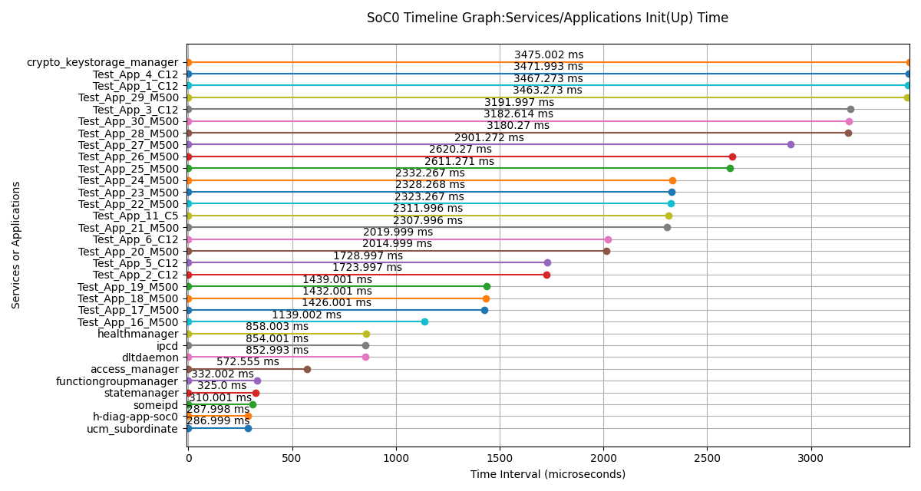
Services/Applications Init(Up) Time on SoC0
Services/Applications | Init(Up) Time (us) | Init(Up) Time (ms)
ucm_subordinate | 286999 | 286.999
h-diag-app-soc0 | 287998 | 287.998
someipd | 310001 | 310.001
statemanager | 325000 | 325
functiongroupmanager | 332002 | 332.002
access_manager | 572555 | 572.555
dltdaemon | 852993 | 852.993
ipcd | 854001 | 854.001
healthmanager | 858003 | 858.003
Test_App_16_M500 | 1139002 | 1139.002
Test_App_17_M500 | 1426001 | 1426.001
Test_App_18_M500 | 1432001 | 1432.001
Test_App_19_M500 | 1439001 | 1439.001
Test_App_2_C12 | 1723997 | 1723.997
Test_App_5_C12 | 1728997 | 1728.997
Test_App_20_M500 | 2014999 | 2014.999
Test_App_6_C12 | 2019999 | 2019.999
Test_App_21_M500 | 2307996 | 2307.996
Test_App_11_C5 | 2311996 | 2311.996
Test_App_22_M500 | 2323267 | 2323.267
Test_App_23_M500 | 2328268 | 2328.268
Test_App_24_M500 | 2332267 | 2332.267
Test_App_25_M500 | 2611271 | 2611.271
Test_App_26_M500 | 2620270 | 2620.27
Test_App_27_M500 | 2901272 | 2901.272
Test_App_28_M500 | 3180270 | 3180.27
Test_App_30_M500 | 3182614 | 3182.614
Test_App_3_C12 | 3191997 | 3191.997
Test_App_29_M500 | 3463273 | 3463.273
Test_App_1_C12 | 3467273 | 3467.273
Test_App_4_C12 | 3471993 | 3471.993
crypto_keystorage_manager | 3475002 | 3475.002

Log File:

