Summary
Overall Test Case Status for each Iteration on SoC1
No. of Iterations | Total Time to Startup Last Application from IG ON (sec) | Startup time judgement | Result of the enabled judgement item | Order Mismatch Count | Not Found Count | Not Configured Count | Missing Application Judgement | Terminated Count
 | 10.13 | - | - | - | - | - | PASS | 1
 | 10.13 | - | - | - | - | - | PASS | 1

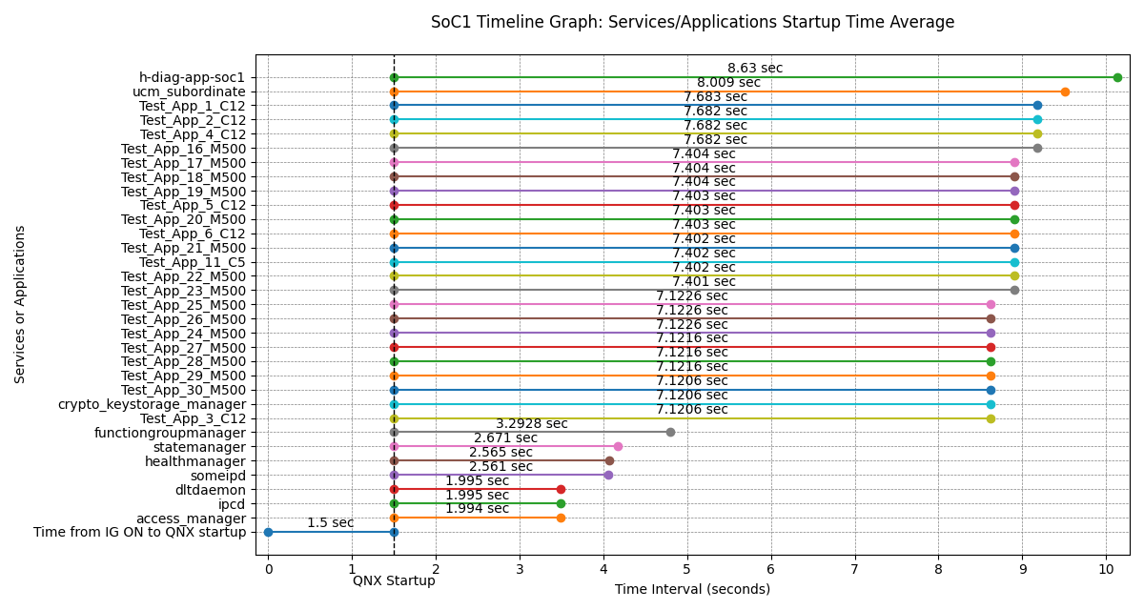
Services/Applications Startup Time from QNX Startup on SoC1 (Min, Max, Avg)
No. | Services/Applications | Minimum (sec) | Maximum (sec) | Average (sec) | Average from IG ON (sec) | Startup Time Threshold (sec) | Number of measurements | Terminated Count
1 | access_manager | 1.994 | 1.994 | 1.994 | 3.494 | - | 1 | 0
2 | ipcd | 1.995 | 1.995 | 1.995 | 3.495 | - | 2 | 0
3 | dltdaemon | 1.995 | 1.995 | 1.995 | 3.495 | - | 2 | 0
4 | someipd | 2.561 | 2.561 | 2.561 | 4.061 | - | 2 | 0
5 | healthmanager | 2.565 | 2.565 | 2.565 | 4.065 | - | 2 | 0
6 | statemanager | 2.671 | 2.671 | 2.671 | 4.171 | - | 2 | 0
7 | functiongroupmanager | 3.2928 | 3.2928 | 3.2928 | 4.7928 | - | 2 | 2
8 | Test_App_3_C12 | 7.1206 | 7.1206 | 7.1206 | 8.6206 | - | 2 | 0
9 | crypto_keystorage_manager | 7.1206 | 7.1206 | 7.1206 | 8.6206 | - | 2 | 0
10 | Test_App_30_M500 | 7.1206 | 7.1206 | 7.1206 | 8.6206 | - | 2 | 0
11 | Test_App_29_M500 | 7.1216 | 7.1216 | 7.1216 | 8.6216 | - | 2 | 0
12 | Test_App_28_M500 | 7.1216 | 7.1216 | 7.1216 | 8.6216 | - | 2 | 0
13 | Test_App_27_M500 | 7.1216 | 7.1216 | 7.1216 | 8.6216 | - | 2 | 0
14 | Test_App_24_M500 | 7.1226 | 7.1226 | 7.1226 | 8.6226 | - | 2 | 0
15 | Test_App_26_M500 | 7.1226 | 7.1226 | 7.1226 | 8.6226 | - | 2 | 0
16 | Test_App_25_M500 | 7.1226 | 7.1226 | 7.1226 | 8.6226 | - | 2 | 0
17 | Test_App_23_M500 | 7.401 | 7.401 | 7.401 | 8.901 | - | 2 | 0
18 | Test_App_22_M500 | 7.402 | 7.402 | 7.402 | 8.902 | - | 2 | 0
19 | Test_App_11_C5 | 7.402 | 7.402 | 7.402 | 8.902 | - | 2 | 0
20 | Test_App_21_M500 | 7.402 | 7.402 | 7.402 | 8.902 | - | 2 | 0
21 | Test_App_6_C12 | 7.403 | 7.403 | 7.403 | 8.903 | - | 2 | 0
22 | Test_App_20_M500 | 7.403 | 7.403 | 7.403 | 8.903 | - | 2 | 0
23 | Test_App_5_C12 | 7.403 | 7.403 | 7.403 | 8.903 | - | 2 | 0
24 | Test_App_19_M500 | 7.404 | 7.404 | 7.404 | 8.904 | - | 2 | 0
25 | Test_App_18_M500 | 7.404 | 7.404 | 7.404 | 8.904 | - | 2 | 0
26 | Test_App_17_M500 | 7.404 | 7.404 | 7.404 | 8.904 | - | 2 | 0
27 | Test_App_16_M500 | 7.682 | 7.682 | 7.682 | 9.182 | - | 2 | 0
28 | Test_App_4_C12 | 7.682 | 7.682 | 7.682 | 9.182 | - | 2 | 0
29 | Test_App_2_C12 | 7.682 | 7.682 | 7.682 | 9.182 | - | 2 | 0
30 | Test_App_1_C12 | 7.683 | 7.683 | 7.683 | 9.183 | - | 2 | 0
31 | ucm_subordinate | 8.009 | 8.009 | 8.009 | 9.509 | - | 2 | 0
32 | h-diag-app-soc1 | 8.63 | 8.63 | 8.63 | 10.13 | - | 2 | 0

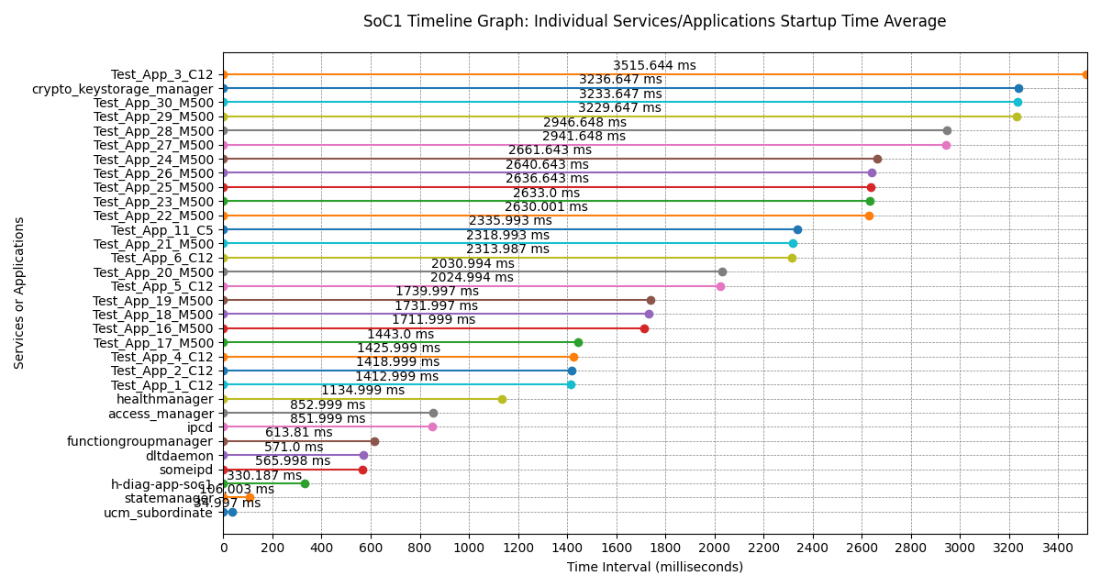
Services/Applications Individual Startup Times on SoC1 (Min, Max, Avg)
No. | Services/Applications | Minimum (ms) | Maximum (ms) | Average (ms)
1 | ucm_subordinate | 34.997 | 34.997 | 34.997
2 | statemanager | 106.003 | 106.003 | 106.003
3 | h-diag-app-soc1 | 330.187 | 330.187 | 330.187
4 | someipd | 565.998 | 565.998 | 565.998
5 | dltdaemon | 571 | 571 | 571
6 | functiongroupmanager | 613.81 | 613.81 | 613.81
7 | ipcd | 851.999 | 851.999 | 851.999
8 | access_manager | 852.999 | 852.999 | 852.999
9 | healthmanager | 1134.999 | 1134.999 | 1134.999
10 | Test_App_1_C12 | 1412.999 | 1412.999 | 1412.999
11 | Test_App_2_C12 | 1418.999 | 1418.999 | 1418.999
12 | Test_App_4_C12 | 1425.999 | 1425.999 | 1425.999
13 | Test_App_17_M500 | 1443 | 1443 | 1443
14 | Test_App_16_M500 | 1711.999 | 1711.999 | 1711.999
15 | Test_App_18_M500 | 1731.997 | 1731.997 | 1731.997
16 | Test_App_19_M500 | 1739.997 | 1739.997 | 1739.997
17 | Test_App_5_C12 | 2024.994 | 2024.994 | 2024.994
18 | Test_App_20_M500 | 2030.994 | 2030.994 | 2030.994
19 | Test_App_6_C12 | 2313.987 | 2313.987 | 2313.987
20 | Test_App_21_M500 | 2318.993 | 2318.993 | 2318.993
21 | Test_App_11_C5 | 2335.993 | 2335.993 | 2335.993
22 | Test_App_22_M500 | 2630.001 | 2630.001 | 2630.001
23 | Test_App_23_M500 | 2633 | 2633 | 2633
24 | Test_App_25_M500 | 2636.643 | 2636.643 | 2636.643
25 | Test_App_26_M500 | 2640.643 | 2640.643 | 2640.643
26 | Test_App_24_M500 | 2661.643 | 2661.643 | 2661.643
27 | Test_App_27_M500 | 2941.648 | 2941.648 | 2941.648
28 | Test_App_28_M500 | 2946.648 | 2946.648 | 2946.648
29 | Test_App_29_M500 | 3229.647 | 3229.647 | 3229.647
30 | Test_App_30_M500 | 3233.647 | 3233.647 | 3233.647
31 | crypto_keystorage_manager | 3236.647 | 3236.647 | 3236.647
32 | Test_App_3_C12 | 3515.644 | 3515.644 | 3515.644

GEN3_StartupTime_01

Services/Applications Startup Time on SoC1
No. | Services/Applications | Application Startup Time (sec) | IG ON to QNX Startup (sec) | Total Time from IG ON (sec) | Startup Time Threshold (sec) | Startup time judgement | Expected Order | Result of the enabled judgement item | Order Mismatch | Not Found | Not Configured | Terminated
 |  |  |  |  |  |  |  |  | 0 | 0 | 0 | Applicable (1) | Signal | Cause
1 | access_manager | 1.994 | 1.5 | 3.494 | - | - | - | - | - | - | - |  | - | -
2 | ipcd | 1.995 |  | 3.495 | - | - | - | - | - | - | - |  | - | -
3 | dltdaemon | 1.995 |  | 3.495 | - | - | - | - | - | - | - |  | - | -
4 | someipd | 2.561 |  | 4.061 | - | - | - | - | - | - | - |  | - | -
5 | healthmanager | 2.565 |  | 4.065 | - | - | - | - | - | - | - |  | - | -
6 | statemanager | 2.671 |  | 4.171 | - | - | - | - | - | - | - |  | - | -
7 | functiongroupmanager | 3.2928 |  | 4.7928 | - | - | - | - | - | - | - | ⬤ | - | 0
8 | Test_App_3_C12 | 7.1206 |  | 8.6206 | - | - | - | - | - | - | - |  | - | -
9 | crypto_keystorage_manager | 7.1206 |  | 8.6206 | - | - | - | - | - | - | - |  | - | -
10 | Test_App_30_M500 | 7.1206 |  | 8.6206 | - | - | - | - | - | - | - |  | - | -
11 | Test_App_29_M500 | 7.1216 |  | 8.6216 | - | - | - | - | - | - | - |  | - | -
12 | Test_App_28_M500 | 7.1216 |  | 8.6216 | - | - | - | - | - | - | - |  | - | -
13 | Test_App_27_M500 | 7.1216 |  | 8.6216 | - | - | - | - | - | - | - |  | - | -
14 | Test_App_24_M500 | 7.1226 |  | 8.6226 | - | - | - | - | - | - | - |  | - | -
15 | Test_App_26_M500 | 7.1226 |  | 8.6226 | - | - | - | - | - | - | - |  | - | -
16 | Test_App_25_M500 | 7.1226 |  | 8.6226 | - | - | - | - | - | - | - |  | - | -
17 | Test_App_23_M500 | 7.401 |  | 8.901 | - | - | - | - | - | - | - |  | - | -
18 | Test_App_22_M500 | 7.402 |  | 8.902 | - | - | - | - | - | - | - |  | - | -
19 | Test_App_11_C5 | 7.402 |  | 8.902 | - | - | - | - | - | - | - |  | - | -
20 | Test_App_21_M500 | 7.402 |  | 8.902 | - | - | - | - | - | - | - |  | - | -
21 | Test_App_6_C12 | 7.403 |  | 8.903 | - | - | - | - | - | - | - |  | - | -
22 | Test_App_20_M500 | 7.403 |  | 8.903 | - | - | - | - | - | - | - |  | - | -
23 | Test_App_5_C12 | 7.403 |  | 8.903 | - | - | - | - | - | - | - |  | - | -
24 | Test_App_19_M500 | 7.404 |  | 8.904 | - | - | - | - | - | - | - |  | - | -
25 | Test_App_18_M500 | 7.404 |  | 8.904 | - | - | - | - | - | - | - |  | - | -
26 | Test_App_17_M500 | 7.404 |  | 8.904 | - | - | - | - | - | - | - |  | - | -
27 | Test_App_16_M500 | 7.682 |  | 9.182 | - | - | - | - | - | - | - |  | - | -
28 | Test_App_4_C12 | 7.682 |  | 9.182 | - | - | - | - | - | - | - |  | - | -
29 | Test_App_2_C12 | 7.682 |  | 9.182 | - | - | - | - | - | - | - |  | - | -
30 | Test_App_1_C12 | 7.683 |  | 9.183 | - | - | - | - | - | - | - |  | - | -
31 | ucm_subordinate | 8.009 |  | 9.509 | - | - | - | - | - | - | - |  | - | -
32 | h-diag-app-soc1 | 8.63 |  | 10.13 | - | - | - | - | - | - | - |  | - | -

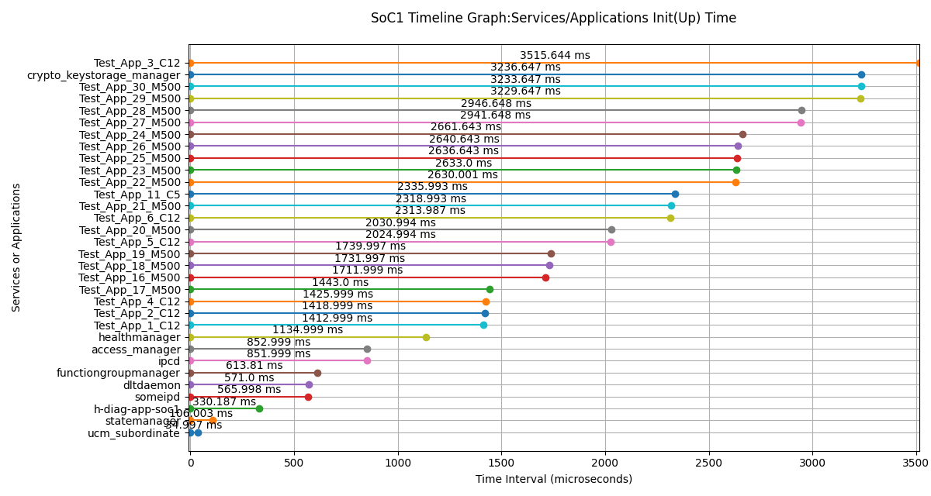
Services/Applications Init(Up) Time on SoC1
No. | Services/Applications | Init(Up) Time (us) | Init(Up) Time (ms)
1 | ucm_subordinate | 34997 | 34.997
2 | statemanager | 106003 | 106.003
3 | h-diag-app-soc1 | 330187 | 330.187
4 | someipd | 565998 | 565.998
5 | dltdaemon | 571000 | 571
6 | functiongroupmanager | 613810 | 613.81
7 | ipcd | 851999 | 851.999
8 | access_manager | 852999 | 852.999
9 | healthmanager | 1134999 | 1134.999
10 | Test_App_1_C12 | 1412999 | 1412.999
11 | Test_App_2_C12 | 1418999 | 1418.999
12 | Test_App_4_C12 | 1425999 | 1425.999
13 | Test_App_17_M500 | 1443000 | 1443
14 | Test_App_16_M500 | 1711999 | 1711.999
15 | Test_App_18_M500 | 1731997 | 1731.997
16 | Test_App_19_M500 | 1739997 | 1739.997
17 | Test_App_5_C12 | 2024994 | 2024.994
18 | Test_App_20_M500 | 2030994 | 2030.994
19 | Test_App_6_C12 | 2313987 | 2313.987
20 | Test_App_21_M500 | 2318993 | 2318.993
21 | Test_App_11_C5 | 2335993 | 2335.993
22 | Test_App_22_M500 | 2630001 | 2630.001
23 | Test_App_23_M500 | 2633000 | 2633
24 | Test_App_25_M500 | 2636643 | 2636.643
25 | Test_App_26_M500 | 2640643 | 2640.643
26 | Test_App_24_M500 | 2661643 | 2661.643
27 | Test_App_27_M500 | 2941648 | 2941.648
28 | Test_App_28_M500 | 2946648 | 2946.648
29 | Test_App_29_M500 | 3229647 | 3229.647
30 | Test_App_30_M500 | 3233647 | 3233.647
31 | crypto_keystorage_manager | 3236647 | 3236.647
32 | Test_App_3_C12 | 3515644 | 3515.644

Log File:

GEN3_StartupTime_02
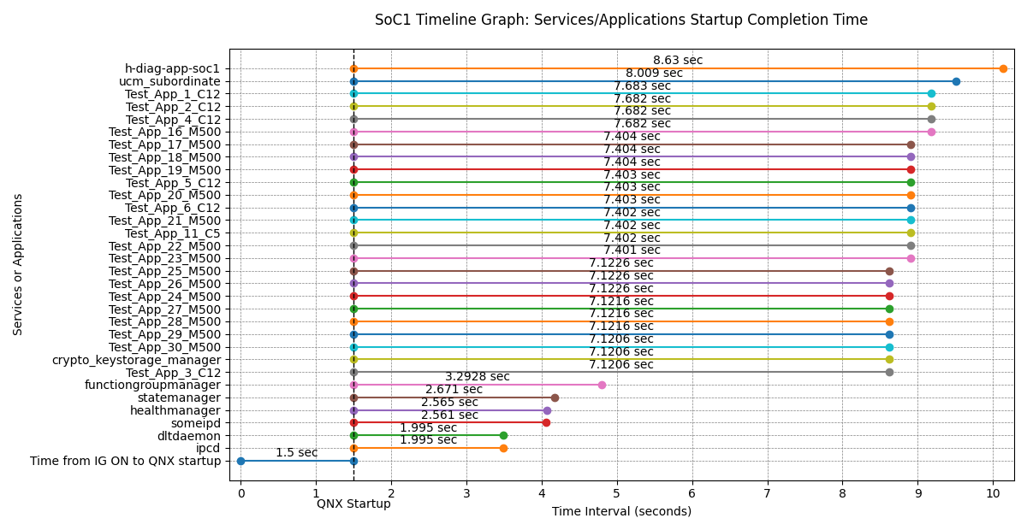
Services/Applications Startup Time on SoC1
No. | Services/Applications | Application Startup Time (sec) | IG ON to QNX Startup (sec) | Total Time from IG ON (sec) | Startup Time Threshold (sec) | Startup time judgement | Expected Order | Result of the enabled judgement item | Order Mismatch | Not Found | Not Configured | Terminated
 |  |  |  |  |  |  |  |  | 0 | 0 | 0 | Applicable (1) | Signal | Cause
1 | ipcd | 1.995 | 1.5 | 3.495 | - | - | - | - | - | - | - |  | - | -
2 | dltdaemon | 1.995 |  | 3.495 | - | - | - | - | - | - | - |  | - | -
3 | someipd | 2.561 |  | 4.061 | - | - | - | - | - | - | - |  | - | -
4 | healthmanager | 2.565 |  | 4.065 | - | - | - | - | - | - | - |  | - | -
5 | statemanager | 2.671 |  | 4.171 | - | - | - | - | - | - | - |  | - | -
6 | functiongroupmanager | 3.2928 |  | 4.7928 | - | - | - | - | - | - | - | ⬤ | - | 0
7 | Test_App_3_C12 | 7.1206 |  | 8.6206 | - | - | - | - | - | - | - |  | - | -
8 | crypto_keystorage_manager | 7.1206 |  | 8.6206 | - | - | - | - | - | - | - |  | - | -
9 | Test_App_30_M500 | 7.1206 |  | 8.6206 | - | - | - | - | - | - | - |  | - | -
10 | Test_App_29_M500 | 7.1216 |  | 8.6216 | - | - | - | - | - | - | - |  | - | -
11 | Test_App_28_M500 | 7.1216 |  | 8.6216 | - | - | - | - | - | - | - |  | - | -
12 | Test_App_27_M500 | 7.1216 |  | 8.6216 | - | - | - | - | - | - | - |  | - | -
13 | Test_App_24_M500 | 7.1226 |  | 8.6226 | - | - | - | - | - | - | - |  | - | -
14 | Test_App_26_M500 | 7.1226 |  | 8.6226 | - | - | - | - | - | - | - |  | - | -
15 | Test_App_25_M500 | 7.1226 |  | 8.6226 | - | - | - | - | - | - | - |  | - | -
16 | Test_App_23_M500 | 7.401 |  | 8.901 | - | - | - | - | - | - | - |  | - | -
17 | Test_App_22_M500 | 7.402 |  | 8.902 | - | - | - | - | - | - | - |  | - | -
18 | Test_App_11_C5 | 7.402 |  | 8.902 | - | - | - | - | - | - | - |  | - | -
19 | Test_App_21_M500 | 7.402 |  | 8.902 | - | - | - | - | - | - | - |  | - | -
20 | Test_App_6_C12 | 7.403 |  | 8.903 | - | - | - | - | - | - | - |  | - | -
21 | Test_App_20_M500 | 7.403 |  | 8.903 | - | - | - | - | - | - | - |  | - | -
22 | Test_App_5_C12 | 7.403 |  | 8.903 | - | - | - | - | - | - | - |  | - | -
23 | Test_App_19_M500 | 7.404 |  | 8.904 | - | - | - | - | - | - | - |  | - | -
24 | Test_App_18_M500 | 7.404 |  | 8.904 | - | - | - | - | - | - | - |  | - | -
25 | Test_App_17_M500 | 7.404 |  | 8.904 | - | - | - | - | - | - | - |  | - | -
26 | Test_App_16_M500 | 7.682 |  | 9.182 | - | - | - | - | - | - | - |  | - | -
27 | Test_App_4_C12 | 7.682 |  | 9.182 | - | - | - | - | - | - | - |  | - | -
28 | Test_App_2_C12 | 7.682 |  | 9.182 | - | - | - | - | - | - | - |  | - | -
29 | Test_App_1_C12 | 7.683 |  | 9.183 | - | - | - | - | - | - | - |  | - | -
30 | ucm_subordinate | 8.009 |  | 9.509 | - | - | - | - | - | - | - |  | - | -
31 | h-diag-app-soc1 | 8.63 |  | 10.13 | - | - | - | - | - | - | - |  | - | -

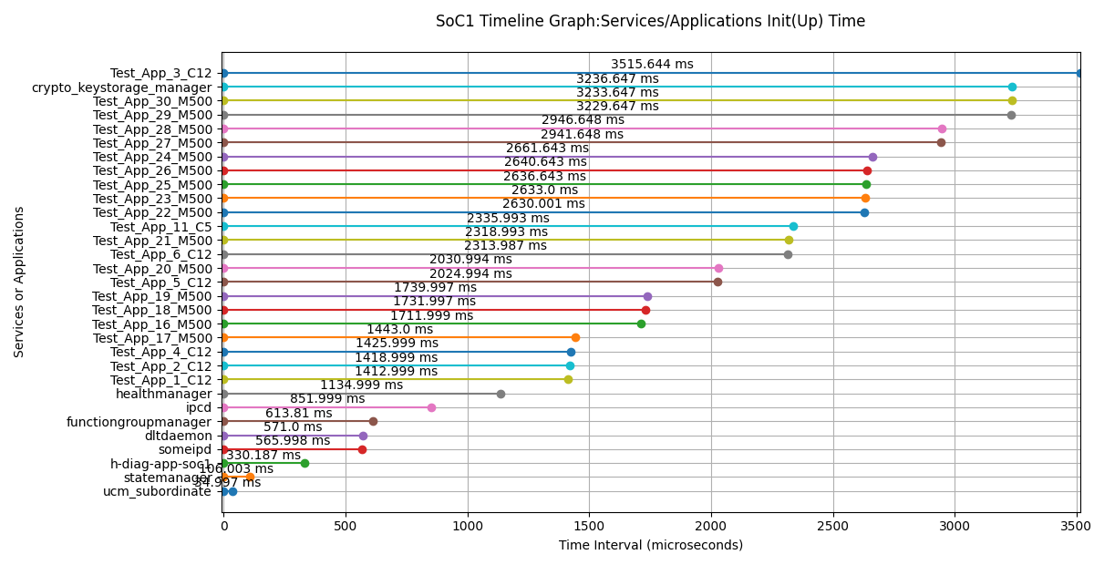
Services/Applications Init(Up) Time on SoC1
No. | Services/Applications | Init(Up) Time (us) | Init(Up) Time (ms)
1 | ucm_subordinate | 34997 | 34.997
2 | statemanager | 106003 | 106.003
3 | h-diag-app-soc1 | 330187 | 330.187
4 | someipd | 565998 | 565.998
5 | dltdaemon | 571000 | 571
6 | functiongroupmanager | 613810 | 613.81
7 | ipcd | 851999 | 851.999
8 | healthmanager | 1134999 | 1134.999
9 | Test_App_1_C12 | 1412999 | 1412.999
10 | Test_App_2_C12 | 1418999 | 1418.999
11 | Test_App_4_C12 | 1425999 | 1425.999
12 | Test_App_17_M500 | 1443000 | 1443
13 | Test_App_16_M500 | 1711999 | 1711.999
14 | Test_App_18_M500 | 1731997 | 1731.997
15 | Test_App_19_M500 | 1739997 | 1739.997
16 | Test_App_5_C12 | 2024994 | 2024.994
17 | Test_App_20_M500 | 2030994 | 2030.994
18 | Test_App_6_C12 | 2313987 | 2313.987
19 | Test_App_21_M500 | 2318993 | 2318.993
20 | Test_App_11_C5 | 2335993 | 2335.993
21 | Test_App_22_M500 | 2630001 | 2630.001
22 | Test_App_23_M500 | 2633000 | 2633
23 | Test_App_25_M500 | 2636643 | 2636.643
24 | Test_App_26_M500 | 2640643 | 2640.643
25 | Test_App_24_M500 | 2661643 | 2661.643
26 | Test_App_27_M500 | 2941648 | 2941.648
27 | Test_App_28_M500 | 2946648 | 2946.648
28 | Test_App_29_M500 | 3229647 | 3229.647
29 | Test_App_30_M500 | 3233647 | 3233.647
30 | crypto_keystorage_manager | 3236647 | 3236.647
31 | Test_App_3_C12 | 3515644 | 3515.644

Log File:

