Summary
Overall Test Case Status for each Iteration on SoC0
No. of Iterations | Total Time to Startup Last Application from IG ON (sec) | Startup time judgement | Missing Application Judgement
 | 9.912 | - | PASS

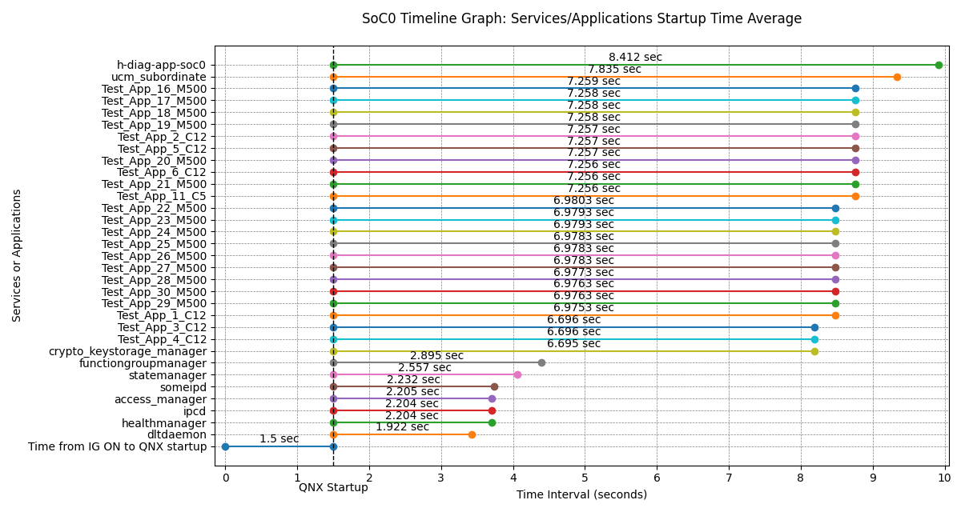
Services/Applications Startup Time from QNX Startup on SoC0 (Min, Max, Avg)
Services/Applications | Minimum (sec) | Maximum (sec) | Average (sec) | Average from IG ON (sec) | Startup Time Threshold (sec) | Number of measurements
dltdaemon | 1.922 | 1.922 | 1.922 | 3.422 | - | 1
healthmanager | 2.204 | 2.204 | 2.204 | 3.704 | - | 1
ipcd | 2.204 | 2.204 | 2.204 | 3.704 | - | 1
access_manager | 2.205 | 2.205 | 2.205 | 3.705 | - | 1
someipd | 2.232 | 2.232 | 2.232 | 3.732 | - | 1
statemanager | 2.557 | 2.557 | 2.557 | 4.057 | - | 1
functiongroupmanager | 2.895 | 2.895 | 2.895 | 4.395 | - | 1
crypto_keystorage_manager | 6.695 | 6.695 | 6.695 | 8.195 | - | 1
Test_App_4_C12 | 6.696 | 6.696 | 6.696 | 8.196 | - | 1
Test_App_3_C12 | 6.696 | 6.696 | 6.696 | 8.196 | - | 1
Test_App_1_C12 | 6.9753 | 6.9753 | 6.9753 | 8.4753 | - | 1
Test_App_29_M500 | 6.9763 | 6.9763 | 6.9763 | 8.4763 | - | 1
Test_App_30_M500 | 6.9763 | 6.9763 | 6.9763 | 8.4763 | - | 1
Test_App_28_M500 | 6.9773 | 6.9773 | 6.9773 | 8.4773 | - | 1
Test_App_27_M500 | 6.9783 | 6.9783 | 6.9783 | 8.4783 | - | 1
Test_App_26_M500 | 6.9783 | 6.9783 | 6.9783 | 8.4783 | - | 1
Test_App_25_M500 | 6.9783 | 6.9783 | 6.9783 | 8.4783 | - | 1
Test_App_24_M500 | 6.9793 | 6.9793 | 6.9793 | 8.4793 | - | 1
Test_App_23_M500 | 6.9793 | 6.9793 | 6.9793 | 8.4793 | - | 1
Test_App_22_M500 | 6.9803 | 6.9803 | 6.9803 | 8.4803 | - | 1
Test_App_11_C5 | 7.256 | 7.256 | 7.256 | 8.756 | - | 1
Test_App_21_M500 | 7.256 | 7.256 | 7.256 | 8.756 | - | 1
Test_App_6_C12 | 7.256 | 7.256 | 7.256 | 8.756 | - | 1
Test_App_20_M500 | 7.257 | 7.257 | 7.257 | 8.757 | - | 1
Test_App_5_C12 | 7.257 | 7.257 | 7.257 | 8.757 | - | 1
Test_App_2_C12 | 7.257 | 7.257 | 7.257 | 8.757 | - | 1
Test_App_19_M500 | 7.258 | 7.258 | 7.258 | 8.758 | - | 1
Test_App_18_M500 | 7.258 | 7.258 | 7.258 | 8.758 | - | 1
Test_App_17_M500 | 7.258 | 7.258 | 7.258 | 8.758 | - | 1
Test_App_16_M500 | 7.259 | 7.259 | 7.259 | 8.759 | - | 1
ucm_subordinate | 7.835 | 7.835 | 7.835 | 9.335 | - | 1
h-diag-app-soc0 | 8.412 | 8.412 | 8.412 | 9.912 | - | 1

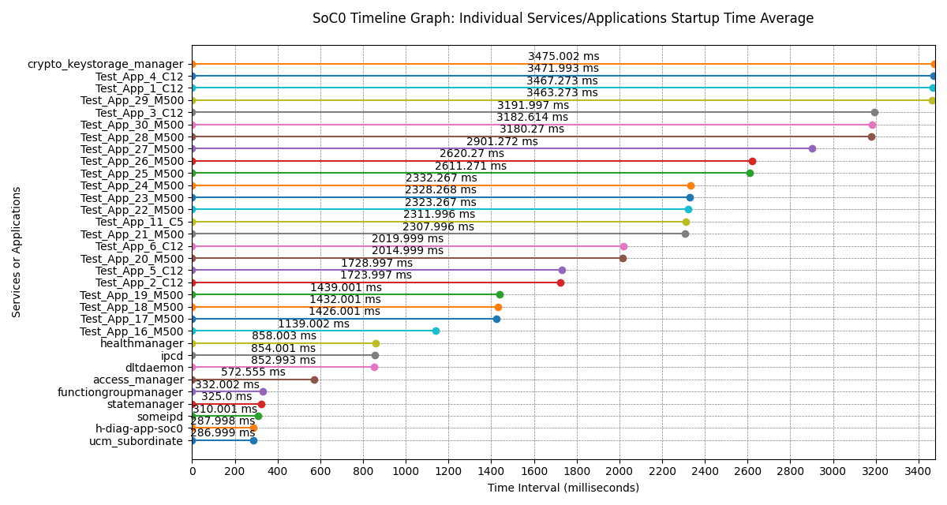
Services/Applications Individual Startup Times on SoC0 (Min, Max, Avg)
Services/Applications | Minimum (ms) | Maximum (ms) | Average (ms) | Number of measurements
ucm_subordinate | 286.999 | 286.999 | 286.999 | 1
h-diag-app-soc0 | 287.998 | 287.998 | 287.998 | 1
someipd | 310.001 | 310.001 | 310.001 | 1
statemanager | 325 | 325 | 325 | 1
functiongroupmanager | 332.002 | 332.002 | 332.002 | 1
access_manager | 572.555 | 572.555 | 572.555 | 1
dltdaemon | 852.993 | 852.993 | 852.993 | 1
ipcd | 854.001 | 854.001 | 854.001 | 1
healthmanager | 858.003 | 858.003 | 858.003 | 1
Test_App_16_M500 | 1139.002 | 1139.002 | 1139.002 | 1
Test_App_17_M500 | 1426.001 | 1426.001 | 1426.001 | 1
Test_App_18_M500 | 1432.001 | 1432.001 | 1432.001 | 1
Test_App_19_M500 | 1439.001 | 1439.001 | 1439.001 | 1
Test_App_2_C12 | 1723.997 | 1723.997 | 1723.997 | 1
Test_App_5_C12 | 1728.997 | 1728.997 | 1728.997 | 1
Test_App_20_M500 | 2014.999 | 2014.999 | 2014.999 | 1
Test_App_6_C12 | 2019.999 | 2019.999 | 2019.999 | 1
Test_App_21_M500 | 2307.996 | 2307.996 | 2307.996 | 1
Test_App_11_C5 | 2311.996 | 2311.996 | 2311.996 | 1
Test_App_22_M500 | 2323.267 | 2323.267 | 2323.267 | 1
Test_App_23_M500 | 2328.268 | 2328.268 | 2328.268 | 1
Test_App_24_M500 | 2332.267 | 2332.267 | 2332.267 | 1
Test_App_25_M500 | 2611.271 | 2611.271 | 2611.271 | 1
Test_App_26_M500 | 2620.27 | 2620.27 | 2620.27 | 1
Test_App_27_M500 | 2901.272 | 2901.272 | 2901.272 | 1
Test_App_28_M500 | 3180.27 | 3180.27 | 3180.27 | 1
Test_App_30_M500 | 3182.614 | 3182.614 | 3182.614 | 1
Test_App_3_C12 | 3191.997 | 3191.997 | 3191.997 | 1
Test_App_29_M500 | 3463.273 | 3463.273 | 3463.273 | 1
Test_App_1_C12 | 3467.273 | 3467.273 | 3467.273 | 1
Test_App_4_C12 | 3471.993 | 3471.993 | 3471.993 | 1
crypto_keystorage_manager | 3475.002 | 3475.002 | 3475.002 | 1

GEN3_StartupTime_01

Services/Applications Startup Time on SoC0
No. | Services/Applications | Application Startup Time (sec) | IG ON to QNX Startup (sec) | Total Time from IG ON (sec) | Startup Time Threshold (sec) | Startup time judgement
1 | dltdaemon | 1.922 | 1.5 | 3.422 | - | -
2 | healthmanager | 2.204 |  | 3.704 | - | -
3 | ipcd | 2.204 |  | 3.704 | - | -
4 | access_manager | 2.205 |  | 3.705 | - | -
5 | someipd | 2.232 |  | 3.732 | - | -
6 | statemanager | 2.557 |  | 4.057 | - | -
7 | functiongroupmanager | 2.895 |  | 4.395 | - | -
8 | crypto_keystorage_manager | 6.695 |  | 8.195 | - | -
9 | Test_App_4_C12 | 6.696 |  | 8.196 | - | -
10 | Test_App_3_C12 | 6.696 |  | 8.196 | - | -
11 | Test_App_1_C12 | 6.9753 |  | 8.4753 | - | -
12 | Test_App_29_M500 | 6.9763 |  | 8.4763 | - | -
13 | Test_App_30_M500 | 6.9763 |  | 8.4763 | - | -
14 | Test_App_28_M500 | 6.9773 |  | 8.4773 | - | -
15 | Test_App_27_M500 | 6.9783 |  | 8.4783 | - | -
16 | Test_App_26_M500 | 6.9783 |  | 8.4783 | - | -
17 | Test_App_25_M500 | 6.9783 |  | 8.4783 | - | -
18 | Test_App_24_M500 | 6.9793 |  | 8.4793 | - | -
19 | Test_App_23_M500 | 6.9793 |  | 8.4793 | - | -
20 | Test_App_22_M500 | 6.9803 |  | 8.4803 | - | -
21 | Test_App_11_C5 | 7.256 |  | 8.756 | - | -
22 | Test_App_21_M500 | 7.256 |  | 8.756 | - | -
23 | Test_App_6_C12 | 7.256 |  | 8.756 | - | -
24 | Test_App_20_M500 | 7.257 |  | 8.757 | - | -
25 | Test_App_5_C12 | 7.257 |  | 8.757 | - | -
26 | Test_App_2_C12 | 7.257 |  | 8.757 | - | -
27 | Test_App_19_M500 | 7.258 |  | 8.758 | - | -
28 | Test_App_18_M500 | 7.258 |  | 8.758 | - | -
29 | Test_App_17_M500 | 7.258 |  | 8.758 | - | -
30 | Test_App_16_M500 | 7.259 |  | 8.759 | - | -
31 | ucm_subordinate | 7.835 |  | 9.335 | - | -
32 | h-diag-app-soc0 | 8.412 |  | 9.912 | - | -

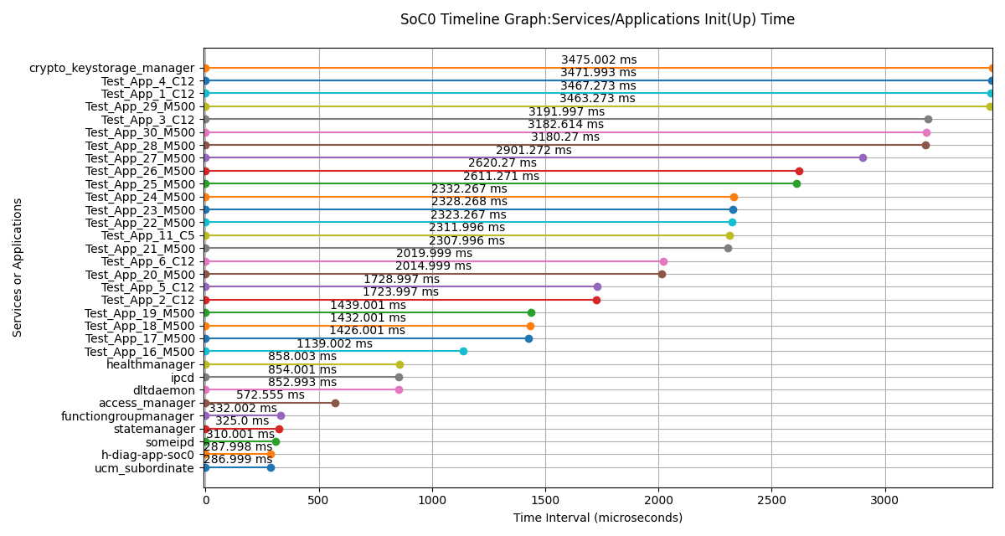
Services/Applications Init(Up) Time on SoC0
Services/Applications | Init(Up) Time (us) | Init(Up) Time (ms)
ucm_subordinate | 286999 | 286.999
h-diag-app-soc0 | 287998 | 287.998
someipd | 310001 | 310.001
statemanager | 325000 | 325
functiongroupmanager | 332002 | 332.002
access_manager | 572555 | 572.555
dltdaemon | 852993 | 852.993
ipcd | 854001 | 854.001
healthmanager | 858003 | 858.003
Test_App_16_M500 | 1139002 | 1139.002
Test_App_17_M500 | 1426001 | 1426.001
Test_App_18_M500 | 1432001 | 1432.001
Test_App_19_M500 | 1439001 | 1439.001
Test_App_2_C12 | 1723997 | 1723.997
Test_App_5_C12 | 1728997 | 1728.997
Test_App_20_M500 | 2014999 | 2014.999
Test_App_6_C12 | 2019999 | 2019.999
Test_App_21_M500 | 2307996 | 2307.996
Test_App_11_C5 | 2311996 | 2311.996
Test_App_22_M500 | 2323267 | 2323.267
Test_App_23_M500 | 2328268 | 2328.268
Test_App_24_M500 | 2332267 | 2332.267
Test_App_25_M500 | 2611271 | 2611.271
Test_App_26_M500 | 2620270 | 2620.27
Test_App_27_M500 | 2901272 | 2901.272
Test_App_28_M500 | 3180270 | 3180.27
Test_App_30_M500 | 3182614 | 3182.614
Test_App_3_C12 | 3191997 | 3191.997
Test_App_29_M500 | 3463273 | 3463.273
Test_App_1_C12 | 3467273 | 3467.273
Test_App_4_C12 | 3471993 | 3471.993
crypto_keystorage_manager | 3475002 | 3475.002

Log File:

