Summary
Overall Test Case Status for each Iteration on SoC1
No. of Iterations | Total Time to Startup Last Application from IG ON (sec) | Startup time judgement | Missing Application Judgement
 | 10.13 | - | PASS

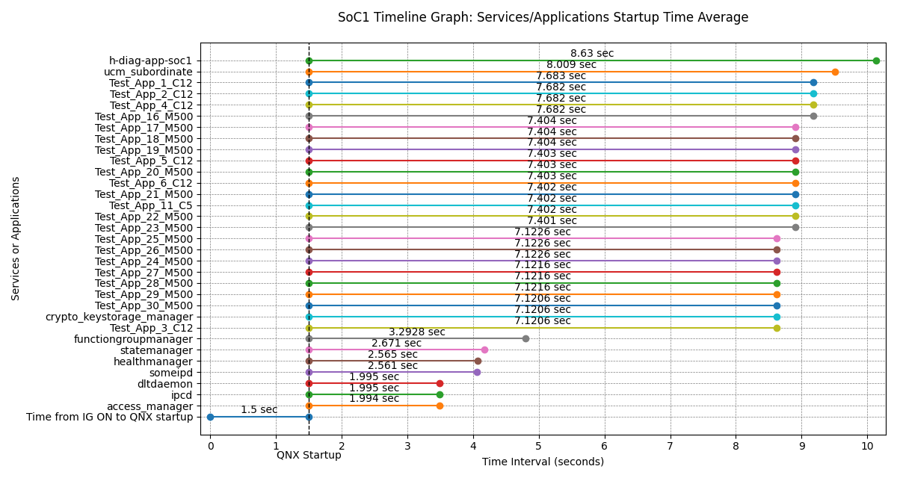
Services/Applications Startup Time from QNX Startup on SoC1 (Min, Max, Avg)
Services/Applications | Minimum (sec) | Maximum (sec) | Average (sec) | Average from IG ON (sec) | Startup Time Threshold (sec) | Number of measurements
access_manager | 1.994 | 1.994 | 1.994 | 3.494 | - | 1
ipcd | 1.995 | 1.995 | 1.995 | 3.495 | - | 1
dltdaemon | 1.995 | 1.995 | 1.995 | 3.495 | - | 1
someipd | 2.561 | 2.561 | 2.561 | 4.061 | - | 1
healthmanager | 2.565 | 2.565 | 2.565 | 4.065 | - | 1
statemanager | 2.671 | 2.671 | 2.671 | 4.171 | - | 1
functiongroupmanager | 3.2928 | 3.2928 | 3.2928 | 4.7928 | - | 1
Test_App_3_C12 | 7.1206 | 7.1206 | 7.1206 | 8.6206 | - | 1
crypto_keystorage_manager | 7.1206 | 7.1206 | 7.1206 | 8.6206 | - | 1
Test_App_30_M500 | 7.1206 | 7.1206 | 7.1206 | 8.6206 | - | 1
Test_App_29_M500 | 7.1216 | 7.1216 | 7.1216 | 8.6216 | - | 1
Test_App_28_M500 | 7.1216 | 7.1216 | 7.1216 | 8.6216 | - | 1
Test_App_27_M500 | 7.1216 | 7.1216 | 7.1216 | 8.6216 | - | 1
Test_App_24_M500 | 7.1226 | 7.1226 | 7.1226 | 8.6226 | - | 1
Test_App_26_M500 | 7.1226 | 7.1226 | 7.1226 | 8.6226 | - | 1
Test_App_25_M500 | 7.1226 | 7.1226 | 7.1226 | 8.6226 | - | 1
Test_App_23_M500 | 7.401 | 7.401 | 7.401 | 8.901 | - | 1
Test_App_22_M500 | 7.402 | 7.402 | 7.402 | 8.902 | - | 1
Test_App_11_C5 | 7.402 | 7.402 | 7.402 | 8.902 | - | 1
Test_App_21_M500 | 7.402 | 7.402 | 7.402 | 8.902 | - | 1
Test_App_6_C12 | 7.403 | 7.403 | 7.403 | 8.903 | - | 1
Test_App_20_M500 | 7.403 | 7.403 | 7.403 | 8.903 | - | 1
Test_App_5_C12 | 7.403 | 7.403 | 7.403 | 8.903 | - | 1
Test_App_19_M500 | 7.404 | 7.404 | 7.404 | 8.904 | - | 1
Test_App_18_M500 | 7.404 | 7.404 | 7.404 | 8.904 | - | 1
Test_App_17_M500 | 7.404 | 7.404 | 7.404 | 8.904 | - | 1
Test_App_16_M500 | 7.682 | 7.682 | 7.682 | 9.182 | - | 1
Test_App_4_C12 | 7.682 | 7.682 | 7.682 | 9.182 | - | 1
Test_App_2_C12 | 7.682 | 7.682 | 7.682 | 9.182 | - | 1
Test_App_1_C12 | 7.683 | 7.683 | 7.683 | 9.183 | - | 1
ucm_subordinate | 8.009 | 8.009 | 8.009 | 9.509 | - | 1
h-diag-app-soc1 | 8.63 | 8.63 | 8.63 | 10.13 | - | 1

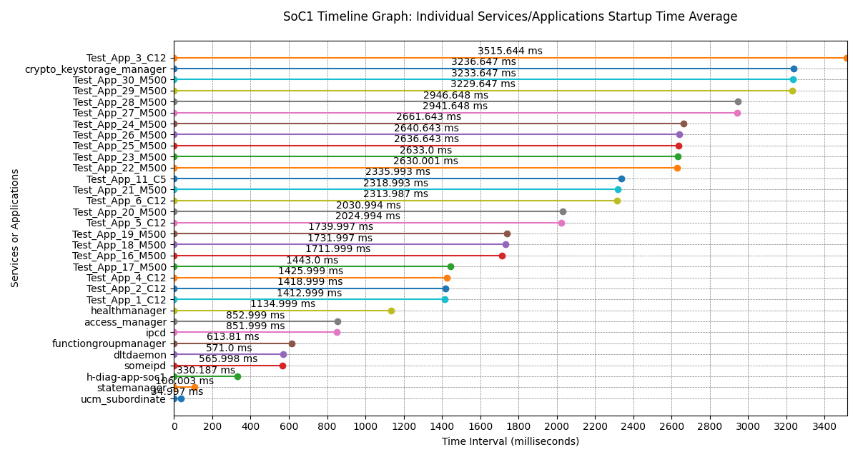
Services/Applications Individual Startup Times on SoC1 (Min, Max, Avg)
Services/Applications | Minimum (ms) | Maximum (ms) | Average (ms) | Number of measurements
ucm_subordinate | 34.997 | 34.997 | 34.997 | 1
statemanager | 106.003 | 106.003 | 106.003 | 1
h-diag-app-soc1 | 330.187 | 330.187 | 330.187 | 1
someipd | 565.998 | 565.998 | 565.998 | 1
dltdaemon | 571 | 571 | 571 | 1
functiongroupmanager | 613.81 | 613.81 | 613.81 | 1
ipcd | 851.999 | 851.999 | 851.999 | 1
access_manager | 852.999 | 852.999 | 852.999 | 1
healthmanager | 1134.999 | 1134.999 | 1134.999 | 1
Test_App_1_C12 | 1412.999 | 1412.999 | 1412.999 | 1
Test_App_2_C12 | 1418.999 | 1418.999 | 1418.999 | 1
Test_App_4_C12 | 1425.999 | 1425.999 | 1425.999 | 1
Test_App_17_M500 | 1443 | 1443 | 1443 | 1
Test_App_16_M500 | 1711.999 | 1711.999 | 1711.999 | 1
Test_App_18_M500 | 1731.997 | 1731.997 | 1731.997 | 1
Test_App_19_M500 | 1739.997 | 1739.997 | 1739.997 | 1
Test_App_5_C12 | 2024.994 | 2024.994 | 2024.994 | 1
Test_App_20_M500 | 2030.994 | 2030.994 | 2030.994 | 1
Test_App_6_C12 | 2313.987 | 2313.987 | 2313.987 | 1
Test_App_21_M500 | 2318.993 | 2318.993 | 2318.993 | 1
Test_App_11_C5 | 2335.993 | 2335.993 | 2335.993 | 1
Test_App_22_M500 | 2630.001 | 2630.001 | 2630.001 | 1
Test_App_23_M500 | 2633 | 2633 | 2633 | 1
Test_App_25_M500 | 2636.643 | 2636.643 | 2636.643 | 1
Test_App_26_M500 | 2640.643 | 2640.643 | 2640.643 | 1
Test_App_24_M500 | 2661.643 | 2661.643 | 2661.643 | 1
Test_App_27_M500 | 2941.648 | 2941.648 | 2941.648 | 1
Test_App_28_M500 | 2946.648 | 2946.648 | 2946.648 | 1
Test_App_29_M500 | 3229.647 | 3229.647 | 3229.647 | 1
Test_App_30_M500 | 3233.647 | 3233.647 | 3233.647 | 1
crypto_keystorage_manager | 3236.647 | 3236.647 | 3236.647 | 1
Test_App_3_C12 | 3515.644 | 3515.644 | 3515.644 | 1

GEN3_StartupTime_01

Services/Applications Startup Time on SoC1
No. | Services/Applications | Application Startup Time (sec) | IG ON to QNX Startup (sec) | Total Time from IG ON (sec) | Startup Time Threshold (sec) | Startup time judgement
1 | access_manager | 1.994 | 1.5 | 3.494 | - | -
2 | ipcd | 1.995 |  | 3.495 | - | -
3 | dltdaemon | 1.995 |  | 3.495 | - | -
4 | someipd | 2.561 |  | 4.061 | - | -
5 | healthmanager | 2.565 |  | 4.065 | - | -
6 | statemanager | 2.671 |  | 4.171 | - | -
7 | functiongroupmanager | 3.2928 |  | 4.7928 | - | -
8 | Test_App_3_C12 | 7.1206 |  | 8.6206 | - | -
9 | crypto_keystorage_manager | 7.1206 |  | 8.6206 | - | -
10 | Test_App_30_M500 | 7.1206 |  | 8.6206 | - | -
11 | Test_App_29_M500 | 7.1216 |  | 8.6216 | - | -
12 | Test_App_28_M500 | 7.1216 |  | 8.6216 | - | -
13 | Test_App_27_M500 | 7.1216 |  | 8.6216 | - | -
14 | Test_App_24_M500 | 7.1226 |  | 8.6226 | - | -
15 | Test_App_26_M500 | 7.1226 |  | 8.6226 | - | -
16 | Test_App_25_M500 | 7.1226 |  | 8.6226 | - | -
17 | Test_App_23_M500 | 7.401 |  | 8.901 | - | -
18 | Test_App_22_M500 | 7.402 |  | 8.902 | - | -
19 | Test_App_11_C5 | 7.402 |  | 8.902 | - | -
20 | Test_App_21_M500 | 7.402 |  | 8.902 | - | -
21 | Test_App_6_C12 | 7.403 |  | 8.903 | - | -
22 | Test_App_20_M500 | 7.403 |  | 8.903 | - | -
23 | Test_App_5_C12 | 7.403 |  | 8.903 | - | -
24 | Test_App_19_M500 | 7.404 |  | 8.904 | - | -
25 | Test_App_18_M500 | 7.404 |  | 8.904 | - | -
26 | Test_App_17_M500 | 7.404 |  | 8.904 | - | -
27 | Test_App_16_M500 | 7.682 |  | 9.182 | - | -
28 | Test_App_4_C12 | 7.682 |  | 9.182 | - | -
29 | Test_App_2_C12 | 7.682 |  | 9.182 | - | -
30 | Test_App_1_C12 | 7.683 |  | 9.183 | - | -
31 | ucm_subordinate | 8.009 |  | 9.509 | - | -
32 | h-diag-app-soc1 | 8.63 |  | 10.13 | - | -

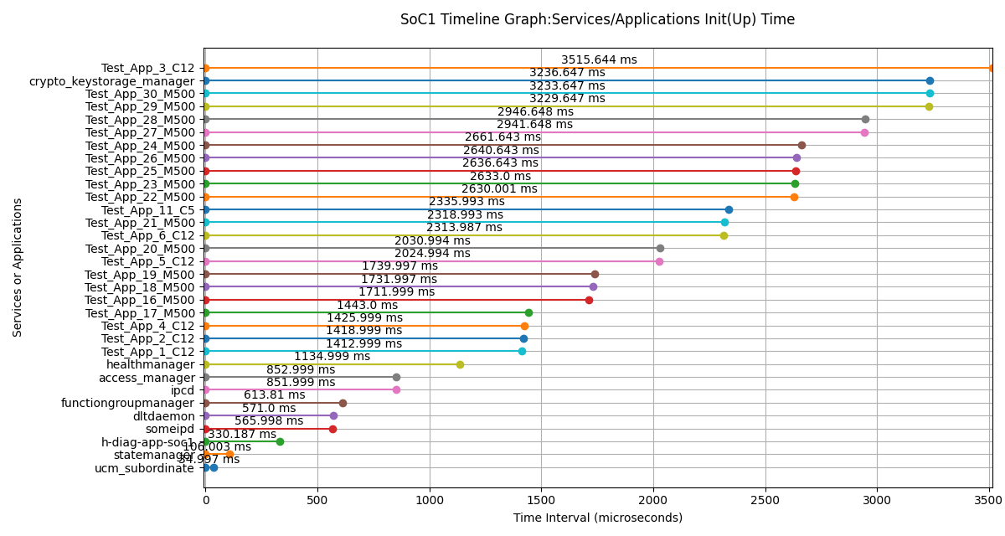
Services/Applications Init(Up) Time on SoC1
Services/Applications | Init(Up) Time (us) | Init(Up) Time (ms)
ucm_subordinate | 34997 | 34.997
statemanager | 106003 | 106.003
h-diag-app-soc1 | 330187 | 330.187
someipd | 565998 | 565.998
dltdaemon | 571000 | 571
functiongroupmanager | 613810 | 613.81
ipcd | 851999 | 851.999
access_manager | 852999 | 852.999
healthmanager | 1134999 | 1134.999
Test_App_1_C12 | 1412999 | 1412.999
Test_App_2_C12 | 1418999 | 1418.999
Test_App_4_C12 | 1425999 | 1425.999
Test_App_17_M500 | 1443000 | 1443
Test_App_16_M500 | 1711999 | 1711.999
Test_App_18_M500 | 1731997 | 1731.997
Test_App_19_M500 | 1739997 | 1739.997
Test_App_5_C12 | 2024994 | 2024.994
Test_App_20_M500 | 2030994 | 2030.994
Test_App_6_C12 | 2313987 | 2313.987
Test_App_21_M500 | 2318993 | 2318.993
Test_App_11_C5 | 2335993 | 2335.993
Test_App_22_M500 | 2630001 | 2630.001
Test_App_23_M500 | 2633000 | 2633
Test_App_25_M500 | 2636643 | 2636.643
Test_App_26_M500 | 2640643 | 2640.643
Test_App_24_M500 | 2661643 | 2661.643
Test_App_27_M500 | 2941648 | 2941.648
Test_App_28_M500 | 2946648 | 2946.648
Test_App_29_M500 | 3229647 | 3229.647
Test_App_30_M500 | 3233647 | 3233.647
crypto_keystorage_manager | 3236647 | 3236.647
Test_App_3_C12 | 3515644 | 3515.644

Log File:

