Sheet1
Representation of actions | COST LOOKUP |  |  |  |  | ACTION # | ACTION | ACTION COST | TOTAL COST | MAP ROW (I) | MAP COL (J) | DIRECTION (D) | CHANGE I | CHANGE J | FLAG | CLEANEDTILES | MOVE? | CLEAN? | STATE | UPPER_BOUND? | LOWER_BOUND | RIGHT_BOUND | LEFT_BOUND | Obstacle
1 --> Move |  |  |  |  |  | 5
2 --> Turn Clockwise 90 |  | ACTION # | ACTION | COST |  | 1
3 --> Turn Clockwise 180 |  | 0 |  |  |  | 5
4 --> Turn Counter Clockwise 90 |  | 1 | MOVE | 1 |  | 1
5 --> Clean |  | 2 | CW90 | 2 |  | 5
 |  | 3 | CW180 | 4 |  | 1
 |  | 4 | CCW90 | 2 |  | 5
Robot Direction |  | 5 | CLEAN | 1 |  | 1
1 --> UP | Change in I,J |  |  |  |  | 5
2 --> RIGHT |  | Direction | change in I | change in J |  | 1
3 --> DOWN |  | 1 | -1 | 0 |  | 5
4 --> LEFT |  | 2 | 0 | 1 |  | 2
 |  | 3 | 1 | 0 |  | 1
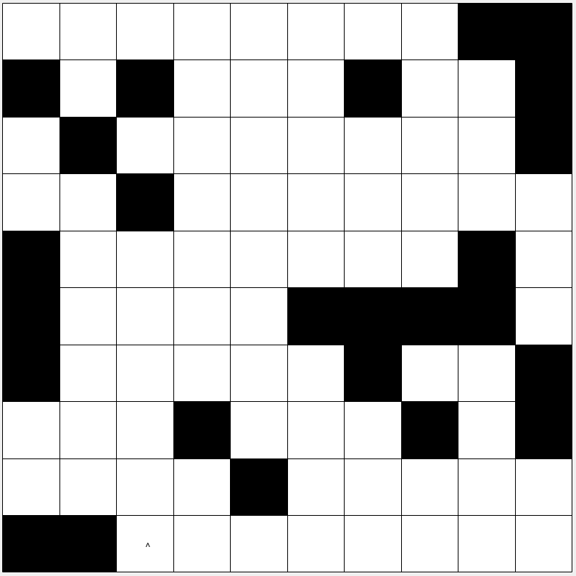
 |  | 4 | 0 | -1 |  | 5
 |  |  |  |  |  | 1
Please do not edit on this.. make a copy of this and Edit |  |  |  |  |  | 5
 |  |  |  | Initial Position |  | 1
 |  |  |  | I | J | 5
 |  |  |  | 10 | 3 | 1
 |  |  |  | Initial direction |  | 5
 |  |  |  | 1 |  | 1
 |  |  |  |  |  | 5
DIRECTION ACTION --> | 1 | 2 | 3 | 4 | 5 | 4
1 | 1 | 2 | 3 | 4 | 1 | 1
2 | 2 | 3 | 4 | 1 | 2 | 5
3 | 3 | 4 | 1 | 2 | 3 | 1
4 | 4 | 1 | 2 | 3 | 4 | 5
 |  |  |  |  |  | 1
 |  |  | Obstacles |  |  | 5
 |  |  | 10 | 1 |  | 1
 |  |  | 10 | 2 |  | 5
 |  |  | 9 | 5 |  | 4
 |  |  | 8 | 4 |  | 1
 |  |  | 8 | 8 |  | 5
 |  |  | 8 | 10 |  | 1
 |  |  | 7 | 1 |  | 5
 |  |  | 7 | 7 |  | 1
 |  |  | 7 | 10 |  | 5
 |  |  | 6 | 1 |  | 1
 |  |  | 6 | 6 |  | 5
 |  |  | 6 | 7 |  | 1
 |  |  | 6 | 8 |  | 5
 |  |  | 6 | 9 |  | 1
 |  |  | 5 | 1 |  | 5
 |  |  | 5 | 9 |  | 1
 |  |  | 4 | 3 |  | 5
 |  |  | 3 | 2 |  | 2
 |  |  | 3 | 10 |  | 2
 |  |  | 2 | 1 |  | 1
 |  |  | 2 | 3 |  | 2
 |  |  | 2 | 7 |  | 1
 |  |  | 2 | 10 |  | 5
 |  |  | 1 | 9 |  | 2
 |  |  | 1 | 10 |  | 2
 |  |  |  |  |  | 1
 |  |  |  |  |  | 2
 |  |  |  |  |  | 1
 |  |  |  |  |  | 1
 |  |  |  |  |  | 2
1 | 1 |  |  |  |  | 1
1 | 2 |  |  |  |  | 5
1 | 3 |  |  |  |  | 1
1 | 4 |  |  |  |  | 5
1 | 5 |  |  |  |  | 1
1 | 6 |  |  |  |  | 5
1 | 7 |  |  |  |  | 1
1 | 8 |  |  |  |  | 1
1 | 9 |  |  |  |  | 5
1 | 10 |  |  |  |  | 1
2 | 1 |  |  |  |  | 5
2 | 2 |  |  |  |  | 4
2 | 3 |  |  |  |  | 1
2 | 4 |  |  |  |  | 5
2 | 5 |  |  |  |  | 1
2 | 6 |  |  |  |  | 5
2 | 7 |  |  |  |  | 2
2 | 8 |  |  |  |  | 1
2 | 9 |  |  |  |  | 5
2 | 10 |  |  |  |  | 1
3 | 1 |  |  |  |  | 5
3 | 2 |  |  |  |  | 1
3 | 3 |  |  |  |  | 5
3 | 4 |  |  |  |  | 4
3 | 5 |  |  |  |  | 1
3 | 6 |  |  |  |  | 5
3 | 7 |  |  |  |  | 1
3 | 8 |  |  |  |  | 5
3 | 9 |  |  |  |  | 1
3 | 10 |  |  |  |  | 5
4 | 1 |  |  |  |  | 1
4 | 2 |  |  |  |  | 5
4 | 3 |  |  |  |  | 4
4 | 4 |  |  |  |  | 1
4 | 5 |  |  |  |  | 5
4 | 6 |  |  |  |  | 4
4 | 7 |  |  |  |  | 1
4 | 8 |  |  |  |  | 5
4 | 9 |  |  |  |  | 1
4 | 10 |  |  |  |  | 5
5 | 1 |  |  |  |  | 1
5 | 2 |  |  |  |  | 5
5 | 3 |  |  |  |  | 2
5 | 4 |  |  |  |  | 1
5 | 5 |  |  |  |  | 5
5 | 6 |  |  |  |  | 4
5 | 7 |  |  |  |  | 1
5 | 8 |  |  |  |  | 1
5 | 9 |  |  |  |  | 5
5 | 10 |  |  |  |  | 2
6 | 1 |  |  |  |  | 1
6 | 2 |  |  |  |  | 1
6 | 3 |  |  |  |  | 5
6 | 4 |  |  |  |  | 1
6 | 5 |  |  |  |  | 1
6 | 6 |  |  |  |  | 5
6 | 7 |  |  |  |  | 1
6 | 8 |  |  |  |  | 5
6 | 9 |  |  |  |  | 1
6 | 10 |  |  |  |  | 5
7 | 1 |  |  |  |  | 2
7 | 2 |  |  |  |  | 1
7 | 3 |  |  |  |  | 5
7 | 4 |  |  |  |  | 2
7 | 5 |  |  |  |  | 1
7 | 6 |  |  |  |  | 5
7 | 7 |  |  |  |  | 1
7 | 8 |  |  |  |  | 5
7 | 9 |  |  |  |  | 4
7 | 10 |  |  |  |  | 1
8 | 1 |  |  |  |  | 5
8 | 2 |  |  |  |  | 1
8 | 3 |  |  |  |  | 1
8 | 4 |  |  |  |  | 5
8 | 5 |  |  |  |  | 1
8 | 6 |  |  |  |  | 5
8 | 7 |  |  |  |  | 2
8 | 8 |  |  |  |  | 1
8 | 9 |  |  |  |  | 5
8 | 10 |  |  |  |  | 1
9 | 1 |  |  |  |  | 5
9 | 2 |  |  |  |  | 2
9 | 3 |  |  |  |  | 2
9 | 4 |  |  |  |  | 1
9 | 5 |  |  |  |  | 1
9 | 6 |  |  |  |  | 4
9 | 7 |  |  |  |  | 1
9 | 8 |  |  |  |  | 2
9 | 9 |  |  |  |  | 1
9 | 10 |  |  |  |  | 5
10 | 1 |  |  |  |  | 1
10 | 2 |  |  |  |  | 5
10 | 3 |  |  |  |  | 4
10 | 4 |  |  |  |  | 1
10 | 5 |  |  |  |  | 4
10 | 6 |  |  |  |  | 1
10 | 7 |  |  |  |  | 2
10 | 8 |  |  |  |  | 1
10 | 9 |  |  |  |  | 5
10 | 10 |  |  |  |  | 1
 |  |  |  |  |  | 1
 |  |  |  |  |  | 1
 |  |  |  |  |  | 1
 |  |  |  |  |  | 5
 |  |  |  |  |  | 2
 |  |  |  |  |  | 2
 |  |  |  |  |  | 1
 |  |  |  |  |  | 2
 |  |  |  |  |  | 1
 |  |  |  |  |  | 1
 |  |  |  |  |  | 2
 |  |  |  |  |  | 1
 |  |  |  |  |  | 1
 |  |  |  |  |  | 5
 |  |  |  |  |  | 2
 |  |  |  |  |  | 1
 |  |  |  |  |  | 5
 |  |  |  |  |  | 4
 |  |  |  |  |  | 1
 |  |  |  |  |  | 5
 |  |  |  |  |  | 2
 |  |  |  |  |  | 1
 |  |  |  |  |  | 5
 |  |  |  |  |  | 2
 |  |  |  |  |  | 2
 |  |  |  |  |  | 1
 |  |  |  |  |  | 4
 |  |  |  |  |  | 1
 |  |  |  |  |  | 2
 |  |  |  |  |  | 1
 |  |  |  |  |  | 1
 |  |  |  |  |  | 5
 |  |  |  |  |  | 1
 |  |  |  |  |  | 5
 |  |  |  |  |  | 1
 |  |  |  |  |  | 5
 |  |  |  |  |  | 1
 |  |  |  |  |  | 5
 |  |  |  |  |  | 2
 |  |  |  |  |  | 1
 |  |  |  |  |  | 5
 |  |  |  |  |  | 2
 |  |  |  |  |  | 1
 |  |  |  |  |  | 5
 |  |  |  |  |  | 2
 |  |  |  |  |  | 1
 |  |  |  |  |  | 1
 |  |  |  |  |  | 2
 |  |  |  |  |  | 1
 |  |  |  |  |  | 4
 |  |  |  |  |  | 1
 |  |  |  |  |  | 5
 |  |  |  |  |  | 2
 |  |  |  |  |  | 1
 |  |  |  |  |  | 5
 |  |  |  |  |  | 4
 |  |  |  |  |  | 1
 |  |  |  |  |  | 5
 |  |  |  |  |  | 1
 |  |  |  |  |  | 1
 |  |  |  |  |  | 1
 |  |  |  |  |  | 1
 |  |  |  |  |  | 4
 |  |  |  |  |  | 1
 |  |  |  |  |  | 1
 |  |  |  |  |  | 5
 |  |  |  |  |  | 1
 |  |  |  |  |  | 5
 |  |  |  |  |  | 4
 |  |  |  |  |  | 1
 |  |  |  |  |  | 5
...

