Executive Summary
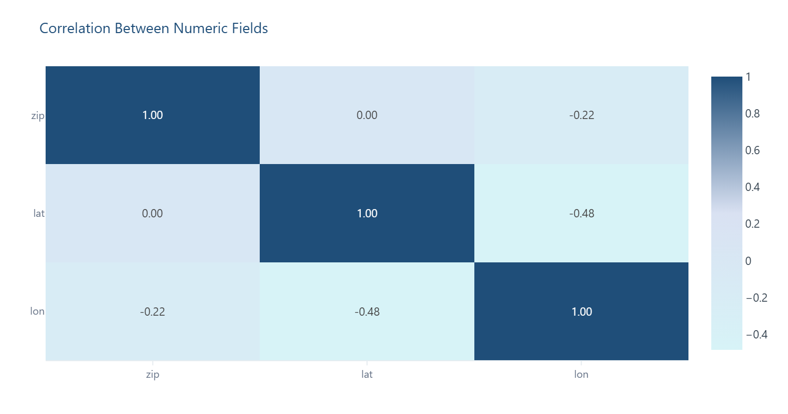
Executive Summary
Top-line metrics and premium visual highlights generated automatically from the cleaned dataset. Charts mirror the live dashboard and are embedded for offline review.

Key Metrics |  | Quality Summary
Original Rows | 974 | Missing Values | 2504
Cleaned Rows | 974 | Completeness | 87.1%
Rows Removed | 0 | High-Risk Fields | 3
Columns | 20 | Avg Issue Rate | 11.82%

Overall Risk | 🔴 HIGH RISK | Top Issue | Missing (suffix)

Bottom Line
This is a clean, usable patient/person demographic registry of 974 unique individuals — every ID is distinct, gender is near-balanced, and core fields like `birthdate`, `race`, and `marital` are effectively complete. The headline "High" risk is misleading in isolation: it comes almost entirely from fields that are *supposed* to be empty for most people (`suffix`, `maiden`, `deathdate`), not from broken data. Risk is primarily driven by structurally expected missing data, not data corruption.
Risk is primarily driven by structurally expected missing data, not data corruption.

Premium Chart Gallery
Charts are auto-generated from the cleaned dataset and match the live dashboard.

Missing Values by Column
Highlights which fields carry the most missing data after cleaning.
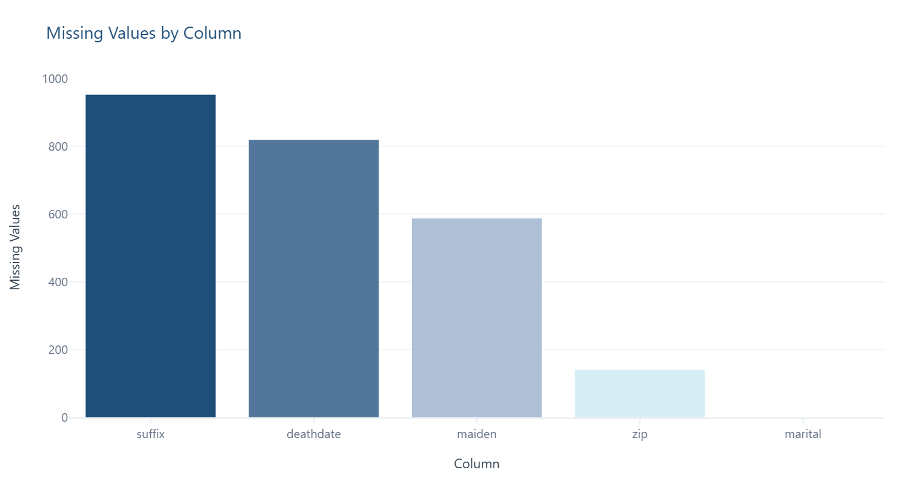

Original vs Cleaned Row Volume
Shows how many records remain after duplicate removal and cleansing.
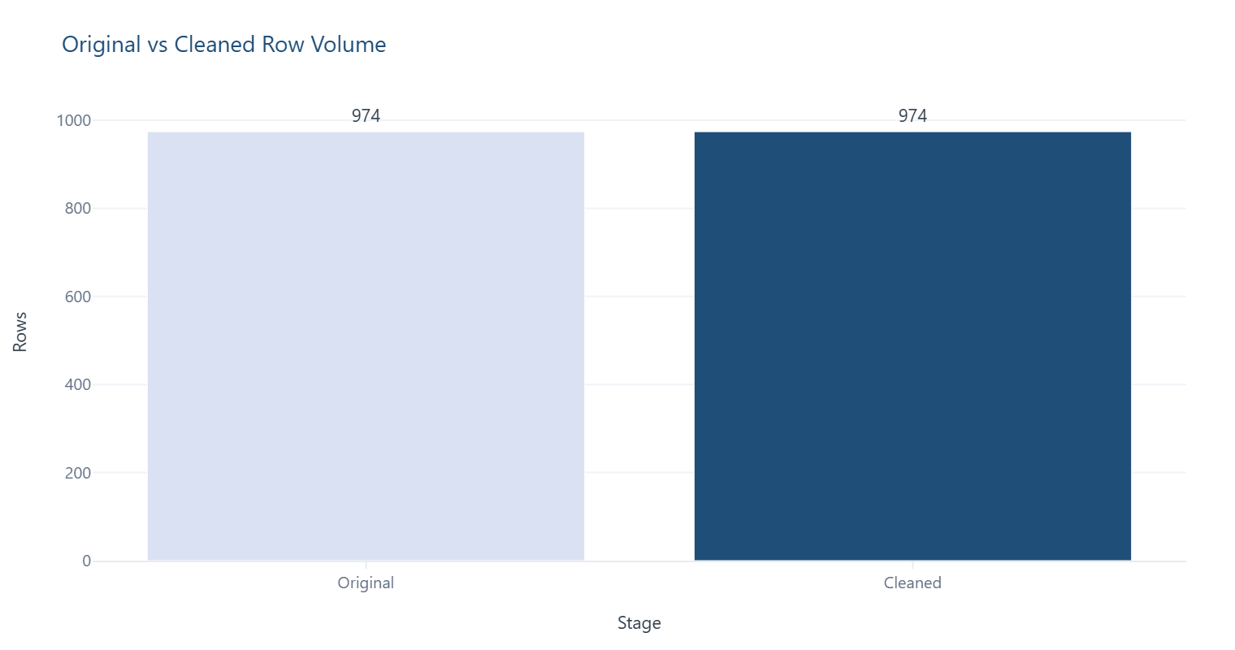

Overall Data Completeness
Proportion of populated cells across the cleaned dataset.
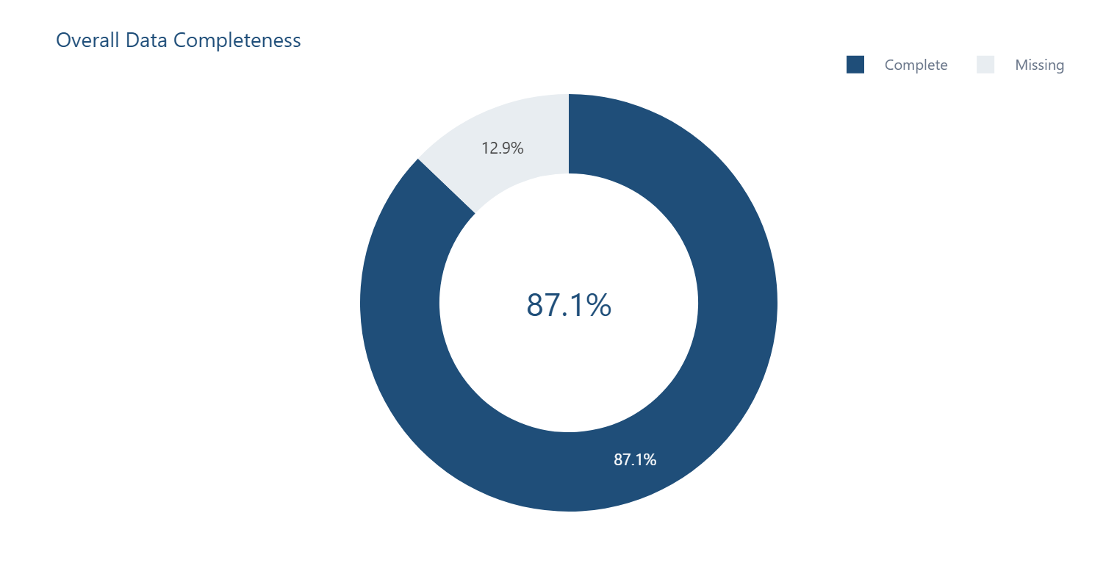

Column Risk Mix
Number of columns flagged at each data-quality risk level.
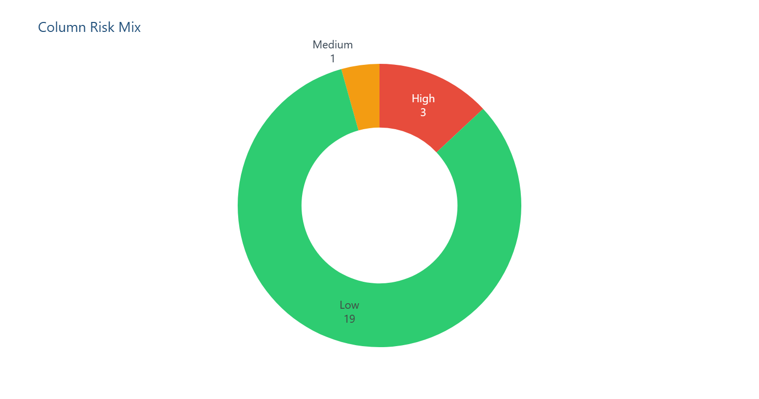

Distribution — zip
Frequency spread of values observed in 'zip'.
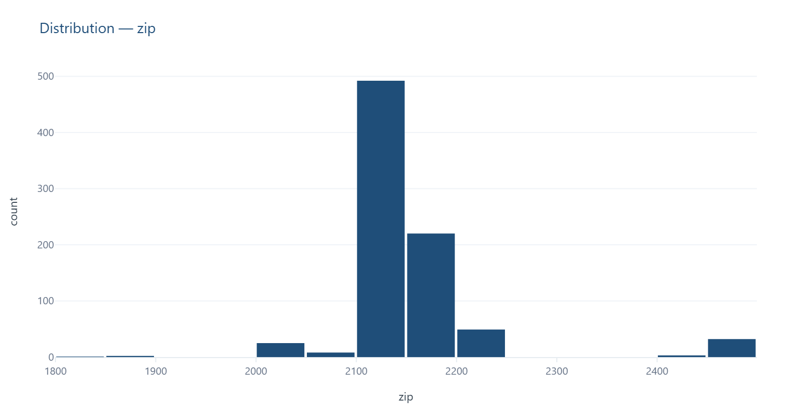

Distribution — lat
Frequency spread of values observed in 'lat'.
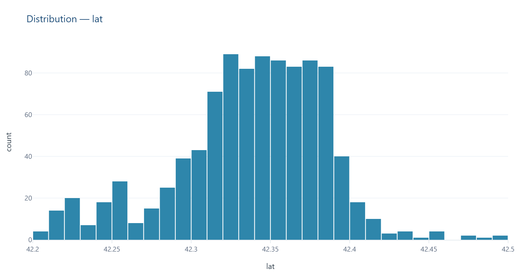

Distribution — lon
Frequency spread of values observed in 'lon'.
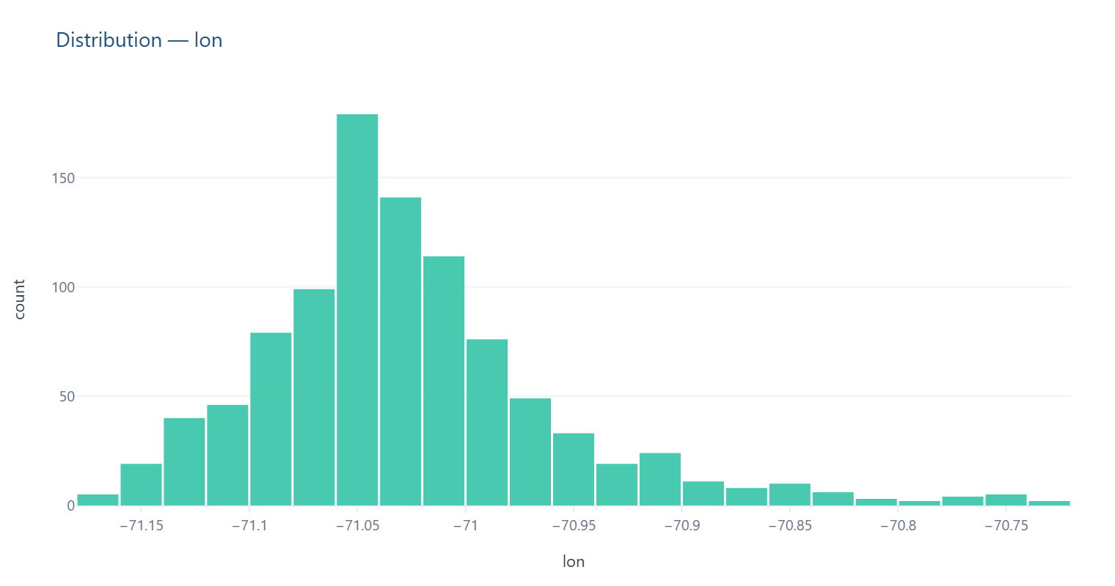

Top Categories — id
Most frequently occurring values in 'id'.
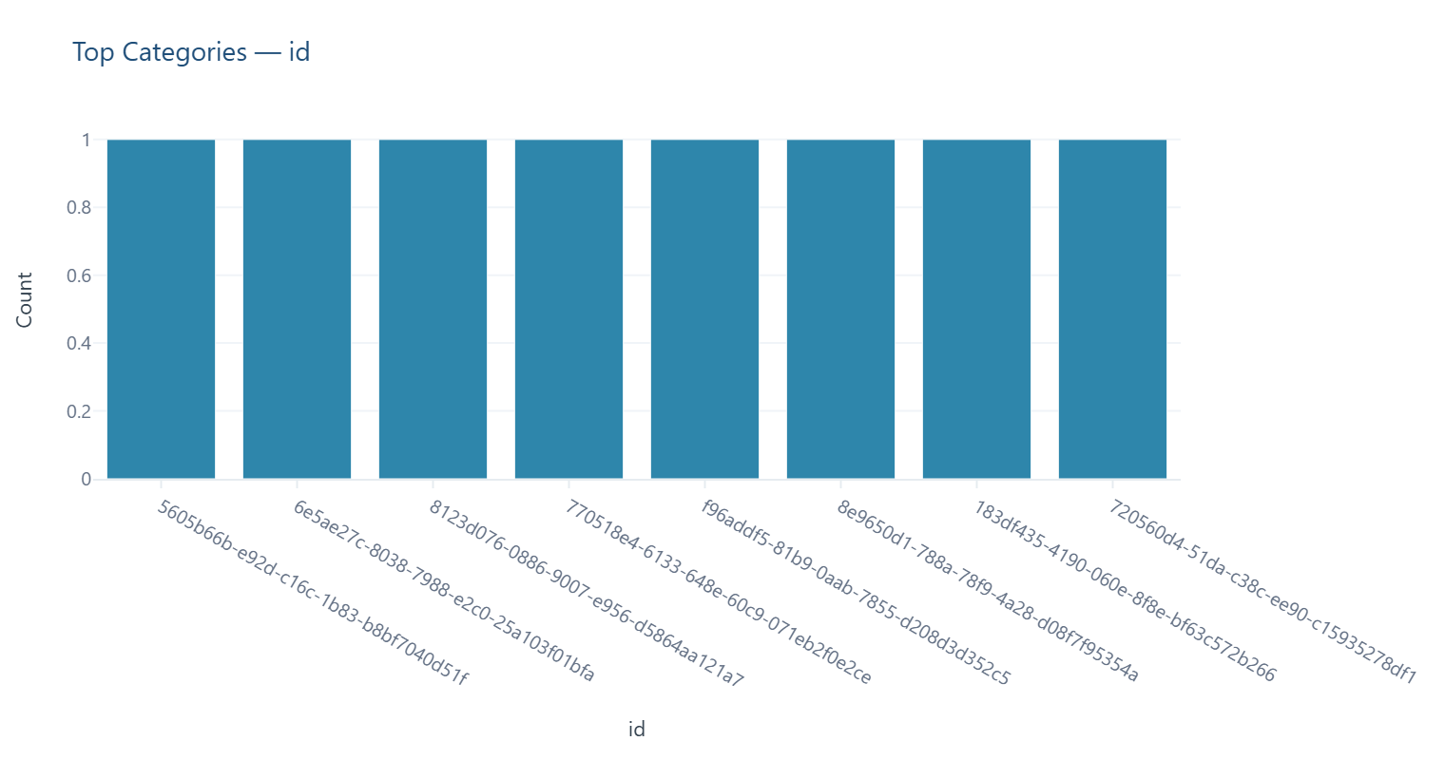

Top Categories — prefix
Most frequently occurring values in 'prefix'.
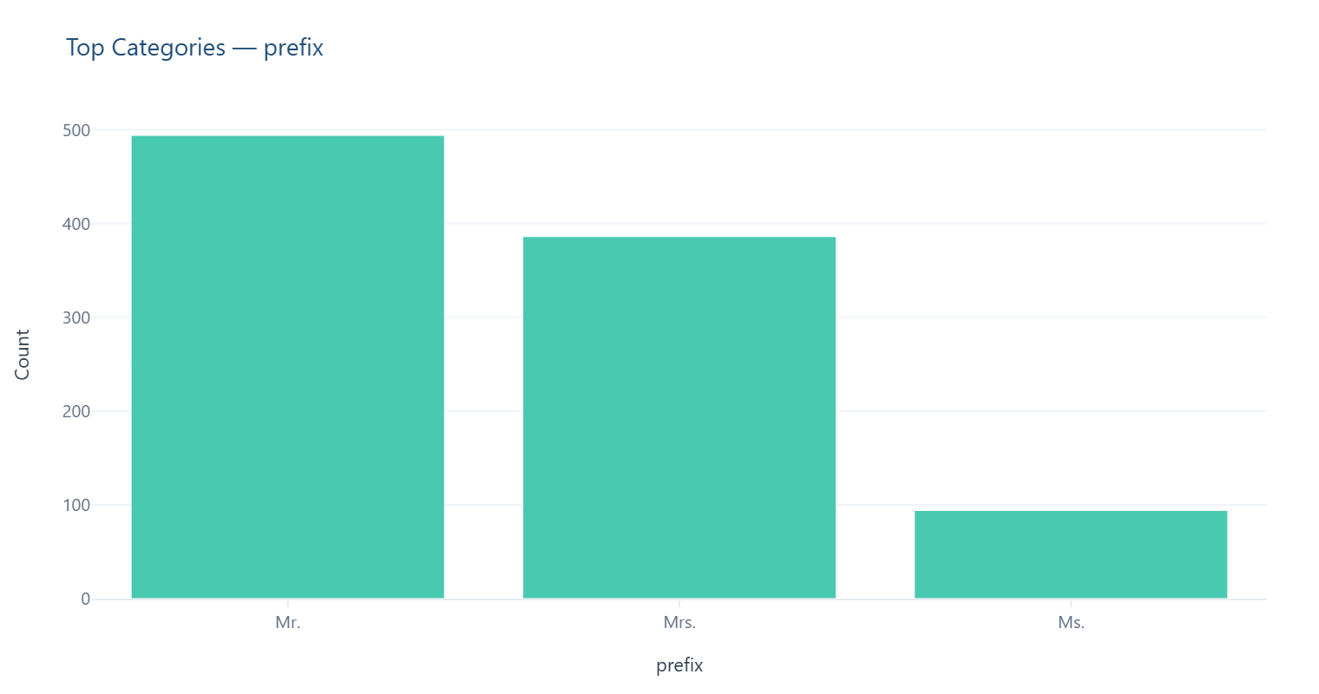

Top Categories — first
Most frequently occurring values in 'first'.
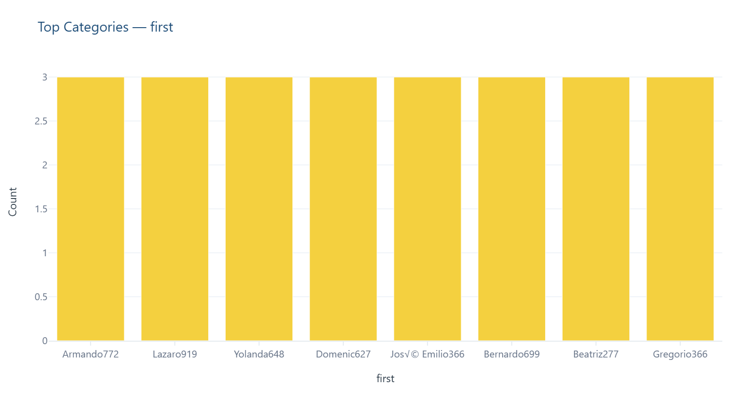

Records Over Time — birthdate
Volume of records by date — useful for spotting gaps, spikes or seasonality.
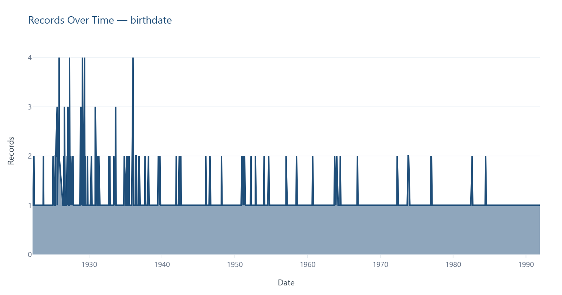

Correlation Between Numeric Fields
Pairwise relationships (Pearson correlation) between numeric columns.

Dashboard
Dashboard Reporting

Missing Values by Column
 |  | Top Columns by Missing Values | Count
Original Rows | 974 | suffix | 953
Cleaned Rows | 974 | deathdate | 820
Rows Removed | 0 | maiden | 588
Columns | 20 | zip | 142
Missing Values | 2504 | marital | 1
 |  | id | 0
 |  | birthplace | 0
 |  | lat | 0
 |  | county | 0
 |  | state | 0

Original vs Cleaned Rows
 |  | Dataset Stage | Rows
 |  | Original | 974
 |  | Cleaned | 974

Data Completeness

Completeness % | 87.15

Column Risk Levels
Column | Risk Level
id | 🟢 Low
birthdate | 🟢 Low
deathdate | 🔴 High
prefix | 🟢 Low
first | 🟢 Low
last | 🟢 Low
suffix | 🔴 High
maiden | 🔴 High
marital | 🟢 Low
race | 🟢 Low
ethnicity | 🟢 Low
gender | 🟢 Low
birthplace | 🟢 Low
address | 🟢 Low
city | 🟢 Low
state | 🟢 Low
county | 🟢 Low
zip | 🟠 Medium
lat | 🟢 Low
lon | 🟢 Low

Data Quality Status
Status | 🔴 HIGH RISK
- 11.82% Average Issue Rate Across Columns
- 0.0% Duplicate Records
- 3 Field(s) with High Risk
- Top Issue: Missing (suffix)

Recommended Action
⚠️ Cleaning complete — remaining gaps require source data correction

