MySQL
DB INIT | https://dev.mysql.com/doc/refman/8.0/ja/windows-installation.html

 | CREATE DB personal_budget_DB
 | USE personal_budget_DB
 | CREATE TABLE personal_budget_tbl2 (
 | Account_Number char(14) not null,
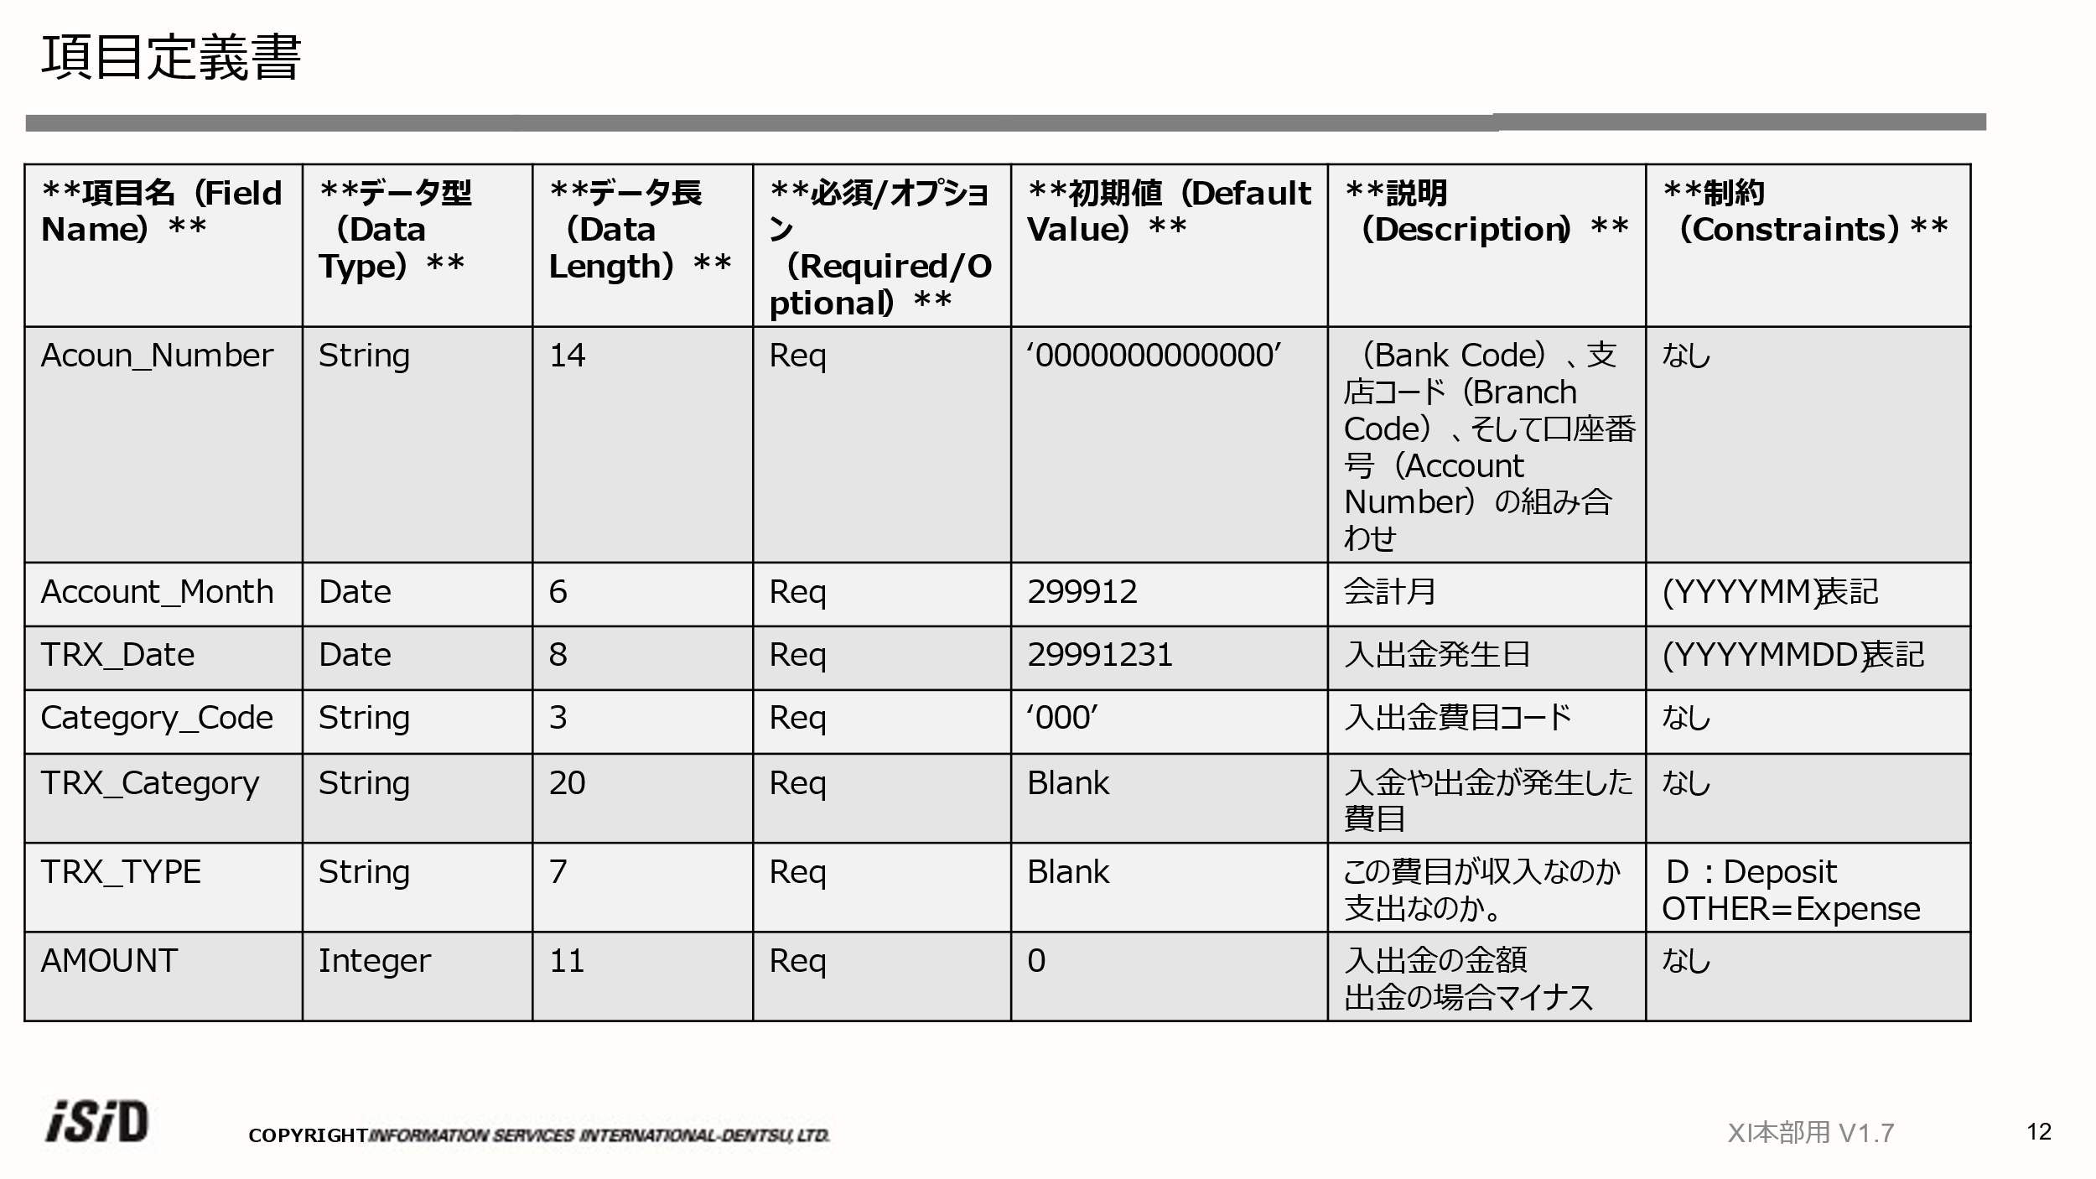
 | Account_Month char(6) not null,
 | TRX_Date char(8) not null,
 | Category_Code char(3) not null,
 | TRX_Category char(20) not null,
 | TRX_TYPE char(7) not null,
 | AMOUNT Integer);

 | INSERT INTO personal_budget_tbl2
 | VALUES ('00010010000001','202306','20230601','001','日用品','Deposit',1050,
 | 00010010000002','202306','20230601','001','日用品','Deposit',1050,

 | commit;

 | INSERT INTO personal_budget_DB VALUES ('0000000000111','202306','20230601','001','BOOKS','DEPOSIT',1200);

 | ALTER TABLE personal_budget_tbl2
 | ADD PRIMARY KEY (Account_Number);
 | update personal_budget_tbl2 set TRX_TYPE="Deposit" where Account_Number="12345678901234"

