Summary
Summary
In March 2024, we received an email from a reader who was looking for an RSS feed option on the blog. Weeks later, we received a suggestion form another reader to add an email subscription. Starting in mid-2023, ODDD has been considering how we can share our new blog posts in a way that minimizes bureaucratic delays but still reaches our current and new users. These three things led to us conducting our first user research study for blog-nrrd.doi.gov, with the goals of determining how users want to be alerted of new posts, what they want and expect from those alert options, and the overall usability of the blog in its current state.
In June 2023, we held 7 user interviews with known readers of the blog. These readers were identified via previous correspondence our team had with them regarding a blog post. The participant pool included career federal employees, contractors, and the CEO of a private company that builds websites for state and federal agencies. Their roles include communications, content strategy, UX research, product manager, and consultant. Their feedback covered blog post alert methods and design, desired blog topics and content design, and features that would improve the usability of the blog site.
The results show that readers appreciate the blog and find it useful for their work – some topics and genres more so than others. This level of transparency in our work is seen as unique in government and we’re setting an example for others. There was no consensus in the preferred method for new post alerts, meaning we should implement multiple options and continue with posting to listservs. Overall, the usability of our blog would be improved by adding a method that makes it easy for readers to find posts on topics most relevant to their work – not all posts are of interest to all readers.
Recommendations
• Provide relevant links and features, but only those that are very relevant, well-labeled, and are features users actually use
• Review old posts to see if they are outdated. Take down and instead make available in GitHub folder.
• Change our metadescription and site title to be ONRR/ODDD focused instead of DOI
• Research RSS subscription method options (auto subscribe, link to url needed to subscribe, putting up an info page, etc) and what people have access to on their govt computers
• Add RSS link and icon
• Add info that teaches users more about RSS and how it fits in with our open data mission
• Add subtitle or blurb or about page that explain we're part of DOI and the general subject matter of the blog
• Create a communications checklist: different listservs to post to, shared on linked in, check RSS feed, confirm automated email subscription worked
• Add tagging and filtering using digital.gov topics.
• Add subscription options to both top and footer.
• Provide email subscription options for topics.
• Provide easy unsubscribe option
• Make home button more obvious
Opportunities to consider
• Continue writing thoughtful summaries and title with different types of users in mind (readers vs. scanners)
• Consider more cross linking within posts - both to our own site and other blogs
• Prototype multiple options for adding features without overwhelming simplicity. Ask for prototype feedback from blog users - specifically those from the study. Increases engagement.
• Consider the terminology we use for features - make them active ("connect with us", etc.)
• Look into relevant digests and connecting with those who run them
• Keep new posts relevant, interesting, in line with topics readers want
• Continue to post to listservs in addition to adding subscription features on the site
• Consider adding search but needs to work well
• Keep topics of interest in mind when writing new posts
• Explore use of touch points (if it has any features beyond feedback)
• Consider Including number of posts with that topic in the filter
Additional Ideas for ODDD
• Customize GitHub issues template to get more specific information from outside submitters (who they are, etc.)
• Add some of the opportunities to our blog writing wiki
• Put unsubscribe in the email and site footer
• Have All as a subscription topic option - maybe as the default
• Look at groups.io - mentioned as an easy email subscription tool
• Not all agencies have access to tools we use - add those kinds of disclaimers when we write

Affinity Map
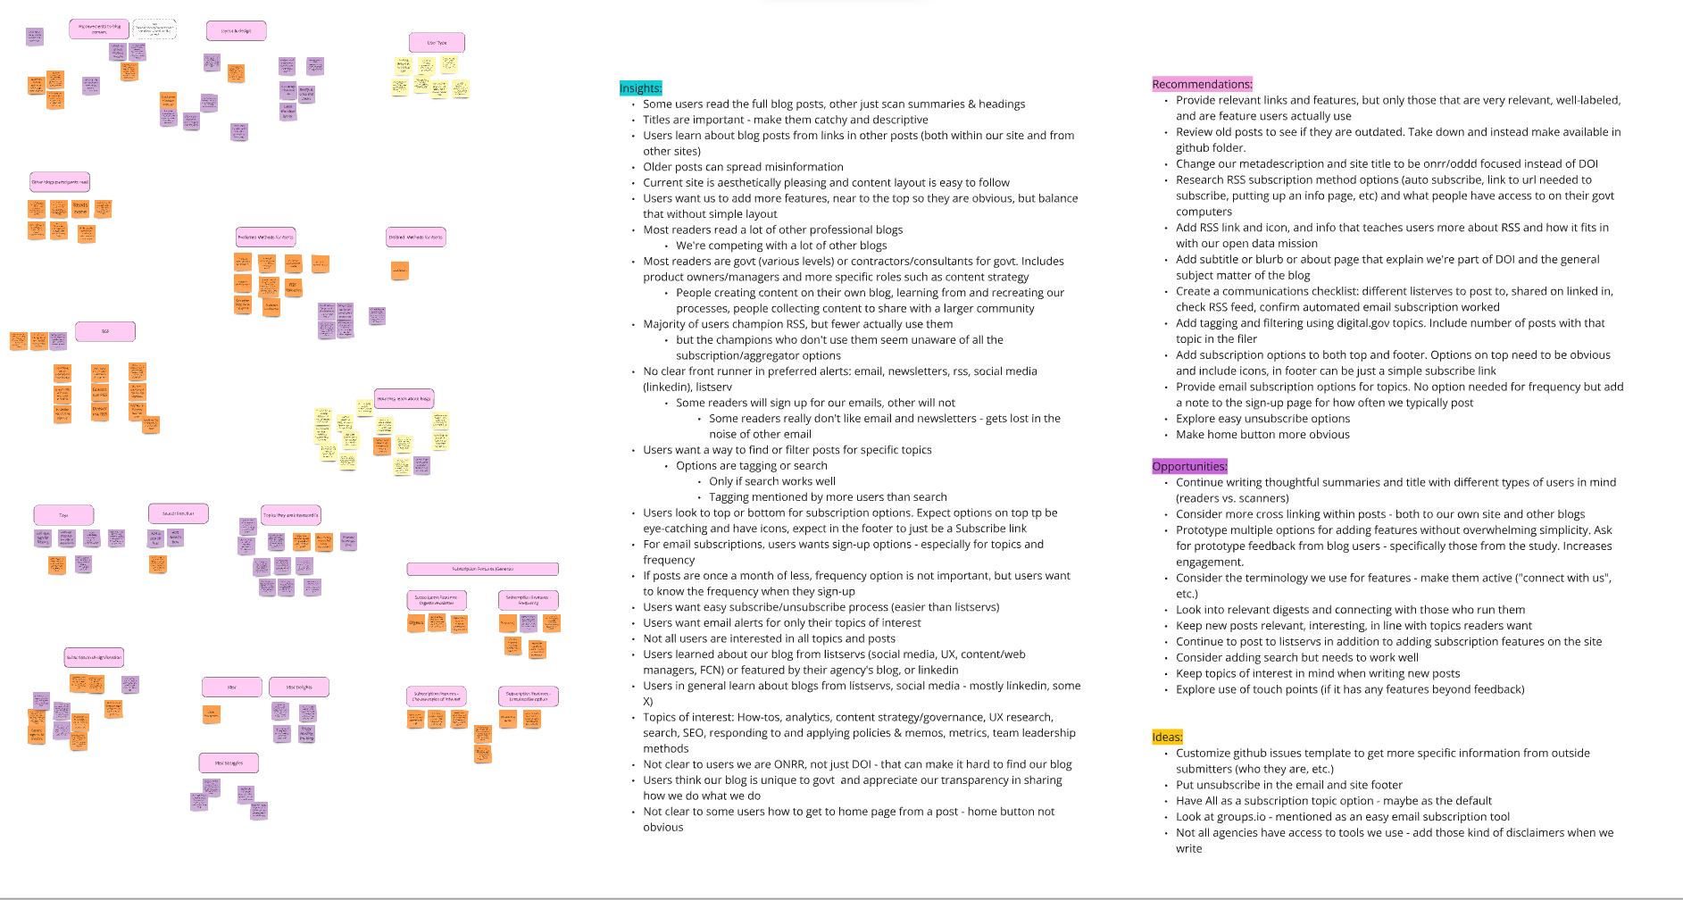
Affinity Map (Miro)

Use the link below to view the board in detail
https://miro.com/app/live-embed/uXjVPi8kk8Q=/?moveToViewport=10230,5640,9948,5359&embedId=662905894171

