Sheet2
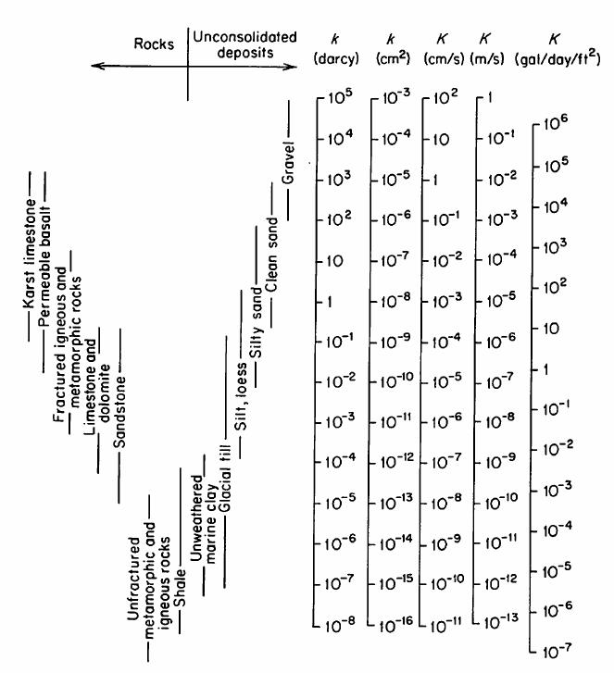
Geology_Type | Lookup_Code | K_m_s | Kh_m_d | Kv_m_d | Comments
Outwash | 11 | 1.00E-05 | 8.64E-01 | 8.64E-02
Peat & outwash | 12 | 1.00E-06 | 8.64E-02 | 8.64E-03
Water & outwash | 13 | 1.00E-06 | 8.64E-02 | 8.64E-03
Basal Coarse | 14 | 1.00E-05 | 8.64E-01 | 8.64E-02
Kame | 15 | 1.00E-05 | 8.64E-01 | 8.64E-02
Alluvial fan | 16 | 1.00E-05 | 8.64E-01 | 8.64E-02
Alluvium & outwash | 17 | 1.00E-05 | 8.64E-01 | 8.64E-02
Kame moraine | 18 | 1.00E-05 | 8.64E-01 | 8.64E-02
Till moraine | 19 | 1.00E-07 | 8.64E-03 | 8.64E-04
Till & Bedrock | 20 | 1.00E-07 | 8.64E-03 | 8.64E-04
Till | 21 | 1.00E-07 | 8.64E-03 | 8.64E-04
Bedrock | 22 | 1.00E-10 | 8.64E-06 | 8.64E-07
Lacustrine silt & clay | 23 | 1.00E-07 | 8.64E-03 | 8.64E-04
Outwash & alluvial fan combination | 24 | 1.00E-05 | 8.64E-01 | 8.64E-02 | This geology type is a mix between outwash and alluvial fan. K value should be somewhere between outwash K and alluvial fan K.
Kame & alluvial fan combination | 25 | 1.00E-05 | 8.64E-01 | 8.64E-02 | This geology type is a mix between outwash and kame. K value should be somewhere between kame K and alluvial fan K.
Peat outwash & alluvium combination | 26 | 1.00E-05 | 8.64E-01 | 8.64E-02 | This geology type is a mix between outwash, alluvium and peat. K value should be somewhere between peat K, alluvial fan K, and outwash K.
Peat & kame combination | 27 | 1.00E-05 | 8.64E-01 | 8.64E-02 | This geology type is a mix between peat and kame. K value should be somewhere between kame K and peat K.
Alluvium & Kame combination | 28 | 1.00E-05 | 8.64E-01 | 8.64E-02 | This geology type is a mix between alluvium and kame. K value should be somewhere between kame K and alluvium K.
Artificial fill | 29 | 1.00E-05 | 8.64E-01 | 8.64E-02
Lacustrine Sand | 30 | 1.00E-05 | 8.64E-01 | 8.64E-02
Lacustrine sand & alluvium combination | 31 | 1.00E-05 | 8.64E-01 | 8.64E-02 | This geology type is a mix between lacustrine sand and alluvium. K value should be somewhere between the two.
Till/alluvium combination | 32 | 1.00E-05 | 8.64E-01 | 8.64E-02 | This geology type is a mix between till and alluvium. K value should be somewhere between the two.
lacustrine sand & alluvium fan combination | 33 | 1.00E-05 | 8.64E-01 | 8.64E-02 | This geology type is a mix between lacustrine sand and alluvium fan. K value should be somewhere between the two.
lacustrine silt & alluvium fan combination | 34 | 1.00E-05 | 8.64E-01 | 8.64E-02 | This geology type is a mix betweenlacustrine silt and alluvium fan. K value should be somewhere between the two.
Alluvium & lacustrine silt and clay combination | 35 | 1.00E-05 | 8.64E-01 | 8.64E-02 | This geology type is a mix between alluvium and lacustrine silt and clay. K value should be somewhere between the two.
Till & Kame combination | 36 | 1.00E-05 | 8.64E-01 | 8.64E-02 | This geology type is a mix between till and kame. K value should be somewhere between the two.
Till & Outwash combination | 37 | 1.00E-05 | 8.64E-01 | 8.64E-02 | This geology type is a mix between till and outwash. K value should be somewhere between the two.
Kame & Water | 38 | 1.00E-05 | 8.64E-01 | 8.64E-02
Peat & Till combination | 39 | 1.00E-05 | 8.64E-01 | 8.64E-02 | This geology type is a mix between till and peat. K value should be somewhere between the two.

