breast_cancer
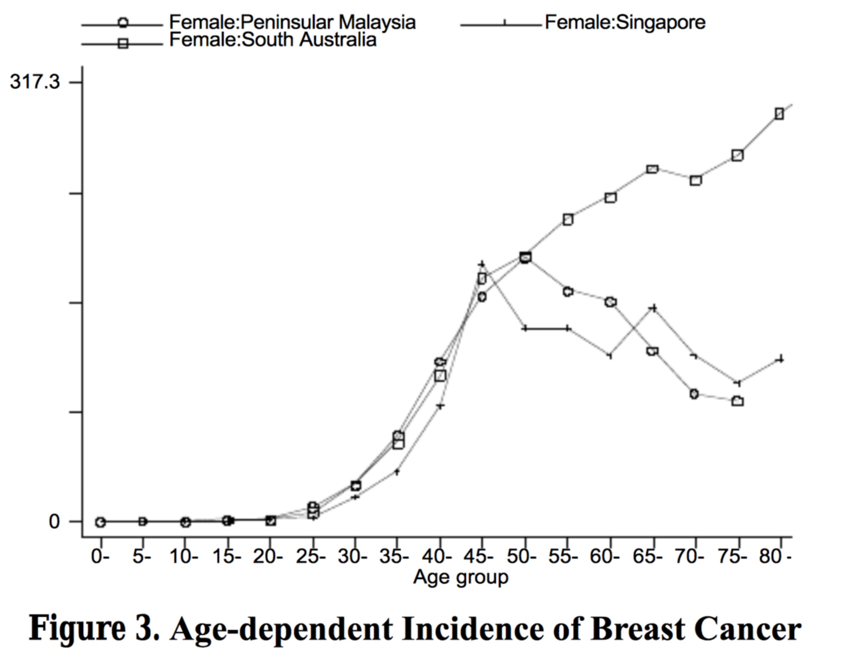
Country | Malaysia
stage incidence (n=2009, 1995-2004) |  |  |  |  | age incidence
stage | incidence % | n |  |  | Age | n | incidence % | cancer_rate(CR)
0 | 3 | 60.27 |  |  | 0-9 | 2 | 0.1 | 0.1
I | 23 | 462.07 |  |  | 10_19 | 5 | 0.1 | 0.3
II | 47 | 944.23 |  |  | 20-29 | 39 | 1 | 2.5
III | 16 | 321.44 |  |  | 30-39 | 457 | 12.2 | 34.1
IV | 11 | 220.99 |  |  | 40-49 | 1255 | 33.6 | 111.9
reference[1] | Gaurav Agarwal, Pradeep PV, Vivek Aggarwal, Yip ChengHar, Cheung PSY. Spectrum of breast cancer in Asian women. World Journal of Surgery. 2007;31(5):1031-1040. |  |  |  | 50-59 | 1141 | 30.5 | 159.8
 |  |  |  |  | 60-69 | 571 | 15.3 | 137.7
data_source | UMMC, Kuala Lumpur |  |  |  | 70+ | 268 | 7.2 | 97.9
 |  |  |  |  | reference[2] | Yip CH, Taib NAM, Mohamed I. Epidemiology of breast cancer in Malaysia. Asian Pacific Journal Of Cancer Prevention: APJCP. 2006;7(3):369-374.

 |  |  |  |  | data_source | NCR report

reference[2] |  |  |  |  |  |  |  |  | reference[2]
UMMC(n=1485,1993-2004) |  |  | Penang Cancer Registry(1994-1998)
stage | incidence % |  | stage | incidence %
stage1-2 | 60-70 |  | stage 1 | 15.8
stage3-4 | 30-40 |  | stage 2 | 46.9
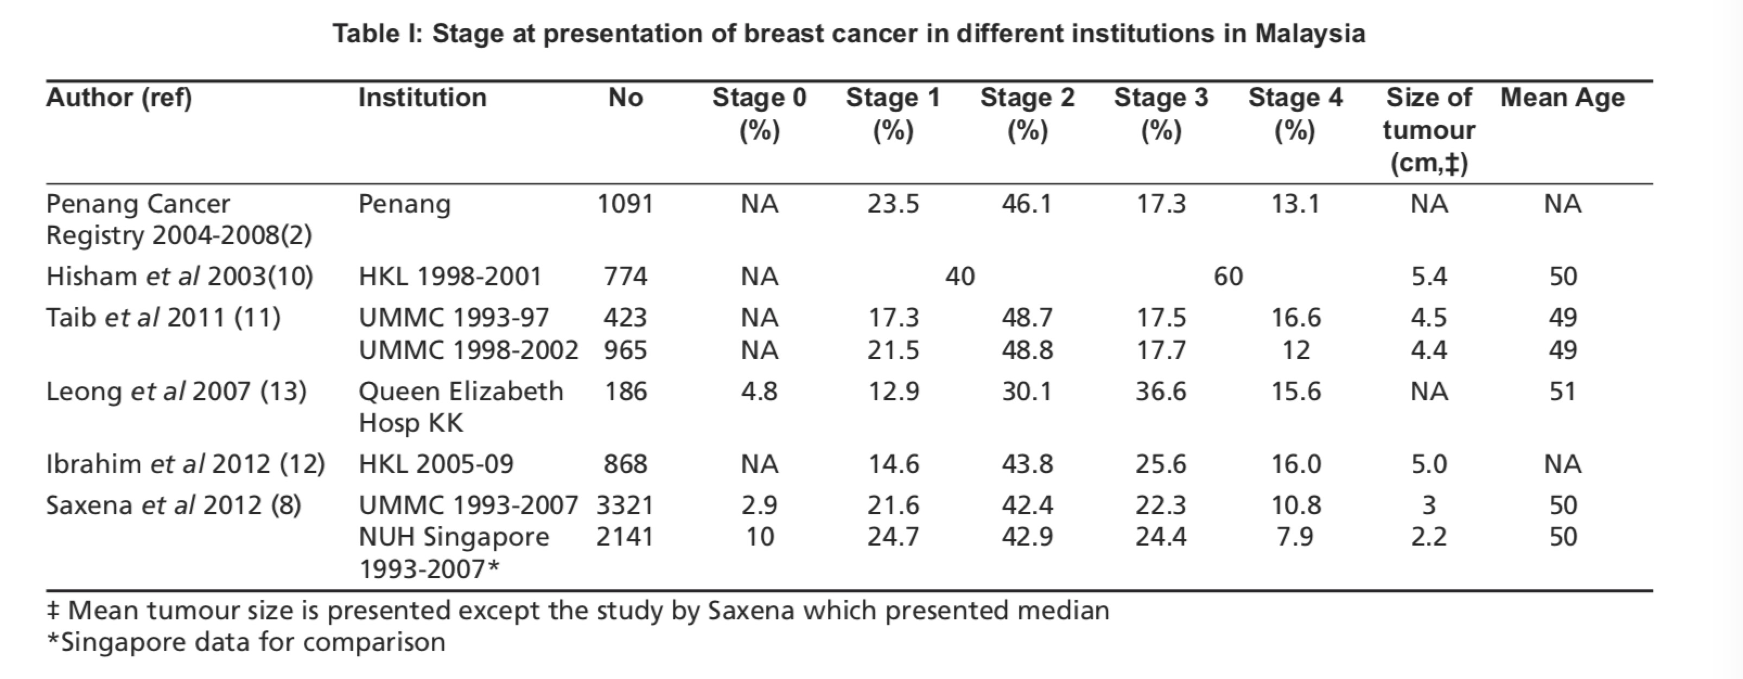
 |  |  | stage 3 | 22.2
 |  |  | stage 4 | 15.5

stage incidence
stage | incidence %
 | UMMC | n | DCC | n
0 | 6 | 28 | 0 | 0
1 | 27 | 126 | 5 | 20
2 | 34 | 161 | 32 | 136
3 | 25 | 120 | 41 | 173
4 | 8 | 40 | 22 | 92
reference[3] | Ng CH, Pathy NB, Taib NA, et al. Comparison of breast cancer in Indonesia and Malaysia--a clinico-pathological study between Dharmais Cancer Centre Jakarta and University Malaya Medical Centre, Kuala Lumpur. Asian Pacific Journal Of Cancer Prevention: APJCP. 2011;12(11):2943-2946. |  |  |  |  |  | reference[3]
 |  |  |  |  |  |  | H Yip, C & Bhoo-Pathy, Nirmala & Teo, Soo-Hwang. (2014). A review of breast cancer research in Malaysia. The Medical journal of Malaysia. 69 Suppl A. 8-22.

colorectal_cancer
Country | Malaysia

stage | incidence %
stage 1 | 6.7
stage 2 | 24
stage 3 | 37.3
stage 4 | 32
data source | S.A. Shah, H.M. Neoh, S.S.S.A. Rahim, et al. Spatial analysis of colorectal cancer cases in Kuala LumpurAsian Pac J Cancer Prev, 15 (2014), pp. 1149-1154
reference[1] | Veettil SK, Lim KG, Chaiyakunapruk N, Ching SM, Hassan MRA. Colorectal cancer in Malaysia: Its burden and implications for a multiethnic country. Asian Journal of Surgery. 2017;(6):481. doi:10.1016/j.asjsur.2016.07.005.

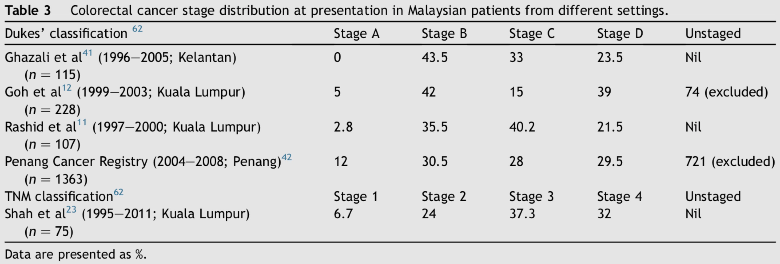

reference[1] |  | data source | Ghazali AK, Musa KI, Naing NN, Mahmood Z. Original Article: Prognostic Factors in Patients With Colorectal Cancer at Hospital Universiti Sains Malaysia. Asian Journal of Surgery. 2010;33:127-133. doi:10.1016/S1015-9584(10)60022-X.
 |  |  | K.-L. G, K.-F. Q, G. T. S. Y, et al. Colorectal cancer in Asians: a demographic and anatomic survey in Malaysian patients undergoing colonoscopy. Alimentary Pharmacology & Therapeutics. 2005;(9):859.
 |  |  | K.-L. G, K.-F. Q, G. T. S. Y, et al. Colorectal cancer in Asians: a demographic and anatomic survey in Malaysian patients undergoing colonoscopy. Alimentary Pharmacology & Therapeutics. 2005;(9):859.

