cervical_cancer
Country | Philippines
stage incidence(N=466,2006)
stage | incidence % | stage | incidence %
squamous cell carcinoma | 68 | >=stage 2b | >=70
adenocarcinoma | 21 | stage 3b | 40-45
adenosquamous | 3
other histology | 8
reference[1] | Domingo EJ, Noviani R, Noor MRM, et al. ICO Monograph Series on HPV and Cervical Cancer: Asia Pacific Regional Report: Epidemiology and Prevention of Cervical Cancer in Indonesia, Malaysia, the Philippines, Thailand and Vietnam. Vaccine. 2008;26(Supplement 12):M71-M79. doi:10.1016/j.vaccine.2008.05.039.
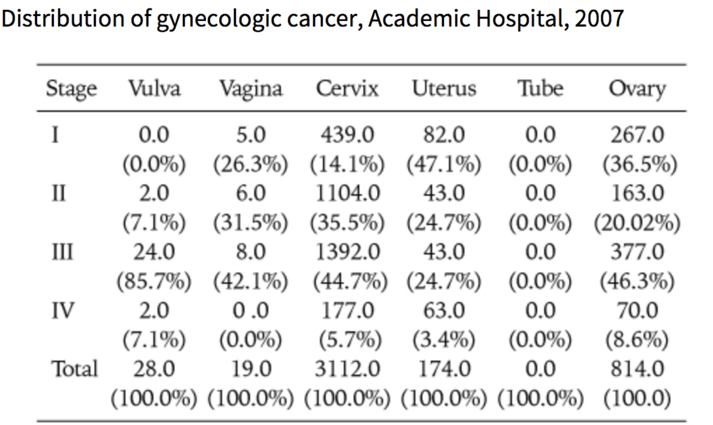

reference[2] | Aziz MF. Gynecological cancer in Indonesia. Journal of Gynecologic Oncology. 2009;20(1):8-10.

