breast_cancer
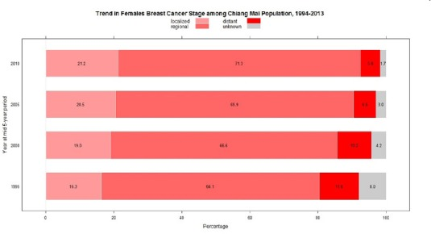
Country | Thailand
stage incidence(n=400)
stage | incidence %
Stage 0 | 61 (15.3%)
Stage I | 7 (1.8%)
Stage II | 205 (51.3%) |  |  |  |  |  | stage distribution n=5417
Stage III | 117 (29.3%) |  |  |  |  |  | incidence %
Stage IV | 17 (4.3%) |  |  |  |  |  | Year | 1994 | 2000 | 2005 | 2013
reference[1] | Sirinoot Buranaruangrote, Siriorn Sindhu, Deborah K. Mayer, Ameporn Ratinthorn, Thiravud Khuhaprema, Factors influencing the stages of breast cancer at the time of diagnosis in Thai women, Collegian, Volume 21, Issue 1, 2014, Pages 11-20, ISSN 1322-7696, https://doi.org/10.1016/j.colegn.2012.11.005. |  |  |  |  | stage | unknown | 8 | 4.2 | 3 | 1.7
 |  |  |  |  |  |  | localized | 16.3 | 19.3 | 24.5 | 21.2
 |  |  |  |  |  |  | regional | 64.1 | 66.6 | 65.9 | 71.3
 |  |  |  |  |  |  | distant | 11.6 | 9.9 | 6.6 | 5.8

stage incidence(n=7711, 2002-2011)
stage | incidence % | n |  | reference[2] | Sripan P, Sriplung H, Pongnikorn D, et al. Trends in female breast cancer by age group in the Chiang Mai population. Asian Pacific Journal of Cancer Prevention (APJCP). 2017;18(5):1411-1416.
0 in-situ | 1 | 77.11 |  | notes | Data were collected from all hospitals in Chiang Mai in northern Thailand, from 1989 through 2013
1 | 29.7 | 2290.167 | 38.5
2 | 13.2 | 1017.852 | 40.8
3 | 36.4 | 2806.804 | 8.9
4 | 8.9 | 686.279
reference[3] | Kotepui M, Chupeerach C. Age distribution of breast cancer from a ailand population- based cancer registry. Asian Pac J Cancer Prev 2013;14:3815-3817.

cervical_cancer
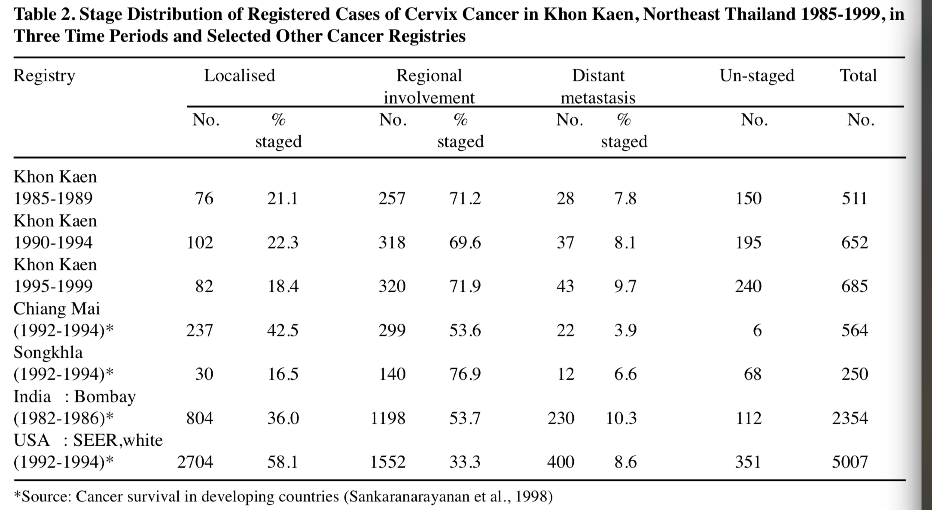
Country | Thailand
stage at diagnosis
City | No_case | stage | incidence % | n | sum | normalized
Chiang Mai | n=564 | Unstage | 1 | 5.64 | excluded
 |  | Local | 42 | 236.88 | 564 | 42.0%
 |  | Regional | 54 | 304.56 |  | 54.0%
 |  | Distant | 4 | 22.56 |  | 4.0%
Khon Kaen | n=406 | Unstage | 28 | 113.68 | excluded
 |  | Local | 17 | 69.02 | 292.32 | 23.6%
 |  | Regional | 50 | 203 |  | 69.4%
 |  | Distant | 5 | 20.3 |  | 6.9%
US-SEER White | n=5007 | Unstage | 7 | 350.49 | excluded
 |  | Local | 54 | 2703.78 | 4656.51 | 58.1%
 |  | Regional | 31 | 1552.17 |  | 33.3%
 |  | Distant | 8 | 400.56 |  | 8.6%
Lampang | n=277 | Unstage | 11 | 30.47 | excluded
 |  | Local | 30 | 83.1 | 246.53 | 33.7%
 |  | Regional | 53 | 146.81 |  | 59.6%
 |  | Distant | 6 | 16.62 |  | 6.7%
Songkhla | n=250 | Unstage | 27 | 67.5 | excluded
 |  | Local | 12 | 30 | 182.5 | 16.4%
 |  | Regional | 56 | 140 |  | 76.7%
 |  | Distant | 5 | 12.5 |  | 6.8%
reference[1] | Sriamporn, Supannee & Khuhaprema, Thiravud & Parkin, Max. (2006). Cervical cancer screening in Thailand: An overview. Journal of medical screening. 13 Suppl 1. S39-43. |  |  |  |  |  | 0.52555597069 | reference[2] | Sriamporn S, Pengsaa P, Hakama M, Suwanrungruang K, Parkin DM. Cervix cancer in Khon Kaen, northeast Thailand, 1985-1999. Asian Pacific Journal Of Cancer Prevention: APJCP. 2003;4(4):312-318.
data_source | Sriamporn S, Pengsaa P, Hakama M, Suwanrungruang K, Parkin DM. Cervix cancer in Khon Kaen, northeast Thailand, 1985-1999. Asian Pacific Journal Of Cancer Prevention: APJCP. 2003;4(4):312-318.

 |  |  |  |  |  |  | 34.8%

