breast_cancer
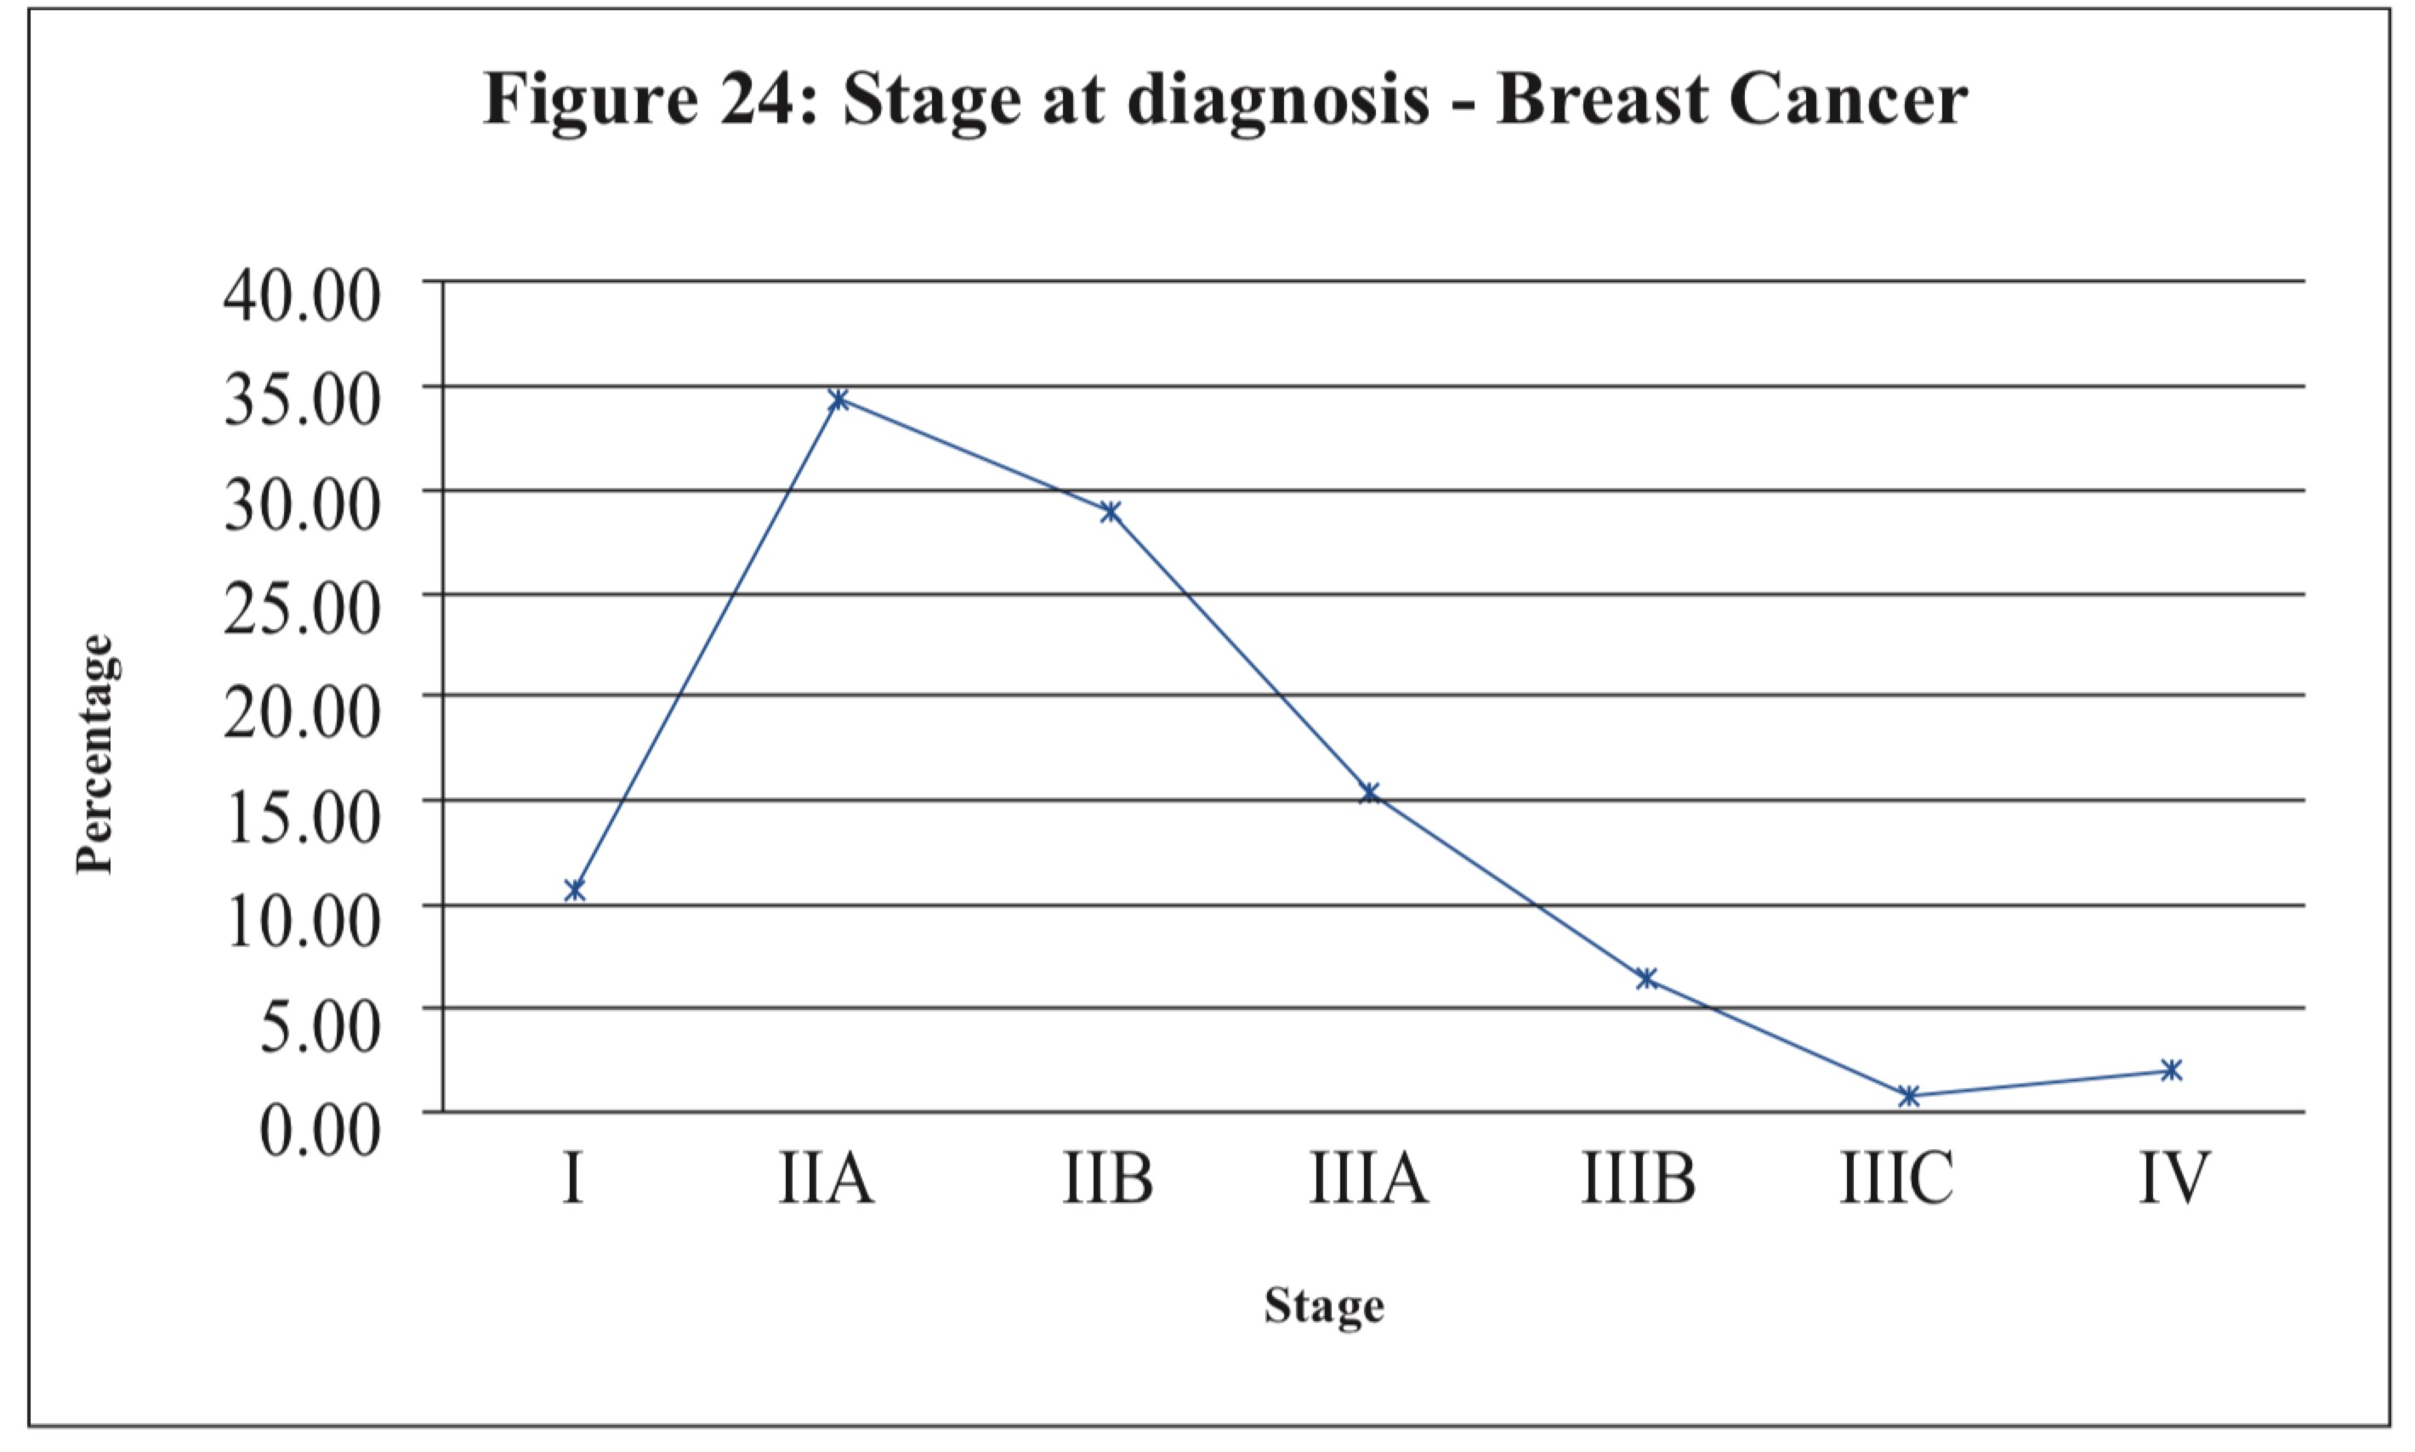

reference[1] | Cancer Incidence Data, Sri Lanka | http://www.health.gov.lk/enWeb/publication/cancer/Cancer%20Registry%202007%20final%20version.pdf
notes: However staging information was available for 58.5% of cervical cancers, 42.8% of breast cancers. The percentages of different stages given are out of the cancers with staging information.

cervical_cancer
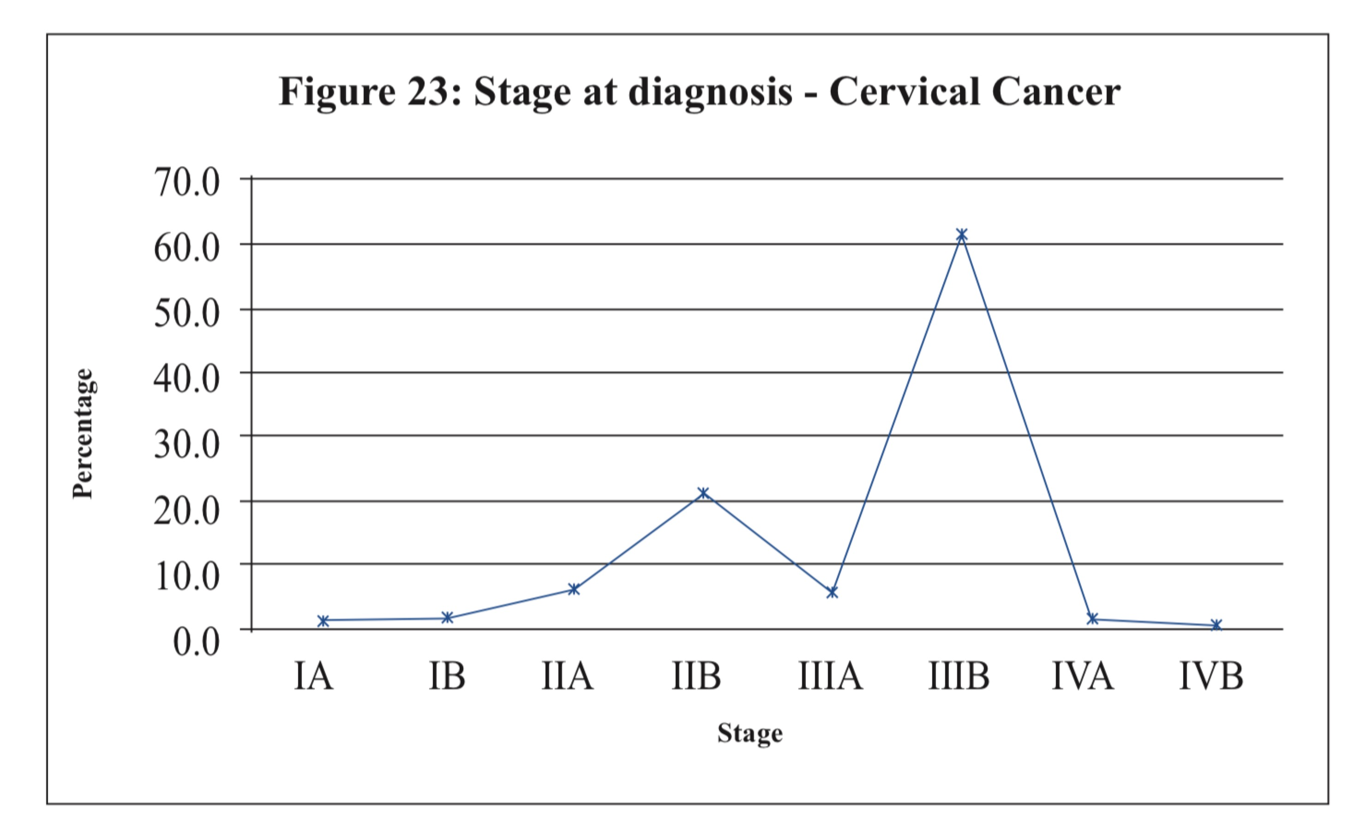

reference[1] | Cancer Incidence Data, Sri Lanka | http://www.health.gov.lk/enWeb/publication/cancer/Cancer%20Registry%202007%20final%20version.pdf
notes: However staging information was available for 58.5% of cervical cancers, 42.8% of breast cancers. The percentages of different stages given are out of the cancers with staging information.

