BOM_BGYL_M_8p_V1.1_G_2023-04-29
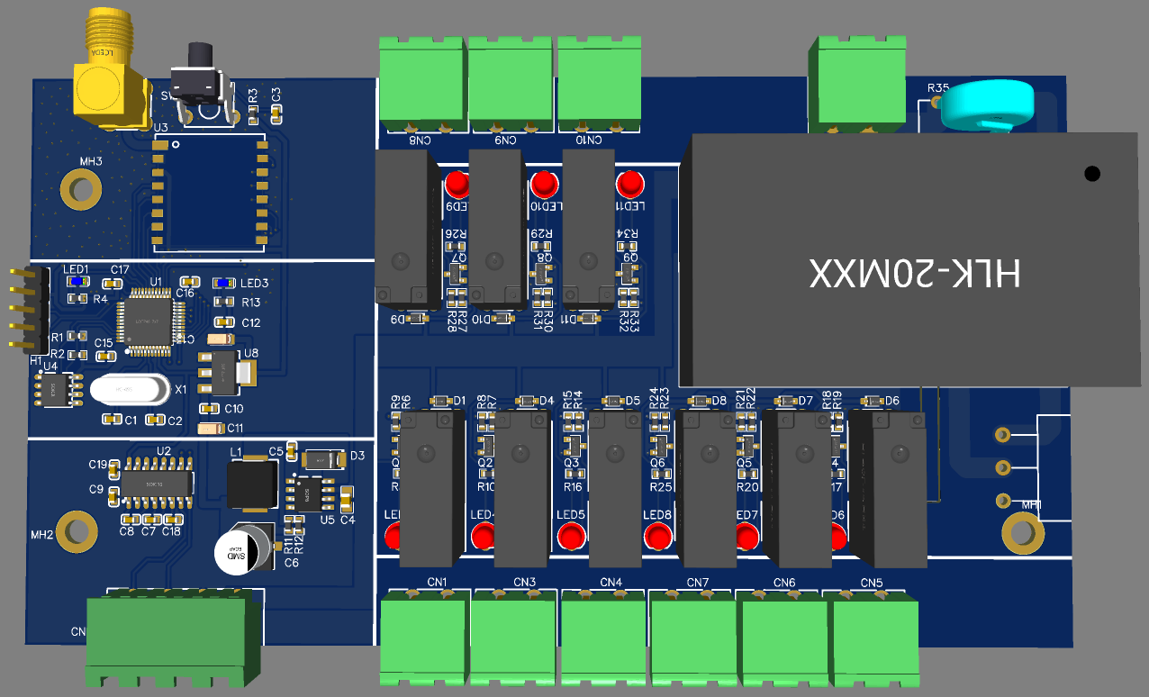
ID | Name | Designator | Footprint | Quantity | Manufacturer Part
3 | SP3232EEN-L | U2 | SOIC-16_L9.9-W3.9-P1.27-LS6.0-BL | 1 | SP3232EEN-L
4 | 10D561K | R35 | RES-TH_L13.0-W6.0-P7.50-D0.9-S6.00 | 1 | 10D561K
6 | B340A | D3 | SMA_L4.3-W2.6-LS5.2-RD | 1 | B340A
7 | TPS5430QDDARQ1 | U5 | SOPOWERPAD-8_L4.9-W3.9-P1.27-LS6.0-BL-EP | 1 | TPS5430QDDARQ1
19 | KF2EDGRC-5.08-4P | CN12 | CONN-TH_4P-P5.08_KF2EDGRC-5.08-4P | 1 | KF2EDGRC-5.08-4P
20 | KF2EDGRC-5.08-2P | CN1,CN3,CN4,CN5,CN6,CN7,CN8,CN9,CN10 | CONN-TH_P5.08_KF2EDGRC-5.08-2P | 9 | KF2EDGRC-5.08-2P
21 | HLK-20M12 | U9 | PWRM-TH_HLK-20MXX | 1 | HLK-20M12
23 | WJ2EDGRC-5.08-2P | CN2 | CONN-TH_2P-P5.08_WJ2EDGRC-5.08-2P | 1 | WJ2EDGRC-5.08-2P
24 | 1N5819WS | D1,D4,D5,D6,D7,D8,D9,D10,D11 | SOD-323_L1.8-W1.3-LS2.5-RD | 9 | 1N5819WS
26 | S8050-G_C164892 | Q1,Q2,Q3,Q4,Q5,Q6,Q7,Q8,Q9 | SOT-23-3_L2.9-W1.3-P1.90-LS2.4-BR | 9 | S8050-G
27 | Lora_Ra01 | U3 | RA01 | 1
28 | CAT24C256 | U4 | SOIC-8_L4.9-W3.9-P1.27-LS6.0-BL | 1 | AT24C256C-SSHL-T
29 | AMS1117-3.3_C498117 | U8 | PG-SOT223-4_L6.5-W3.5-P2.30-LS7.0-BR | 1 | AMS1117-3.3
33 | HF46F/12-HS1 | K2,K3,K4,K5,K6,K7,K8,K9,K1 | RELAY-TH_HF46F-XX-HS1XX-XXX | 9 | HF46F/12-HS1
34 | STM32F103C8T6 | U1 | LQFP-48_L7.0-W7.0-P0.50-LS9.0-BL | 1 | STM32F103C8T6
35 | 8MHz | X1 | HC-49US_L11.5-W4.5-P4.88 | 1 | -
36 | TS-1093A-A8B3-D2 | SW1 | KEY-TH_4P-L7.1-W10.9-P4.50-LS2.5 | 1 | TS-1093A-A8B3-D2
37 | KCD11 | U7 | KCD11 | 1
38 | M3 | MH1,MH2,MH3 | 螺丝孔 | 3 | New SchematicLib
39 | Female header 2.54 1*5Ｐ | H1 | HDR-TH_5P-P2.54-V | 1 | Female header 2.54 1*5Ｐ
40 | DOSIN-806-0100 | RF1 | ANT-TH_DOSIN-806-0100 | 1 | DOSIN-806-0100
2 | 15uH | L1 | IND-SMD_L7.1-W6.6_MPCA-0630 | 1 | CDRH74-220MT
10 | LED-0805_B | LED1,LED3 | LED0603_BLUE | 2 | D-B080508B1-KS2
15 | 220uF | C6 | CAP-SMD_BD6.3-L6.6-W6.6-FD | 1 | RVT220UF16V67RV0015
25 | LED-TH-3mm_R | LED2,LED4,LED5,LED6,LED7,LED8,LED9,LED10,LED11 | LED-TH_BD3.0_RED | 9 | 204-10SDRD/S530-A3-L

阻容
1 | 104 | C14,C7,C8,C9,C18,C19,C3,C15,C16,C17 | C0603 | 10
5 | 10uF | C4 | C0805 | 1
8 | 22p | C1,C2 | C0603 | 2
9 | 1uF | C10,C12 | C0603 | 2
18 | 103 | C5 | C0603 | 1
22 | 4.7uF | C11,C13 | C1206 | 2
30 | 4.7k | R5,R10,R16,R17,R20,R25,R26,R29,R34 | R0603_NEW | 9
31 | 100k | R6,R7,R14,R19,R22,R23,R28,R31,R32 | R0603_NEW | 9
32 | 10k | R9,R8,R15,R18,R21,R24,R27,R30,R33 | R0603_NEW | 9
11 | 4.7K | R1 | R0603_NEW | 1
12 | 4.7K | R2 | R0603_NEW | 1
13 | 470R | R3 | R0603_NEW | 1
14 | 1K | R4,R13 | R0603_NEW | 2
16 | 10K | R11 | R0603_NEW | 1
17 | 3.24K | R12 | R0603_NEW | 1

