FlapjackCols
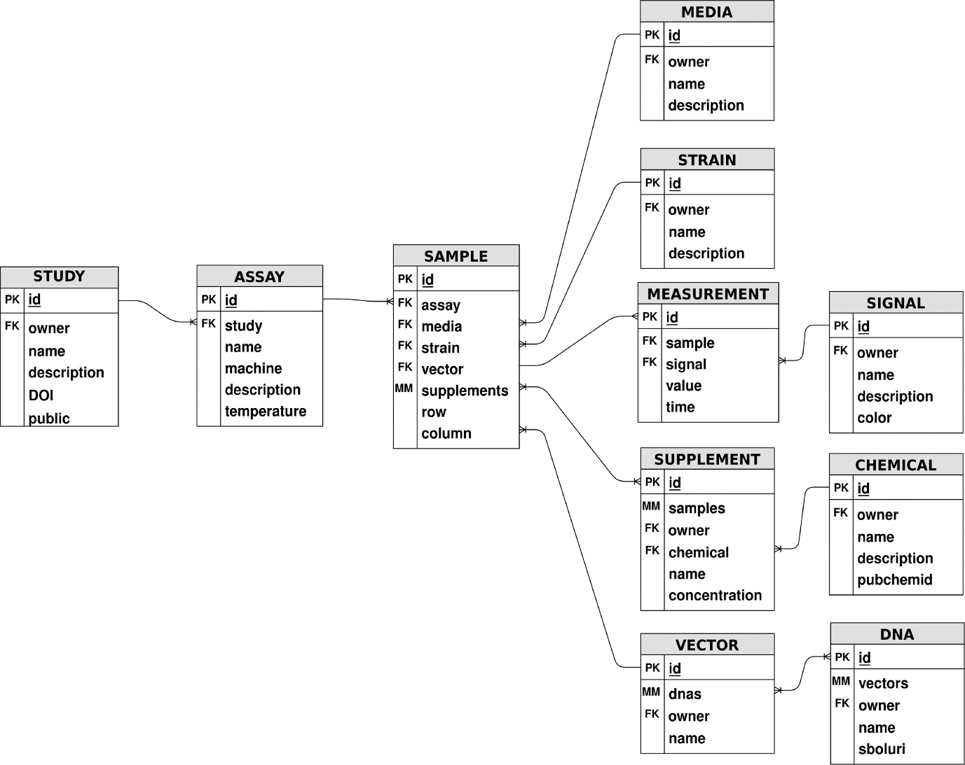
Sheet Name | FlapjackObject | ColName | FlapjackName
Media | Media | Media Name | name
Media | Media | Media Description | description
Media | Media | Media ID | id

