Choosing Theme Colors
Where to start?
Light vs Dark Themes

Many organizations already have a brand style guide available which will give you a set of colors to work with. Ask your designer if one is available.
If not, you may have a website or PPT template you can use that includes a decent selection of colors.
If none of these are available, you can start to build out your own color palette or use a color palette tool like the Adobe Color Picker tool (google it, it's the top result).
The first question I like to ask is whether or not I will be using a light theme or dark theme.
Dark themes are in style right now, but they are not always the ideal format for clearly presenting your data. ONe the spectrum of cool to practical they lean towards the cool factor.
I've also found that most corporate clients prefer a light theme. because most of their brand collateral is already using a light theme.

`

4 Different Appoaches

Analogous
Triadic
Color problem solving

Is your color too bright or too saturated?

Analagous colors are side by side on the color wheel. They typically are the most harmonious color groupings and are an easy way to create a color scheme that feels cohesive. It's a great place to start if you're just learning to select colors using the color wheel tool
Triadic colors create a bit more contrast between your colors and give you a wider range of options. This works great if you need to categorize your data using color but it also can be used to choose a background, highlight and base color.

Move your color selection closer to the center of the color wheel to make it more grey (i.e. less saturated)
Move the selector beneath the color wheel from left to right to make your colors more dark.

Complementary
Monotone

Colors look good but you want to avoid green/red/other colors?

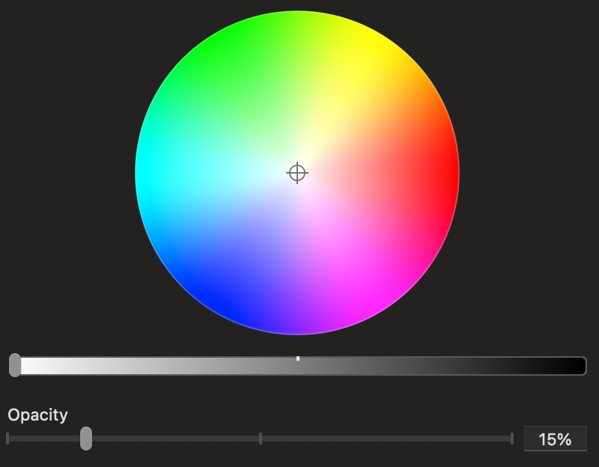

This appraoch is one that you'll probably use less often but is the most effective way to increase contrast. If you want a base color and a highlight color that really stands out, this is a great approach.
If you want to focus on a single color, you will use the selector beneath the color wheel.
First you select a color you like and then drag left and right to get versions of the color that are darker and lighter.

Just look at your color selection on the color wheel and imagine a circle the same distance from the center of the wheel. .
Now rotate along that imaginary circle until you find a color you like.
It will have similar saturation/darkness and should still match your other selections.

Choosing Series Colors
Important notes for all series colors
Series color concepts

Series colors refers to the color of the different elements on your data visualizations. It's how we tell the difference between two lines or two bars on a chart.
It's important to make sure that visualization has enough contrast that you can tell the difference between the series. A chart is useful if it uses too many similar colors.
It's also important to consider that certain colors are heavily associated with different types of data. Eg. red=bad or down, green=good or up, etc.

Sequential
Using color to illustrate an order from low to high, or differentiating multiple series with a single color by changing it's saturation or darkness. Use this carefully if you're coloring individual series because it's difficult to have enough contrast.

Diverging
Two sequences of colors with a neutral midpoint. It's very useful when your data has a meaningful midpoint (eg political leanings, or climate characteristics)

Not enough contrast:

 | N America | Europe | Australia | Asia
Jan | $125,594 | $251,188 | $35,166 | $90,428
Feb | $115,555 | $231,110 | $91,288 | $24,267
Mar | $153,668 | $307,336 | $16,903 | $136,765
Apr | $121,672 | $243,344 | $14,601 | $107,071
May | $116,757 | $233,514 | $102,746 | $14,011
Jun | $103,411 | $206,822 | $21,716 | $81,695
Jul | $105,381 | $210,762 | $49,529 | $55,852
Aug | $123,574 | $247,148 | $97,623 | $25,951
Sep | $148,666 | $297,332 | $135,286 | $13,380
Oct | $108,355 | $216,710 | $17,337 | $91,018
Nov | $101,240 | $202,480 | $66,818 | $34,422
Dec | $89,216 | $178,432 | $65,128 | $24,088

Categorical

Contrasting colors used to classify a wider range of data. It makes it easy to differentiate multiple series.

Highlight/Alert

Potentially confusing use of red and green:
Using a contrasting color to draw attention a particular metric or series.
 | N America | Europe | Australia | Asia
Jan | $125,594 | $251,188 | $35,166 | $90,428
Feb | $115,555 | $231,110 | $91,288 | $24,267
Mar | $153,668 | $307,336 | $16,903 | $136,765
Apr | $121,672 | $243,344 | $14,601 | $107,071
May | $116,757 | $233,514 | $102,746 | $14,011
Jun | $103,411 | $206,822 | $21,716 | $81,695
Jul | $105,381 | $210,762 | $49,529 | $55,852
Aug | $123,574 | $247,148 | $97,623 | $25,951
Sep | $148,666 | $297,332 | $135,286 | $13,380
Oct | $108,355 | $216,710 | $17,337 | $91,018
Nov | $101,240 | $202,480 | $66,818 | $34,422
Dec | $89,216 | $178,432 | $65,128 | $24,088

With a little adjustment it's easier to interpret the data:
 | N America | Europe | Australia | Asia
Jan | $125,594 | $251,188 | $35,166 | $90,428
Feb | $115,555 | $231,110 | $91,288 | $24,267
Mar | $153,668 | $307,336 | $16,903 | $136,765
Apr | $121,672 | $243,344 | $14,601 | $107,071
May | $116,757 | $233,514 | $102,746 | $14,011
Jun | $103,411 | $206,822 | $21,716 | $81,695
Jul | $105,381 | $210,762 | $49,529 | $55,852
Aug | $123,574 | $247,148 | $97,623 | $25,951
Sep | $148,666 | $297,332 | $135,286 | $13,380
Oct | $108,355 | $216,710 | $17,337 | $91,018
Nov | $101,240 | $202,480 | $66,818 | $34,422
Dec | $89,216 | $178,432 | $65,128 | $24,088

Using Page Colors
Single color layout

Header Text
One main color is selected for the dashboard.
If the colored portion of the dashboard needs to segmented, you can use a slightly darker version of your background color.
Dark backgrounds or sections with a saturated color will typically look best with white text.
If you need a light background, try an off-white/light grey. This allows you to add sections on top of the background in a pure white. This is a common style seen in modern UIs.
Colored sections on a light background will draw your viewers attention - you can use this to highlight or emphasize important metrics/charts.
Keep your fonts consistent but notice you will need to change from a light to dark text depending on the color of your background.
sub-header text

` | ` | `

Header Text
Header Text

sub-header text
sub-header text

Multi-color layout

Header Text
Sometimes you need to use a range of colors in your layout. Typically this is used to categorize your data and help people easily link sections of your dashboard together.
Make sure to keep the use of your colors consistent. For example:
Green = revenue
Blue = deals closed Cyan = leads
Most of the time, you're going to be better off using white text on a colorful background.
Also, remember that you don't need every single element to be color coded. I typically include a neutral color option for any metrics or sections that aren't part of your color categories. This is important because if you use too many colors, your dashboard will probably start to look messy and overwhelming.
sub-header text

Header Text

sub-header text

