sample dashboard
Ad Sample Report

Demonstrating the use of of filters in Excel dashboards
Impressions
 | Total
May-2018 | 2,116,319
Jun-2018 | 2,234,962
Jul-2018 | 2,210,859
Aug-2018 | 1,687,927
Sep-2018 | 2,578,042
Oct-2018 | 2,096,147
Nov-2018 | 2,125,670
Dec-2018 | 2,105,311
Jan-2019 | 2,151,359
Feb-2019 | 2,192,599
Mar-2019 | 2,045,993
Apr-2019 | 2,112,504
May-2019 | 2,240,472
Jun-2019 | 2,122,909
Conversions
 | Total
May-2018 | 12,824
Jun-2018 | 8,026
Jul-2018 | 6,128
Aug-2018 | 14,315
Sep-2018 | 11,605
Oct-2018 | 10,724
Nov-2018 | 14,787
Dec-2018 | 12,810
Jan-2019 | 11,943
Feb-2019 | 17,188
Mar-2019 | 8,536
Apr-2019 | 9,903
May-2019 | 5,935
Jun-2019 | 14,586
Conversion rate
 | Total
May-2018 | 13.2%
Jun-2018 | 12.8%
Jul-2018 | 12.0%
Aug-2018 | 20.4%
Sep-2018 | 12.8%
Oct-2018 | 14.0%
Nov-2018 | 15.6%
Dec-2018 | 14.0%
Jan-2019 | 17.2%
Feb-2019 | 18.4%
Mar-2019 | 11.2%
Apr-2019 | 11.6%
May-2019 | 12.4%
Jun-2019 | 14.0%
30.0 M
159.3 K
14.3%

This shows you how many times your ads were seen. A single user can see an ad multiple times and it will be counted as an additional impression.
This shows the number of visitors to your site that completed an intended action. In this example, it's the number of people that clicked on ads and visited the website.
The percentage of views of your ads that completed an intended action. In this example, it's the percentage of people that viewed an ad and clicked on the ad.

Total revenue from ads
Revenue and cost by campaign
Total revenue and cost for all ads
Estimated profit from ads
$1,043,125
 | Total Revenue From Ads | Total Ad Costs
Total | $1,043,125 | $966,266
$76,859
This chart illustrates which ad campaigns are leading to more revenue than their costs. If you see no green bar for the revenue, it means that the ads are bringing in less revenue than their total ad cost.
This illustrates the total combined cost and total combined revenue for all campaigns
 | Sum of ROAS | Sum of Cost
Accessories | 165296.84 | 163834.9
Active Wear | 113682 | 127454.3
Jackets | 175409.52 | 177910.6
Shoes | 240226.12 | 213722.3
T-Shirts | 167713.16 | 134760.9
Wearables | 180797.32 | 148582.8

All revenue from online sales that has been attributed to ads during the selected period. This data may exclude users that didn't immediatley make a purchase and returned to make a purchase at a later date
All revenue minus all costs from online sales that have been attributed to ads during the selected period.

Ad revenue and cost by month

 | Cost | Revenue From Ads
May-2018 | $60,417 | $87,762
Jun-2018 | $103,133 | $180,705
Jul-2018 | $57,405 | $28,751
Aug-2018 | $50,137 | $58,987
Sep-2018 | $94,968 | $85,664
Oct-2018 | $32,842 | $43,092
Nov-2018 | $116,220 | $98,054
Dec-2018 | $63,162 | $75,138
Jan-2019 | $58,469 | $49,845
Feb-2019 | $96,377 | $120,362
Mar-2019 | $107,628 | $128,736
Apr-2019 | $71,036 | $27,470
May-2019 | $15,128 | $18,097
Jun-2019 | $39,345 | $40,462
Total ad costs
$966,266

The total ad spend on all campaigns that are active during the selected period. Costs may be distributed across multiple campaigns and multiple platforms. Campaigns across multiple ad networks can be difficult to combine and will typically be displayed as separate campaigns.

instructions
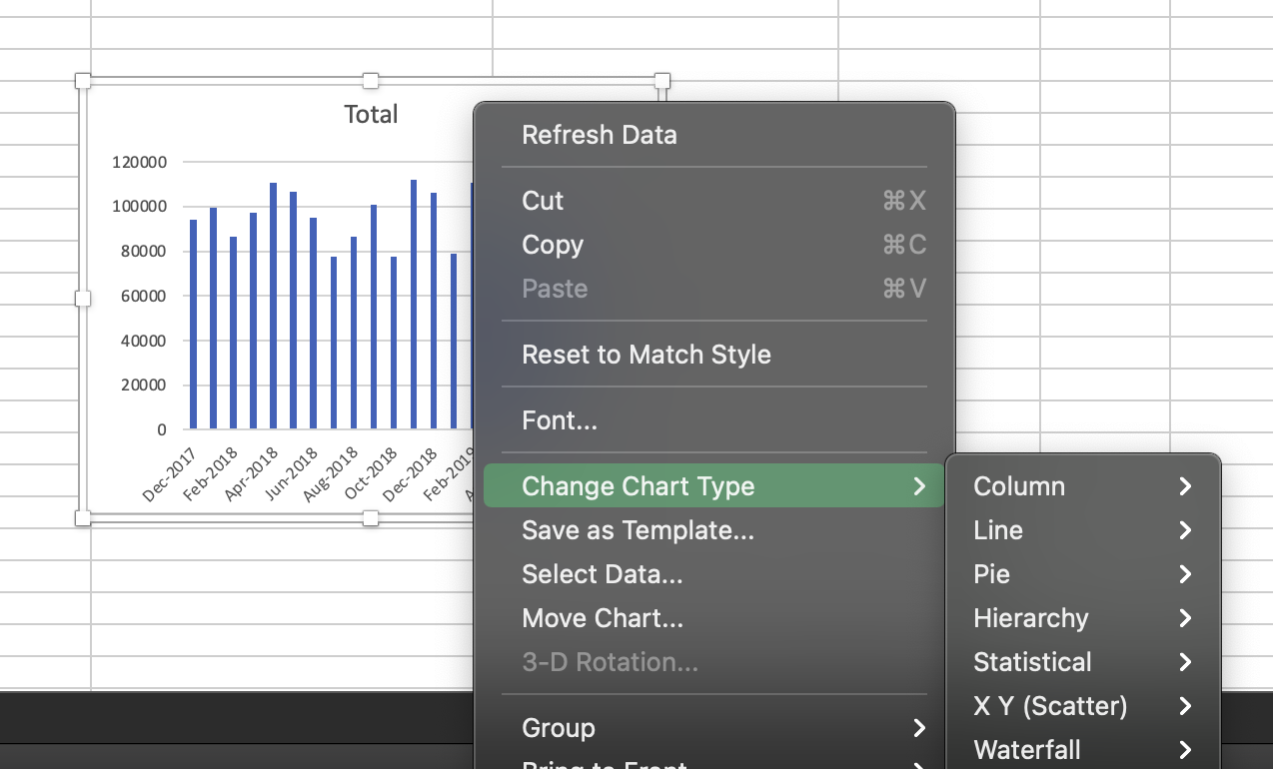
Creating pivot charts | Filter pivot charts

1) Select your data and convert it to a table by clicking "Table" under the "Insert" tab | 1) Click on any of your pivot charts then open the "Pivot Chart Analyze" tab and select either "Insert Slicer" or "Insert Timeline"

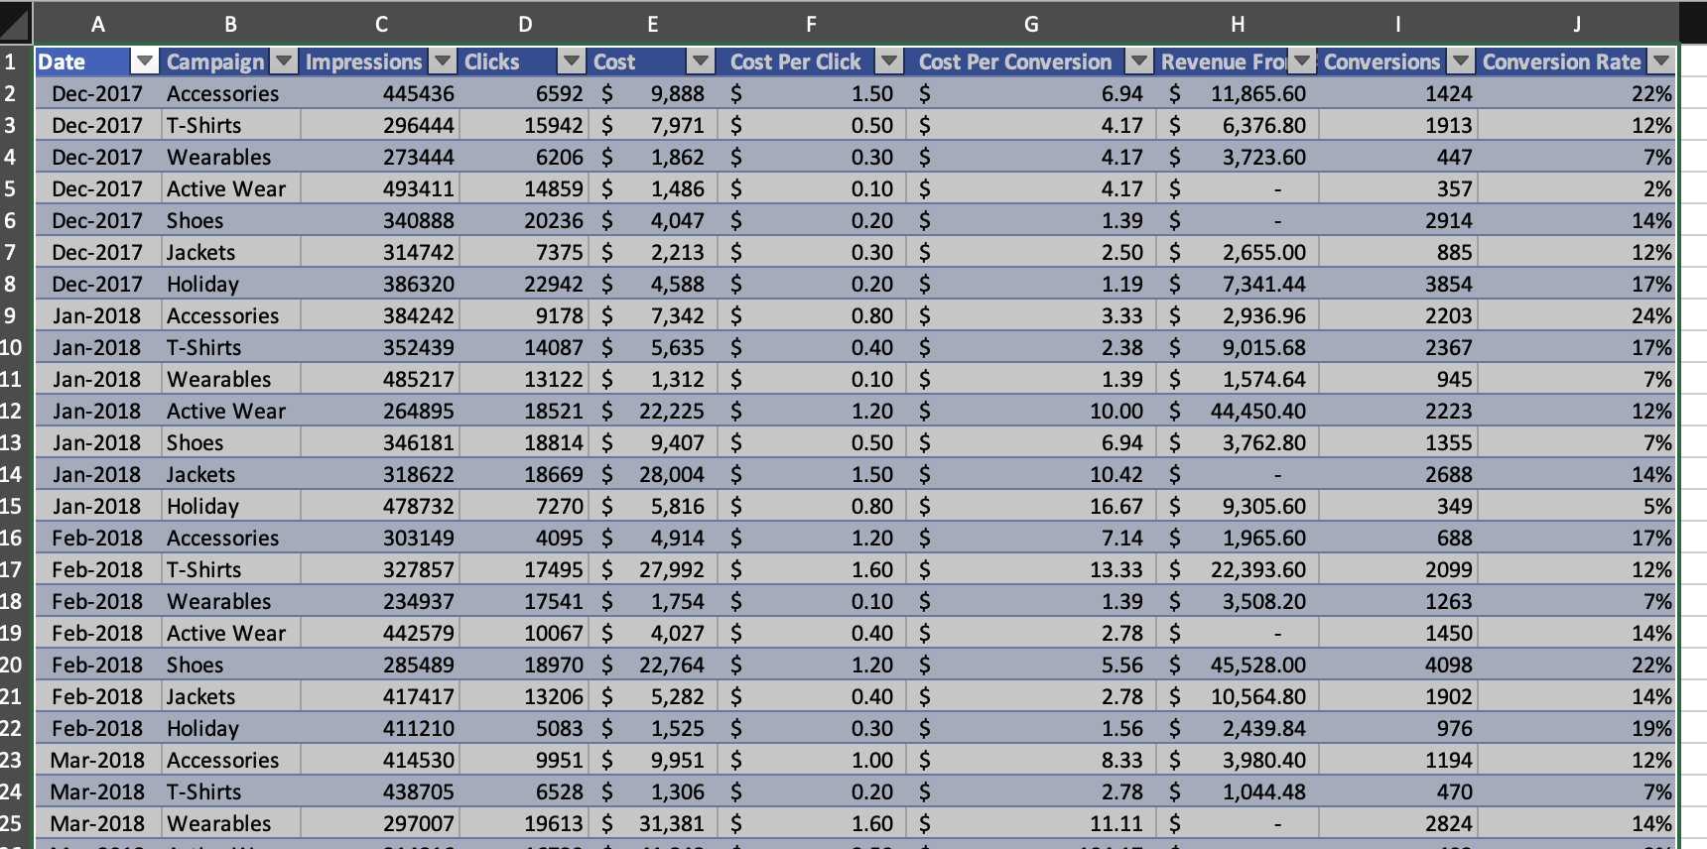
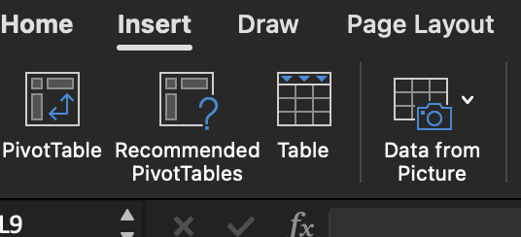
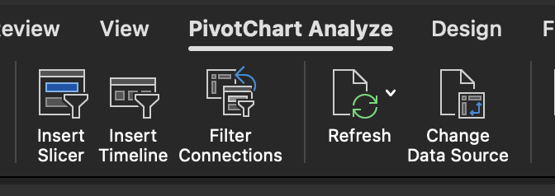

 | 2) Select the column to use for your slicer or timeline

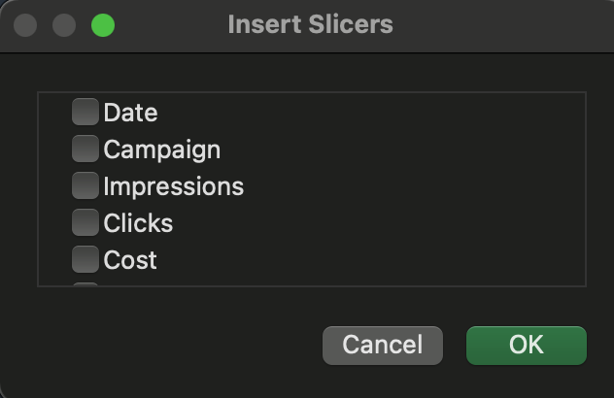

2) Click anywhere on your table, navigate to the "Table" tab and then update the table name to something easy to remember (like "analytics")

 | 3) Right click your slicer or timeline, select "Report Connections…" and select which other pivot charts this filter will control

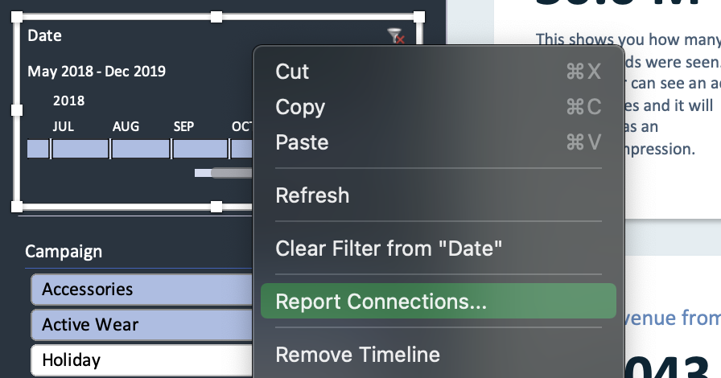

3) Create a new sheet, click anywhere in that sheet, and navigate to the "Insert" tab. Then click "Pivot Chart"

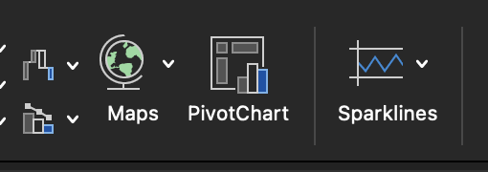

4) Enter your table name under the "Select a table or range" section
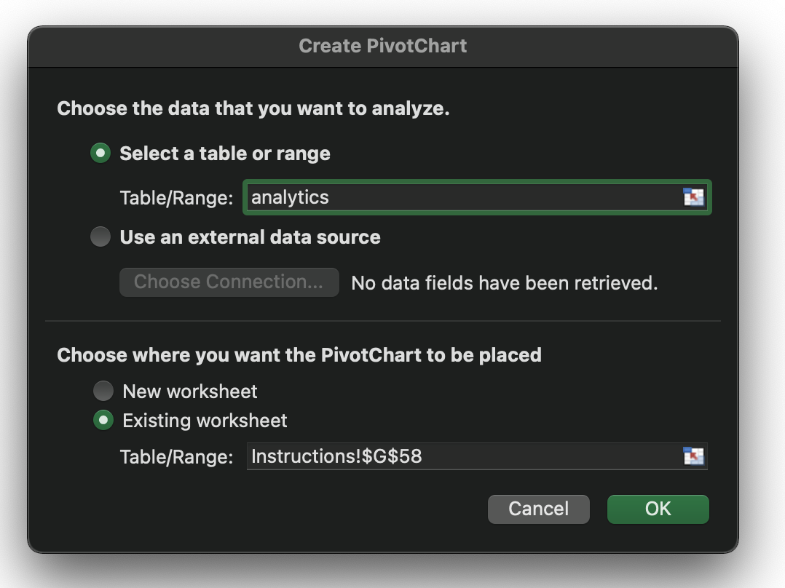

5) Select the data your want included in your chart (don't worry about your chart type yet, just select your data first)
Note: this works in an almost identical way to creating a pivot table, if you don't know how to create a pivot table there are tons of great tutorials online.

6) to change your chart type-- right click your chart, click "Change Chart Type" and select your chart type

