Sheet1
Exp ID | 3
3.1 Affect of PWM frequency on PWM vs RPM plot
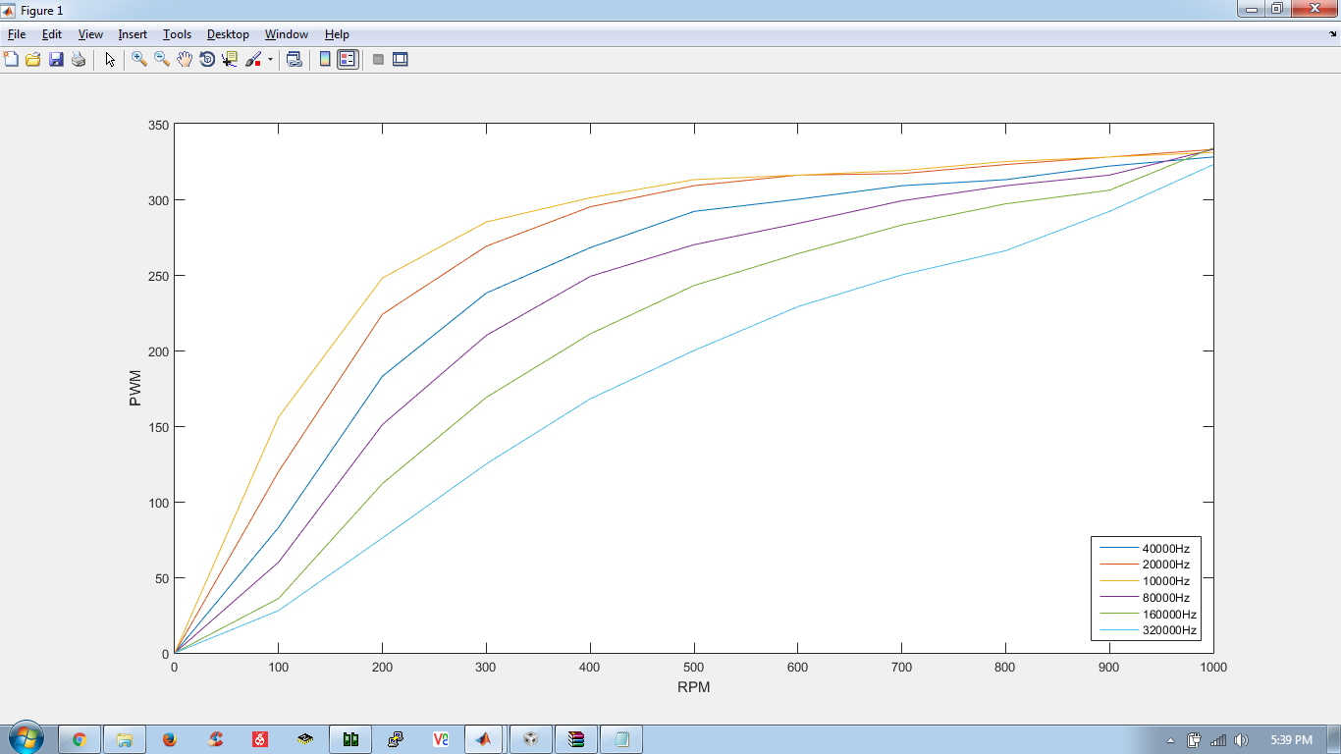

 |  |  |  |  |  |  |  |  |  | NOTE : Divide all the frequencies in legend by 64 for actual frequency. Clock divisor of 64 factor was implemented when these readings were taken which was overlooked

 | NOTE :
 | * Humming noise from 80KHz PWM frequency
 | * Sharper humming noise at 160KHz
 | * Screeching sound at 320KHz
 | * Motor heats at higher frequency due to inductance
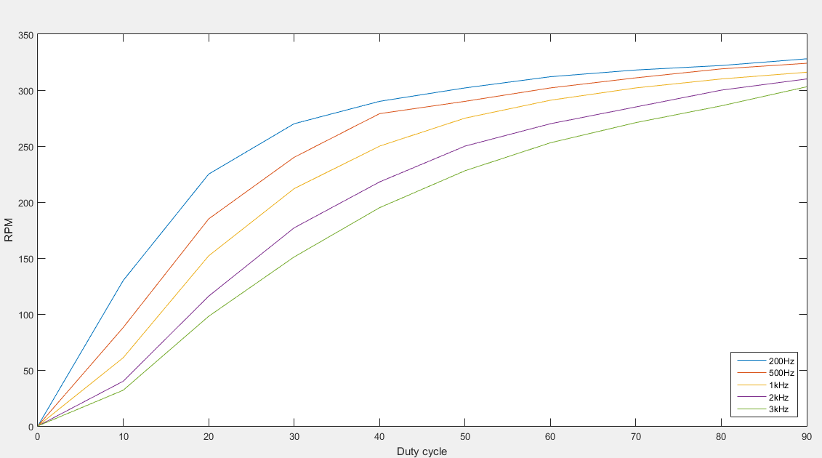
3.2 Affects of PWM frequency on PWM vs RPM - RPM calculated by QEI (Tiva) and PWM set by ATmega128
200Hz |  | 500Hz |  | 1kHz |  | 2kHz |  | 3kHz
RPM | PWM | RPM | PWM | RPM | PWM | RPM | PWM | RPM | PWM
0 | 0 | 0 | 0 | 0 | 0 | 0 | 0 | 0 | 0
130 | 4000 | 88 | 1600 | 61 | 800 | 40 | 400 | 32 | 266
225 | 8000 | 185 | 3200 | 152 | 1600 | 116 | 800 | 98 | 532
270 | 12000 | 240 | 4800 | 212 | 2400 | 177 | 1200 | 151 | 798
290 | 16000 | 279 | 6400 | 250 | 3200 | 218 | 1600 | 195 | 1064
302 | 20000 | 290 | 8000 | 275 | 4000 | 250 | 2000 | 228 | 1330
312 | 24000 | 302 | 9600 | 291 | 4800 | 270 | 2400 | 253 | 1596
318 | 28000 | 311 | 11200 | 302 | 5600 | 285 | 2800 | 271 | 1862
322 | 32000 | 319 | 12800 | 310 | 6400 | 300 | 3200 | 286 | 2128
328 | 36000 | 324 | 14400 | 316 | 7200 | 310 | 3600 | 303 | 2394
 |  |  |  | Humming |  | Less humming
I at 10% | 0.17 |  | 0.16 |  | 0.15 |  | 0.14 |  | 0.13
I at 90% | 0.26 |  | 0.24 |  | 0.25 |  | 0.24 |  | 0.25

Conclusion : |  | Higher frequency (kept in limit of Motor driver i.e. 3kHz in our case) linearizes the PWM vs RPM plot but at lower duty cycle for high frequency it affects torque of motor and also can lead heating of motor and motor driver

