Sheet1
ExpID | 1
1.1 Plot for the change in tolerance of RPM w.r.t frequency of QEI timer (Free wheel; no extenal noise)
 |  |  |  | X axis | Reprenstation of different frequencies
1. Using Code Composer API |  |  |  | Y axis | RPM |  |  |  | 2. Using register manipulation in Kiel IDE
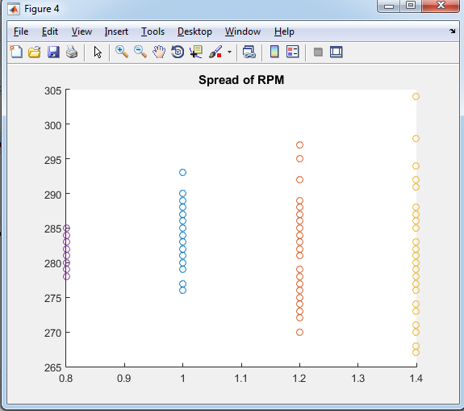
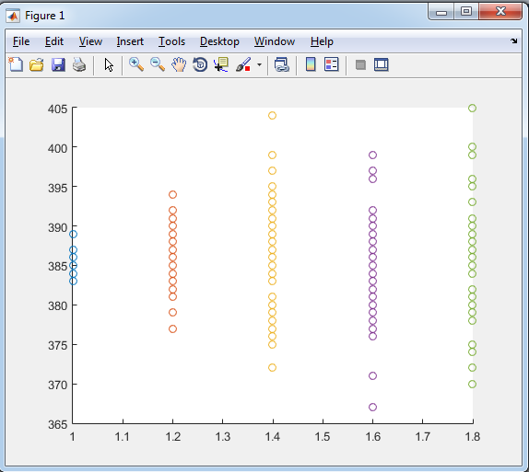

 |  |  |  | LEGEND |  |  | LEGEND
 |  |  |  | Purple | 10Hz |  | Blue | 4Hz (Robocon 2016) frequency
 |  |  |  | Blue | 20Hz |  | Red | 10Hz
 |  |  |  | Red | 30Hz |  | Yellow | 20Hz
 |  |  |  | Yellow | 40Hz |  | Purple | 30Hz
 |  |  |  |  |  |  | Green | 40Hz

1.2 Plotting PWM vs RPM for QEI and Tachometer reading and observing deviation

Sr No | PWM (out of 998) | Voltage (across Motor Terminal) | QEI freq | Update freq | QEI RPM | Tacho RPM
 |  |  |  |  | (No average)
1 | 998 | 23.5 | 10 | 10 | 330 | 330
 | 500 | 23.5 | 10 | 10 | 290 | 288
 | 300 | 23.5 | 10 | 10 | 235 | 238
 | 200 | 23.5 | 10 | 10 | 180 | 182
 | 100 | 23.5 | 10 | 10 | 85 | 83
 | 0 |  |  |  | 0 | 0

 |  |  |  |  | (44 values averaged)
2 | 998 | 23.5 | 40 | 40 | 330.6 | 330
 | 500 | 23.5 | 40 | 40 | 290.18 | 290
 | 300 | 23.5 | 40 | 40 | 239.386 | 239
 | 200 | 23.5 | 40 | 40 | 181.65 | 182
 | 100 | 23.5 | 40 | 40 | 84.5 | 83
 | 0 | 23.5 | 40 | 40 | 0 | 0

PWM vs RPM
10 HZ |  |  |  |  |  |  | 40Hz
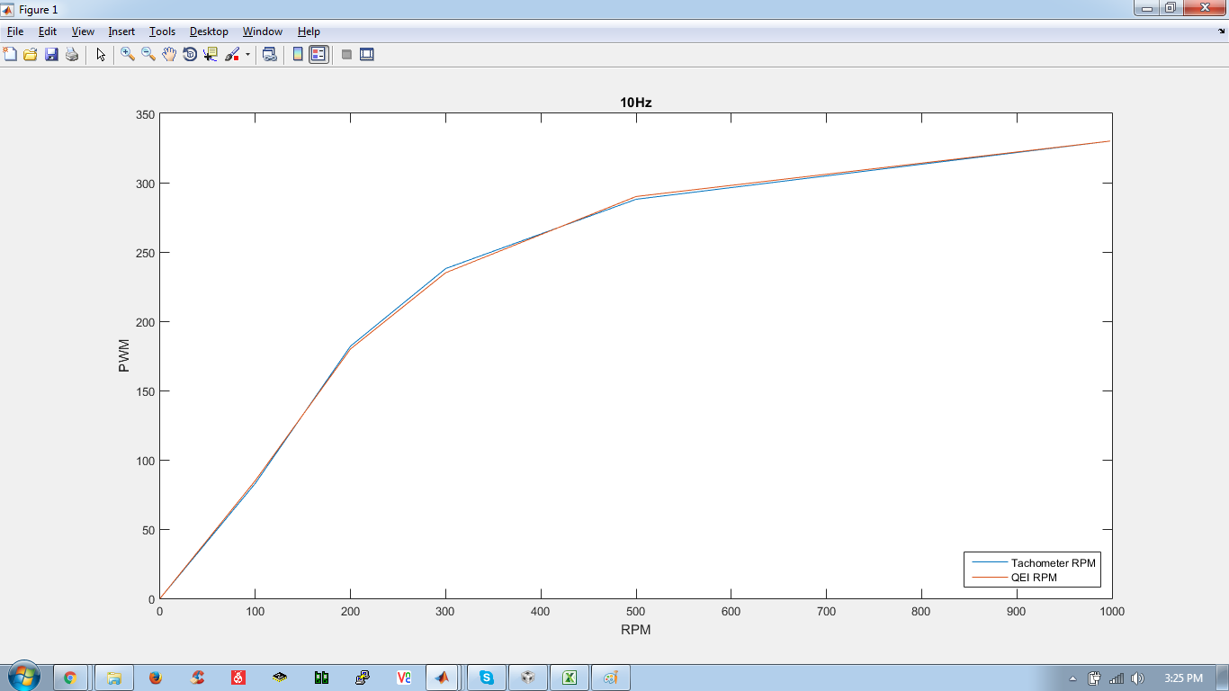
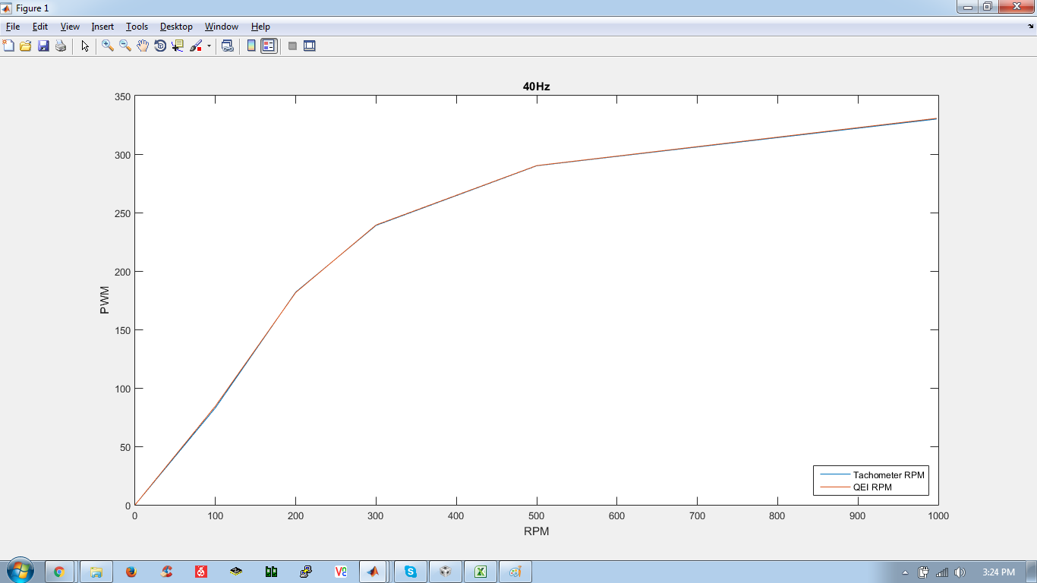

1.3 Affect of PWM frequency on PWM vs RPM plot
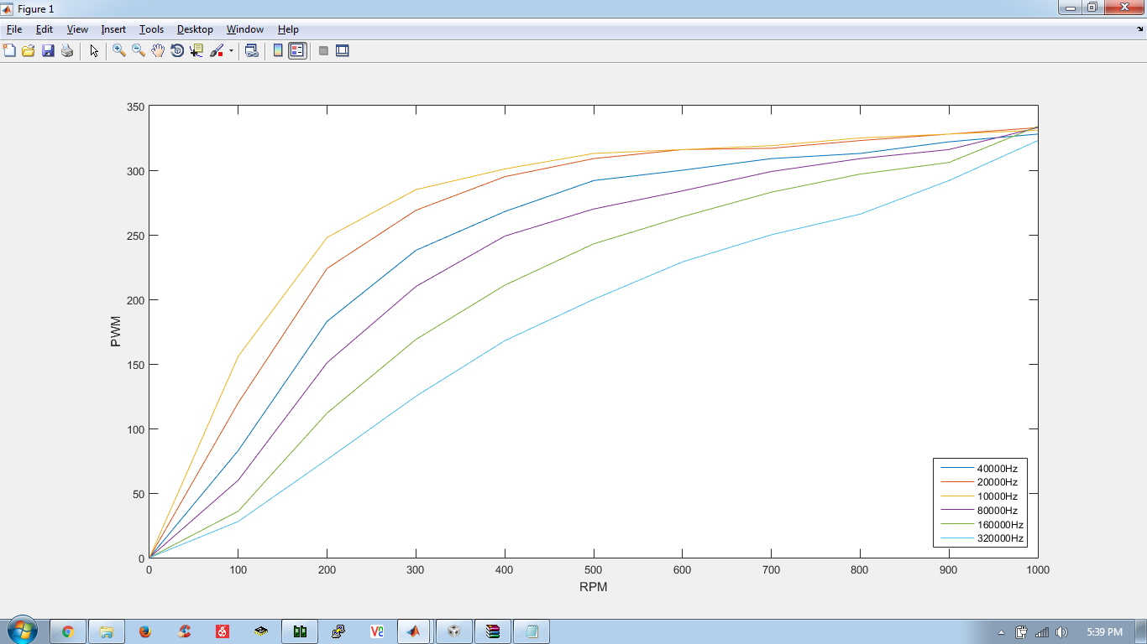

 | NOTE :
 | * Humming noise from 80KHz PWM frequency
 | * Sharper humming noise at 160KHz
 | * Screeching sound at 320KHz
 | * Motor heats at higher frequency due to inductance

