Sheet1
ExpID | 1
1.1 Plot for the change in tolerance of RPM w.r.t frequency of QEI timer (Free wheel; no extenal noise)
 |  |  |  | X axis | Reprenstation of different frequencies
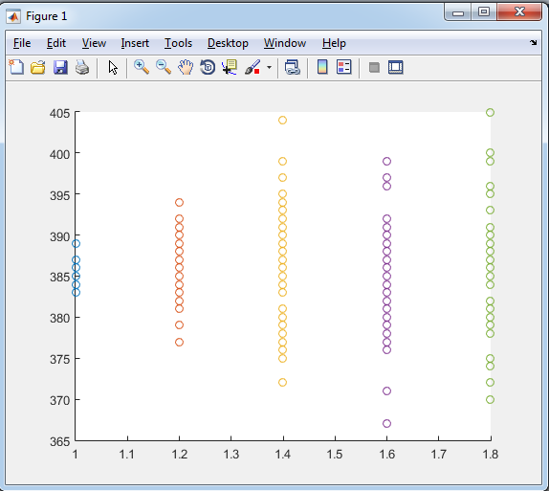
1. Using Code Composer API |  |  |  | Y axis | RPM |  |  |  | 2. Using register manipulation in Kiel IDE
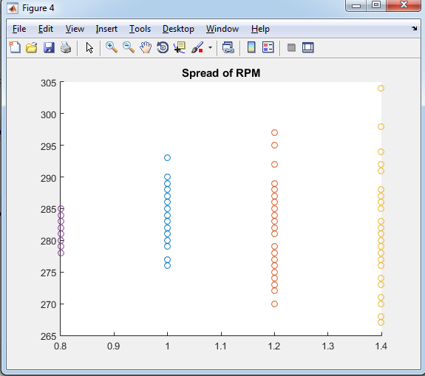

 |  |  |  | LEGEND |  |  | LEGEND
 |  |  |  | Purple | 10Hz |  | Blue | 4Hz (Robocon 2016) frequency
 |  |  |  | Blue | 20Hz |  | Red | 10Hz
 |  |  |  | Red | 30Hz |  | Yellow | 20Hz
 |  |  |  | Yellow | 40Hz |  | Purple | 30Hz
 |  |  |  |  |  |  | Green | 40Hz

1.2 Plotting PWM vs RPM for QEI and Tachometer reading and observing deviation

Sr No | PWM (out of 998) | Voltage (across Motor Terminal) | QEI freq | Update freq | QEI RPM | Tacho RPM
1 | 998 | 23.5 | 40 | 40
 | 500 | 23.5 | 40 | 40
 | 300 | 23.5 | 40 | 40
 | 200 | 23.5 | 40 | 40
 | 100 | 23.5 | 40 | 40
 | 0
2 | 998
 | 500
 | 300
 | 200
 | 100
 | 0

