Sheet1
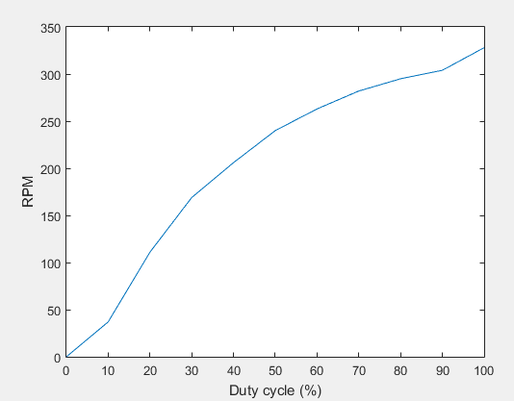
Exp ID | 4
4.1 Setting up QEI frequency and PWM frequency.
PWM frequency |  | 2kHz
QEI frequency |  | 40Hz
RPM movingarray freq |  | 10

PWM | RPM
0 | 0
31.2 | 40
62.4 | 111
93.6 | 167
124.8 | 211
156 | 241
187.2 | 264
218.4 | 282
249.6 | 294
280.8 | 306
312 | 327

Conclusion : Working with this freqeuncy setup

