Report-Brazil
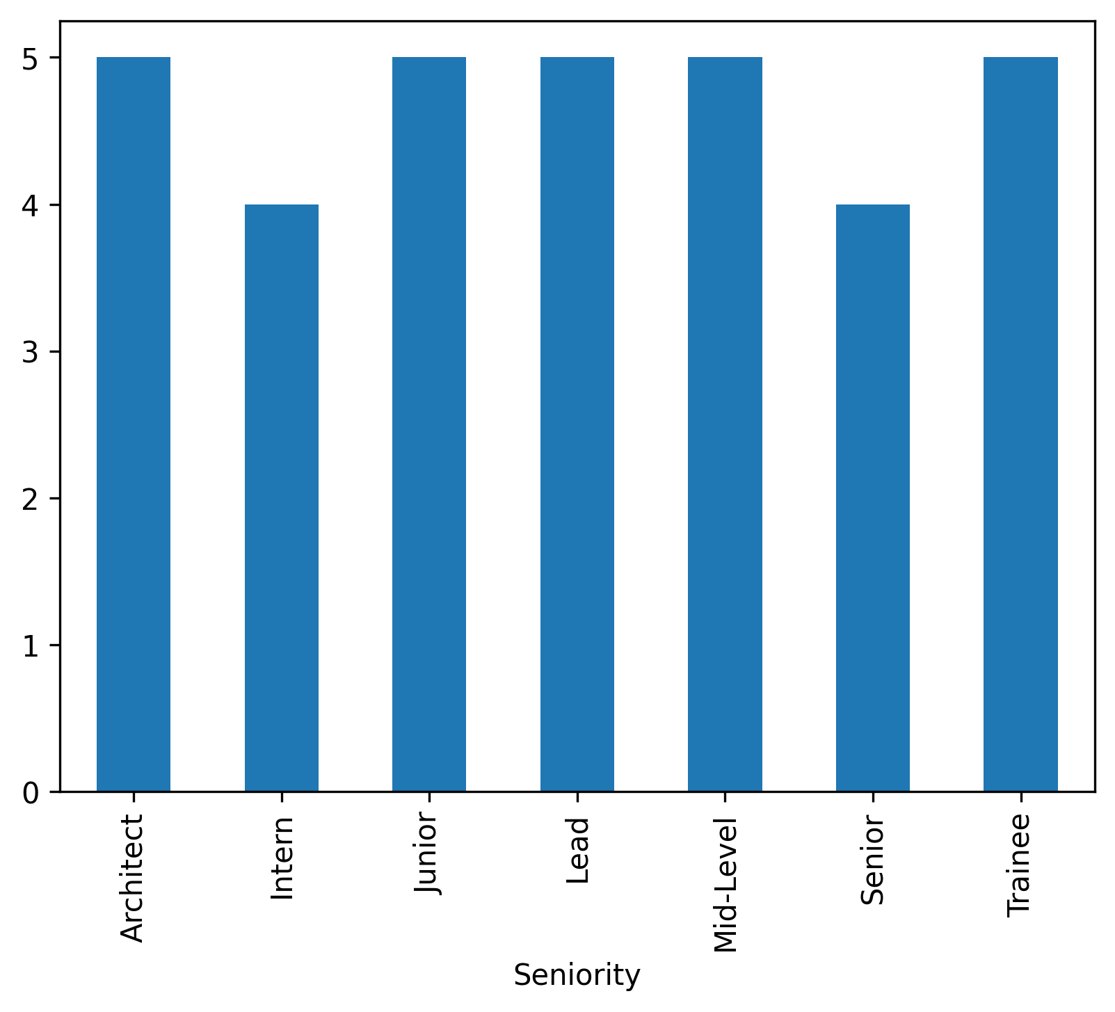
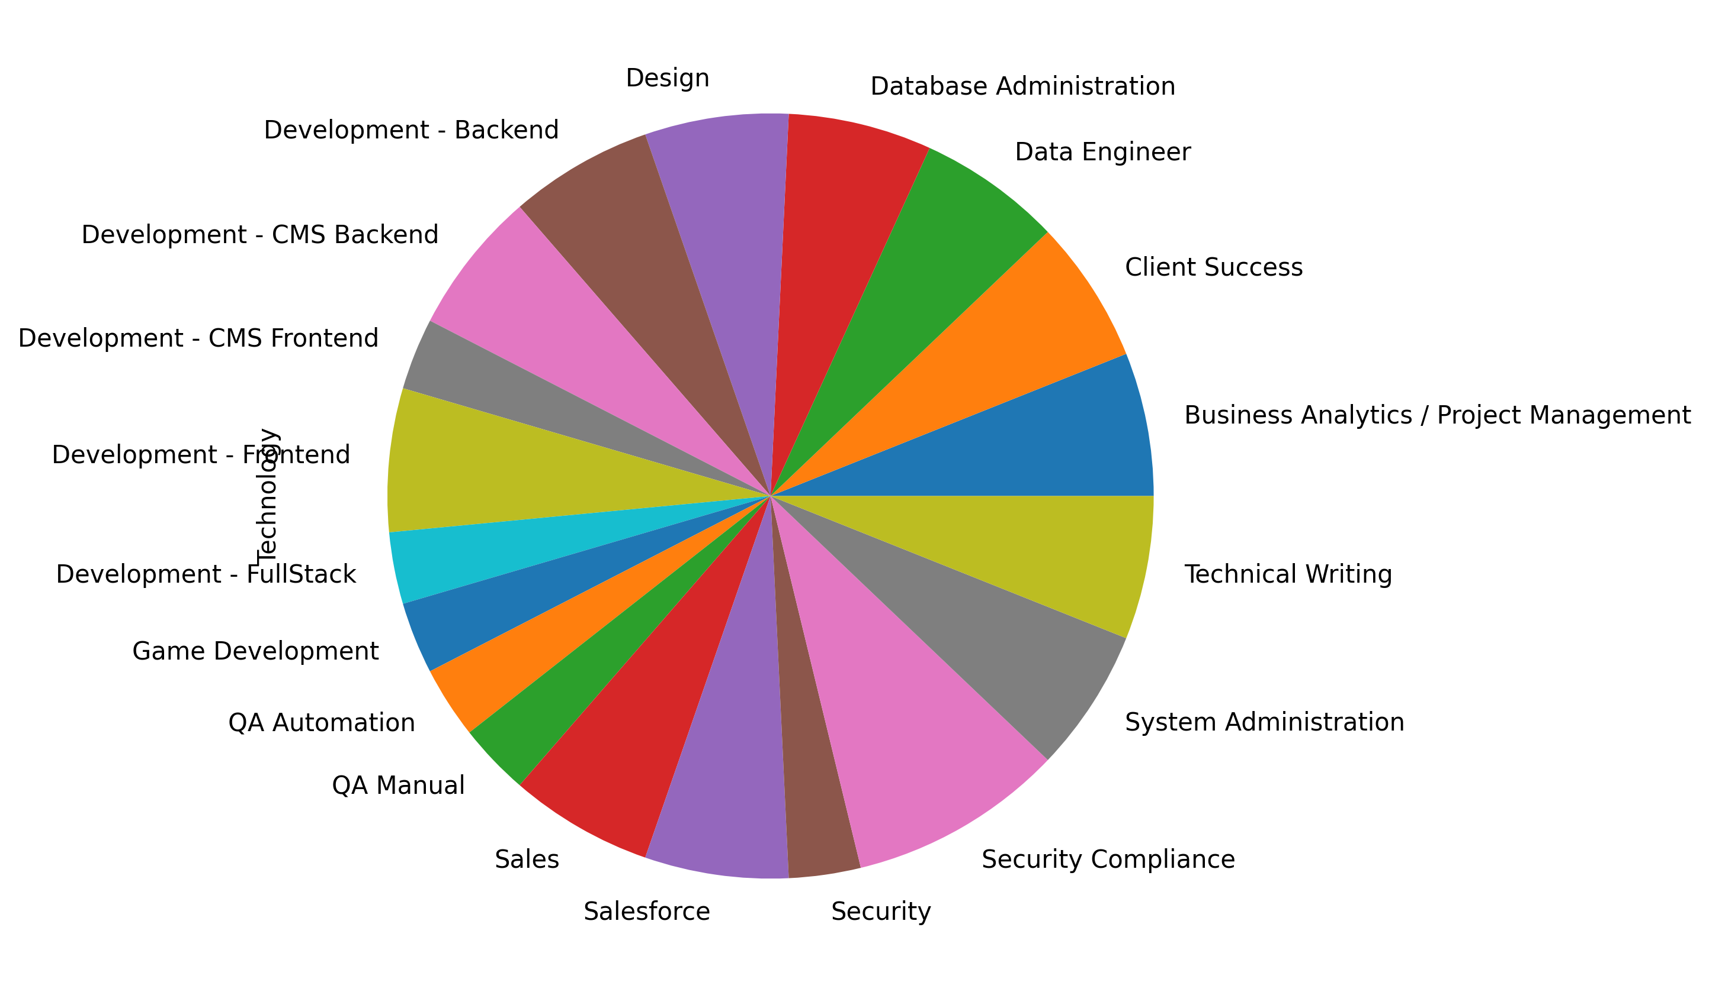
FirstName | LastName | Email | ApplicationDate | Country | YOE | Seniority | Technology | CodeChallengeScore | TechnicalInterviewScore
Johnathon | Stokes | gianni_macgyver@yahoo.com | 2018-04-11 | Brazil | 16 | Mid-Level | Salesforce | 10 | 8
Orval | Hintz | haylie.hickle@gmail.com | 2019-10-17 | Brazil | 15 | Trainee | Database Administration | 8 | 10
Selina | Abernathy | kim_wilderman@hotmail.com | 2019-05-15 | Brazil | 25 | Trainee | Data Engineer | 10 | 10
Alfredo | Halvorson | elody56@hotmail.com | 2019-10-01 | Brazil | 19 | Trainee | Data Engineer | 10 | 10
Deja | Osinski | jaime.kautzer58@gmail.com | 2018-02-11 | Brazil | 18 | Junior | Security | 7 | 10
Caesar | Connelly | chauncey_turner60@hotmail.com | 2018-07-13 | Brazil | 22 | Lead | Business Analytics / Project Management | 10 | 8
Rollin | Lang | velva78@gmail.com | 2020-11-04 | Brazil | 11 | Trainee | Technical Writing | 10 | 10
Carolyne | Rolfson | zella_yundt17@yahoo.com | 2019-02-02 | Brazil | 13 | Architect | Development - FullStack | 9 | 9
Rashad | O'Conner | kaya.spinka@hotmail.com | 2018-12-29 | Brazil | 18 | Trainee | QA Automation | 10 | 10
Mathew | Osinski | herta.grimes@gmail.com | 2022-02-14 | Brazil | 21 | Junior | Sales | 10 | 10
Michaela | Johns | evan2@hotmail.com | 2021-02-22 | Brazil | 23 | Junior | Salesforce | 8 | 10
Alexys | Cole | chadrick.cronin30@hotmail.com | 2018-09-27 | Brazil | 15 | Mid-Level | Client Success | 9 | 10
Barry | Emmerich | earlene98@yahoo.com | 2018-08-07 | Brazil | 28 | Senior | Design | 9 | 9
Duncan | Kihn | donavon33@hotmail.com | 2022-06-17 | Brazil | 18 | Senior | Security Compliance | 7 | 8
Aliyah | Ortiz | missouri.bahringer@hotmail.com | 2021-03-19 | Brazil | 11 | Architect | Sales | 7 | 10
Leopold | Prosacco | shanel.barrows73@gmail.com | 2021-10-03 | Brazil | 14 | Architect | Business Analytics / Project Management | 7 | 7
Ludie | Fritsch | aliya.conroy@gmail.com | 2019-04-24 | Brazil | 21 | Lead | Client Success | 8 | 10
Alda | Dach | wilfredo97@yahoo.com | 2018-04-07 | Brazil | 23 | Mid-Level | Development - Backend | 8 | 8
Wilson | Schmitt | annie.lindgren21@hotmail.com | 2022-03-08 | Brazil | 1 | Architect | Technical Writing | 10 | 7
Genesis | Cormier | bennett47@hotmail.com | 2021-11-30 | Brazil | 14 | Senior | Development - CMS Backend | 7 | 8
Richard | Witting | lexi_keeling72@hotmail.com | 2021-11-08 | Brazil | 27 | Intern | Database Administration | 9 | 10
Madelyn | Farrell | stephan.hintz47@hotmail.com | 2020-12-02 | Brazil | 4 | Intern | System Administration | 10 | 9
Jairo | Braun | laurie_herzog61@gmail.com | 2019-06-15 | Brazil | 16 | Intern | Design | 8 | 10
Raymundo | McClure | ayana.mohr@gmail.com | 2021-10-30 | Brazil | 12 | Lead | Game Development | 8 | 8
Marcos | Hilpert | dax_carroll65@gmail.com | 2020-04-16 | Brazil | 15 | Architect | System Administration | 7 | 8
Addie | Grady | myrl_walker@yahoo.com | 2020-06-19 | Brazil | 6 | Junior | Security Compliance | 9 | 8
Elbert | Bruen | michael_franey@gmail.com | 2022-03-28 | Brazil | 27 | Mid-Level | Development - CMS Frontend | 9 | 8
Brionna | Crona | lillie.oconner29@yahoo.com | 2019-07-08 | Brazil | 25 | Mid-Level | Development - Frontend | 9 | 8
Brian | Rogahn | kameron_kozey@yahoo.com | 2021-08-19 | Brazil | 28 | Senior | Security Compliance | 7 | 8
Lyric | Hickle | hal85@hotmail.com | 2020-04-07 | Brazil | 22 | Lead | QA Manual | 10 | 7
Kris | Bailey | mallory_reinger72@yahoo.com | 2018-11-07 | Brazil | 4 | Lead | Development - CMS Backend | 10 | 10
Rusty | Rau | gaylord_king@hotmail.com | 2018-04-20 | Brazil | 18 | Intern | Development - Frontend | 7 | 9
Madie | Zulauf | yasmeen_cole22@gmail.com | 2020-07-31 | Brazil | 21 | Junior | Development - Backend | 10 | 10

