overall
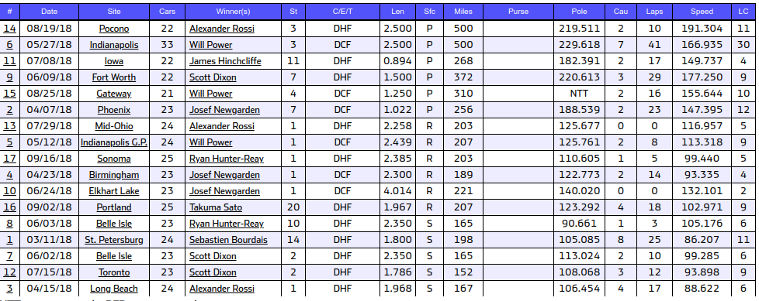
Barber
Gateway | O
Indy500 | O
IndyGP
Iowa | O
LongBeach
MidOhio
Phoenix | O
Pocono | O
Portland
RoadAmerica
StPete
Texas | O
Toronto

6 races on paved tracks
6 races on road courses
5 races on street courses
1 short track race
5 superspeedway races

Verizon IndyCar Series race number 2 of 17
Saturday, April 7, 2018 at ISM Raceway, Avondale, AZ
250 laps on a 1.022 mile paved track (255.5 miles)

Time of race:1:44:00 Average speed:147.395 mph Pole speed:188.539 mph | Cautions:2 for 23 laps Margin of victory:2.995 sec Attendance:n/a Lead changes:12

Verizon IndyCar Series race number 6 of 17
Sunday, May 27, 2018 at Indianapolis Motor Speedway, Speedway, IN
200 laps on a 2.500 mile paved track (500.0 miles)

Time of race:2:59:43 Average speed:166.935 mph Pole speed:229.618 mph | Cautions:7 for 41 laps Margin of victory:3.159 sec Attendance:n/a Lead changes:30

Verizon IndyCar Series race number 9 of 17
Saturday, June 9, 2018 at Texas Motor Speedway, Fort Worth, TX
248 laps on a 1.500 mile paved track (372.0 miles)

Time of race:2:00:53 Average speed:177.25 mph Pole speed:220.613 mph | Cautions:3 for 29 laps Margin of victory:4.294 sec Attendance:n/a Lead changes:9

Verizon IndyCar Series race number 11 of 17
Sunday, July 8, 2018 at Iowa Speedway, Newton, IA
300 laps on a .894 mile paved track (268.2 miles)

Time of race:1:47:32 Average speed:149.737 mph Pole speed:182.391 mph | Cautions:2 for 17 laps Margin of victory:under caution Attendance:n/a Lead changes:4

Verizon IndyCar Series race number 14 of 17
Sunday, August 19, 2018 at Pocono Raceway, Long Pond, PA
200 laps on a 2.500 mile paved track (500.0 miles)

Time of race:2:36:49 Average speed:191.304 mph Pole speed:219.511 mph | Cautions:2 for 10 laps Margin of victory:4.498 sec Attendance:n/a Lead changes:11

Verizon IndyCar Series race number 15 of 17
Saturday, August 25, 2018 at Gateway Motorsports Park, Madison, IL
248 laps on a 1.250 mile paved track (310.0 miles)

Time of race:1:59:30 Average speed:155.644 mph Pole speed:no time trials | Cautions:2 for 16 laps Margin of victory:1.312 sec Attendance:n/a Lead changes:10

